Sheet1
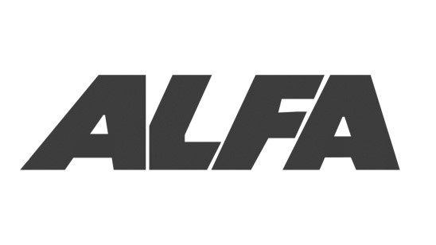
 |  |  |  |  |  | Alfa Enterprises
 |  |  |  |  |  | 11, Near Rafiquia School
 |  |  |  |  |  | Bag Munshi Hussain Khan Road
 |  |  |  |  |  | Bhopal (462001) Madhya Pradesh
 |  |  |  |  |  | GSTIN -23AGLPK3007A1Z5

 |  |  | INVOICE

Bill To |  |  |  |  | Invoice# | 305
Raj Steel Furniture |  |  |  |  | Date | ${date}
Near Mata Mandir
Bhopal
GSTIN - 23AGXPM1398J1ZQ

# | Item |  | HSN Code | Qty | Rate | Amount
1 | China |  | 8479 | 2.00 | 2800.00 | 5600.00
2 | Tower Cooler |  | 8479 | 4.00 | 2800.00 | 11200.00
3 | Xtreme |  | 8479 | 6.00 | 1500.00 | 9000.00
Item in Total |  | 12.00 |  |  | Sub Total | 25800.00
 |  |  |  |  | CGST | 2322.00
 |  |  |  |  | SGST | 2322.00
 |  |  |  |  | Total | 30444.00

 |  |  |  |  | For Alfa Enterprises

 |  |  |  |  | Authorized Signatory

