Without Shear Key
 |  |  |  |  |  |  |  |  |  |  |  | 1.25ft
 |  |  |  |  |  |  |  | 16ft |  |  |  |  |  |  |  | 14.5ft
W1$↓$
W4$↓$
W2$↓$
W3$↓$
 |  |  |  |  |  |  |  |  | 3.4 ft |  |  |  | 5.6ft
 |  |  |  |  |  |  |  |  |  |  | 0.0ft | 1.25ft |  |  |  | 1.5ft | 14.5
 |  |  |  |  |  |  |  |  |  |  |  |  |  |  |  |  | 0
 |  |  |  |  |  |  |  |  | 10.25ft |  |  |  |  |  |  |  | 1.25

 | Height Retained | 13
 | Under Soil | 3
 | fc' (psi) | 3000
 | fy (psi) | 60000
 | γsoil (psf) | 130
 | γconc (psf) | 145
 | Φ (°) | 32 | 0.559
 | qa (psf) | 4000
 | H (ft) | 16
 | Surcharge (lb/ft) | 0

 | Location | Conditions | Ft | Assumption (ft)
 | Tp Width | 0.3m | 0.98 | 1.25
 |  | H/12 | 1.33
 | Btm Width | 40% of H | 6.40 | 10.25
 |  | 60% of H | 9.60
 | Btm of Stem | 7% of H | 1.12 | 1.25
 |  | 12% of H | 1.92
 | Slab Depth | 7% of H | 1.12 | 1.5
 |  | 10% of H | 1.60
 | b/3 |  |  | 3.42
 | 2b/3 |  |  | 6.83
 | Heel Width |  |  | 5.58
 | Toe Width |  |  | 3.42

M_{R} /M_{O}
 | Overturning
 | Ka | 0.3
 | h | 16.0 |  |  |  | 3.69 | OK!
 | h' | 0.0
 | y | 5.3
 | P(lbs) | 5112.8
 | Mo (lb.ft) | 27268.2

 | W | Volume (ft3) | γ (psf) | Weight (lb) | Moment Arm (ft) | Moment (lb.ft)
 | W1 | 18.13 | 145 | 2628.125 | 4.04 | 10622.0
 | W2 | 0.00 | 145 | 0 | 3.42 | 0.0
 | W3 | 15.38 | 145 | 2229.375 | 5.13 | 11425.5
∑W
M_{R}
 | W4 | 80.96 | 130 | 10524.6 | 7.46 | 78495.9
 |  |  |  | 15382.08 |  | 100543.4

0.5∑W/P
 | SLIDING
 |  | 1.50 | OK!

 |  |  |  | if | q1 | q2
 | BEARING |  |  | a > l/3 | 1818.10 | 1183.28
 | a (ft) | 4.76 |  | a = l/3 | 3001.38 | 0.00
 | l/3 (ft) | 3.42 |  | a < l/3 | 2152.69 | 0.00
 | Condition | a > l/3
 | q1 (psf) | 1818.10
 | q2 (psf) | 1183.28
 | q (psf) | 1818.10

 | qa > q |  | OK!

 |  |  |  | OVERTURNING | SLIDING | BEARING
 |  |  |  | OK! | OK! | OK!

 | REINFORCEMENT |  |  |  |  |  |  |  |  |  |  |  | 1.25ft
 |  |  |  |  |  |  |  |  |  |  |  |  |  | 14.5ft

 | STEM DESIGN |  |  |  |  |  |  |  |  |  |  |  |  |  |  |  |  |  |  |  | Metric Bar No. | Inch-Pound Bar No. | Diameter (inch) | Diameter (mm) | Area (mm²) | Area (inch²)
 |  |  |  |  |  |  |  |  |  |  |  |  |  |  |  |  |  |  |  | 2 | 6 | #2 | 0.3 | 6 | 28.3 | 0.05
 | Safety Factor | 1.6 |  | Cover (inch) | 2.5 |  |  |  |  |  |  |  |  |  |  |  |  |  |  | 3 | 8 | #3 | 0.4 | 8 | 50.3 | 0.11
 |  |  |  |  |  |  |  |  |  |  |  | 1.25ft |  |  |  |  |  |  |  | 4 | 10 | #4 | 0.5 | 10 | 78.5 | 0.20
 |  |  | Factor 1.6 |  |  |  |  |  |  |  |  |  |  |  |  |  |  |  |  | 5 | 12 | #5 | 0.6 | 12 | 113.1 | 0.31
 | H1 (lbs) | 4199.1 | 6718.5 |  | SHEAR CHECK |  |  |  |  |  |  |  |  |  |  |  |  |  |  | 6 | 16 | #6 | 0.8 | 16 | 201.1 | 0.44
 | H2 (lbs) | 0.0 | 0.0 |  | Vu (lbs) | 6718.5 | OK! |  |  |  |  |  |  |  |  |  |  |  |  | 7 | 20 | #7 | 0.9 | 20 | 314.2 | 0.60
 | P (lbs) | 4199.1 | 6718.5 |  | ΦVc | 12323.8 |  |  |  |  |  |  |  |  |  |  |  |  |  | 8 | 25 | #8 | 1.0 | 25 | 490.9 | 0.79
 | Mu (lb.ft) | 20295.5 | 32472.8 |  |  |  |  |  |  |  |  |  |  |  |  |  |  |  |  | 10 | 32 | #10 | 1.3 | 32 | 804.2 | 1.23
 |  |  |  |  |  |  |  |  |  |  |  |  |  |  |  |  |  |  |  | 13 | 40 | #13 | 1.6 | 40 | 1256.6 | 2.07
 | b (in) | 12 |  |  |  |  |  |  |  |  |  |  |  |  |  |  |  |  |  | 16 | 50 | #16 | 2.0 | 50 | 1963.5 | 3.14
 | d (in) | 12.50
 | ρ | 0.0040
 | As (in2/ft) | 0.61

 | ρmin | 200/fy | 0.0033
 |  | 3√fc'/fy | 0.0027

 | As (in2/ft) | 0.606

 | Vertical Reinforcement (Inside)
 | Bar (#) | AST (in2) | Spacing (in) | #7 @ 11 c/c
 | #7 | 0.60 | 11.0

 | Hoizontal Reinforcement
 | As = 0.0025 x b x d |  | 0.450
 | Outside (2/3) | 0.3 | Bar (#) | AST (in2) | Spacing (in) | #4 @ 7 c/c
 |  |  | #4 | 0.196 | 7.0
 | Inside (1/3) | 0.15 | Bar (#) | AST (in2) | Spacing (in) | #4 @ 15 c/c
 |  |  | #4 | 0.196 | 15.0

 | Vertical Reinforcement (Outside)
 | As = 0.0015 x b x d |  | 0.225
 | Bar (#) | AST (in2) | Spacing (in) | #6 @ 23 c/c
 | #6 | 0.44 | 23.0

 | CURTAILMENT

 |  |  | 5 intervals
 | Height of Stem | 14.5 | 2.9

 | Dist From Stem | Mu (lb.ft) | d (ft) | ρ | ρmin | ρactual | As (in2/ft) | Bar (#) | AST (in2) | Spacing (in)
 | 2.9 | 6494.6 | 1.04 | 0.00078 | 0.0033 | 0.0033 | 0.50 | #6 | 0.44 | 10.0
 |  |  |  |  | 0.0027
 | 5.8 | 12989.1 | 1.04 | 0.00157 | 0.0033 | 0.0033 | 0.50 | #6 | 0.44 | 10.0
 |  |  |  |  | 0.0027
 | 8.7 | 19483.7 | 1.04 | 0.00238 | 0.0033 | 0.0033 | 0.50 | #6 | 0.44 | 10.0
 |  |  |  |  | 0.0027
 | 11.6 | 25978.3 | 1.04 | 0.00320 | 0.0033 | 0.0033 | 0.50 | #6 | 0.44 | 10.0
 |  |  |  |  | 0.0027
 | 14.5 | 32472.8 | 1.04 | 0.00404 | 0.0033 | 0.0040 | 0.61 | #7 | 0.60 | 11.0
 |  |  |  |  | 0.0027

 | HEEL DESIGN |  |  |  |  |  |  |  |  | 5.6ft
 |  |  |  |  |  |  |  |  |  | HEEL |  |  |  | 1.5ft
 | Self Weight (lbs) | 1214.375 |  | Cover (in) | 3.5
 | Soil Weight (lbs) | 10524.583333 |  | Safety Factor | 1.2

 | Vu (lbs) | 11738.958333 |  | d (in) | 14.50
 | Vufactored (lbs) | 14086.75 | OK!
 | ΦVc (lbs) | 14295.6

 | Mu (lb.ft) | 39325.5
 | ρ | 0.00362

 | ρmin | 200/fy | 0.0033
 |  | 3√fc'/fy | 0.0027

 | As (in2/ft) | 0.629

 | Reinforcement
 | Bar (#) | AST (in2) | Spacing (in) | #8 @ 14 c/c
 | #8 | 0.785 | 14.0

 | TOE DESIGN
 |  |  |  |  |  |  |  |  |  |  | 3.4 ft
 | a (ft) | 4.76 |  | Safety Factor | 1.6 |  |  |  |  | 1.5ft | TOE
 | l/3 (ft) | 3.42 |  | Cover (in) | 3.5
 | Condition | a > l/3 |  | d(in) | 14.5
 | q1 (psf) | 1818.10 |  | When l = 3a | 14.29
 | q2 (psf) | 1183.28
 | q (psf) | 1818.10 |  |  |  |  |  |  | When a > l/3 & a = l/3
 |  |  |  |  |  |  |  |  |  |  | 10.25ft
 | Mu (lb.ft) | 16320.30 |  | Mu (lb.ft) | 15625.92 |  |  |  |  |  | TW = 3.4
 | ρ | 0.00146 |  | ρ | 0.00140

 | ρmin | 200/fy | 0.0033 |  |  |  |  |  |  |  |  |  |  | q2 | 1893.25
 |  | 3√fc'/fy | 0.0027
 |  |  |  |  |  |  |  |  |  |  |  |  | 2570.3898916
 | As (in2/ft) | 0.580 |  |  |  |  |  |  | q1 | 2909

 | Reinforcement
 | Bar (#) | AST (in2) | Spacing (in) | #8 @ 16 c/c
 | #8 | 0.785 | 16.0 |  |  |  |  | When a < l/3
 |  |  |  |  |  |  |  |  |  |  | l = 3a
 |  |  |  |  |  |  |  |  |  |  | 14.3ft
 | TOE & HEEL Temp,Shrinkage REINFRCEMENT |  |  |  |  |  |  |  |  |  | TW = 3.4

 | CONDITION
 | STEEL | Factor
 | 40ksi | 0.002 | 0.0018 |  |  |  |  |  |  |  |  |  | 2213.4908518
 | 60ksi | 0.0018 |  |  |  |  |  |  | q1 | 2909

 | As (in2/ft) | 0.3132

 | Reinforcement
 | Bar (#) | AST (in2) | Spacing (in) | #6 @ 16 c/c
 | #6 | 0.442 | 16.0

 | DESIGN SATISIFY?
 | CHECKS
 | OVERTURNING | SLIDING | BEARING
 | OK! | OK! | OK!
 | SHEAR CHECK
 | STEM | HEEL AND TOE
 | OK! | OK!

 |  |  |  |  |  |  |  |  |  |  |  |  |  |  | #6 @ 23 c/c

 |  |  |  |  |  |  |  |  |  |  |  |  |  |  |  |  |  | #7 @ 11 c/c

DESIGN
STEM
Width (ft) |  | Vertical Reinforcement |  | Horizontal Reinforcement |  |  |  |  |  |  |  |  |  | #4 @ 15 c/c
Top | Bottom | Inside | Outside | Inside | Outside
1.25 | 1.25 | #7 @ 11 c/c | #6 @ 23 c/c | #4 @ 7 c/c | #4 @ 15 c/c
HEEL
Width (ft) | Depth (ft) | Main |  | Temp or Shrinkage |  |  |  |  |  |  |  |  |  |  |  |  |  |  | #4 @ 7 c/c
5.58 | 1.5 | #8 @ 14 c/c |  | #6 @ 16 c/c
TOE
Width (ft) | Depth (ft) | Main |  | Temp or Shrinkage
3.42 | 1.5 | #8 @ 16 c/c |  | #6 @ 16 c/c |  |  |  |  |  |  | #6 @ 16 c/c |  |  |  |  |  |  |  |  |  | #8 @ 14 c/c

 |  |  |  |  |  |  |  |  |  |  |  | #8 @ 16 c/c
 |  |  |  |  |  |  |  |  |  |  |  |  |  |  |  |  |  |  |  |  | #6 @ 16 c/c

With Shear Key
 |  |  |  |  |  |  |  |  |  |  | 2ft
 |  |  |  |  |  |  | 16ft |  |  |  |  |  |  |  | 13.5ft
W1$↓$
W4$↓$
W2$↓$
W3$↓$
W5$↓$
 |  |  |  |  |  |  |  | 4.7 ft |  |  |  | 6.3ft
 |  |  |  |  |  |  |  |  |  | 1.0ft | 2.0ft |  |  |  | 2.5ft | 13.5
 |  |  |  |  |  |  |  |  |  |  |  |  |  |  |  | 1
 |  |  |  |  |  |  |  |  |  | 4.0ft |  |  |  |  |  | 2
 |  |  |  |  |  |  |  |  |  |  | 2.0ft
 |  |  |  |  |  |  |  | 14ft

Height Retained | 13
Under Soil | 3
fc' (psi) | 3000
fy (psi) | 60000
γsoil (psf) | 100
γconc (psf) | 150
Φ (°) | 30 | 0.524
qa (psf) | 8000
H (ft) | 16
Surcharge (lb/ft) | 0

Location | Conditions | Ft | Assumption (ft)
Tp Width | 0.3m | 0.98 | 2
 | H/12 | 1.33
Btm Width | 40% of H | 6.40 | 14
 | 60% of H | 9.60
Btm of Stem | 7% of H | 1.12 | 3
 | 12% of H | 1.92
Slab Depth | 7% of H | 1.12 | 2.5
 | 10% of H | 1.60
Shear Key Depth |  |  | 4
b/3 |  |  | 4.67
2b/3 |  |  | 9.33
Heel Width |  |  | 6.33
Toe Width |  |  | 4.67

M_{R} /M_{O}
Overturning
Ka | 0.3
h | 16.0 |  |  |  | 7.45 | OK!
h' | 0.0
y | 5.3
P(lbs) | 4266.7
Mo (lb.ft) | 22755.6

W | Volume (ft3) | γ (psf) | Weight (lb) | Moment Arm (ft) | Moment (lb.ft)
W1 | 27.00 | 150 | 4050 | 6.67 | 27000.0
W2 | 6.75 | 150 | 1012.5 | 5.17 | 5231.3
W3 | 35.00 | 150 | 5250 | 7.00 | 36750.0
W4 | 85.50 | 100 | 8550.0 | 10.83 | 92625.0
∑W
M_{R}
W5 | 8.00 | 150 | 1200.0 | 6.67 | 8000.0
 |  |  | 20062.50 |  | 169606.2

0.5∑W/P
SLIDING
 | 2.35 | OK!

 |  |  | if | q1 | q2
BEARING |  |  | a > l/3 | 1236.71 | 1629.36
a (ft) | 7.32 |  | a = l/3 | 2866.07 | 0.00
l/3 (ft) | 4.67 |  | a < l/3 | 1827.27 | 0.00
Condition | a > l/3
q1 (psf) | 1236.71
q2 (psf) | 1629.36
q (psf) | 1629.36

qa > q |  | OK!

 |  |  | OVERTURNING | SLIDING | BEARING
 |  |  | OK! | OK! | OK!

REINFORCEMENT |  |  |  |  |  |  |  |  |  |  |  | 2ft
 |  |  |  |  |  |  |  |  |  |  |  |  | 13.5ft

STEM DESIGN |  |  |  |  |  |  |  |  |  |  |  |  |  |  |  |  |  |  |  | Metric Bar No. | Inch-Pound Bar No. | Diameter (inch) | Diameter (mm) | Area (mm²) | Area (inch²)
 |  |  |  |  |  |  |  |  |  |  |  |  |  |  |  |  |  |  | 2 | 6 | #2 | 0.3 | 6 | 28.3 | 0.05
Safety Factor | 1.6 |  | Cover (inch) | 2.5 |  |  |  |  |  |  |  |  |  |  |  |  |  |  | 3 | 8 | #3 | 0.4 | 8 | 50.3 | 0.11
 |  |  |  |  |  |  |  |  |  |  | 3ft |  |  |  |  |  |  |  | 4 | 10 | #4 | 0.5 | 10 | 78.5 | 0.20
 |  | Factor 1.6 |  |  |  |  |  |  |  |  |  |  |  |  |  |  |  |  | 5 | 12 | #5 | 0.6 | 12 | 113.1 | 0.31
H1 (lbs) | 3037.5 | 4860.0 |  | SHEAR CHECK |  |  |  |  |  |  |  |  |  |  |  |  |  |  | 6 | 16 | #6 | 0.8 | 16 | 201.1 | 0.44
H2 (lbs) | 0.0 | 0.0 |  | Vu (lbs) | 4860.0 | OK! |  |  |  |  |  |  |  |  |  |  |  |  | 7 | 20 | #7 | 0.9 | 20 | 314.2 | 0.60
P (lbs) | 3037.5 | 4860.0 |  | ΦVc | 33027.7 |  |  |  |  |  |  |  |  |  |  |  |  |  | 8 | 25 | #8 | 1.0 | 25 | 490.9 | 0.79
Mu (lb.ft) | 13668.7 | 21870.0 |  |  |  |  |  |  |  |  |  |  |  |  |  |  |  |  | 10 | 32 | #10 | 1.3 | 32 | 804.2 | 1.23
 |  |  |  |  |  |  |  |  |  |  |  |  |  |  |  |  |  |  | 13 | 40 | #13 | 1.6 | 40 | 1256.6 | 2.07
b (in) | 12 |  |  |  |  |  |  |  |  |  |  |  |  |  |  |  |  |  | 16 | 50 | #16 | 2.0 | 50 | 1963.5 | 3.14
d (in) | 33.50
ρ | 0.0004
As (in2/ft) | 0.15

ρmin | 200/fy | 0.0033
 | 3√fc'/fy | 0.0027

As (in2/ft) | 1.340

Vertical Reinforcement (Inside)
Bar (#) | AST (in2) | Spacing (in) | #8 @ 7 c/c
#8 | 0.79 | 7.0

Hoizontal Reinforcement
As = 0.0025 x b x d |  | 0.900
Outside (2/3) | 0.6 | Bar (#) | AST (in2) | Spacing (in) | #5 @ 6 c/c
 |  | #5 | 0.307 | 6.0
Inside (1/3) | 0.3 | Bar (#) | AST (in2) | Spacing (in) | #4 @ 7 c/c
...
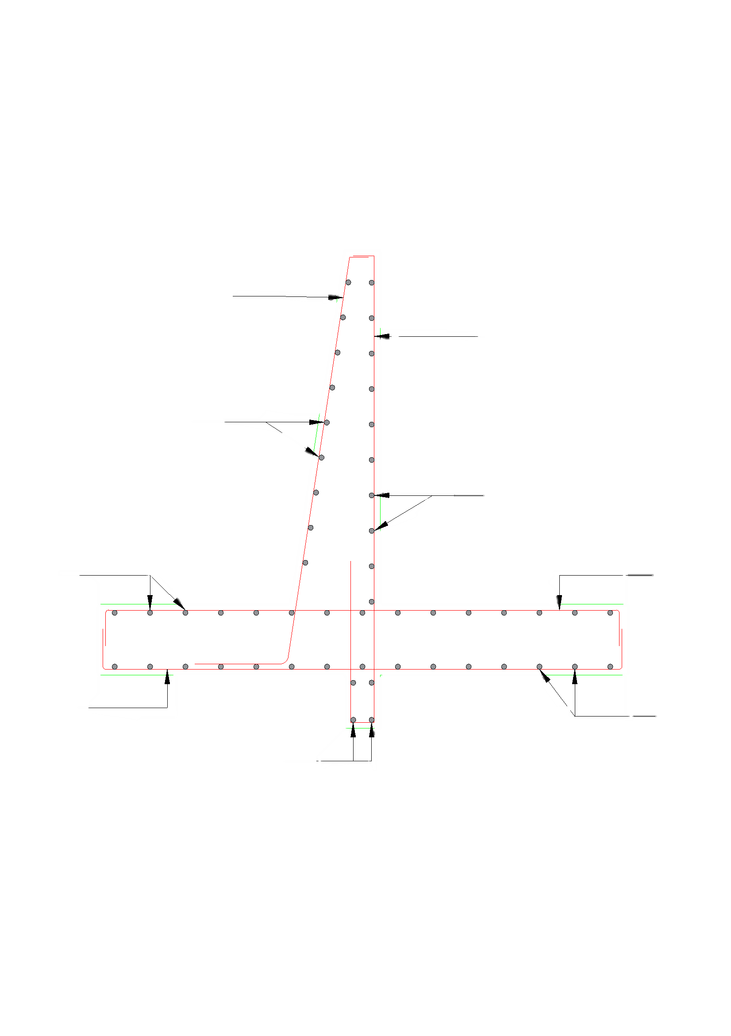
...
 |  |  |  |  |  |  |  |  |  |  |  |  |  | #6 @ 8 c/c

 |  |  |  |  |  |  |  |  |  |  |  |  |  |  |  |  | #8 @ 7 c/c
...
 |  |  |  |  |  |  |  |  |  |  |  |  | #4 @ 7 c/c
 |  |  |  | Outside
 |  |  |  | #4 @ 7 c/c
...
 |  |  |  |  |  |  |  |  |  |  |  |  |  |  |  |  |  | #5 @ 6 c/c
...
 |  |  |  |  |  |  |  |  | #8 @ 16 c/c |  |  |  |  |  |  |  |  |  |  | #8 @ 8 c/c

 |  |  |  |  |  |  |  |  |  | #8 @ 8 c/c
 |  |  |  |  |  |  |  |  |  |  |  |  |  |  |  |  |  |  |  | #8 @ 16 c/c

 |  |  |  |  |  |  |  |  |  |  |  |  |  |  | #5 @ 6 c/c

