Conceptual model
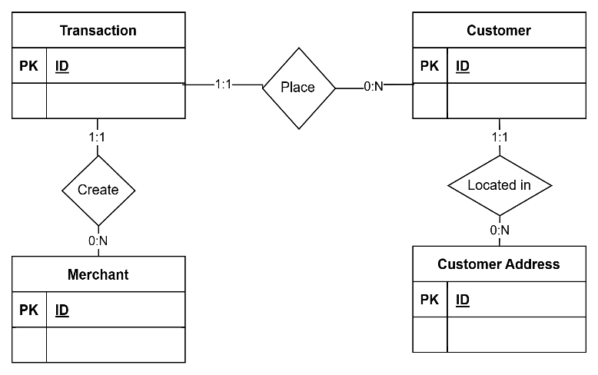
Step 1 : find entities candidate and attributes
Discover concepts (entities) |  |  |  |  |  |  | Normalization: 1NF; 2NF; 3NF |  |  |  |  |  | Normalization: 1NF; 2NF; 3NF |  |  |  |  |  | Normalization: 1NF; 2NF; 3NF
Who? | What? | When? | Where? | Why? | How? |  | Sales order | Employee | Customer | Sales channel | Product | Store | Sales order | Employee | Customer | Sales channel | Product | Store | Sales order | Employee | Customer | Sales channel | Product | Store | City | State | sales_order | dtype | customer | dtype
Customer | Sales order |  | Merchant Store | Transaction Purpose | CC deduction |  | Order num pk | Employee id pk | Customer id pk | Sales channel id pk | Product id pk | Store id pk | Order num pk | Employee id pk | Customer id pk | Sales channel id pk | Product id pk | Store id pk | Order num pk | Employee id pk | Customer id pk | Sales channel id pk | Product id pk | Store id pk | City id pk | State id pk | order_num | varchar(50) pk | customer_id | varchar(50) pk
Merchant |  |  | City |  |  |  | Order date | Employee name | Customer name | Sales channel name | Product name | Store name | Order date | Employee First Name | Customer First Name | Sales channel name | Product name | Store name | Order date | Employee First Name | Customer First Name | Sales channel name | Product name | Store name | City Name | Area Code | order_date | datetime | customer_first_name | varchar(255)
 |  |  | State |  |  |  | Currency code |  |  |  |  | City name | Currency code | Employee Last Name | Customer Last Name |  |  | City name | Currency code | Employee Last Name | Customer Last Name |  |  | Latitude | Type | State Code | currency_code | varchar(45) | customer_last_name | varchar(255)
 |  |  |  |  |  |  | Order quantity |  |  |  |  | Country | Order quantity |  |  |  |  | Country | Order quantity |  |  |  |  | Longitude |  | State | order_quantity | decimal
Discover concepts (attributes) |  |  |  |  |  |  | Discount applied |  |  |  |  | State code | Discount applied |  |  |  |  | State code | Discount applied |  |  |  |  | Location |  | Country | discount_applied | decimal
Who? | What? | When? | Where? | Why? | How? |  | Ship date |  |  |  |  | State | Ship date |  |  |  |  | State | Ship date |  |  |  |  |  |  |  | ship_date | datetime
Customer first name | trans_num | trans_date_trans_time | Store name | category | cc_num |  | Delivery date |  |  |  |  | Type | Delivery date |  |  |  |  | Type | Delivery date |  |  |  |  |  |  |  | delivery_date | datetime | sales_channel | dtype
Customer last name |  | unix_time | City name |  |  |  | Procure date |  |  |  |  | Latitude | Procure date |  |  |  |  | Latitude | Procure date |  |  |  |  |  |  |  | procure_date | datetime | sales_channel_id | varchar(50) pk
Customer dob |  |  | Country |  |  |  | Total cost |  |  |  |  | Longitude | Total cost |  |  |  |  | Longitude | Total cost |  |  |  |  |  |  |  | total_cost | decimal | sales_channel_name | varchar(255)
Customer lat & long |  |  | State code |  |  |  | Total price |  |  |  |  | Location | Total price |  |  |  |  | Location | Total price |  |  |  |  |  |  |  | total_price | decimal
Merchant name |  |  | State |  |  |  |  |  |  |  |  | Area code |  |  |  |  |  | Area code |  |  |  |  |  |  |  |  | employee_id | varchar(50) fk
 |  |  | Type |  |  |  |  |  |  |  |  |  |  |  |  |  |  |  |  |  |  |  |  |  |  |  | product_id | varchar(50) fk
 |  |  | Latitude |  |  |  |  |  |  |  |  |  |  |  |  |  |  |  |  |  |  |  |  |  |  |  | sales_channel_id | varchar(50) fk | product | dtype
 |  |  | Longitude |  |  |  |  |  |  |  |  |  |  |  |  |  |  |  |  |  |  |  |  |  |  |  | customer_id | varchar(50) fk | product_id | varchar(50) pk
 |  |  | Location |  |  |  |  |  |  |  |  |  |  |  |  |  |  |  |  |  |  |  |  |  |  |  |  |  | product_name | varchar(255)

Step 2: First grouped entities with attributes |  |  |  |  |  |  |  |  |  |  |  |  |  |  |  |  |  |  |  |  |  |  |  |  |  |  | employee | dtype

Transaction | Customer | Merchant
Trans_num | first | merchant
trans_date_trans_time | last | merch_lat
unix_time | dob | merch_long
cc_num | lat
category | long
amt | city
 | state
 | gender
 | street
 | job
 | city_pop
 | is_fraud
 | zip

Step 3: Relationship between Entities
Capture the relationships
 | Transaction | Customer | Merchant | Street | City | State
Transaction
Customer | Place
Merchant | Create
Street |  |  | Located in
City |  |  | Located in | Made of
State |  |  |  |  | Made of

Step 4: Initial Conceptual Model

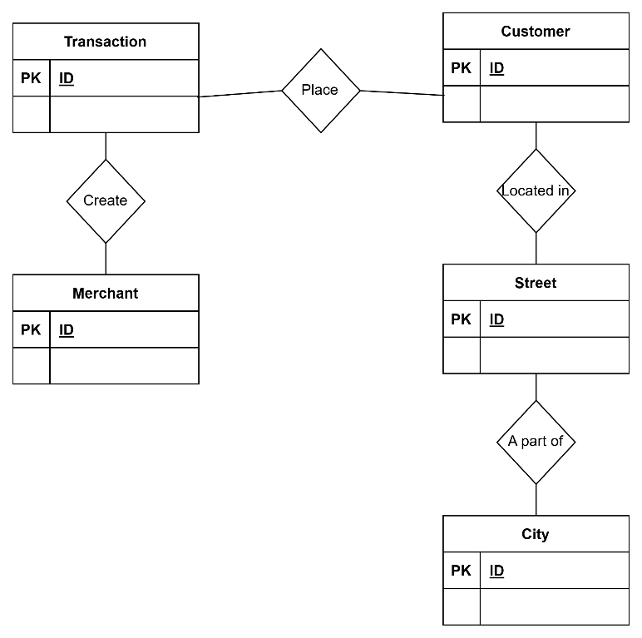

Step 5: Relational Assertion (Finding Optionality : Cardinality)
Capture the relationships
Question | Yes | No | Objective
Can an customer exist without a transaction? | + |  | Optionality
Can a transaction exist without a customer? |  | + | Optionality
Can a merchant exist without a transaction? | + |  | Optionality
Can a transaction exist without a merchant? |  | + | Optionality
Can a customer exist without a street? |  | + | Optionality
Can a street exist without a customer? | + |  | Optionality
Can a city exist without a street? |  | + | Optionality
Can a street exist without a city? |  | + | Optionality
Can a transaction be done by more than one customer? |  | + | Cardinality
Can an customer do more than one transaction? | + |  | Cardinality
Can a merchant create more than one transaction | + |  | Cardinality
Can a transaction have more than one merchant |  | + | Cardinality
Can a customer live more than one street? |  | + | Cardinality
Can a street lived more than one customer? | + |  | Cardinality
Can a city has more than one street? | + |  | Cardinality
Can a street has more than one city? |  | + | Cardinality

Step 6: Conceptual Modeling with (Optionality : Cardinality)

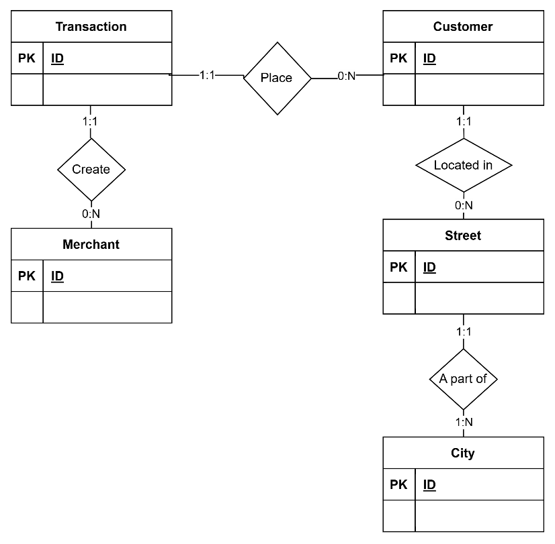

#################
Step 7
Refine of Conceptual Model based on normalization feedback
on 2nd normalization, if there is partial dependency, some attributes need to merged and moved to new table

Step 8: First grouped entities with attributes

Transaction | Customer | Customer_Address | Merchant
Trans_num | first | address_id | merchant
trans_date_trans_time | last | lat | merch_lat
unix_time | dob | long | merch_long
cc_num | gender | city
category | job | state
amt | is_fraud | city_pop
 |  | street
 |  | zip

Step 9: Relationship between Entities (Refer previous as very similar)
Capture the relationships
 | Transaction | Customer | Merchant | Street | City | State
Transaction
Customer | Place
Merchant | Create
Street |  | Located in
City |  | Located in |  | Made of
State |  |  |  |  | Made of

Step 10: Updated Conceptual Model R2

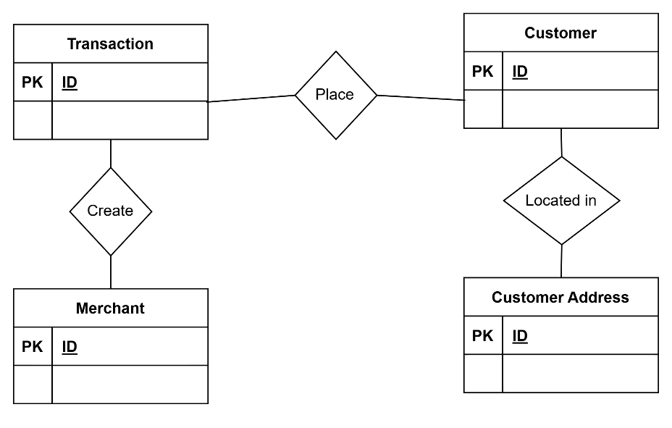

Step 11: Relational Assertion (Finding Optionality : Cardinality) Refer previous as very similar

Step 12: Conceptual Modeling with (Optionality : Cardinality)

