Burj Vista
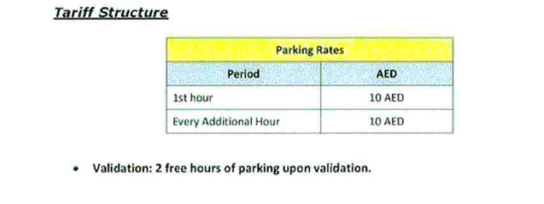

Deira Water Front
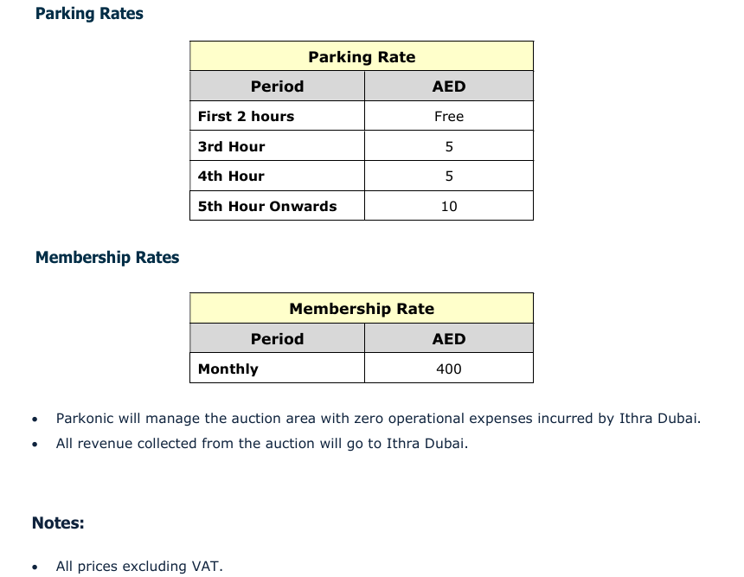

Souk Al Bahar
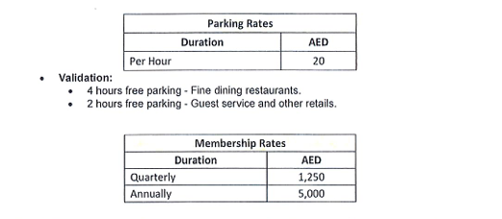

Cedre Villas
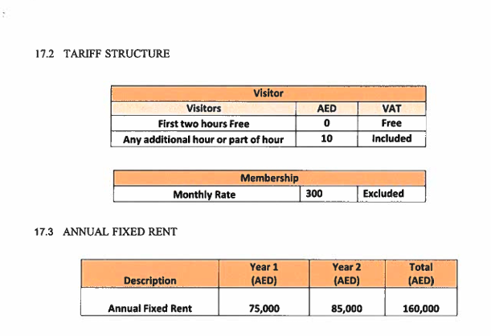

UC-Al Aweer-Al Warqa City Mall
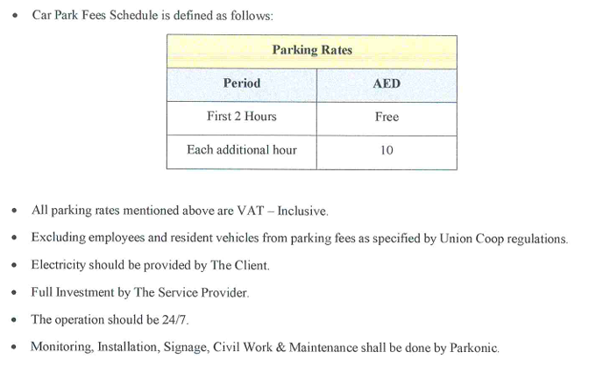

UC- Ummsqm-AlTawr-AlQuoz
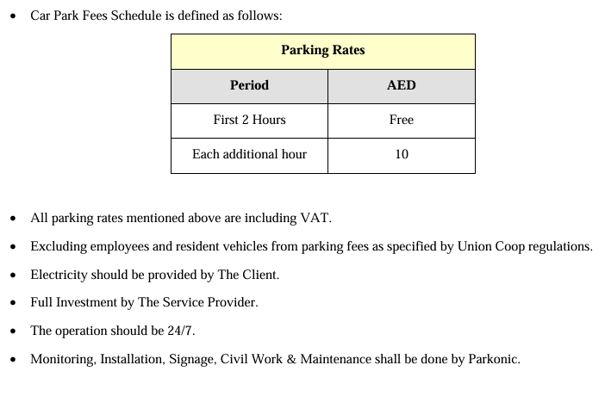

UC-Mnkl-JumrFirs-NadAlh


UC- Silcn-Motr-Wasl
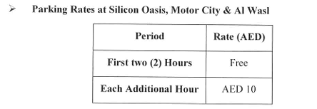

UC-Al Barsha
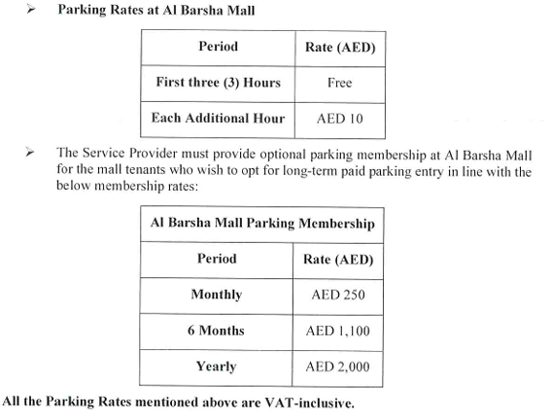

Palm Strip Mall
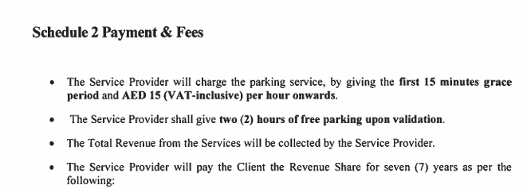

Marina Walk
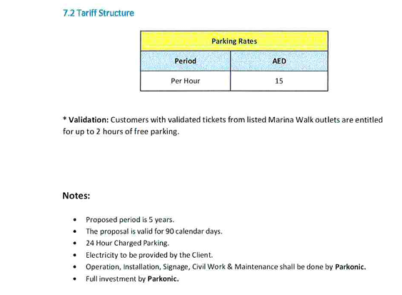

Park Islands
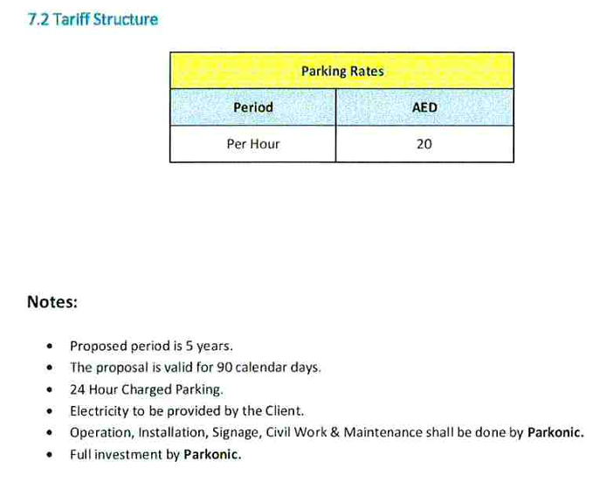

Souq Al Manzil
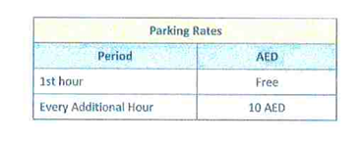

Shurooq
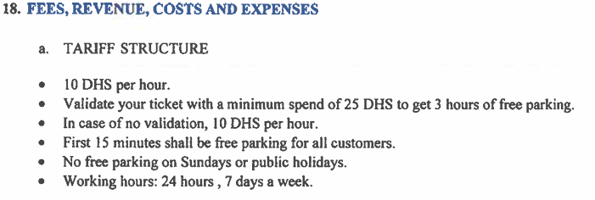
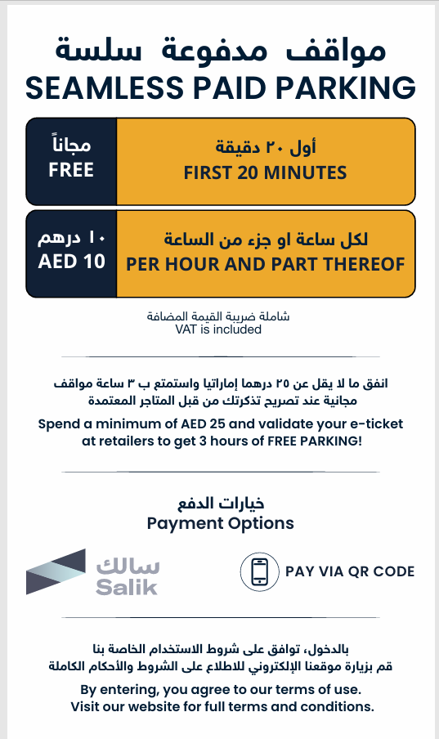
The following tariff rates are uniformly applied across all Shurooq-managed locations:
Shurooq Locations:
1. Majaz Park P1 | 5. Al Qasba
2. Majaz Park P2 | 6. Khorfakkan Beach
3. Majaz Park P3 | 7. Heart of Sharjah
4. Heera Beach | 7. Heart of Sharjah

Miracle Garden
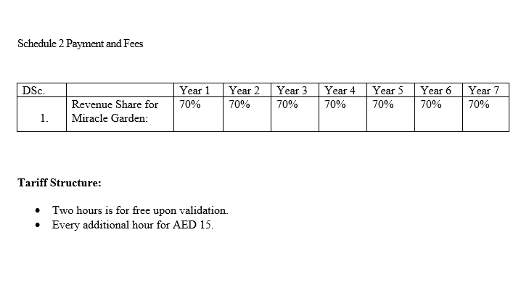

Costa Cafe
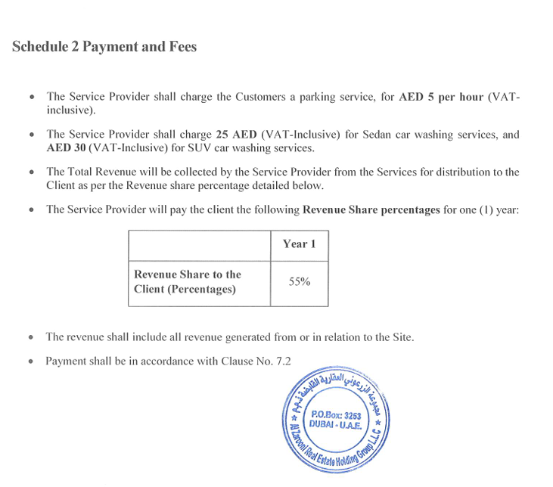

Al Quoz Mall
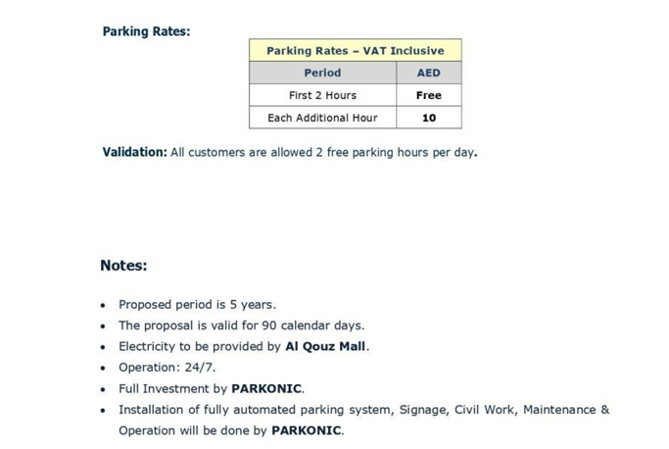

Dubai Sports City - Al Maya
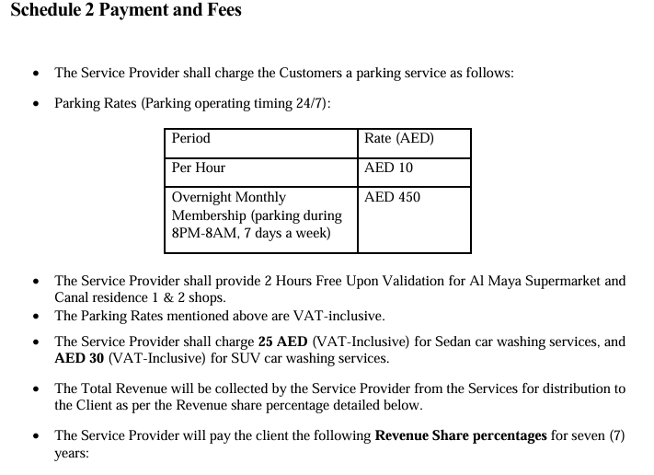

Dubai Harbour District 1 and2
