schedule pelaksanaan 4s
SCHEDULE PELAKSANAAN 4S LINE CAM SHAFT

NO | No.Kanban | Area | Ilusttrasi | Item Check | Control Point | Freq | Waktu | Shift | TOTAL ( Menit )
1 | C-02-09 | OIL PAN ,SHUTTER LINE B | 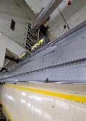 | 1.Bold | -KENCANG | DAILY | 2 | WHITE | 10
 |  |  |  | 2.Kebocoran | -TIDAK BOCOR | DAILY | 2 | WHITE
 |  |  |  | 3.Stand | -BERSIH | DAILY | 2 | WHITE
 |  |  |  | 4.Lantai | -BERSIH | DAILY | 4 | WHITE
2 | C-02-07 | OIL PAN ,SHUTTER LINE A | 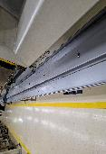 | 1.Bold | -KENCANG | DAILY | 2 | RED | 10
 |  |  |  | 2.Kebocoran | -TIDAK BOCOR | DAILY | 2 | RED
 |  |  |  | 3.Stand | -BERSIH | DAILY | 2 | RED
 |  |  |  | 4.Lantai | -BERSIH | DAILY | 4 | RED
3 | C-01-04 | LANTAI DALAM LINE | 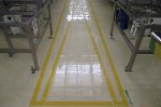 | 1.GARIS LINE | -TIDAK RUSAK | DAILY | 3 | WHITE | 18
 |  |  |  | 2.LANTAI | -BERSIH | DAILY | 15 | WHITE
 |  |  |  | 3.LABEL | -TIDAK RUSAK | DAILY | 2 | WHITE
4 | C-01-05 | LANTAI LUAR LINE B | 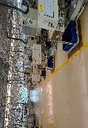 | 1.GARIS LINE | -TIDAK RUSAK | DAILY | 3 | RED | 18
 |  |  |  | 2.LANTAI | -BERSIH | DAILY | 15 | RED
 |  |  |  | 3.LABEL | -TIDAK RUSAK | DAILY | 2 | RED
5 | B-03-04 | LEMARI 4S ALL | 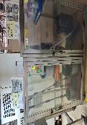 | 1.Bok/cover | -BERSIH | WEEKLY | 5 | WHITE | 15
 |  |  |  | 2.Lebel | -TIDAK RUSAK |  | 2 | WHITE
 |  |  |  | 3.Isi/stock | -ADA & TIDAK RUSAK |  | 3 | WHITE
 |  |  |  | 4.LANTAI | -BERSIH |  | 6 | WHITE
6 | A-01-01 | JALUR PEJALAN KAKI |  | 1.GARIS LINE | -TIDAK RUSAK | WEEKLY | 3 | WHITE | 10
 |  |  |  | 2.LABEL | -TIDAK RUSAK |  | 2 | WHITE
 |  |  |  | 3.LANTAI | -BERSIH |  | 5 | WHITE
7 | D-01-01 | LANTAI & KACA OASIS |  | 1.KACA | -BERSIH | WEEKLY | 10 | WHITE | 20
 |  |  |  | 2.LABEL | -TIDAK RUSAK |  | 2 | WHITE
 |  |  |  | 3.LANTAI | -BERSIH |  | 8 | WHITE
8 | B-03-01 | LEMARI OPERATING SUPPLY | 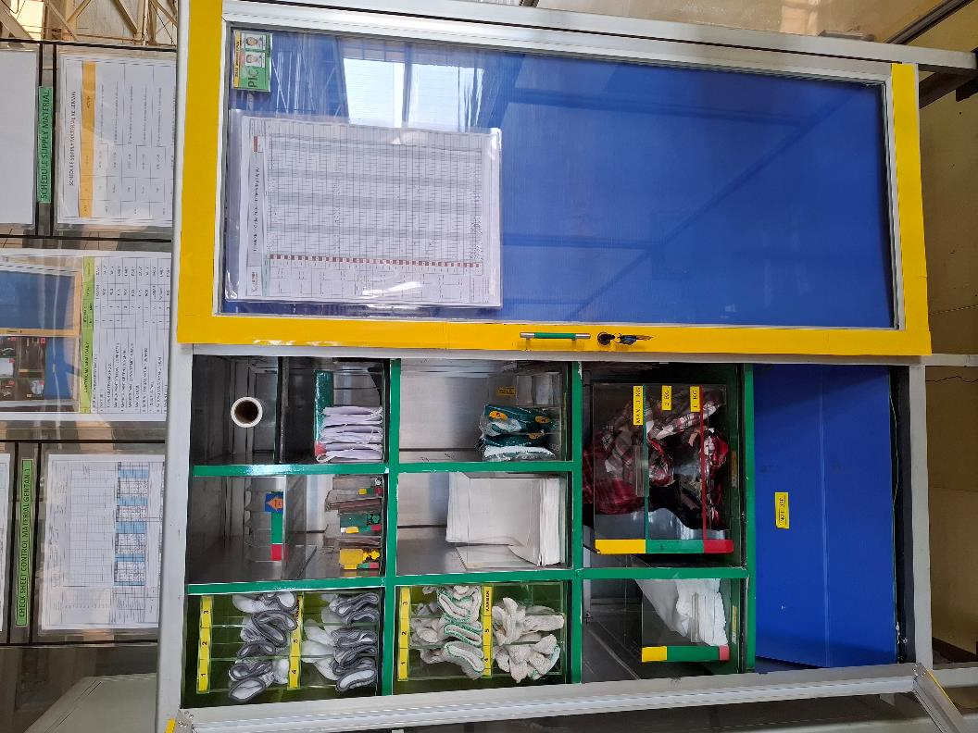 | 1.Body | -BERSIH | WEEKLY | 5 | WHITE | 17
 |  |  |  | 2.Isi | -ADA SESUAI LIST |  | 5 | WHITE
 |  |  |  | 3.Label | -TIDAK RUSAK |  | 2 | WHITE
 |  |  |  | 4.Sheet | -UPDATE |  | 3 | WHITE
 |  |  |  | 5.LANTAI | -BERSIH |  | 5 | WHITE
9 | B-04-01 | DOLLY GARDOSOL | 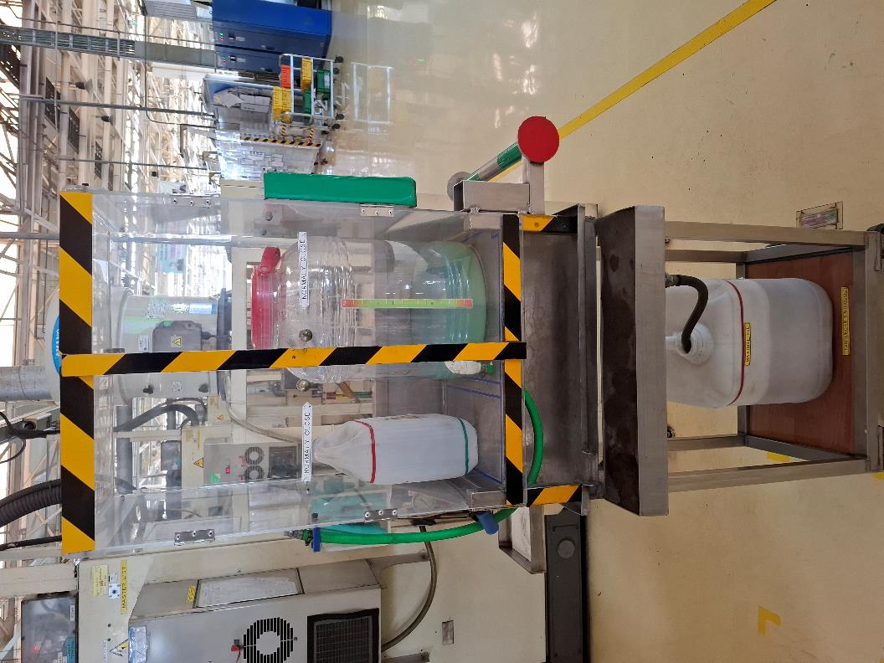 | 1.BODY | -BERSIH | WEEKLY | 5 | WHITE | 20
 |  |  |  | 2. GARDOSOL | -ADA |  | 5 | WHITE
 |  |  |  | 3.SHEET | -UPDATE |  | 3 | WHITE
 |  |  |  | 4.LABEL | -TIDAK RUSAK |  | 2 | WHITE
 |  |  |  | 5.LANTAI | -BERSIH |  | 5 | WHITE
 |  |  |  | 6.RODA&LOCK | -BERFUNGSI |  | 5 | WHITE
10 | C-01-03 | LABELLING&GARIS LINE ALL | 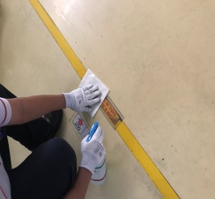 | 1.LABEL | -TIDAK RUSAK | WEEKLY | 2 | WHITE | 7
 |  |  |  | 2.GARIS LINE | -TIDAK RUSAK |  | 5 | WHITE
11 | C-04-01 | RAK CENTRAL TOOL |  | 1.Bok/cover | -BERSIH | WEEKLY | 5 | WHITE | 13
 |  |  |  | 2.Lebel | -TIDAK RUSAK |  | 2 | WHITE
 |  |  |  | 3.Isi/stock | -ADA & TIDAK RUSAK |  | 3 | WHITE
 |  |  |  | 4.LANTAI | -BERSIH |  | 5 | WHITE
12 | C-03-03 | AREA ROOM QC |  | 1.MEJA GAUGE | -BERSIH | WEEKLY | 10 | WHITE | 22
 |  |  |  | 2.SHEET | -UPDATE |  | 5 | WHITE
 |  |  |  | 3.LABEL | -TIDAK RUSAK |  | 3 | WHITE
 |  |  |  | 4.LANTAI | -BERSIH |  | 7 | WHITE
13 | C-02-15 | DOLLY BONGKAR&COVER MC LINE B |  | 1.RODA | -BERFUNGSI | WEEKLY | 3 | WHITE | 15
 |  |  |  | 2.COVER MC | -BERSIH |  | 10 | WHITE
 |  |  |  | 3.ROLL | -BERPUTAR |  | 5 | WHITE
 |  |  |  | 4.SHEET | -UPDATE |  | 2 | WHITE
14 | C-02-06 | COMP SCANER ALL | 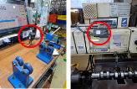 | 1.BODY | -BERSIH | WEEKLY | 5 | WHITE | 8
 |  |  |  | 2.LABEL | -TIDAK RUSAK |  | 3 | WHITE
15 | C-03-05 | MEJA FINISH CHECK | 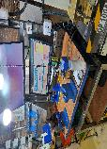 | 1.BODY | -BERSIH | WEEKLY | 5 | WHITE | 13
 |  |  |  | 2.STAND&ROLL | -BERSIH&BERFUNGSI |  | 5 | WHITE
 |  |  |  | 3.LABEL | -TIDAK RUSAK |  | 3 | WHITE
 |  |  |  | 4.LANTAI | -BERSIH |  | 5 | WHITE
16 | D-02-01 | LACI & MEJA GL |   | 1.MEJA | -BERSIH | WEEKLY | 5 | WHITE | 12
 |  |  |  | 2.COMPUTER | -BERFUNGSI |  | 3 | WHITE
 |  |  |  | 3.ISI LACI | -KOMPLIT SESUAI LIST |  | 5 | WHITE
 |  |  |  | 4.LABEL | - TIDAK RUSAK |  | 2 | WHITE
17 | D-01-04 | DISPENSER &RAK GELAS |  | 1.BODY | -BERSIH | WEEKLY | 5 | WHITE | 15
 |  |  |  | 2.RODA RAK | -BERFUNGSI |  | 5 | WHITE
 |  |  |  | 3.LABEL | -TIDAK RUSAK |  | 2 | WHITE
 |  |  |  | 4.LANTAI | -BERSIH |  | 5 | WHITE
18 | C-04-03 | DOLLY JISHUHOZEN | 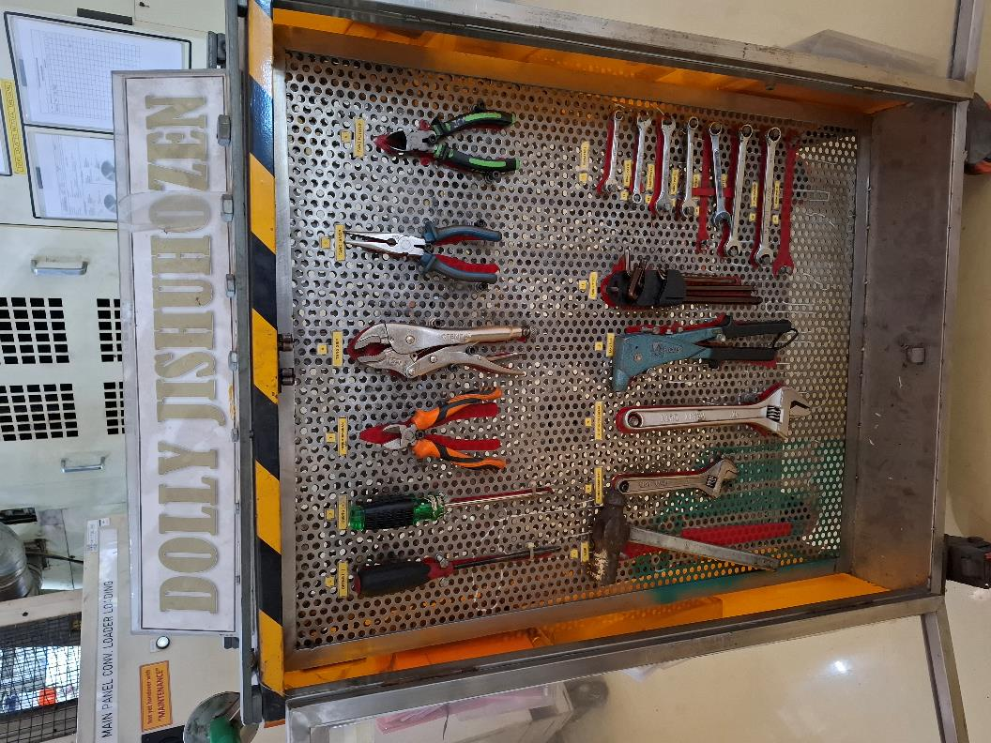 | 1.BODY | -BERSIH | WEEKLY | 5 | RED | 15
 |  |  |  | 2.RODA | -BERFUNGSI |  | 5 | RED
 |  |  |  | 3.ISI DOLLY | -KOMPLIT SESUAI LIST |  | 5 | RED
 |  |  |  | 4.SHEET | -UPDATE |  | 3 | RED
 |  |  |  | 5.LABEL | - TIDAK RUSAK |  | 2 | RED
 |  |  |  | 6.LANTAI | -BERSIH |  | 5 | RED
19 | D-01-03 | RAK SEPATU | 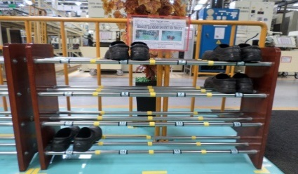 | 1.BODY | -BERSIH | WEEKLY | 5 | RED | 10
 |  |  |  | 2.LABEL | -TIDAK RUSAK |  | 2 | RED
 |  |  |  | 3.LANTAI | -BERSIH |  | 5 | RED
20 | A-02-01 | EYES WASHER | 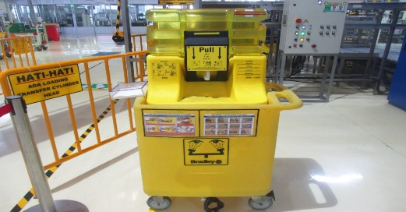 | 1.BODY | -BERSIH | WEEKLY | 5 | RED | 15
 |  |  |  | 2.KRAN | -BERFUNGSI |  | 3 | RED
 |  |  |  | 3.LEVEL AIR | -OK DI BATAS MAX |  | 2 | RED
 |  |  |  | 4.KEBOCORAN | -TIDAK BOCOR |  | 2 | RED
 |  |  |  | 5.LANTAI | -BERSIH |  | 5 | RED
21 | B-03-04 | LEMARI APD LG UP | 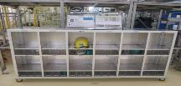 | 1.BODY | -BERSIH | WEEKLY | 5 | RED | 15
 |  |  |  | 2.ISI | -RAPIH |  | 3 | RED
 |  |  |  | 3.LAY OUT | -TIDAK RUSAK |  | 2 | RED
 |  |  |  | 4.LABEL | -TIDAK RUSAK |  | 2 | RED
 |  |  |  | 5.LANTAI | -BERSIH |  | 5 | RED
22 | C-02-02 | COVER MESIN LINE A | 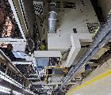 | 1.RODA | -BERFUNGSI | WEEKLY | 3 | RED | 15
 |  |  |  | 2.COVER MC | -BERSIH |  | 10 | RED
 |  |  |  | 3.ROLL | -BERPUTAR |  | 5 | RED
 |  |  |  | 4.SHEET | -UPDATE |  | 2 | RED
23 | C-04-04 | BACK UP BRUSH | 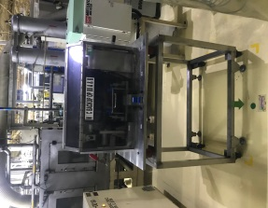 | 1.BODY | -BERSIH | WEEKLY | 5 | RED | 12
 |  |  |  | 2.STAND | -TIDAK AUS |  | 2 | RED
 |  |  |  | 3.LANTAI | -BERSIH |  | 5 | RED
24 | C-03-02 | MEJA CHECK CRACK |  | 1.BODY | -BERSIH | WEEKLY | 5 | RED | 13
 |  |  |  | 2.STAND | -TIDAK AUS |  | 2 | RED
 |  |  |  | 3.LANTAI | -BERSIH |  | 5 | RED
 |  |  |  | 4.SHEET | - UPDATE |  | 3 | RED
25 | B-02-01 | MEJA DEFFECT | 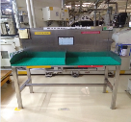 | 1.BODY | -BERSIH | WEEKLY | 5 | RED | 10
 |  |  |  | 2.STAND | -TIDAK AUS |  | 2 | RED
 |  |  |  | 3.LANTAI | -BERSIH |  | 5 | RED
 |  |  |  | 4.SHEET | - UPDATE |  | 3 | RED
26 | C-02-05 | KOMPRESOR ALL | 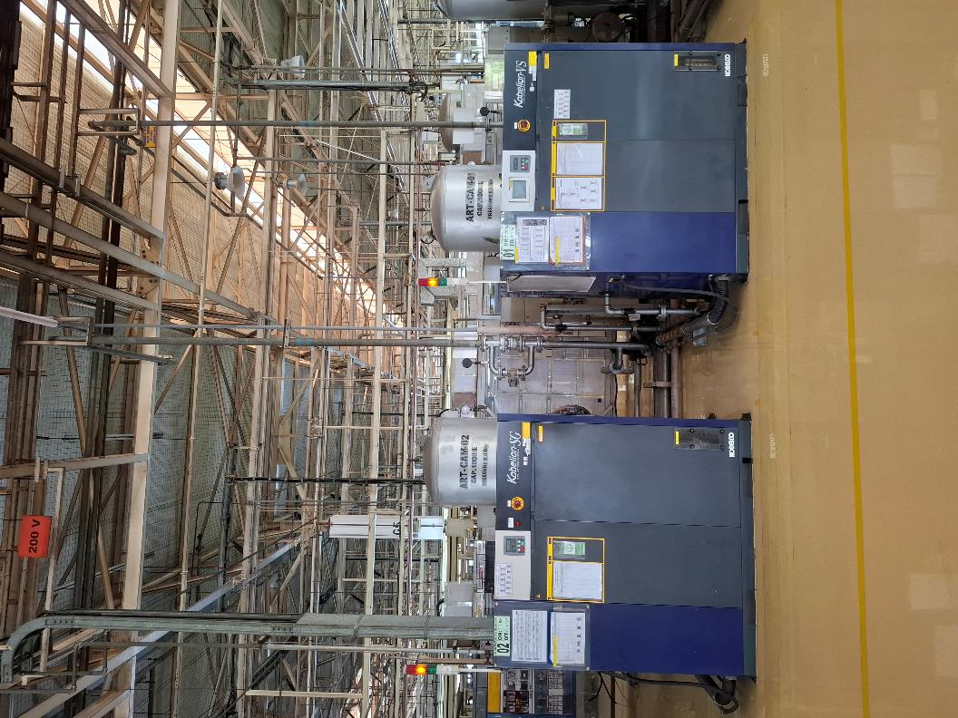 | 1.BODY | -BERSIH | WEEKLY | 5 | RED | 10
 |  |  |  | 2.KEBOCORAN | -TIDAK BOCOR |  | 3 | RED
 |  |  |  | 3.LANTAI | -BERSIH |  | 5 | RED
27 | C-03-06 | AREA MEJA LAPORAN FINISH | 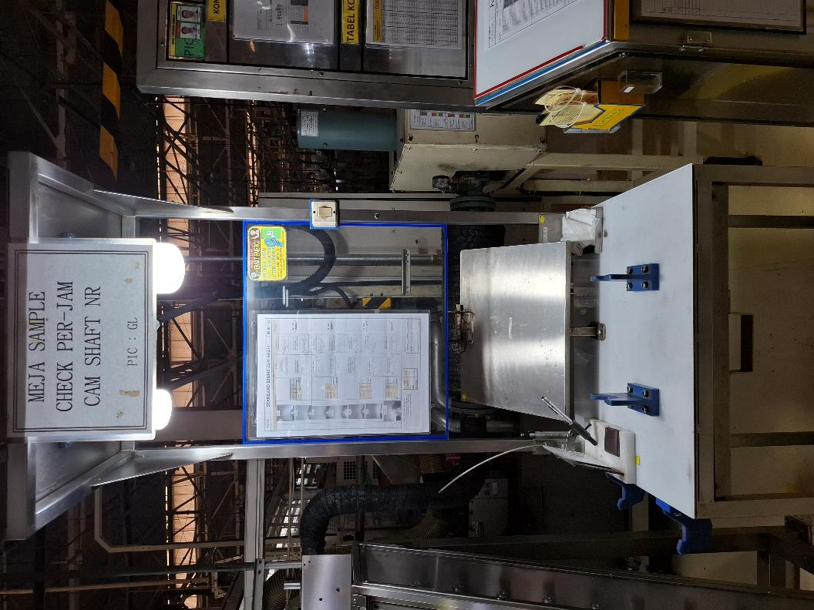 | 1.LABEL | -TIDAK RUSAK | WEEKLY | 3 | RED | 10
 |  |  |  | 2.LANTAI | -BERSIH |  | 5 | RED
 |  |  |  | 3.MEJA LAPORAN | -BERSIH |  | 5 | RED
28 | C-03-04 | DOLLY WORK IN LINE |  | 1.BODY | -BERSIH | WEEKLY | 5 | RED | 10
 |  |  |  | 2.RODA | -BERFUNGSI |  | 5 | RED
 |  |  |  | 3.LABEL | -TIDAK RUSAK |  | 3 | RED
29 | C-01-02 | KIPAS ANGIN IN LINE |  | 1.BODY | -BERSIH | MONTHLY | 1 BLN | RED | 180
 |  |  |  | 2.BALING BALING | '-BERFUNGSI |  |  | RED
30 | C-02-14 | RAK SMALL PART | 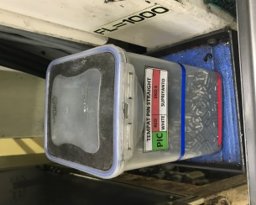 | 1.BODY | -BERSIH | MONTHLY | 3 BLN | RED | 50
31 | C-02-13 | PANEL ANDON |  | 1.BODY | -BERSIH | MONTHLY | 1 BLN | RED | 55
 |  |  |  | 2.LABEL | -TIDAK RUSAK |  |  | RED
 |  |  |  | 3.LANTAI | -BERSIH |  |  | RED
32 | D-01-02 | LAMPU EXHOUSE FAN & AC | 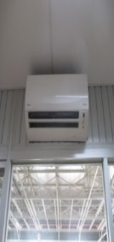 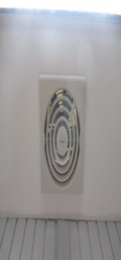 | 1.Bok/cover | -BERSIH | MONTHLY | 3 BLN | RED | 120
 |  |  |  | 2.Lampu | -BERSIH |  |  | RED
 |  |  |  | 3.Filter | -BERSIH |  |  | RED
 |  |  |  | 4.Pembuangan | -TIDAK MAMPET |  |  | RED
33 | C-02-10 | MC BACK UP PRESS PIN | 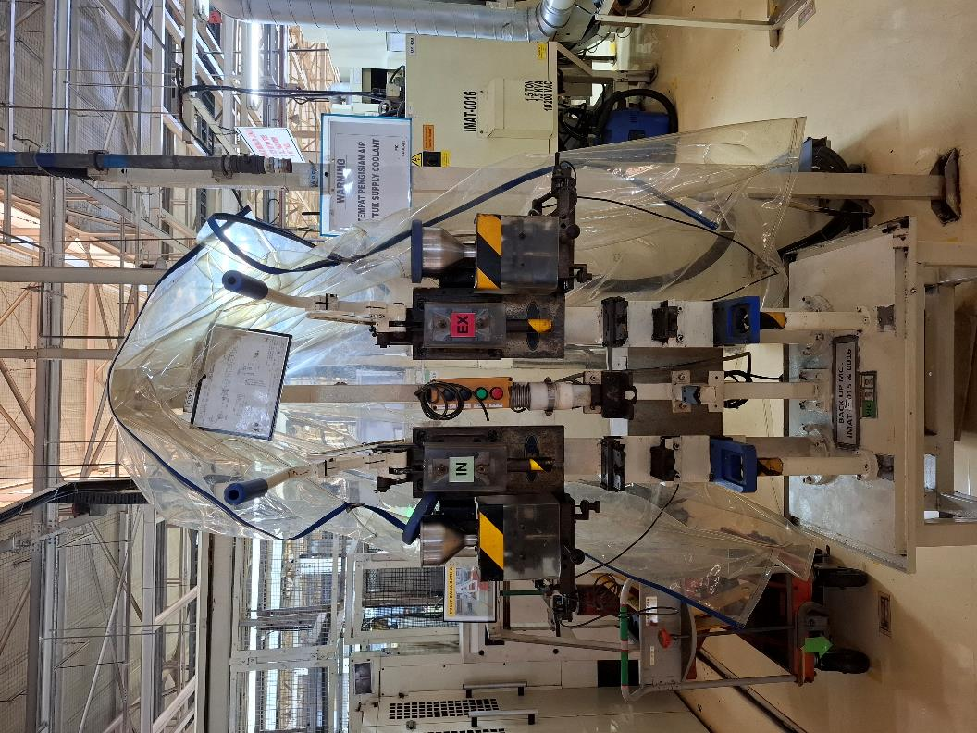 | 1.Cover mesin | -BERSIH | MONTHLY | 6BLN | RED | 115
 |  |  |  | 2.Wiring | -BERSIH |  |  | RED
 |  |  |  | 3.Jig mesin | -TIDAK AUS |  |  | RED
 |  |  |  | 4.Vacum | -BERFUNGSI |  |  | RED
 |  |  |  | 5.Dalam mesin | -BERSIH |  |  | RED
34 | C-02-17 | WORK SHEET MANAGEMENT | 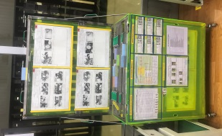 | 1.Stand,cover | -BERSIH | MONTHLY | 3BLN | RED | 80
 |  |  |  | 2.Sheet | -UPDATE |  |  | RED
 |  |  |  | 3.Lay out | -TIDAK RUSAK |  |  | RED
 |  |  |  | 4.Up Dating | -UPDATE |  |  | RED
35 | C-02-16 | RAK SHUTTER WORK FINISH | 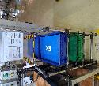 | 1.COVER | -BERSIH | MONTHLY | 3BLN | RED | 75
 |  |  |  | 2.STAND | -BERSIH |  |  | RED
 |  |  |  | 3.ISI/STOCK | -BERSIH |  |  | RED
 |  |  |  | 4.LANTAI | -BERSIH |  |  | RED
36 | C-02-01 | DOLLY BLANK MATERIAL | 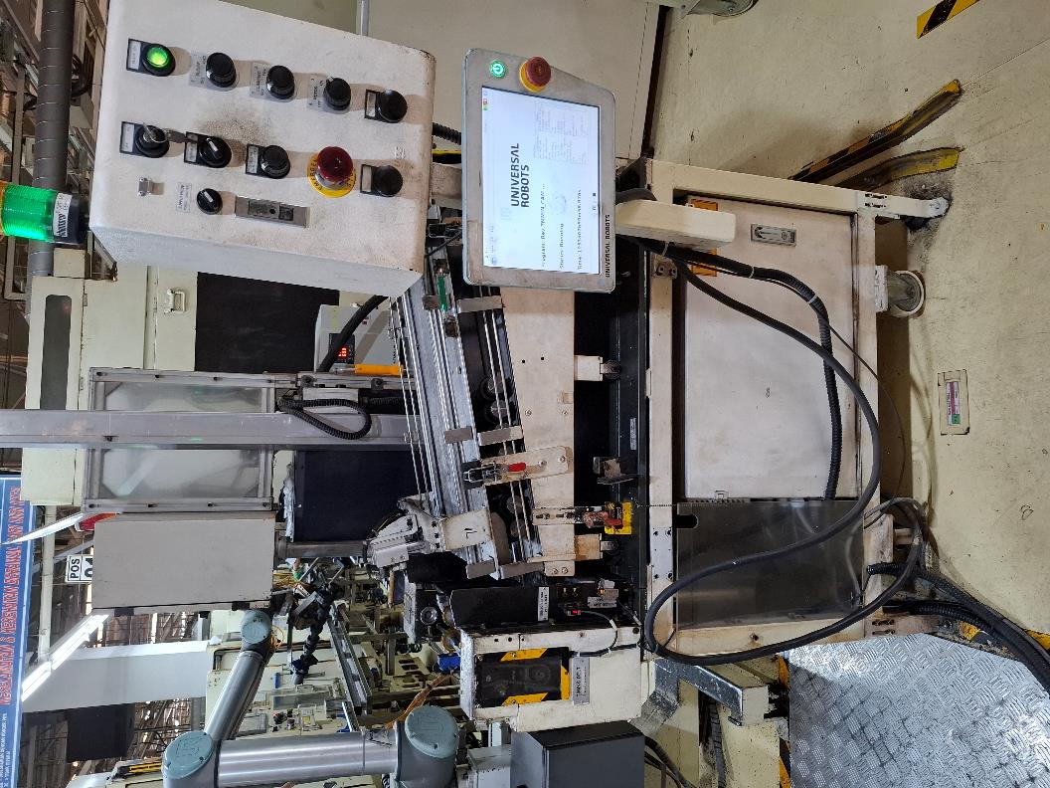 | 1.BODY | -BERSIH | MONTHLY | 1 BLN | WHITE | 150
 |  |  |  | 2.ROOL SHUTTER | -BERFUNGSI |  |  | WHITE
 |  |  |  | 3.LIFTER | -BERFUNGSI |  |  | WHITE
 |  |  |  | 4.RODA | -BERFUNGSI |  |  | WHITE
 |  |  |  | 5.LANTAI | -BERSIH |  |  | WHITE
37 | C-04-02 | RAK MASTER WORK | 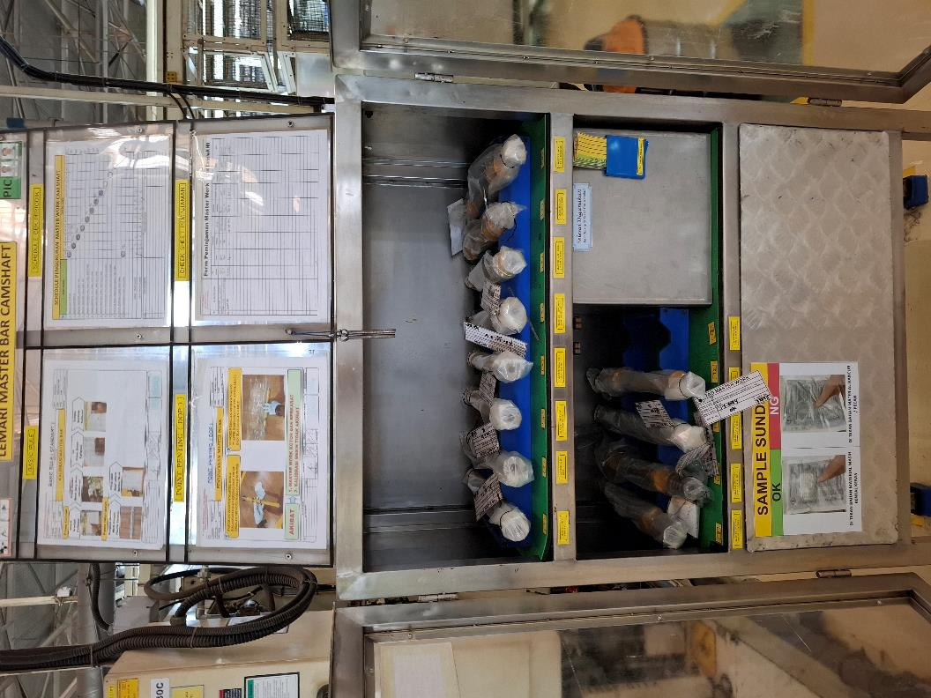 | 1.BODY | -BERSIH | MONTHLY | 1BLN | WHITE | 50
 |  |  |  | 2.STAND | -BERSIH |  |  | WHITE
 |  |  |  | 3.SHEET | -UPDATE |  |  | WHITE
 |  |  |  | 4.LANTAI | -BERSIH |  |  | WHITE
38 | C-01-01 | LAMPU IN LINE | 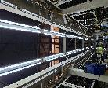 | 1.Bracket | -TIDAK PATAH | MONTHLY | 6BLN | WHITE | 180
 |  |  |  | 2.Bok lampu | -BERSIH |  |  | WHITE
 |  |  |  | 3.lampu | -MENYALA |  |  | WHITE
 |  |  |  | 4.Wairing | -RAPIH |  |  | WHITE
39 | C-02-04 | SHUTTER FLY FOX | 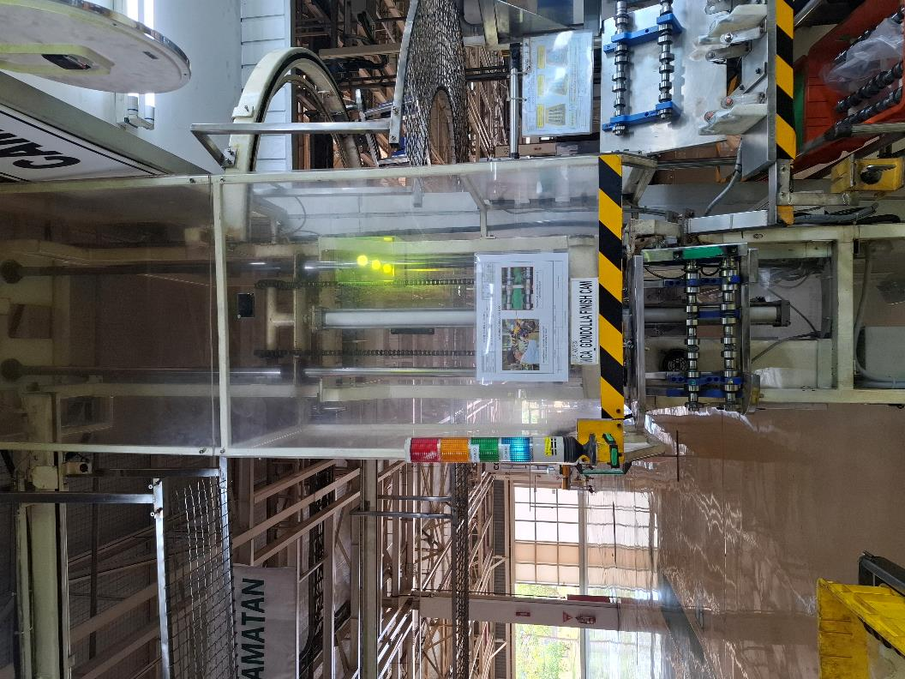 | 1.BODY | -BERSIH | MONTHLY | 3BLN | WHITE | 90
 |  |  |  | 2.STAND | -TIDAK AUS |  |  | WHITE
 |  |  |  | 3.RELL& RODA | -BERFUNGSI |  |  | WHITE
40 | C-02-18 | ROOM UPS | 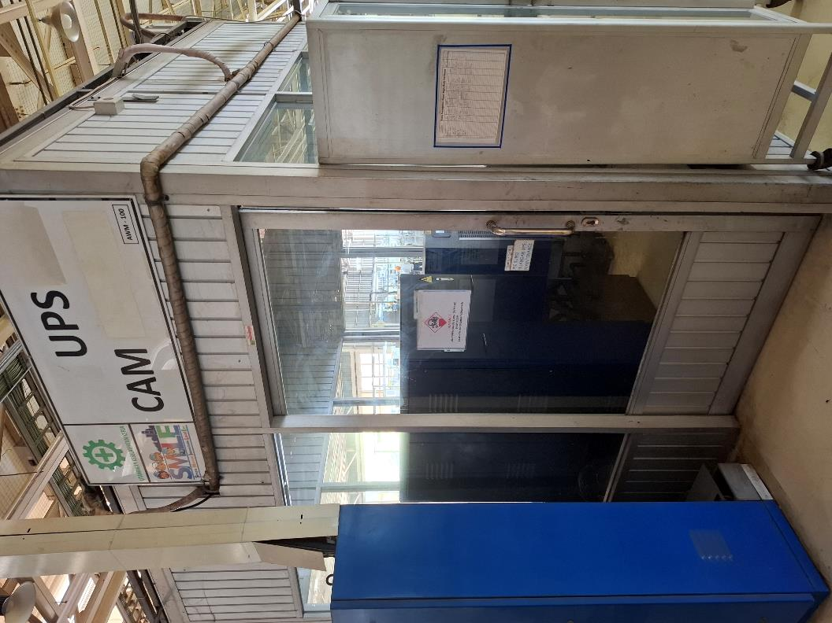 | 1.Kaca | -BERSIH | MONTHLY | 3BLN | WHITE | 115
 |  |  |  | 2.Lantai | -BERSIH |  |  | WHITE
 |  |  |  | 3.Body | -BERSIH |  |  | WHITE
 |  |  |  | 4.UPS | -BERSIH |  |  | WHITE
41 | C-05-01 | GL AKTIVITY BOARD | 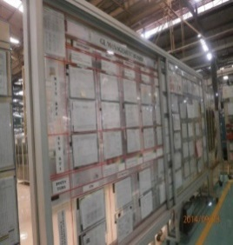 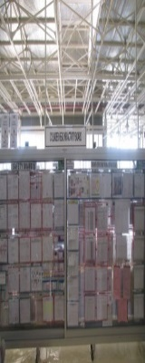 | 1.BODY | -BERSIH | MONTHLY | 1BLN | WHITE | 45
 |  |  |  | 2.SHEET | -UPDATE |  |  | WHITE
 |  |  |  | 3.LAMPU | -BERSIH |  |  | WHITE
 |  |  |  | 4.LANTAI & LAY OUT | -BERSIH |  |  | WHITE

ZONE 1
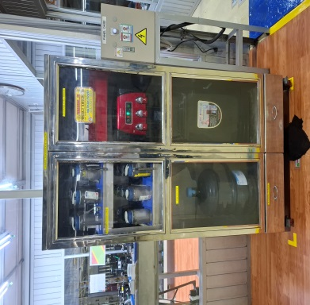
STANDART 4S GOLD LEVEL |  | ZONE 1

Eyes Washer | Lemari APD LG UP

Cover mesin Line A | Kipas angin in line

Oil Pan, Shutter Line B | Lemari Operating Supply

Doly blank Material

STANDART 4S GOLD LEVEL |  |  |  | ZONE 2

Oil Pan, Shutter Line A | Lantai Luar Line B |  | Labelling & Garis line All

Back Up Brush | Rak small part |  | Lemari 4S All

Panel andon | lampu exhouse fan dan ac |  | RAK MASTER WORK

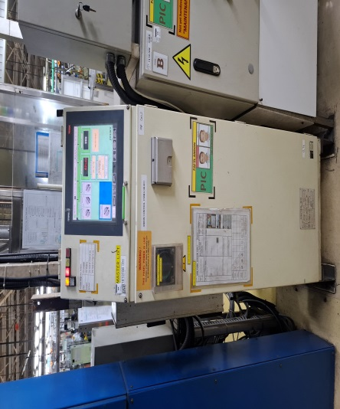 | 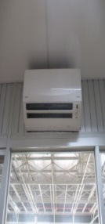 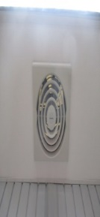

Doly Gardosol | Lampu IN line

STANDART 4S GOLD LEVEL |  | ZONE 3

Meja Check Crack | mc back up pres pin

Work sheet Management | Lantai dalam Line

GL Activity Board | Rak Central Tool

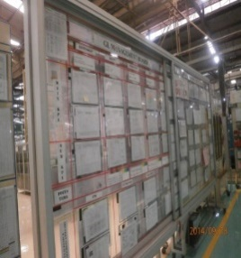 

Doly Bongkar cover MC | AREA ROOM QC

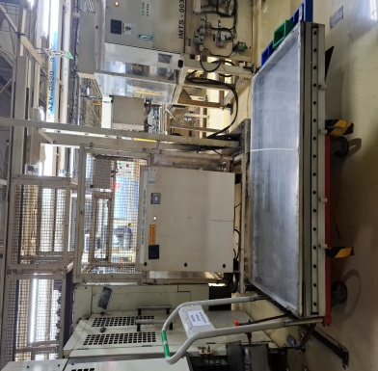 | 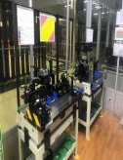

STANDART 4S GOLD LEVEL |  | ZONE 4

Dolly Jishuhozen | Meja Defect

Area meja laporan Finish | Rak shuter work finish

Jalur pejalan kaki | COMP SCANER all

Kompresor ALL | Shuter FLY Fox

Meja Finish Check

STANDART 4S GOLD LEVEL |  | ZONE 5

Rak Sepatu | Dolly Work in Line All

 | 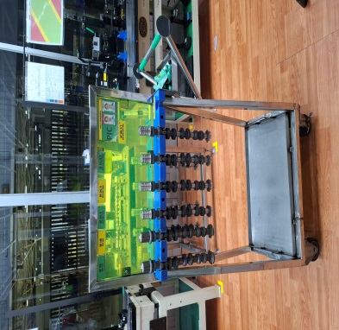

Lantai dan kaca Oasis | Laci dan meja GL

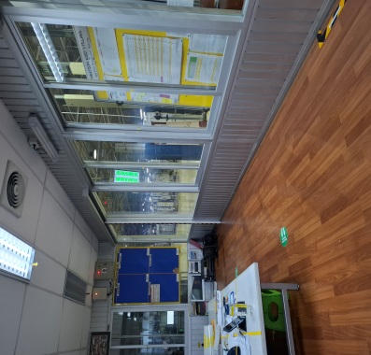

Dispenser & rak gelas | Room UPS

