KhanhDN
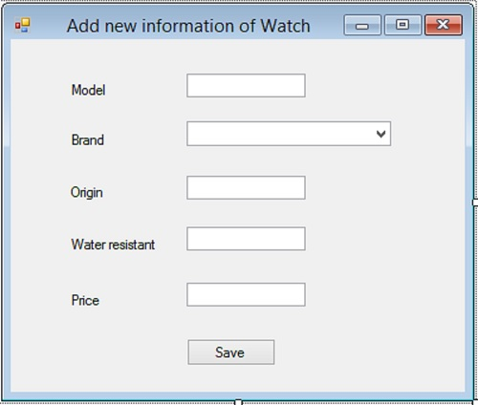
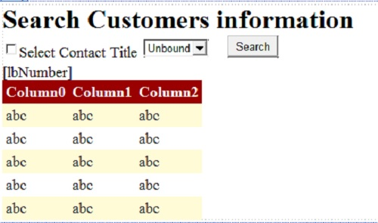
Q1 |  | Q2 | Q2
 | using System; |  |  | using System;
 | using System.Collections.Generic; |  |  | using System.Collections.Generic;
 | using System.ComponentModel; |  |  | using System.Linq;
 | using System.Data; |  |  | using System.Web;
 | using System.Drawing; |  |  | using System.Web.UI;
 | using System.Linq; |  |  | using System.Web.UI.WebControls;
 | using System.Text; |  |  | using System.Data.SqlClient;
 | using System.Windows.Forms; |  |  | using System.Data;
 | using System.Data.SqlClient;
 |  |  |  | namespace Q2
 | namespace Q1 |  |  | {
 | { |  |  | public partial class Question2 : System.Web.UI.Page
 | public partial class Form1 : Form |  |  | {
 | { |  |  | protected void Page_Load(object sender, EventArgs e)
 | public Form1() |  |  | {
 | { |  |  | if (!IsPostBack)
 | InitializeComponent(); |  |  | {
 | try |  |  | string strConn = "Server = localhost; database = Y12S2B3; Integrated Security = true";
 | { |  |  | DataSet ds = new DataSet();
 | DataSet ds = new DataSet(); |  |  | SqlConnection cn = new SqlConnection(strConn);
 | String con = "server=localhost;database=Y12S2B3; Integrated Security = true"; |  |  | SqlCommand cmd = new SqlCommand("select * from ContactTitles order by ContactTitle", cn);
 | SqlConnection cn = new SqlConnection(con); |  |  | SqlDataAdapter da = new SqlDataAdapter(cmd);
 | SqlCommand cmd = new SqlCommand("select * from Brands order by BrandName", cn); |  |  | da.Fill(ds);
 |  |  |  | ddContact.DataSource = ds.Tables[0];
 | cn.Open(); |  |  | ddContact.DataTextField = "ContactTitle";
 | SqlDataAdapter da = new SqlDataAdapter(cmd); |  |  | ddContact.DataValueField = "ContactTitleID";
 | da.Fill(ds); |  |  | ddContact.DataBind();
 | cn.Close();
 | cbBrand.DataSource = ds.Tables[0]; |  |  | }
 | cbBrand.DisplayMember = "BrandName"; |  |  | }
 | cbBrand.ValueMember = "BrandID";
 | } |  |  | protected void btSearch_Click(object sender, EventArgs e)
 | catch (Exception) |  |  | {
 | { |  |  | if (checkBox1.Checked == false)
 |  |  |  | {
 | return; |  |  | try
 | } |  |  | {
 | } |  |  | DataSet ds = new DataSet();
 |  |  |  | string strConn = "Data Source=localhost;Initial Catalog=Y12S2B3;Integrated Security=True";
 | private void btSave_Click(object sender, EventArgs e) |  |  | SqlConnection cn = new SqlConnection(strConn);
 | { |  |  | SqlDataAdapter da = new SqlDataAdapter("SELECT CustomerID, CompanyName, ContactName, ContactTitleID, Address, Phone, Fax" +
 | Boolean check = true; |  |  | " FROM Customers ORDER BY ContactTitleID", cn);
 |  |  |  | da.Fill(ds);
 | if (tbModel.Text.Length == 0)
 | { |  |  | DataView dv = new DataView(ds.Tables[0]);
 | MessageBox.Show("input value to Model textbox"); |  |  | gvContact.DataSource = dv;
 | check = false; |  |  | gvContact.DataBind();
 | } |  |  | gvContact.Visible = true;
 | if (tbOrigin.Text.Length == 0) |  |  | lbNumber.Text = "Number of Records: "+gvContact.Rows.Count.ToString();
 | { |  |  | }
 | MessageBox.Show("input value to Origin textbox"); |  |  | catch (Exception)
 | check = false; |  |  | {
 | }
 | if (tbWater.Text.Length == 0) |  |  | return;
 | { |  |  | }
 | MessageBox.Show("input value to Water resistant textbox"); |  |  | }
 | check = false; |  |  | else
 | } |  |  | {
 | if (tbPrice.Text.Length == 0) |  |  | try
 | { |  |  | {
 | MessageBox.Show("input value to Price textbox");
 | check = false; |  |  | DataSet ds = new DataSet();
 | } |  |  | string strConn = "Data Source=localhost;Initial Catalog=Y12S2B3;Integrated Security=True";
 |  |  |  | SqlConnection cn = new SqlConnection(strConn);
 |  |  |  | SqlCommand cmd = new SqlCommand("SELECT CustomerID, CompanyName, ContactName, ContactTitleID, Address, Phone, Fax" +
 | try |  |  | " FROM Customers WHERE ContactTitleID=@ContactTitleID ORDER BY ContactTitleID", cn);
 | { |  |  | cmd.Parameters.AddWithValue("@ContactTitleID",ddContact.SelectedValue);
 | double price = double.Parse(tbPrice.Text); |  |  | SqlDataAdapter da = new SqlDataAdapter(cmd);
 | if (price <= 0)
 | { |  |  | da.Fill(ds);
 | MessageBox.Show("Price must be numeric and greater than 0");
 | check = false; |  |  | DataView dv = new DataView(ds.Tables[0]);
 | } |  |  | gvContact.DataSource = dv;
 | } |  |  | gvContact.DataBind();
 | catch (Exception) |  |  | gvContact.Visible = true;
 | { |  |  | lbNumber.Text = "Number of Records: " + gvContact.Rows.Count.ToString();
 |  |  |  | }
 | MessageBox.Show("Price must be numeric and greater than 0"); |  |  | catch (Exception)
 | check = false; |  |  | {
 | }
 |  |  |  | return;
 | if (check == true) |  |  | }
 | { |  |  | }
 | string strConn = "Server = localhost; database =Y12S2B3; Integrated Security = true";
 | SqlConnection cn = new SqlConnection(strConn); |  |  | }
 | SqlCommand cmd = new SqlCommand("Insert into Watches(Model, BrandID, Origin, WaterResistant, Price) " + |  |  | }
 | "Values(@Model, @BrandID, @Origin, @WaterResistant, @Price)", cn); |  |  | }
 | cmd.Parameters.AddWithValue("@Model", tbModel.Text);
 | cmd.Parameters.AddWithValue("@BrandID", cbBrand.SelectedValue);
 | cmd.Parameters.AddWithValue("@Origin", tbOrigin.Text);
 | cmd.Parameters.AddWithValue("@WaterResistant", tbWater.Text);
 | cmd.Parameters.AddWithValue("@Price", double.Parse(tbPrice.Text));
 | cn.Open();
 | cmd.ExecuteNonQuery();
 | cn.Close();
 | MessageBox.Show("New information of Watch is added");
 | }

 | }
 | }
 | }

TaiLM
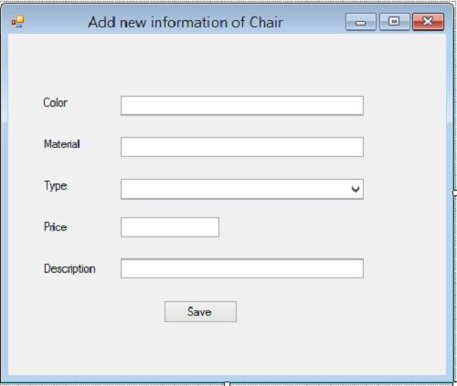
Q1
 | using System;
 | using System.Collections.Generic;
 | using System.ComponentModel;
 | using System.Data;
 | using System.Drawing;
 | using System.Linq;
 | using System.Text;
 | using System.Windows.Forms;
 | using System.Data.SqlClient;

 | namespace Question1
 | {
 | public partial class Form1 : Form
 | {
 | public Form1()
 | {
 | InitializeComponent();
 | SqlConnection cn = new SqlConnection("Data Source=KHJ;Initial Catalog=Y12S2B2;Integrated Security=True");
 | cn.Open();
 | SqlDataAdapter da = new SqlDataAdapter("select * from ChairTypes order by TypeName ",cn);
 | DataSet ds = new DataSet();
 | da.Fill(ds);
 | cbType.DataSource = ds.Tables[0];
 | cbType.DisplayMember = "TypeName";
 | cbType.ValueMember = "TypeID";
 | }

 | private void btSave_Click(object sender, EventArgs e)
 | {
 | String color;
 | String material;
 | double price;
 | String description;
 | if (tbColor.Text == "")
 | {
 | MessageBox.Show("Please enter values into color");
 | }
 | else {
 | color = tbColor.Text;
 | if (tbMaterial.Text == "") {
 | MessageBox.Show("Please enter values into Material");
 | }
 | else{
 | material = tbMaterial.Text;
 | if (tbPrice.Text == "")
 | {
 | MessageBox.Show("Please enter values into Price");
 | }
 | else {
 | try
 | {
 | price = double.Parse(tbPrice.Text);
 | if (price <= 0) {
 | Exception ex = new Exception("Please enter price>0");
 | throw ex;
 | }
 | if (tbDescription.Text == "")
 | {
 | MessageBox.Show("Please enter values into Description");
 | }
 | else
 | {
 | try
 | {
 | description = tbDescription.Text;
 | SqlConnection cn = new SqlConnection("Data Source=localhost;Initial Catalog=Y12S2B2;Integrated Security=True");
 | string sqlcmd = string.Format("insert into Chairs values('{0}','{1}',{2},{3},'{4}')", color, material, int.Parse(cbType.SelectedValue.ToString()), price, description);
 | SqlCommand cmd = new SqlCommand(sqlcmd, cn);
 | cn.Open();
 | cmd.ExecuteNonQuery();
 | cn.Close();
 | MessageBox.Show("New information of Chair is added");
 | }
 | catch (Exception ex)
 | {
 | MessageBox.Show(ex.Message);
 | }
 | }
 | }
 | catch (Exception ex) {
 | MessageBox.Show("Price : "+ex.Message);
 | }
 | }

 | }
 | }
 | }

 | }
 | }

