Master Product Spreadsheet
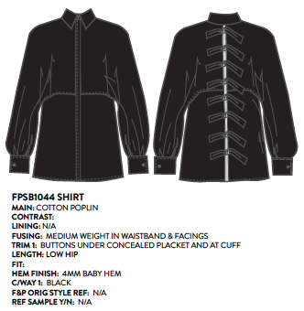
MASTER PRODUCT SPREADSHEET

CORE PRODUCT DETAILS |  |  |  |  |  |  |  |  |  |  |  |  |  |  |  |  |  |  | ADDITIONAL PRODUCT DETAILS |  |  |  |  |  | RECOMMENDED COLOURS |  |  |  |  | PRODUCT CUSTOMISATION DETAIL |  |  |  |  |  |  |  |  |  | STYLE QUIZ RANKINGS |  |  |  |  |  |  | BODY SHAPE |  |  |  |  |  |  | OPERATIONS DETAIL

STYLE # | PRODUCT NAME | PRODUCT REF IMAGE | RRP |  | DESCRIPTION | TAXON 1 | TAXON 2 | TAXON 3 | TAXON 4 | TAXON 5 | TAXON 6 | TAXON 7 | TAXON 8 | TAXON 9 | TAXON 10 | TAXON 11 | TAXON 12 | PRODUCT DETAILS (includes care instructions) | STYLING NOTES (one sentence) | FIT | SIZE | Height Mapping Count | FABRICS | WEIGHT | Colour 1 | Colour 2 | Colour 3 | Colour 4 | Colour 5 | COLOUR CUSTOMISATION? | AVAILABLE COLOURS | CUSTOMISATION #1 | RRP | CUSTOMISATION #2 | RRP | CUSTOMISATION #3 | RRP | CUSTOMISATION #4 | RRP | Glam | Girly | Classic | Edgy | Boho | Sexy | Fashion | Strawberry | Column | Athletic | Petite | Hourgalss | Pear | Apple | FACTORY | Short Description
 |  |  | AUD | USD

FP2319 | The Irina | 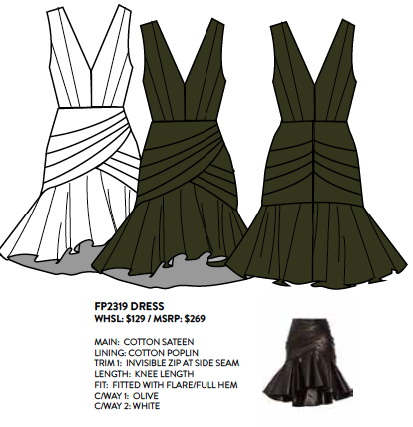 | 199 | 199 | Irina is cotton sateen knee-length dress with V neckline and backline. The dress has a fit and flare hem. | Knee | Cotton | Dress | V-neck | Backless | Daywear |  |  |  |  |  |  |  |  | Joanie wears a size AU6/US2 in tall length, and her measurements are: Bust: 86cm Waist: 61cm Hips: 89cm Height: 180cm | Skirt length: 61cm | 3 | Main: 97% cotton, 3% elastane cotton sateen Lining: 65% cotton, 35% polyester poplin Trim: Nylon invisible zip with hook & eye closure |  | Olive |  |  |  |  | y | Black, White, Pale Pink, Burgundy | Add flared sleeves | 9.99 | Raise front neckline | 9.99 | Make petti length | 9.99 | Add tie belt | 9.99 | 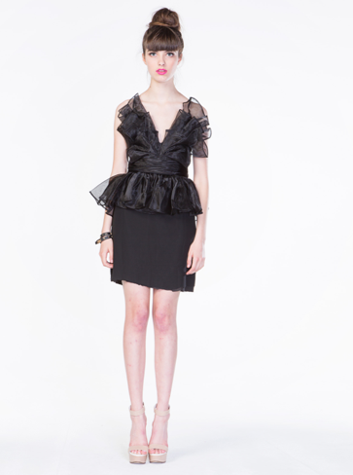 |  |  |  |  |  |  |  |  |  |  |  |  |  | Zhesi

