Master Product Spreadsheet
U.S. LAUNCH MASTER PRODUCT SPREADSHEET

CORE PRODUCT DETAILS |  |  |  |  |  |  |  |  |  |  | ADDITIONAL PRODUCT DETAILS |  |  |  | RECOMMENDED COLOURS |  |  |  |  | PRODUCT CUSTOMISATION DETAIL |  |  |  |  |  |  | EXPLORE FEATURES |  |  |  |  |  | STYLING TAB |  |  |  |  |  |  |  |  |  |  |  |  |  |  |  |  |  |  |  |  |  |  |  |  |  |  |  |  |  |  |  |  |  |  |  |  |  |  |  |  |  |  |  |  |  |  |  |  |  |  |  |  |  |  |  |  |  |  |  |  |  |  |  |  |  |  |  |  |  |  |  |  |  |  |  |  |  |  |  |  | STYLE QUIZ RANKINGS |  |  |  |  |  |  | BODY SHAPE |  |  |  |  |  |  | OPERATIONS DETAIL

STYLE # | PRODUCT NAME | PRODUCT REF IMAGE | RRP | DESCRIPTION | TAXON 1 | TAXON 2 | TAXON 3 | TAXON 4 | TAXON 5 | PRODUCT DETAILS (includes care instructions) | STYLING NOTES (one sentence) | SIZE & FIT (includes model measurements) | FABRICS | WEIGHT | Colour 1 | Colour 2 | Colour 3 | Colour 4 | Colour 5 | COLOUR CUSTOMISATION? | CUSTOMISATION #1 | RRP | CUSTOMISATION #2 | RRP | CUSTOMISATION #3 | RRP | Scent |  |  | Music Track Link | Song name | Stylist Inspiration Quote | Expanded Stylist Quote | Edgy Recommendations |  |  |  |  |  |  |  |  |  |  |  |  |  |  |  | Boho Recommendations |  |  |  |  |  |  |  |  |  |  |  |  |  |  |  | Glamour Recommendations |  |  |  |  |  |  |  |  |  |  |  |  |  |  |  | Girly Recommendations |  |  |  |  |  |  |  |  |  |  |  |  |  |  |  | Classic Recommendations |  |  |  |  |  |  |  |  |  |  |  |  |  |  |  | Glam | Girly | Classic | Edgy | Boho | Sexy | Fashion | Strawberry | Column | Athletic | Petite | Hourgalss | Pear | Apple | FACTORY | FACTORY ID | ACCOUNTING CODE |  | PRODUCT CODING | SHIPPING | Video id
 |  |  |  |  |  |  |  |  |  |  |  |  |  |  |  |  |  |  |  |  |  |  |  |  |  |  | Product Link | Scent Name | Brand Name |  |  |  |  | Product 1 |  |  |  | Product 2 |  |  |  | Product 3 |  |  |  | Product 4 |  |  |  | Product 1 |  |  |  | Product 2 |  |  |  | Product 3 |  |  |  | Product 4 |  |  |  | Product 1 |  |  |  | Product 2 |  |  |  | Product 3 |  |  |  | Product 4 |  |  |  | Product 1 |  |  |  | Product 2 |  |  |  | Product 3 |  |  |  | Product 4 |  |  |  | Product 1 |  |  |  | Product 2 |  |  |  | Product 3 |  |  |  | Product 4 |  |  |  |  |  |  |  |  |  |  |  |  |  |  |  |  |  |  |  | Revenue | COGS
 |  |  |  |  |  |  |  |  |  |  |  |  |  |  |  |  |  |  |  |  |  |  |  |  |  |  |  |  |  |  |  |  |  | Name | Description | Price | Link | Name | Description | Price | Link | Name | Description | Price | Link | Name | Description | Price | Link | Name | Description | Price | Link | Name | Description | Price | Link | Name | Description | Price | Link | Name | Description | Price | Link | Name | Description | Price | Link | Name | Description | Price | Link | Name | Description | Price | Link | Name | Description | Price | Link | Name | Description | Price | Link | Name | Description | Price | Link | Name | Description | Price | Link | Name | Description | Price | Link | Name | Description | Price | Link | Name | Description | Price | Link | Name | Description | Price | Link | Name | Description | Price | Link
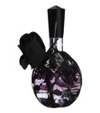






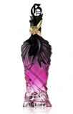



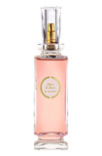








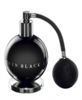

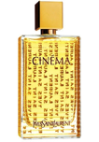




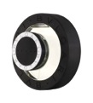
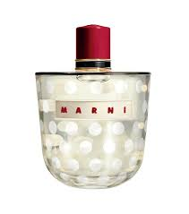
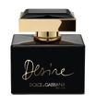
FPSS13010 |  |  | 149 |  |  |  |  |  |  |  |  |  |  |  |  |  |  |  |  |  |  |  |  |  |  |  |  |  |  | 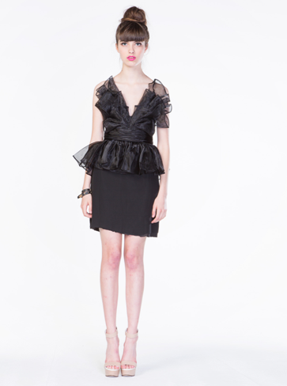
FPSS13012 |  |  | 149
FPSS13012 |  |  | 149
FPSS13051 |  |  | 169
FPSS13053 |  |  | 299
FPSS13054 |  |  | 229
FPSS13044 |  |  | 199
FPSS1305 |  |  | 249
1310023CL |  |  | 249
1310029CL |  |  | 249
1310007DL |  |  | 299
FPSS13020 |  |  | 189
4B034DL |  |  | 249
4B033CS |  |  | 129
4B006SS |  |  | 149
4B026SS |  |  | 169
4B047SS |  |  | 199
1310019CL |  |  | 199
4B024SL |  |  | 179
4B030SS |  |  | 149
FPSS13059 |  |  | 229
1310023CL |  |  | 229
FPSS13027 |  |  | 199
4B054 |  |  | 299
4B014SL |  |  | 169
1310001DL |  |  | 229
FPSS13063 |  |  | 169
FPSS13055 |  |  | 229
FPSS13043 |  |  | 249
4B034DL |  |  | 249
FPSS13053 |  |  | 299
FPSS13054 |  |  | 229
1310003S |  |  | 149
1310006L |  |  | 249
1310010S |  |  | 189
1310012L |  |  | 229
1310013L |  |  | 249
1310014L |  |  | 229
1310016L |  |  | 289
1310020L |  |  | 299
1310022L |  |  | 299
1310024L |  |  | 299
1310028L |  |  | 289
1310026L |  |  | 269
1310002L |  |  | 289
FPSS13001L |  |  | 199
4B046S |  |  | 149
FPSS13004L |  |  | 169
FPSS13017S |  |  | 149
FPSS13024L |  |  | 449
4B045S |  |  | 169
FPSS13028S |  |  | 169
FPSS13048L |  |  | 199
FPSS13022 |  |  | 249
FPSS13033S |  |  | 199
FPSS13016S |  |  | 149
FPSS13006L |  |  | 149
FPSS13029 |  |  | 199
4B052 |  |  | 199
FPSS13037S |  |  | 149
4B053 |  |  | 249
FPSS13058L |  |  | 249
FPSS13062L |  |  | 249
4B027S |  |  | 169
4B028L |  |  | 249
4B031L |  |  | 249
4B035L |  |  | 399
4B001L |  |  | 249
4B005S |  |  | 149
4B007L |  |  | 249
4B021S |  |  | 149
4B003S |  |  | 149
4B018L |  |  | 199
4B022S |  |  | 179

4B049S |  |  | 169
4B009L |  |  | 299

4B048SL |  |  | 249
4B016DL |  |  | 299
4B051S |  |  | 229
4B020L |  |  | 249
FPSS13003L
4B055S
4B040L
4B041L
4B002L |  |  | 199
4B012L |  |  | 289
4B008S

