Welcome
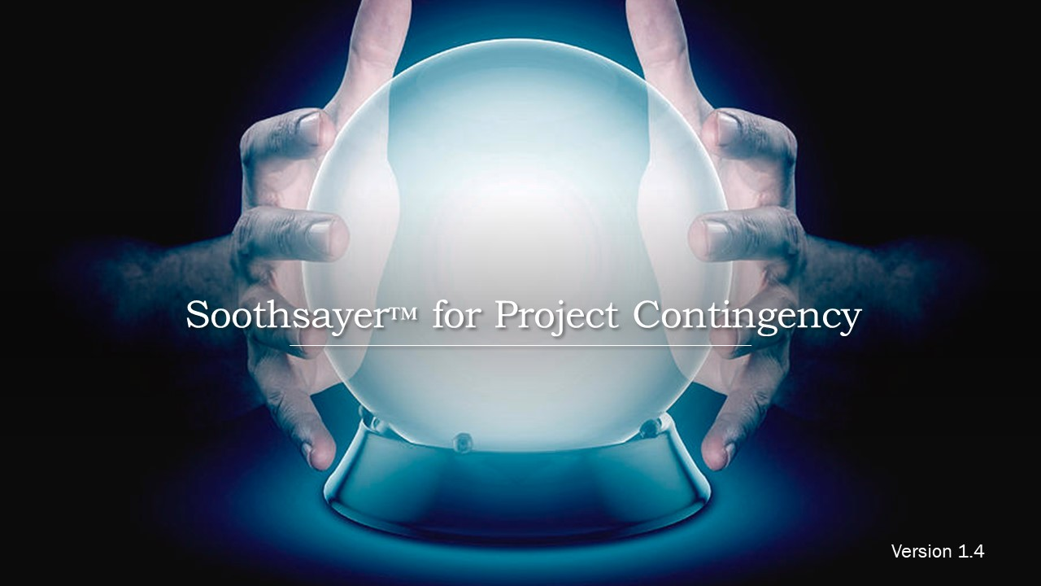

Version 1.4 – © 2016-2020, William W. Davis, MSPM, PMP
Download more FREE Statistical PERT® templates at https://www.statisticalpert.com
Watch a Pluralsight course on Statistical PERT® Normal Edition
Watch Statistical PERT videos on YouTube
Connect with or follow William W. Davis on LinkedIn
Subscribe to the SPERT® newsletter for monthly tips, free webinars, and new release notifications
Soothsayer™ is a free spreadsheet file; you can redistribute it and/or modify it under the terms of the
GNU General Public License as published by the Free Software Foundation, either version 3 of the License,
or (at your option) any later version. Soothsayer™ is a non-federally-registered trademark. If you modify
this spreadsheet in any material way, please remove this trademarked name from the modified spreadsheet.
On both verbatim and modified copies of this file, you must always retain the original copyright notice,
including the author's name, copyright year, and a notice that this file is licensed under the GNU General Public License.

This file is distributed in the hope that it will be useful, but WITHOUT ANY WARRANTY;
without even the implied warranty of MERCHANTABILITY or FITNESS FOR A PARTICULAR PURPOSE.
See the GNU General Public License for more details (http://www.gnu.org/licenses/).

