Welcome!
Welcome to Statistical PERT® Normal Edition

Statistical PERT® (SPERT®) is a freely licensed, probabilistic, estimation technique. Use Statistical PERT | All models are wrong, but some are useful.
to estimate uncertainties that have bell-shaped risk properties, like: task duration, work effort, | George E. P. Box, British statistician (1919-2013)
revenue, expenses, agile story points, project portfolios, event attendance, and more.

Statistical PERT® Normal Edition uses Excel's two normal distribution functions, NORM.DIST and | Facts are stubborn things, but statistics are pliable.
NORM.INV to model mild-to-moderately skewed uncertainties. To model a wider range of | Mark Twain, American humorist (1835-1910)
bell-shaped uncertainties, try Statistical PERT® Beta Edition which uses Excel's two beta
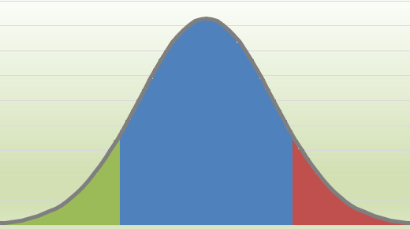
distribution functions, BETA.DIST and BETA.INV. It's freely licensed, too!

This example workbook is intended to help you quickly get started. You can also download
a Quick Start guide for Statistical PERT® Normal Edition. The Quick Start guide explains the
essential things you need to know to use this Statistical PERT® Normal Edition spreadsheet.
All Statistical PERT downloads share the same three steps for making a probablistic estimate:

1) Create a 3-point estimate (minimum, most likely, maximum)
2) Render a subjective judgment about the most likely outcome
3) Select any probabilistic planning estimate, or make a risk-based forecast

If you have any questions, suggestions, or comments, I'd love to hear from you! | New with Version 3 -- Dynamic, tri-colored, bell-shaped curves!
Contact me!
 | Plus:
Version 3.0.3 – © 2015-2019, William W. Davis, MSPM, PMP | - New! Super Simple SPERT worksheet
Download more FREE Statistical PERT® templates at https://www.statisticalpert.com | - New! Line Sparklines to visualize the 3-point uncertainty of every row
Watch a Pluralsight course on Statistical PERT® Normal Edition | - Enhanced! Agile forecasting using up to three scenarios
Watch Statistical PERT videos on YouTube | - A link to a brand-new Pluralsight course on estimating using SPERT
Connect with or follow William W. Davis on LinkedIn
Follow Statistical PERT on Twitter to learn when new updates are released
Statistical PERT® is a free spreadsheet file; you can redistribute it and/or modify it under the terms of the
GNU General Public License as published by the Free Software Foundation, either version 3 of the License,
or (at your option) any later version. Statistical PERT® and SPERT® are federally-registered trademarks. If you modify
this spreadsheet in any material way, please remove these trademarked names from the modified spreadsheet.
On both verbatim and modified copies of this file, you must always retain the original copyright notice,
including the author's name, copyright year, and a notice that this file is licensed under the GNU General Public License.

This file is distributed in the hope that it will be useful, but WITHOUT ANY WARRANTY;
without even the implied warranty of MERCHANTABILITY or FITNESS FOR A PARTICULAR PURPOSE.
See the GNU General Public License for more details (https://www.gnu.org/licenses/).

Practice Forecasting
Statistical PERT® (SPERT®) Normal Edition - Practice Forecasting

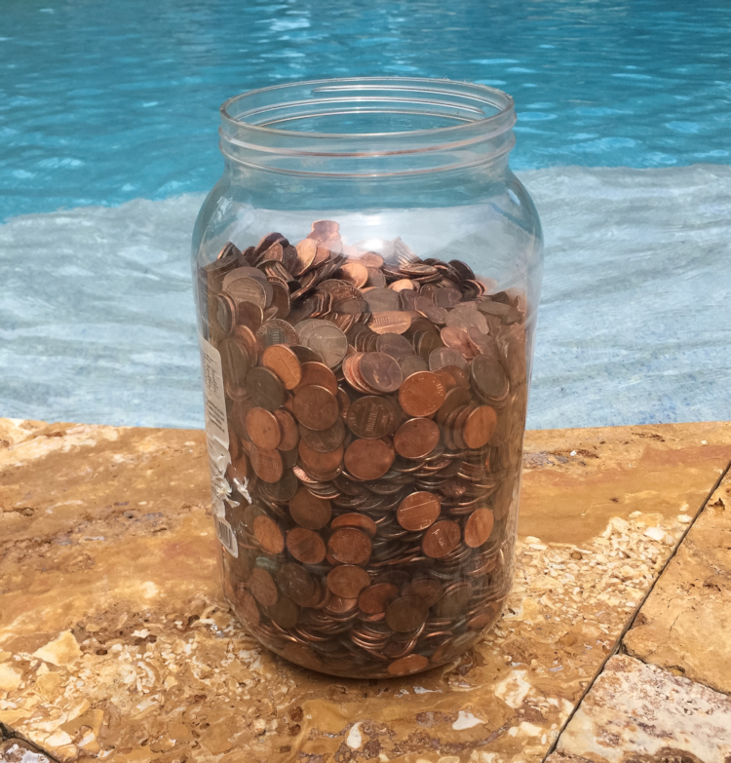
 | Practice forecasting! How many pennies are in this jar?

 | Use the "Super Simple SPERT®" worksheet to create your first forecast!
 | First, estimate the most likely number of pennies in the jar, and enter your estimate into cell C4. This is your anchor estimate.
 | Second, estimate the minimum possible number of pennies in the jar, and enter your estimate into cell C3.
 | Third, estimate the maximum possible number of pennies in the jar, and enter your estimate into cell C5.
 | Your most likely estimate should be approximately midway between your minimum and maximum estimates.
 | Fourth, choose a subjective judgment (in cell C9) about HOW LIKELY your "most likely" will be close to the actual count.
 | Fifth, enter a planning estimate in cell 12. Choose any number between your minimum and maximum estimates.

 | Now see if you can answer questions like these by forecasting:
 | - How probable is the actual number of pennies in the jar less than your planning estimate?
 | - How probable is the actual number of pennies in the jar greater than your planning estimate?
 | - If I sell the jar for $30 (change the planning estimate to 3000), what is the chance I'll make a profit? What if I sell for $40? $50? $60?
 | - What is the 50/50 estimate (that is, 50% likely the true value is less than the 50/50 estimate, and 50% likely it is more)?
 | - If I told you that the jar contains not less than 2000 pennies and not more than 8000 pennies, would your forecast change? How?

 | An estimate is somebody's idea about the true value of something unknown.
 | A prediction is somebody's single idea about the true value of something unknown.
 | A forecast is somebody's varied idea about the true value of something unknown.
 | A forecast creates a range of possibilities with associated probabilities of occurrence.

 | Want to know the actual number of pennies in this jar? Unhide rows 26-35 ↓↓↓

Version 3.0.3 – © 2015-2019, William W. Davis, MSPM, PMP
Download more FREE Statistical PERT® templates at https://www.statisticalpert.com
Watch a Pluralsight course on Statistical PERT® Normal Edition
Watch Statistical PERT videos on YouTube
Connect with or follow William W. Davis on LinkedIn
Follow Statistical PERT on Twitter to learn when new updates are released
Statistical PERT® is a free spreadsheet file; you can redistribute it and/or modify it under the terms of the
GNU General Public License as published by the Free Software Foundation, either version 3 of the License,
or (at your option) any later version. Statistical PERT® and SPERT® are federally-registered trademarks. If you modify
this spreadsheet in any material way, please remove these trademarked names from the modified spreadsheet.
On both verbatim and modified copies of this file, you must always retain the original copyright notice,
including the author's name, copyright year, and a notice that this file is licensed under the GNU General Public License.

This file is distributed in the hope that it will be useful, but WITHOUT ANY WARRANTY;
without even the implied warranty of MERCHANTABILITY or FITNESS FOR A PARTICULAR PURPOSE.
See the GNU General Public License for more details (https://www.gnu.org/licenses/).

SPERT® Normal (1-Point entry)
 | Statistical PERT® (SPERT®) Normal Edition |  |  |  |  |  |  |  |  | Show Left-Side Area |  | Show the likelihood that the SPERT estimates will be EQUAL TO or GREATER THAN an uncertainty
 | -50% | << Heuristics >> | 100% |  |  |  |  |  |  | Planning Estimate | SPERT Probability | SPERT Probabilistic Estimates
ID | Minimum | Most Likely | Maximum |  |  | PERT Mean | Most Likely Confidence | Curve | SPERT SD |  |  | 10% | 90% | 85% | 80% | 75% | 50% | ← Columns U through HO are hidden; they are used to create Sparklines and the bell-curve bar chart
1
2
3
4
5
6
7
8
9
10
 | 0 | 0 | 0 |  |  | 0 |  |  |  |  |  | 0 | 0 | 0 | 0 | 0 | 0

 | Do not show currency formatting |  |  |  |  |  |  |  | Whole project or portfolio planning estimate

After you finish entering your estimates above, use this area to calculate the probability of all uncertainties together. This is especially useful for creating a forecast for an entire project, for example.
Choose the confidence you want for the confidence interval in cell D108, and/or choose the confidence lower and upperbound thresholds in cells D112 and D113.
 |  | With | 80% | confidence
 |  | The lowerbound threshold is
 |  | and the upperbound threshold is
 | 0%
 | 0%
 | 0%
 |  | Between a lowerbound value of |  |  | Miss the pie
 |  | and an upperbound value of |  |  | chart? Press
 |  | the range probability is |  |  | CTRL and 6
 |  | The lowerbound area covers |  |  | to show the
 |  | and the upperbound area covers |  |  | pie chart

Normal Distribution of All Rows Combined
 | 0 | 0 | 0 | 0
 | 0 | 0 | 0 | 0
 | 0 | 0 | 0 | 0
 | 0 | 0 | 0 | 0
 | 0 | 0 | 0 | 0
 | 0 | 0 | 0 | 0
 | 0 | 0 | 0 | 0
 | 0 | 0 | 0 | 0
 | 0 | 0 | 0 | 0
 | 0 | 0 | 0 | 0
 | 0 | 0 | 0 | 0
 | 0 | 0 | 0 | 0
 | 0 | 0 | 0 | 0
 | 0 | 0 | 0 | 0
 | 0 | 0 | 0 | 0
 | 0 | 0 | 0 | 0
 | 0 | 0 | 0 | 0
 | 0 | 0 | 0 | 0
 | 0 | 0 | 0 | 0
 | 0 | 0 | 0 | 0
 | 0 | 0 | 0 | 0
 | 0 | 0 | 0 | 0
 | 0 | 0 | 0 | 0
 | 0 | 0 | 0 | 0
 | 0 | 0 | 0 | 0
 | 0 | 0 | 0 | 0
 | 0 | 0 | 0 | 0
 | 0 | 0 | 0 | 0
 | 0 | 0 | 0 | 0
 | 0 | 0 | 0 | 0
 | 0 | 0 | 0 | 0
 | 0 | 0 | 0 | 0
 | 0 | 0 | 0 | 0
 | 0 | 0 | 0 | 0
 | 0 | 0 | 0 | 0
 | 0 | 0 | 0 | 0
 | 0 | 0 | 0 | 0
 | 0 | 0 | 0 | 0
 | 0 | 0 | 0 | 0
 | 0 | 0 | 0 | 0
 | 0 | 0 | 0 | 0
 | 0 | 0 | 0 | 0
 | 0 | 0 | 0 | 0
 | 0 | 0 | 0 | 0
 | 0 | 0 | 0 | 0
 | 0 | 0 | 0 | 0
 | 0 | 0 | 0 | 0
 | 0 | 0 | 0 | 0
 | 0 | 0 | 0 | 0
 | 0 | 0 | 0 | 0
...

 | To use this template:
 | 1) Create a 3-point estimate under the Minimum, Most Likely, and Maximum columns
 | 2) Render a subjective judgment about how likely the Most Likely outcome is, under the Most Likely Confidence column
 | 3) Examine the SPERT probabilistic estimates for various confidence levels
 | Note: NORM.DIST and NORM.INV functions use the mean (i.e., the PERT expected value) which impliies probabilistic symmetry.

 | Optionally:
 | Enter any desired estimate under the Planning Estimate column to find the SPERT probability for the planning estimate

 | Version 3.0.3 – © 2015-2019, William W. Davis, MSPM, PMP
 | Download more FREE Statistical PERT® templates at https://www.statisticalpert.com
 | Watch a Pluralsight course on Statistical PERT® Normal Edition
 | Watch Statistical PERT videos on YouTube
 | Connect with or follow William W. Davis on LinkedIn
 | Follow Statistical PERT on Twitter to learn when new updates are released
 | Statistical PERT® is a free spreadsheet file; you can redistribute it and/or modify it under the terms of the
 | GNU General Public License as published by the Free Software Foundation, either version 3 of the License,
 | or (at your option) any later version. Statistical PERT® and SPERT® are federally-registered trademarks. If you modify
 | this spreadsheet in any material way, please remove these trademarked names from the modified spreadsheet.
 | On both verbatim and modified copies of this file, you must always retain the original copyright notice,
 | including the author's name, copyright year, and a notice that this file is licensed under the GNU General Public License.

 | This file is distributed in the hope that it will be useful, but WITHOUT ANY WARRANTY;
 | without even the implied warranty of MERCHANTABILITY or FITNESS FOR A PARTICULAR PURPOSE.
 | See the GNU General Public License for more details (https://www.gnu.org/licenses/).

SPERT® Normal (3-Point entry)
 | Statistical PERT® (SPERT®) Normal Edition |  |  |  |  |  |  |  |  | Show Left-Side Area |  | Show the likelihood that the SPERT estimates will be EQUAL TO or GREATER THAN an uncertainty
 |  |  |  |  |  |  |  |  |  | Planning Estimate | SPERT Probability | SPERT Probabilistic Estimates
ID | Minimum | Most Likely | Maximum |  |  | PERT Mean | Most Likely Confidence | Curve | SPERT SD |  |  | 10% | 90% | 85% | 80% | 75% | 70% | ← Columns U through HO are hidden; they are used to create Sparklines and the bell-curve bar chart
1
2
3
4
5
6
7
8
9
10
 | 0 | 0 | 0 |  |  | 0 |  |  |  |  |  | 0 | 0 | 0 | 0 | 0 | 0

 | Do not show currency formatting |  |  |  |  |  |  |  | Whole project or portfolio planning estimate

After you finish entering your estimates above, use this area to calculate the probability of all uncertainties together. This is especially useful for creating a forecast for an entire project, for example.
Choose the confidence you want for the confidence interval in cell D108, and/or choose the confidence lower and upperbound thresholds in cells D112 and D113.
 | 0%
 | 0%
 | 0%
 |  | With | 80% | confidence
 |  | The lowerbound threshold is
 |  | and the upperbound threshold is

 |  | Between a lowerbound value of |  |  | Miss the pie
 |  | and an upperbound value of |  |  | chart? Press
 |  | the range probability is |  |  | CTRL and 6
 |  | The lowerbound area covers |  |  | to show the
 |  | and the upperbound area covers |  |  | pie chart
Normal Distribution of All Rows Combined
 | 0 | 0 | 0 | 0
 | 0 | 0 | 0 | 0
 | 0 | 0 | 0 | 0
 | 0 | 0 | 0 | 0
 | 0 | 0 | 0 | 0
 | 0 | 0 | 0 | 0
 | 0 | 0 | 0 | 0
 | 0 | 0 | 0 | 0
 | 0 | 0 | 0 | 0
 | 0 | 0 | 0 | 0
 | 0 | 0 | 0 | 0
 | 0 | 0 | 0 | 0
 | 0 | 0 | 0 | 0
 | 0 | 0 | 0 | 0
 | 0 | 0 | 0 | 0
 | 0 | 0 | 0 | 0
 | 0 | 0 | 0 | 0
 | 0 | 0 | 0 | 0
 | 0 | 0 | 0 | 0
 | 0 | 0 | 0 | 0
 | 0 | 0 | 0 | 0
 | 0 | 0 | 0 | 0
 | 0 | 0 | 0 | 0
 | 0 | 0 | 0 | 0
 | 0 | 0 | 0 | 0
 | 0 | 0 | 0 | 0
 | 0 | 0 | 0 | 0
 | 0 | 0 | 0 | 0
 | 0 | 0 | 0 | 0
 | 0 | 0 | 0 | 0
 | 0 | 0 | 0 | 0
 | 0 | 0 | 0 | 0
 | 0 | 0 | 0 | 0
 | 0 | 0 | 0 | 0
 | 0 | 0 | 0 | 0
 | 0 | 0 | 0 | 0
 | 0 | 0 | 0 | 0
 | 0 | 0 | 0 | 0
 | 0 | 0 | 0 | 0
 | 0 | 0 | 0 | 0
 | 0 | 0 | 0 | 0
 | 0 | 0 | 0 | 0
 | 0 | 0 | 0 | 0
 | 0 | 0 | 0 | 0
 | 0 | 0 | 0 | 0
 | 0 | 0 | 0 | 0
 | 0 | 0 | 0 | 0
 | 0 | 0 | 0 | 0
 | 0 | 0 | 0 | 0
 | 0 | 0 | 0 | 0
...

 | To use this template:
 | 1) Create a 3-point estimate under the Minimum, Most Likely, and Maximum columns
 | 2) Render a subjective judgment about how likely the Most Likely outcome is, under the Most Likely Confidence column
 | 3) Examine the SPERT probabilistic estimates for various confidence levels
 | Note: NORM.DIST and NORM.INV functions use the mean (i.e., the PERT expected value) which impliies probabilistic symmetry.

 | Optionally:
 | Enter any desired estimate under the Planning Estimate column to find the SPERT probability for the planning estimate

 | Version 3.0.3 – © 2015-2019, William W. Davis, MSPM, PMP
 | Download more FREE Statistical PERT® templates at https://www.statisticalpert.com
 | Watch a Pluralsight course on Statistical PERT® Normal Edition
 | Watch Statistical PERT videos on YouTube
 | Connect with or follow William W. Davis on LinkedIn
 | Follow Statistical PERT on Twitter to learn when new updates are released
 | Statistical PERT® is a free spreadsheet file; you can redistribute it and/or modify it under the terms of the
 | GNU General Public License as published by the Free Software Foundation, either version 3 of the License,
 | or (at your option) any later version. Statistical PERT® and SPERT® are federally-registered trademarks. If you modify
 | this spreadsheet in any material way, please remove these trademarked names from the modified spreadsheet.
 | On both verbatim and modified copies of this file, you must always retain the original copyright notice,
 | including the author's name, copyright year, and a notice that this file is licensed under the GNU General Public License.

 | This file is distributed in the hope that it will be useful, but WITHOUT ANY WARRANTY;
 | without even the implied warranty of MERCHANTABILITY or FITNESS FOR A PARTICULAR PURPOSE.
 | See the GNU General Public License for more details (https://www.gnu.org/licenses/).

SPERT® Normal (Mixed entry)
 | Statistical PERT® (SPERT®) Normal Edition |  |  |  |  |  |  |  |  |  |  | Show Left-Side Area |  | Show the likelihood that the SPERT estimates will be EQUAL TO or GREATER THAN an uncertainty
 |  |  | -50% | < Heuristics > | 100% |  |  |  |  |  |  | Planning Estimate | SPERT Probability | SPERT Probabilistic Estimates
ID | Min % | Min point | Minimum | Most Likely | Maximum | Max point | Max % | PERT Mean | Most Likely Confidence | Curve | SPERT SD |  |  | 10% | 90% | 85% | 80% | 75% | 70% | ← Columns Y through HS are hidden; they are used to create Sparklines and the bell-curve ball chart
1
2
3
4
5
6
7
8
9
10
 |  |  | 0 | 0 | 0 |  |  | 0 |  |  |  |  |  | 0 | 0 | 0 | 0 | 0 | 0

 |  |  | Do not show currency formatting |  |  |  |  |  |  |  | Whole project or portfolio planning estimate

After you finish entering your estimates above, use this area to calculate the probability of all uncertainties together. This is especially useful for creating a forecast for an entire project, for example.
Choose the confidence you want for the confidence interval in cell F108, and/or choose the confidence lower and upperbound thresholds in cells F112 and F113.
 | 0%
 | 0%
 | 0%
 |  |  |  | With | 80% | confidence
 |  |  |  | The lowerbound threshold is
 |  |  |  | and the upperbound threshold is

 |  |  |  | Between a lowerbound value of |  |  | Miss the pie
 |  |  |  | and an upperbound value of |  |  | chart? Press
 |  |  |  | the range probability is |  |  | CTRL and 6
 |  |  |  | The lowerbound area covers |  |  | to show the
 |  |  |  | and the upperbound area covers |  |  | pie chart

Normal Distribution of All Rows Combined
 | 0 | 0 | 0 | 0
 | 0 | 0 | 0 | 0
 | 0 | 0 | 0 | 0
 | 0 | 0 | 0 | 0
 | 0 | 0 | 0 | 0
 | 0 | 0 | 0 | 0
 | 0 | 0 | 0 | 0
 | 0 | 0 | 0 | 0
 | 0 | 0 | 0 | 0
 | 0 | 0 | 0 | 0
 | 0 | 0 | 0 | 0
 | 0 | 0 | 0 | 0
 | 0 | 0 | 0 | 0
 | 0 | 0 | 0 | 0
 | 0 | 0 | 0 | 0
 | 0 | 0 | 0 | 0
 | 0 | 0 | 0 | 0
 | 0 | 0 | 0 | 0
 | 0 | 0 | 0 | 0
 | 0 | 0 | 0 | 0
 | 0 | 0 | 0 | 0
 | 0 | 0 | 0 | 0
 | 0 | 0 | 0 | 0
 | 0 | 0 | 0 | 0
 | 0 | 0 | 0 | 0
 | 0 | 0 | 0 | 0
 | 0 | 0 | 0 | 0
 | 0 | 0 | 0 | 0
 | 0 | 0 | 0 | 0
 | 0 | 0 | 0 | 0
 | 0 | 0 | 0 | 0
 | 0 | 0 | 0 | 0
 | 0 | 0 | 0 | 0
 | 0 | 0 | 0 | 0
 | 0 | 0 | 0 | 0
 | 0 | 0 | 0 | 0
 | 0 | 0 | 0 | 0
 | 0 | 0 | 0 | 0
 | 0 | 0 | 0 | 0
 | 0 | 0 | 0 | 0
 | 0 | 0 | 0 | 0
 | 0 | 0 | 0 | 0
 | 0 | 0 | 0 | 0
 | 0 | 0 | 0 | 0
 | 0 | 0 | 0 | 0
 | 0 | 0 | 0 | 0
 | 0 | 0 | 0 | 0
 | 0 | 0 | 0 | 0
 | 0 | 0 | 0 | 0
 | 0 | 0 | 0 | 0
...

 | To use this template:
 | 1) Create a 3-point estimate under the Minimum, Most Likely, and Maximum columns
 | 2) Render a subjective judgment about how likely the Most Likely outcome is, under the Most Likely Confidence column
 | 3) Examine the SPERT probabilistic estimates for various confidence levels
 | Note: NORM.DIST and NORM.INV functions use the mean (i.e., the PERT expected value) which impliies probabilistic symmetry.

 | Optionally:
 | Enter any desired estimate under the Planning Estimate column to find the SPERT probability for the planning estimate

 | Version 3.0.3 – © 2015-2019, William W. Davis, MSPM, PMP
 | Download more FREE Statistical PERT® templates at https://www.statisticalpert.com
 | Watch a Pluralsight course on Statistical PERT® Normal Edition
 | Watch Statistical PERT videos on YouTube
 | Connect with or follow William W. Davis on LinkedIn
 | Follow Statistical PERT on Twitter to learn when new updates are released
 | Statistical PERT® is a free spreadsheet file; you can redistribute it and/or modify it under the terms of the
 | GNU General Public License as published by the Free Software Foundation, either version 3 of the License,
 | or (at your option) any later version. Statistical PERT® and SPERT® are federally-registered trademarks. If you modify
 | this spreadsheet in any material way, please remove these trademarked names from the modified spreadsheet.
 | On both verbatim and modified copies of this file, you must always retain the original copyright notice,
 | including the author's name, copyright year, and a notice that this file is licensed under the GNU General Public License.

 | This file is distributed in the hope that it will be useful, but WITHOUT ANY WARRANTY;
 | without even the implied warranty of MERCHANTABILITY or FITNESS FOR A PARTICULAR PURPOSE.
 | See the GNU General Public License for more details (https://www.gnu.org/licenses/).

SPERT® Normal Charts
 | Statistical PERT® (SPERT®) Normal Edition |  |  |  |  |  |  |  |  | Show Left-Side Area |  | Show the likelihood that the SPERT estimates will be EQUAL TO or GREATER THAN an uncertainty
 |  |  |  |  |  |  |  |  |  | Planning Estimate | SPERT Probability | SPERT Probabilistic Estimates
ID | Minimum | Most Likely | Maximum |  |  | PERT Mean | Most Likely Confidence | Curve | SPERT SD |  |  | 10% | 90% | 85% | 80% | 75% | 70% | ← Columns U through HO are hidden; they are used to create Sparklines and the bell-curve bar chart
1
Normal Distribution Bell-Curve
 | 0 | 0 | 0 | 0
 | 0 | 0 | 0 | 0
 | 0 | 0 | 0 | 0
 | 0 | 0 | 0 | 0
 | 0 | 0 | 0 | 0
 | 0 | 0 | 0 | 0
 | 0 | 0 | 0 | 0
 | 0 | 0 | 0 | 0
 | 0 | 0 | 0 | 0
 | 0 | 0 | 0 | 0
 | 0 | 0 | 0 | 0
 | 0 | 0 | 0 | 0
 | 0 | 0 | 0 | 0
 | 0 | 0 | 0 | 0
 | 0 | 0 | 0 | 0
 | 0 | 0 | 0 | 0
 | 0 | 0 | 0 | 0
 | 0 | 0 | 0 | 0
 | 0 | 0 | 0 | 0
 | 0 | 0 | 0 | 0
 | 0 | 0 | 0 | 0
 | 0 | 0 | 0 | 0
 | 0 | 0 | 0 | 0
 | 0 | 0 | 0 | 0
 | 0 | 0 | 0 | 0
 | 0 | 0 | 0 | 0
 | 0 | 0 | 0 | 0
 | 0 | 0 | 0 | 0
 | 0 | 0 | 0 | 0
 | 0 | 0 | 0 | 0
 | 0 | 0 | 0 | 0
 | 0 | 0 | 0 | 0
 | 0 | 0 | 0 | 0
 | 0 | 0 | 0 | 0
 | 0 | 0 | 0 | 0
 | 0 | 0 | 0 | 0
 | 0 | 0 | 0 | 0
 | 0 | 0 | 0 | 0
 | 0 | 0 | 0 | 0
 | 0 | 0 | 0 | 0
 | 0 | 0 | 0 | 0
 | 0 | 0 | 0 | 0
 | 0 | 0 | 0 | 0
 | 0 | 0 | 0 | 0
 | 0 | 0 | 0 | 0
 | 0 | 0 | 0 | 0
 | 0 | 0 | 0 | 0
 | 0 | 0 | 0 | 0
 | 0 | 0 | 0 | 0
 | 0 | 0 | 0 | 0
...
 | 0%
 | 0%
 | 0%
 |  | With | 80% | confidence
 |  | The lowerbound threshold is
 |  | and the upperbound threshold is

 |  | Between a lowerbound value of |  |  | Miss the pie
 |  | and an upperbound value of |  |  | chart? Press
 |  | the range probability is |  |  | CTRL and 6
 |  | The lowerbound area covers |  |  | to show the
 |  | and the upperbound area covers |  |  | pie chart

 | Version 3.0.3 – © 2015-2019, William W. Davis, MSPM, PMP
 | Download more FREE Statistical PERT® templates at https://www.statisticalpert.com
 | Watch a Pluralsight course on Statistical PERT® Normal Edition
 | Watch Statistical PERT videos on YouTube
 | Connect with or follow William W. Davis on LinkedIn
 | Follow Statistical PERT on Twitter to learn when new updates are released
 | Statistical PERT® is a free spreadsheet file; you can redistribute it and/or modify it under the terms of the
 | GNU General Public License as published by the Free Software Foundation, either version 3 of the License,
 | or (at your option) any later version. Statistical PERT® and SPERT® are federally-registered trademarks. If you modify
 | this spreadsheet in any material way, please remove these trademarked names from the modified spreadsheet.
 | On both verbatim and modified copies of this file, you must always retain the original copyright notice,
 | including the author's name, copyright year, and a notice that this file is licensed under the GNU General Public License.

 | This file is distributed in the hope that it will be useful, but WITHOUT ANY WARRANTY;
 | without even the implied warranty of MERCHANTABILITY or FITNESS FOR A PARTICULAR PURPOSE.
 | See the GNU General Public License for more details (https://www.gnu.org/licenses/).

Collabinart®
Collabinart® Experience Collaboration through Interpretive Art™

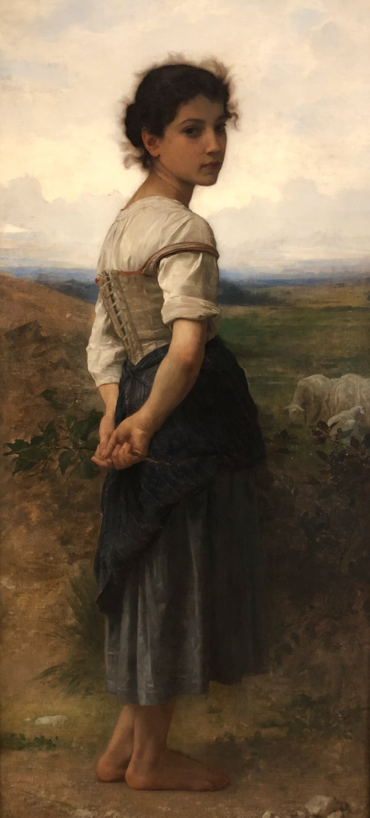
 | At the 2018 PMI Global Conference,
 | attendees experienced Collabinart®.

 | Collabinart is a freely-licensed
 | team-building and training
 | framework to build collaboration
 | skills using masterpiece artworks.

 | Use Collabinart at any point in a
 | team's journey together. Develop
 | team camaraderie, active listening
 | skills, and collaboration skills.
 | It's fun, free, and effective.

 | Visit the Collabinart website
 | to learn more.

The Young Shepherdess (1865)
William-Adolphe Bouguereau
San Diego Museum of Art

