Ferror_Pow
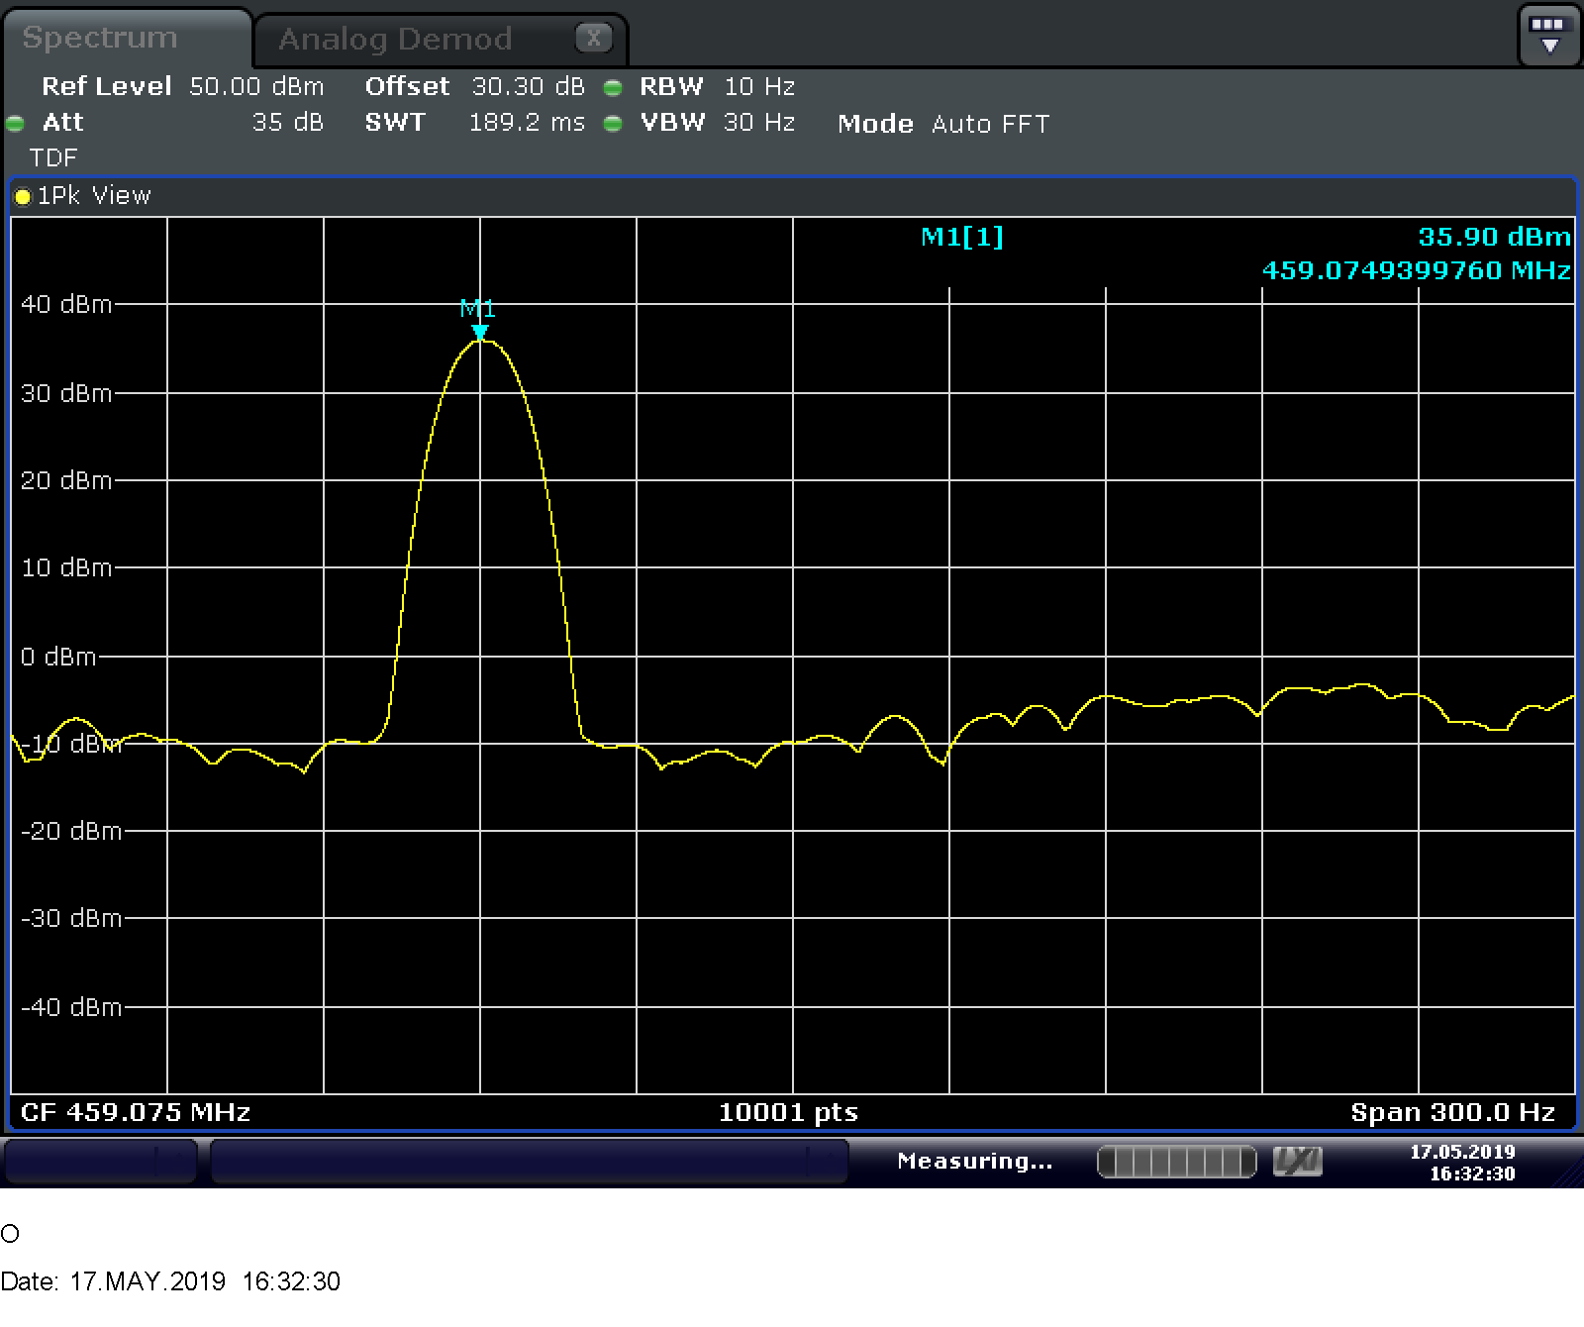
Freq_Error(Hz) | Power(dBm) | Freq_error limit | Power limit | Freq_error Margin | Power Margin | channel(MHz) | nominal power(w) | Fail
-60.023999989 | 35.89616394 | 459.075 | 36.989700043 | 399.05100001 | 1.09353610 | 459.075 | 5 | Pass

ACP
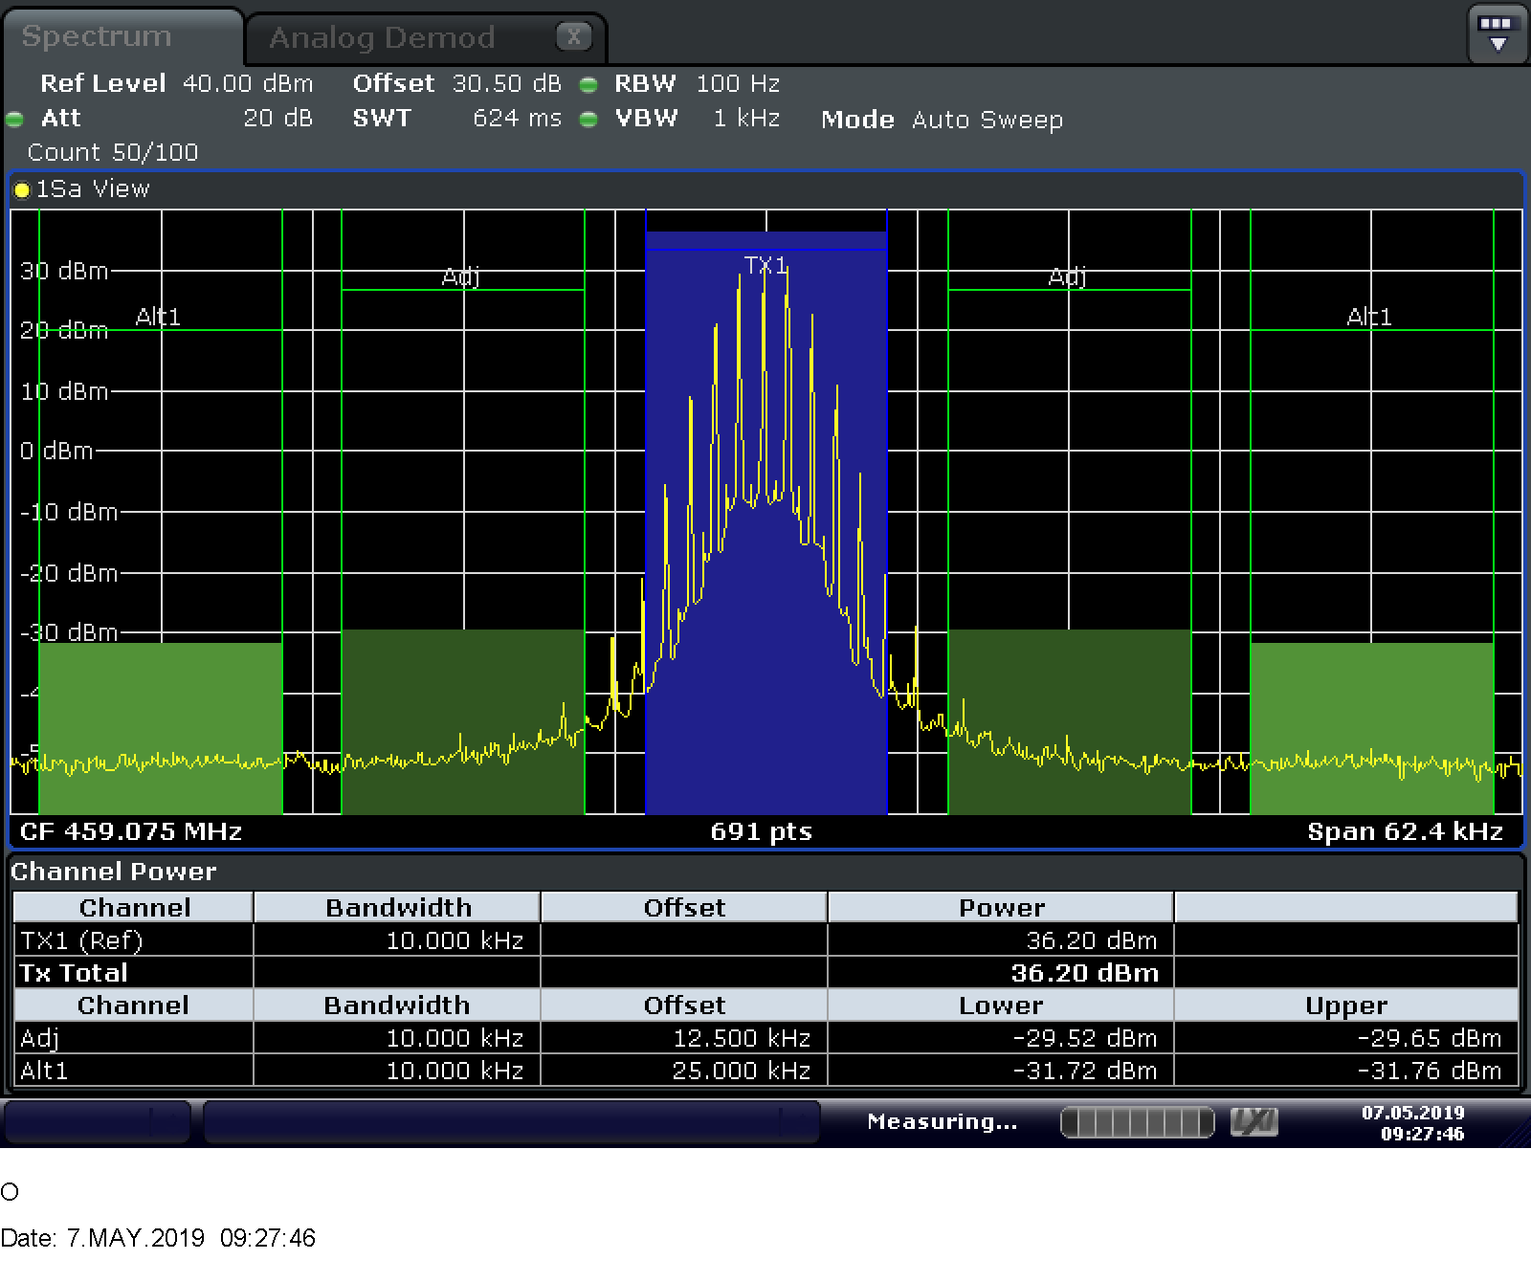
Adj Lower | Adj Upper | Limit | Margin
-29.52 | -29.65 | -16 | 13.52 | Fail
Alt Lower | Alt Upper |  |  | Pass
-31.72 | -31.76

Cond_Spur
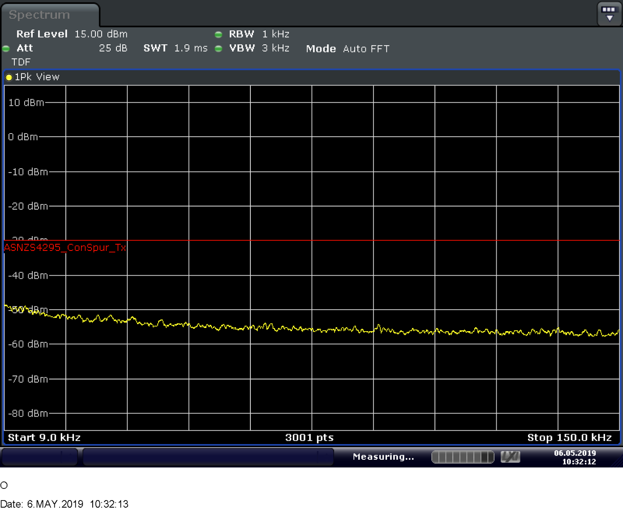
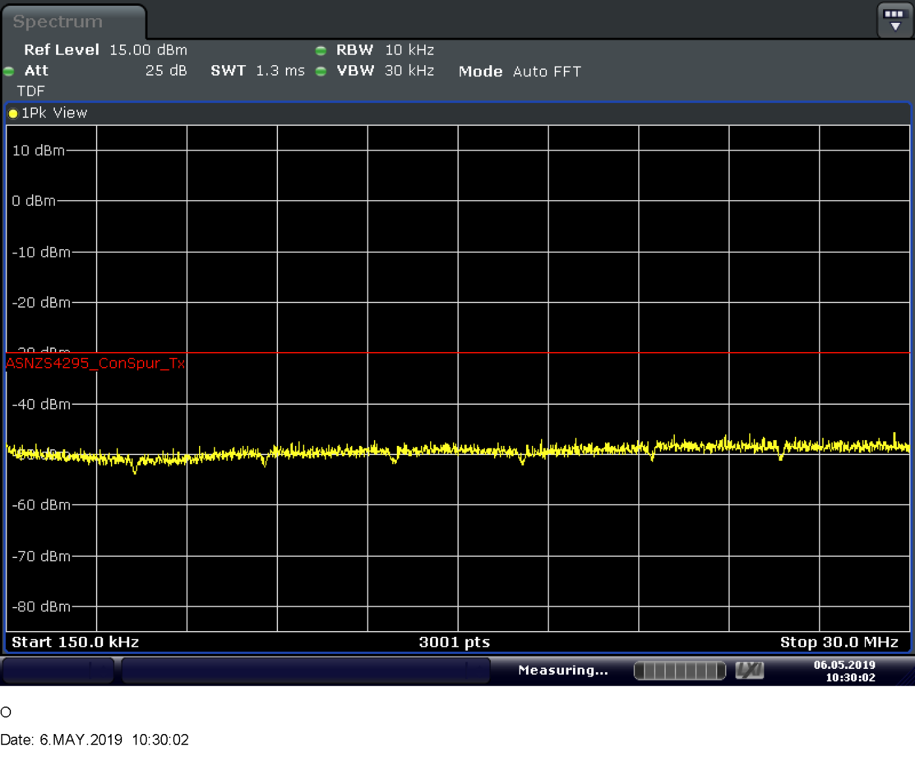
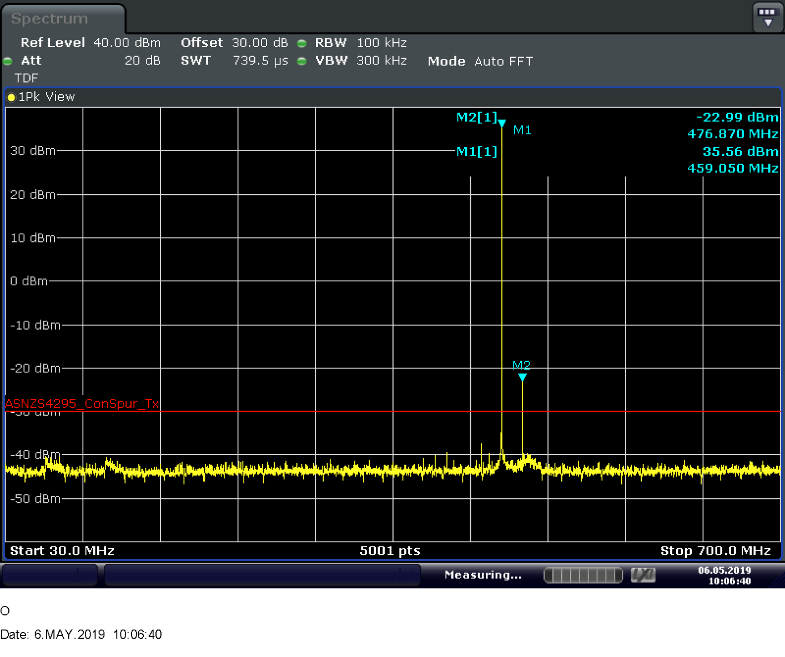
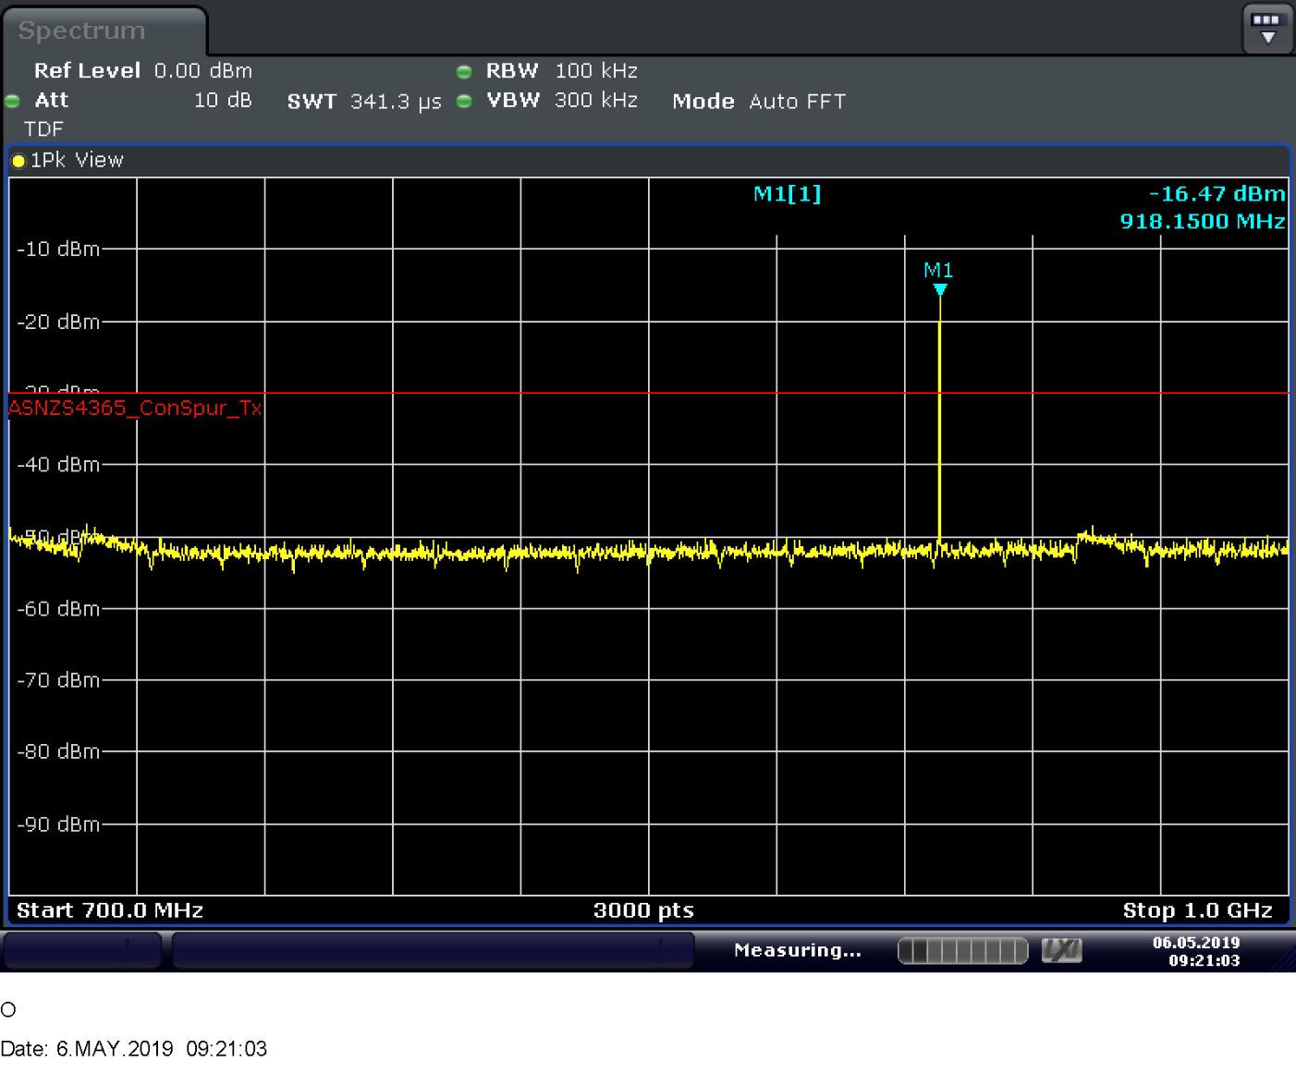
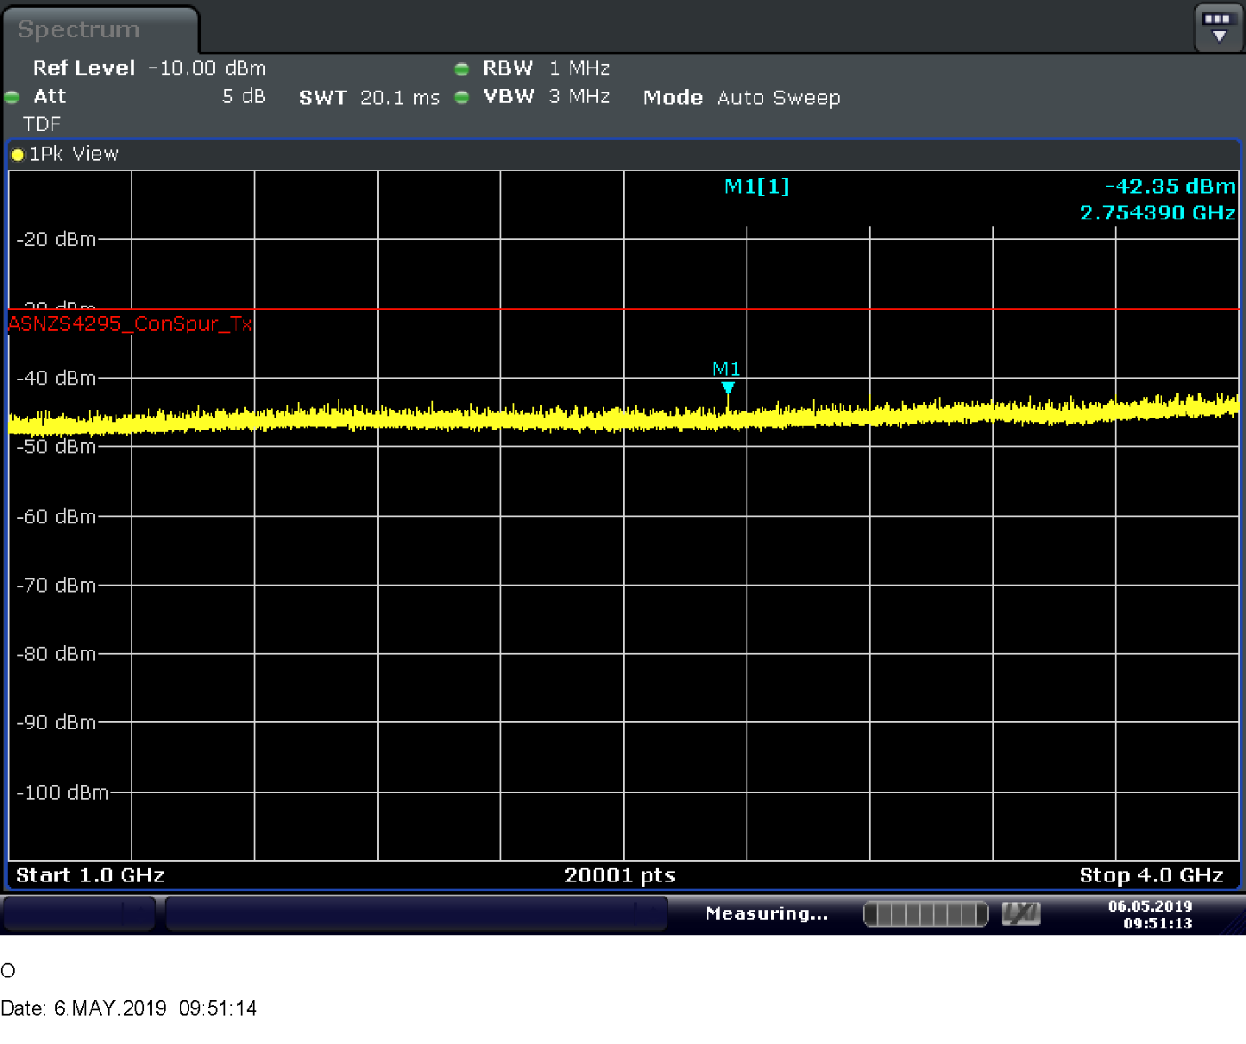
Spurisous emissions (MHz) | Level(dBm) | Limit(dBm) | Margin(dB) | Fail
476.87 | -22.99 | -30 | -7.01 | Pass
918.15 | -16.47 | -30 | -13.53

