MYSQLインストール
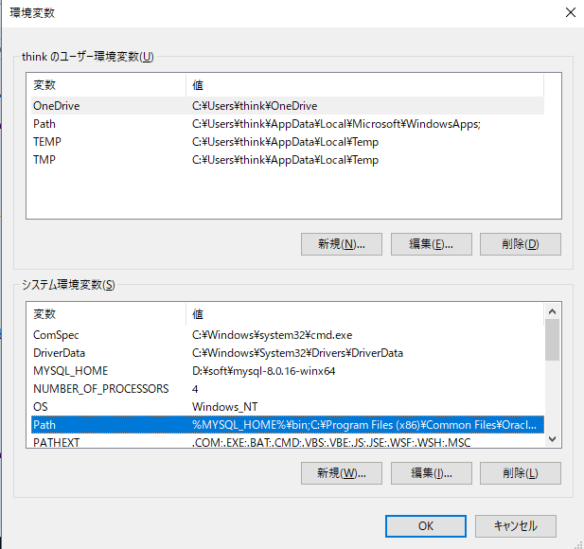

 | MYSQL_HOME
 | D:\soft\mysql-8.0.16-winx64

 | %MYSQL_HOME%\bin

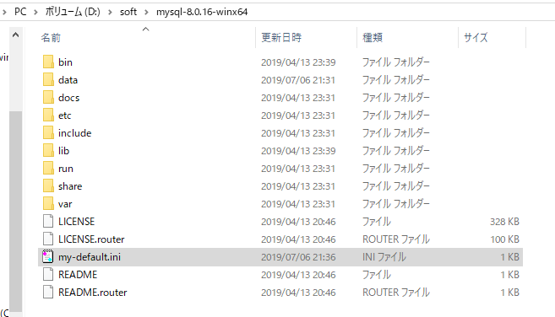
 |  | my-default.ini
 |  | [mysqld]
 |  | # 设置3306端口
 |  | port=3306
 |  | # 设置mysql的安装目录
 |  | basedir=D:\soft\mysql-8.0.16-winx64
 |  | # 设置mysql数据库的数据的存放目录
 |  | datadir=D:\soft\mysql-8.0.16-winx64\data
 |  | # 允许最大连接数
 |  | max_connections=200
 |  | # 允许连接失败的次数。这是为了防止有人从该主机试图攻击数据库系统
 |  | max_connect_errors=10
 |  | # 服务端使用的字符集默认为UTF8
 |  | character-set-server=utf8
 |  | # 创建新表时将使用的默认存储引擎
 |  | default-storage-engine=INNODB
 |  | # 默认使用“mysql_native_password”插件认证
 |  | default_authentication_plugin=mysql_native_password
 |  | [mysql]
 |  | # 设置mysql客户端默认字符集
 |  | default-character-set=utf8
 |  | [client]
 |  | # 设置mysql客户端连接服务端时默认使用的端口
 |  | port=3306
 |  | default-character-set=utf8

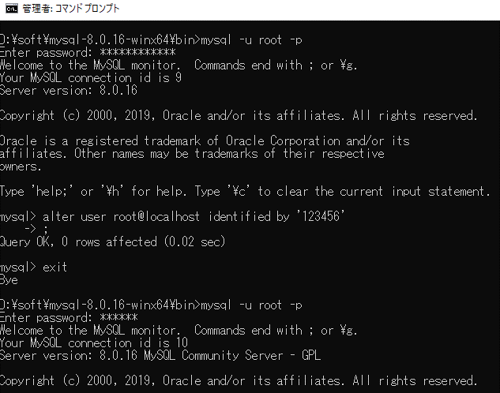

C:\Windows>d:

D:\>cd D:\soft\mysql-8.0.16-winx64\bin

D:\soft\mysql-8.0.16-winx64\bin>mysqld --initialize --user=mysql --console
2019-07-06T12:30:49.602523Z 0 [System] [MY-013169] [Server] D:\soft\mysql-8.0.16-winx64\bin\mysqld.exe (mysqld 8.0.16) initializing of server in progress as process 5436
2019-07-06T12:30:55.638634Z 5 [Note] [MY-010454] [Server] A temporary password is generated for root@localhost: y4jsE?;-!fpj
2019-07-06T12:30:57.865660Z 0 [System] [MY-013170] [Server] D:\soft\mysql-8.0.16-winx64\bin\mysqld.exe (mysqld 8.0.16) initializing of server has completed

D:\soft\mysql-8.0.16-winx64\bin>mysqld -install
Service successfully installed.

D:\soft\mysql-8.0.16-winx64\bin>net start mysql
MySQL サービスを開始します..
MySQL サービスは正常に開始されました。

D:\soft\mysql-8.0.16-winx64\bin>mysql -u root -p
Enter password: ************
Welcome to the MySQL monitor. Commands end with ; or \g.
Your MySQL connection id is 9
Server version: 8.0.16

Copyright (c) 2000, 2019, Oracle and/or its affiliates. All rights reserved.

Oracle is a registered trademark of Oracle Corporation and/or its
affiliates. Other names may be trademarks of their respective
owners.

Type 'help;' or '\h' for help. Type '\c' to clear the current input statement.

mysql> alter user root@localhost identified by '123456'
-> ;
Query OK, 0 rows affected (0.02 sec)

mysql> exit
Bye

D:\soft\mysql-8.0.16-winx64\bin>mysql -u root -p
Enter password: ******
Welcome to the MySQL monitor. Commands end with ; or \g.
Your MySQL connection id is 10
Server version: 8.0.16 MySQL Community Server - GPL

Copyright (c) 2000, 2019, Oracle and/or its affiliates. All rights reserved.

Oracle is a registered trademark of Oracle Corporation and/or its
affiliates. Other names may be trademarks of their respective
owners.

Type 'help;' or '\h' for help. Type '\c' to clear the current input statement.

mysql> create database `mydb` character set utf8;
Query OK, 1 row affected, 1 warning (0.01 sec)

mysql> create database `world_x` character set utf8;

WEB
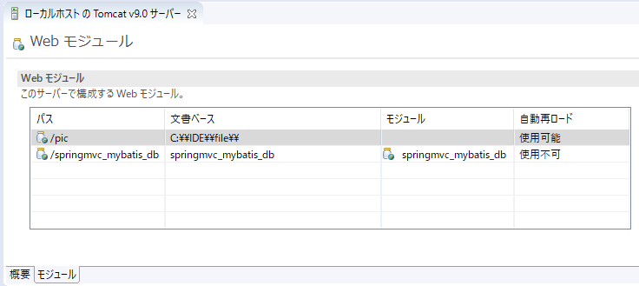
http://localhost:8080/springmvc_mybatis_db/items/queryItems.action

A5設定
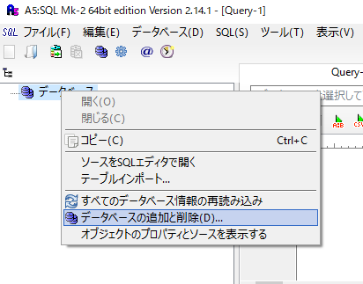

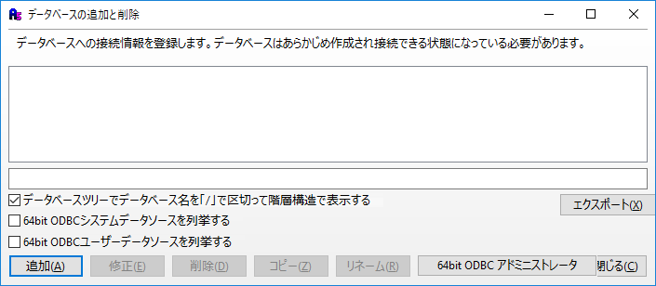

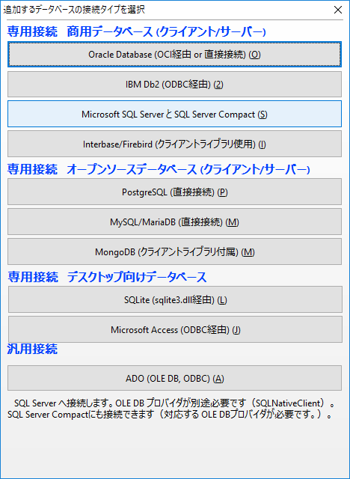

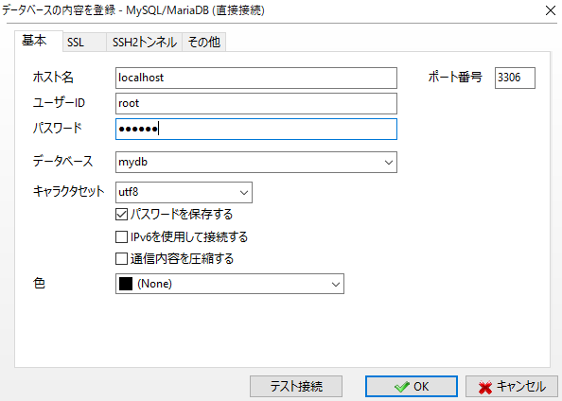

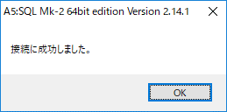

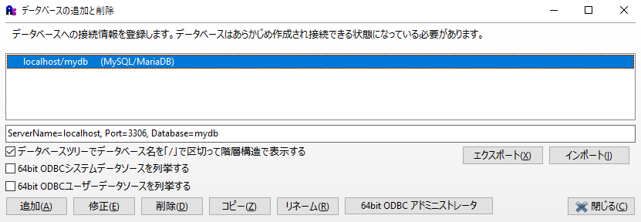

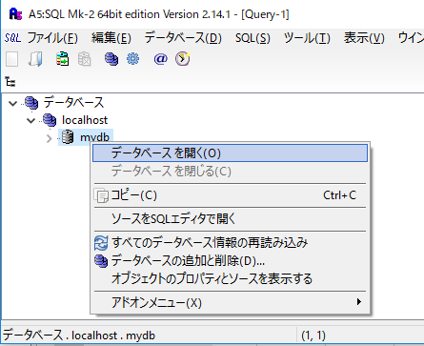

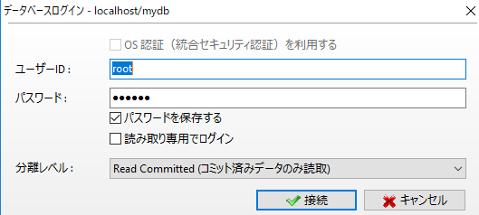

Sheet1 (2)
svn+ssh://dbtoolsstudy01@svn.code.sf.net/p/spring20190707/svn/

A
B

Sheet2
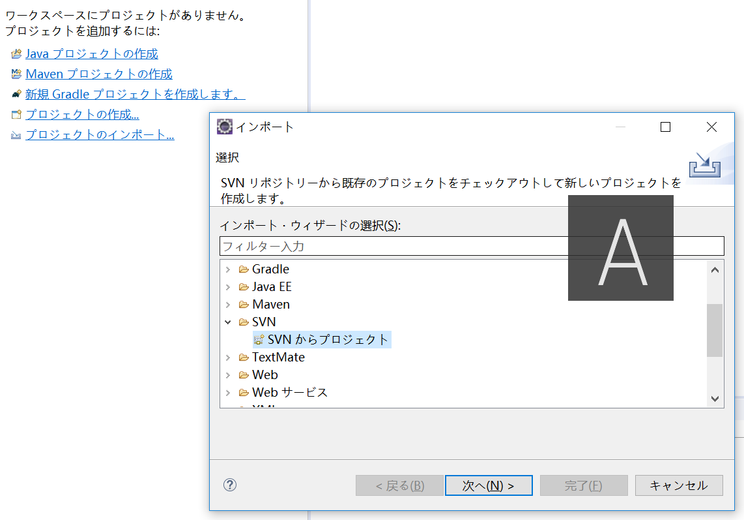

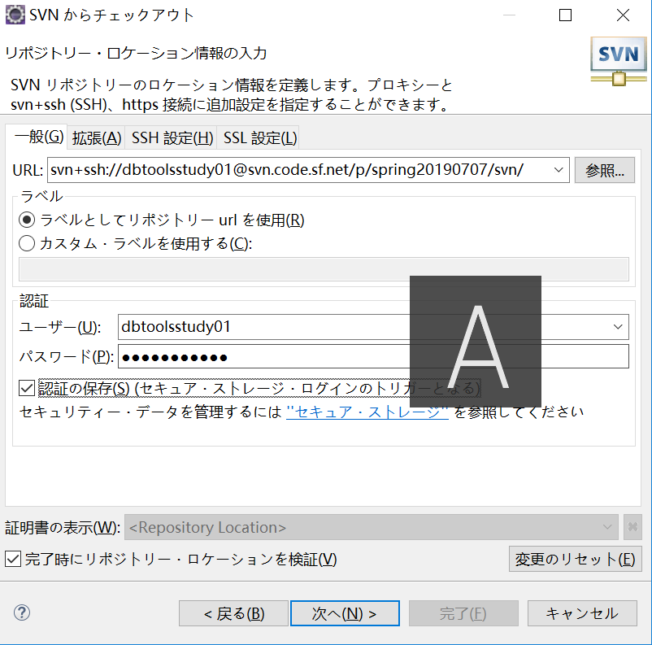

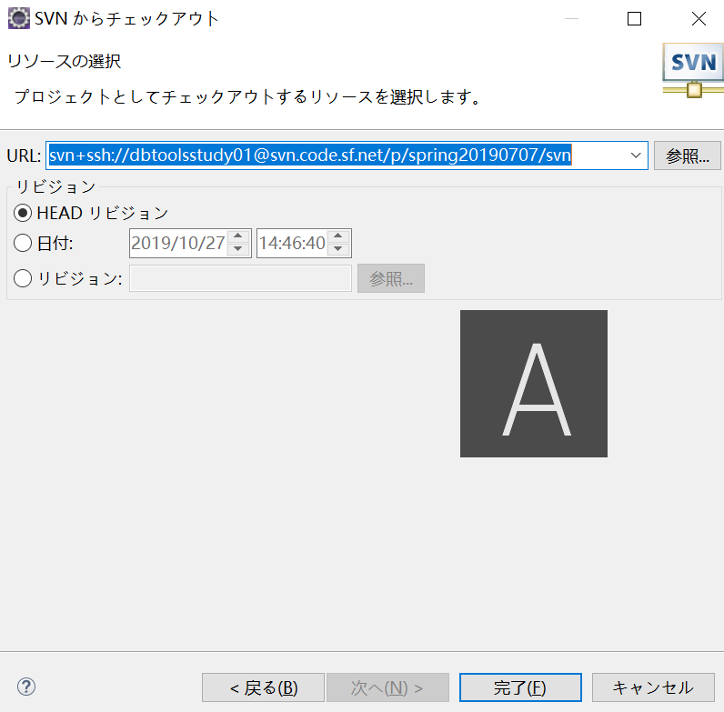

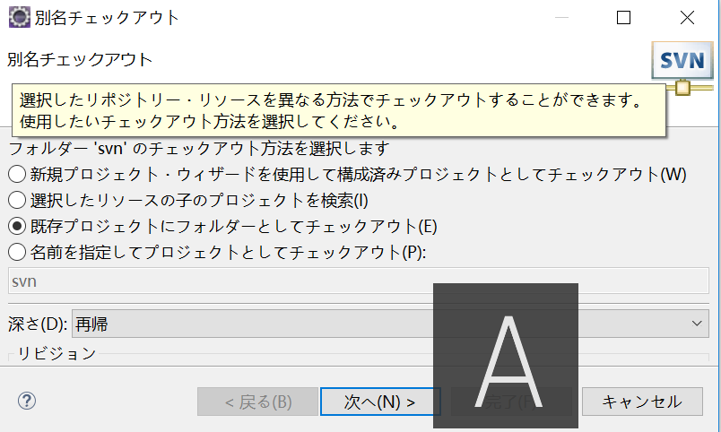

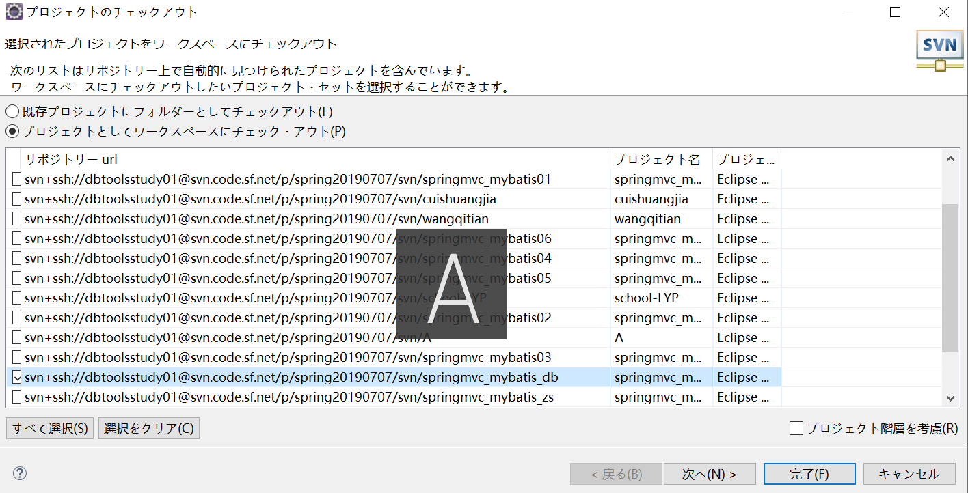

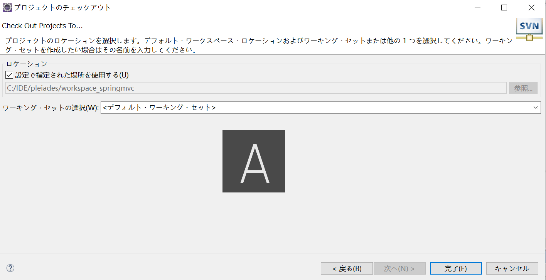

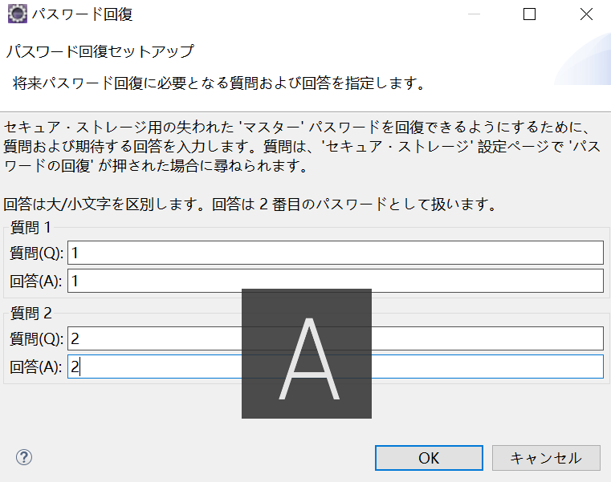

jvm
JVM（５１２）

全局共享区（static final constant）

栈区
int
boolean
...8 种类型
堆区
new obj()

