WAP
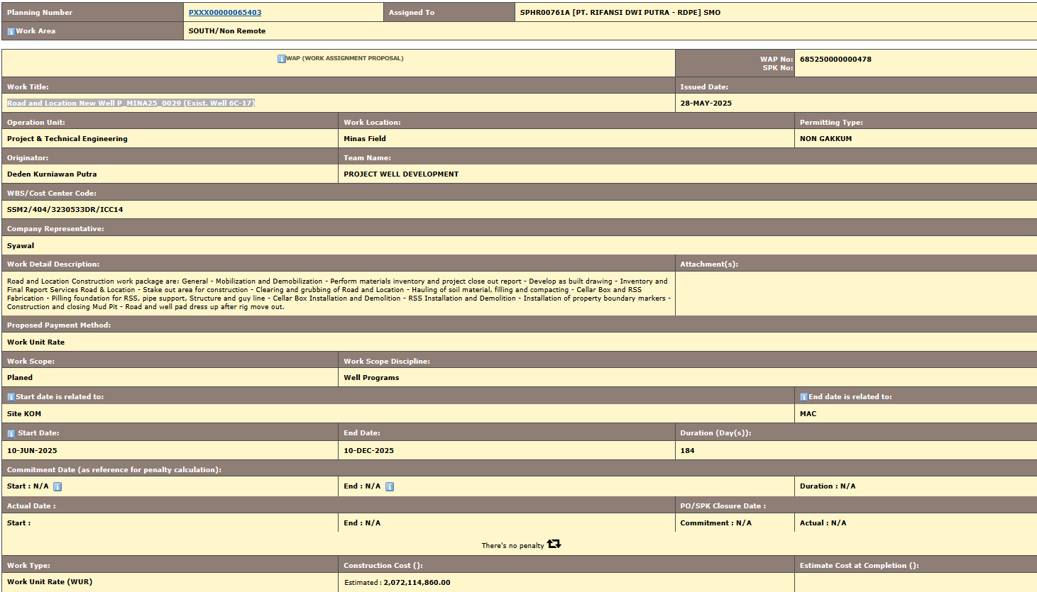
Planning Number | PXXX00000065403 | Assigned To | SPHR00761A [PT. RIFANSI DWI PUTRA - RDPE] SMO
articleWork Area | SOUTH/Non Remote

articleWAP (WORK ASSIGNMENT PROPOSAL) |  |  |  | WAP No: | 685250000000478
 |  |  |  | SPK No: | CCMSPHR/SPK/3700192035
Work Title: |  |  |  | Issued Date:
Road and Location New Well P_MINA25_0029 (Exist. Well 6C-17) |  |  |  | 28-May-25
Operation Unit: | Work Location: |  |  |  | Permitting Type:
Project & Technical Engineering | Minas Field |  |  |  | NON GAKKUM
Originator: | Team Name:
Deden Kurniawan Putra | PROJECT WELL DEVELOPMENT
WBS/Cost Center Code:
SSM2/404/3230533DR/ICC14
Company Representative:
Syawal
Work Detail Description: |  |  |  | Attachment(s):
Road and Location Construction work package are: General - Mobilization and Demobilization - Perform materials inventory and project close out report - Develop as built drawing - Inventory and Final Report Services Road & Location - Stake out area for construction - Clearing and grubbing of Road and Location - Hauling of soil material, filling and compacting - Cellar Box and RSS Fabrication - Pilling foundation for RSS, pipe support, Structure and guy line - Cellar Box Installation and Demolition - RSS Installation and Demolition - Installation of property boundary markers - Construction and closing Mud Pit - Road and well pad dress up after rig move out.
Proposed Payment Method:
Work Unit Rate
Work Scope: | Work Scope Discipline:
Planed | Well Programs
articleStart date is related to: |  |  |  |  | articleEnd date is related to:
Site KOM |  |  |  |  | MAC
article Start Date: | End Date: |  |  | Duration (Day(s)):
10-Jun-25 | 10-Dec-25 |  |  | 184
Commitment Date (as reference for penalty calculation):
Start : N/A | End : N/A |  |  |  | Duration : N/A
Actual Date : |  |  |  | PO/SPK Closure Date :
Start : | End : N/A |  |  | Commitment : N/A | Actual : N/A
There's no penalty
Work Type: | Construction Cost (): |  |  |  | Estimate Cost at Completion ():
Work Unit Rate (WUR) | Estimated | : | 2,072,114,860.00
Contractor Supervision:
JASA PENGAWASAN KONSTRUKSI SELATAN-PROSYS

BOQ.
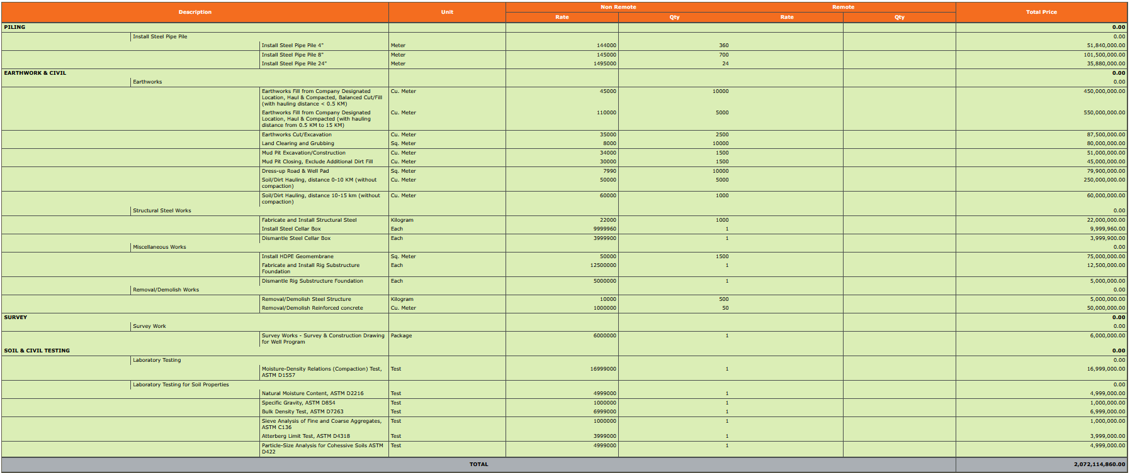
Description |  |  | Unit | Non Remote |  | Remote |  | Total Price
 |  |  |  | Rate | Qty | Rate | Qty

PILING |  |  |  |  |  |  |  | -
 | Install Steel Pipe Pile |  |  |  |  |  |  | -
 |  | Install Steel Pipe Pile 4" | Meter | 144,000.00 | 360 |  |  | 51,840,000.00
 |  | Install Steel Pipe Pile 8" | Meter | 145,000.00 | 700 |  |  | 101,500,000.00
 |  | Install Steel Pipe Pile 24" | Meter | 1,495,000.00 | 24 |  |  | 35,880,000.00
EARTHWORK & CIVIL |  |  |  |  |  |  |  | -
 | Earthworks |  |  |  |  |  |  | -
 |  | Earthworks Fill from Company Designated Location, Haul & Compacted, Balanced Cut/Fill (with hauling distance < 0.5 KM) | Cu. Meter | 45,000.00 | 10000 |  |  | 450,000,000.00
 |  | Earthworks Fill from Company Designated Location, Haul & Compacted (with hauling distance from 0.5 KM to 15 KM) | Cu. Meter | 110,000.00 | 5000 |  |  | 550,000,000.00
 |  | Earthworks Cut/Excavation | Cu. Meter | 35,000.00 | 2500 |  |  | 87,500,000.00
 |  | Land Clearing and Grubbing | Sq. Meter | 8,000.00 | 10000 |  |  | 80,000,000.00
 |  | Mud Pit Excavation/Construction | Cu. Meter | 34,000.00 | 1500 |  |  | 51,000,000.00
 |  | Mud Pit Closing, Exclude Additional Dirt Fill | Cu. Meter | 30,000.00 | 1500 |  |  | 45,000,000.00
 |  | Dress-up Road & Well Pad | Sq. Meter | 7,990.00 | 10000 |  |  | 79,900,000.00
 |  | Soil/Dirt Hauling, distance 0-10 KM (without compaction) | Cu. Meter | 50,000.00 | 5000 |  |  | 250,000,000.00
 |  | Soil/Dirt Hauling, distance 10-15 km (without compaction) | Cu. Meter | 60,000.00 | 1000 |  |  | 60,000,000.00
 | Structural Steel Works |  |  |  |  |  |  | -
 |  | Fabricate and Install Structural Steel | Kilogram | 22,000.00 | 1000 |  |  | 22,000,000.00
 |  | Install Steel Cellar Box | Each | 9,999,960.00 | 1 |  |  | 9,999,960.00
 |  | Dismantle Steel Cellar Box | Each | 3,999,900.00 | 1 |  |  | 3,999,900.00
 | Miscellaneous Works |  |  |  |  |  |  | -
 |  | Install HDPE Geomembrane | Sq. Meter | 50,000.00 | 1500 |  |  | 75,000,000.00
 |  | Fabricate and Install Rig Substructure Foundation | Each | 12,500,000.00 | 1 |  |  | 12,500,000.00
 |  | Dismantle Rig Substructure Foundation | Each | 5,000,000.00 | 1 |  |  | 5,000,000.00
 | Removal/Demolish Works |  |  |  |  |  |  | -
 |  | Removal/Demolish Steel Structure | Kilogram | 10,000.00 | 500 |  |  | 5,000,000.00
 |  | Removal/Demolish Reinforced concrete | Cu. Meter | 1,000,000.00 | 50 |  |  | 50,000,000.00
SURVEY |  |  |  |  |  |  |  | -
 | Survey Work |  |  |  |  |  |  | -
 |  | Survey Works - Survey & Construction Drawing for Well Program | Package | 6,000,000.00 | 1 |  |  | 6,000,000.00
SOIL & CIVIL TESTING |  |  |  |  |  |  |  | -
 | Laboratory Testing |  |  |  |  |  |  | -
 |  | Moisture-Density Relations (Compaction) Test, ASTM D1557 | Test | 16,999,000.00 | 1 |  |  | 16,999,000.00
 | Laboratory Testing for Soil Properties |  |  |  |  |  |  | -
 |  | Natural Moisture Content, ASTM D2216 | Test | 4,999,000.00 | 1 |  |  | 4,999,000.00
 |  | Specific Gravity, ASTM D854 | Test | 1,000,000.00 | 1 |  |  | 1,000,000.00
 |  | Bulk Density Test, ASTM D7263 | Test | 6,999,000.00 | 1 |  |  | 6,999,000.00
 |  | Sieve Analysis of Fine and Coarse Aggregates, ASTM C136 | Test | 1,000,000.00 | 1 |  |  | 1,000,000.00
 |  | Atterberg Limit Test, ASTM D4318 | Test | 3,999,000.00 | 1 |  |  | 3,999,000.00
 |  | Particle-Size Analysis for Cohessive Soils ASTM D422 | Test | 4,999,000.00 | 1 |  |  | 4,999,000.00

TOTAL |  |  |  |  |  |  |  | 2,072,114,860.00

