WAP
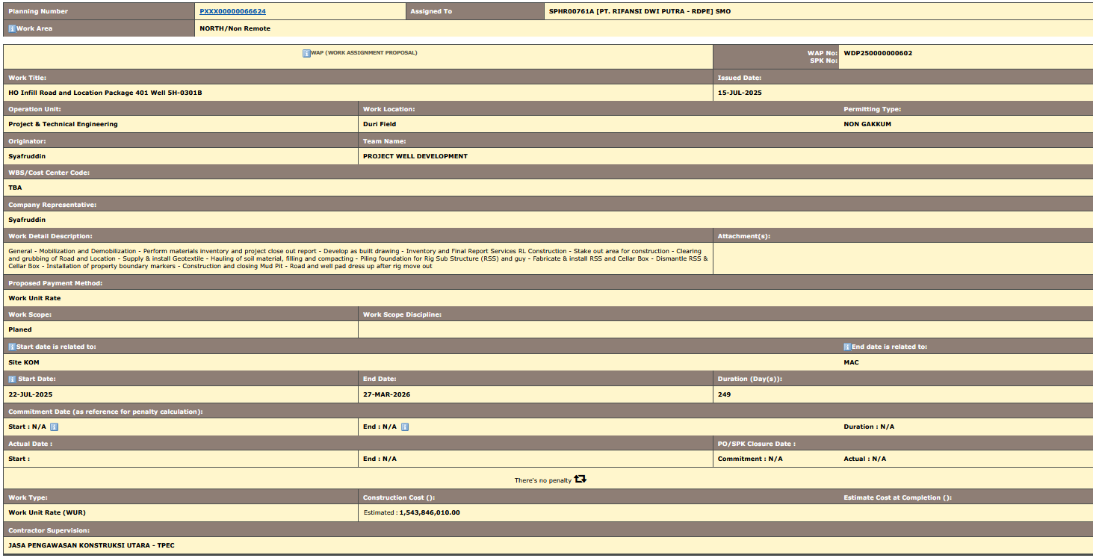
Planning Number | PXXX00000066624 | Assigned To | SPHR00761A [PT. RIFANSI DWI PUTRA - RDPE] SMO
articleWork Area | NORTH/Non Remote

articleWAP (WORK ASSIGNMENT PROPOSAL) |  |  |  | WAP No: | WDP250000000602
 |  |  |  | SPK No: | CCMSPHR/SPK/3700198086
Work Title: |  |  |  | Issued Date:
HO Infill Road and Location Package 401 Well 5H-0301B |  |  |  | 15-Jul-25
Operation Unit: | Work Location: |  |  |  | Permitting Type:
Project & Technical Engineering | Duri Field |  |  |  | NON GAKKUM
Originator: | Team Name:
Syafruddin | PROJECT WELL DEVELOPMENT
WBS/Cost Center Code:
TBA
Company Representative:
Syafruddin
Work Detail Description: |  |  |  | Attachment(s):
General - Mobilization and Demobilization - Perform materials inventory and project close out report - Develop as built drawing - Inventory and Final Report Services RL Construction - Stake out area for construction - Clearing and grubbing of Road and Location - Supply & install Geotextile - Hauling of soil material, filling and compacting - Piling foundation for Rig Sub Structure (RSS) and guy - Fabricate & install RSS and Cellar Box - Dismantle RSS & Cellar Box - Installation of property boundary markers - Construction and closing Mud Pit - Road and well pad dress up after rig move out
Proposed Payment Method:
Work Unit Rate
Work Scope: | Work Scope Discipline:
Planed
articleStart date is related to: |  |  |  |  | articleEnd date is related to:
Site KOM |  |  |  |  | MAC
article Start Date: | End Date: |  |  | Duration (Day(s)):
22-Jul-25 | 27-Mar-26 |  |  | 249
Commitment Date (as reference for penalty calculation):
Start : N/A | End : N/A |  |  |  | Duration : N/A
Actual Date : |  |  |  | PO/SPK Closure Date :
Start : | End : N/A |  |  | Commitment : N/A | Actual : N/A
There's no penalty
Work Type: | Construction Cost (): |  |  |  | Estimate Cost at Completion ():
Work Unit Rate (WUR) | Estimated | : | 1,543,846,010.00
Contractor Supervision:
JASA PENGAWASAN KONSTRUKSI UTARA - TPEC

BOQ.

Description |  |  | Unit | Non Remote |  | Remote |  | Total Price
 |  |  |  | Rate | Qty | Rate | Qty

PILING |  |  |  |  |  |  |  | -
 | Install Steel Pipe Pile |  |  |  |  |  |  | -
 |  | Install Steel Pipe Pile 8" | Meter | 145,000.00 | 216 |  |  | 31,320,000.00
 |  | Install Steel Pipe Pile 24" | Meter | 1,495,000.00 | 10 |  |  | 14,950,000.00
EARTHWORK & CIVIL |  |  |  |  |  |  |  | -
 | Earthworks |  |  |  |  |  |  | -
 |  | Earthworks Fill from Company Designated Location, Haul & Compacted (with hauling distance from 0.5 KM to 15 KM) | Cu. Meter | 110,000.00 | 5800 |  |  | 638,000,000.00
 |  | Additional Cost for Contractor Provided Fill | Cu. Meter | 75,000.00 | 5800 |  |  | 435,000,000.00
 |  | Land Clearing and Grubbing | Sq. Meter | 8,000.00 | 2200 |  |  | 17,600,000.00
 |  | Mud Pit Excavation/Construction | Cu. Meter | 34,000.00 | 600 |  |  | 20,400,000.00
 |  | Mud Pit Closing, Exclude Additional Dirt Fill | Cu. Meter | 30,000.00 | 600 |  |  | 18,000,000.00
 |  | Dress-up Road & Well Pad | Sq. Meter | 7,990.00 | 2200 |  |  | 17,578,000.00
 |  | Soil/Dirt Hauling, distance 10-15 km (without compaction) | Cu. Meter | 60,000.00 | 1600 |  |  | 96,000,000.00
 | Canal Works |  |  |  |  |  |  | -
 | Structural Steel Works |  |  |  |  |  |  | -
 |  | Fabricate & Install Corrugated Steel Culvert (with bolting) size >= 24" diameter | Meter | 6,499,950.00 | 15 |  |  | 97,499,250.00
 |  | Fabricate and Install Structural Steel | Kilogram | 22,000.00 | 3000 |  |  | 66,000,000.00
 |  | Fabricate Steel Cellar Box | Each | 6,999,900.00 | 1 |  |  | 6,999,900.00
 |  | Install Steel Cellar Box | Each | 9,999,960.00 | 1 |  |  | 9,999,960.00
 |  | Dismantle Steel Cellar Box | Each | 3,999,900.00 | 1 |  |  | 3,999,900.00
 | Miscellaneous Works |  |  |  |  |  |  | -
 |  | Install HDPE Geomembrane | Sq. Meter | 50,000.00 | 600 |  |  | 30,000,000.00
 |  | Fabricate and Install Rig Substructure Foundation | Each | 12,500,000.00 | 1 |  |  | 12,500,000.00
 |  | Dismantle Rig Substructure Foundation | Each | 5,000,000.00 | 1 |  |  | 5,000,000.00
SURVEY |  |  |  |  |  |  |  | -
 | Survey Work |  |  |  |  |  |  | -
 |  | Survey Works - Survey & Construction Drawing for Well Program | Package | 6,000,000.00 | 1 |  |  | 6,000,000.00
SOIL & CIVIL TESTING |  |  |  |  |  |  |  | -
 | Laboratory Testing |  |  |  |  |  |  | -
 |  | Moisture-Density Relations (Compaction) Test, ASTM D1557 | Test | 16,999,000.00 | 1 |  |  | 16,999,000.00

TOTAL |  |  |  |  |  |  |  | 1,543,846,010.00

