Main
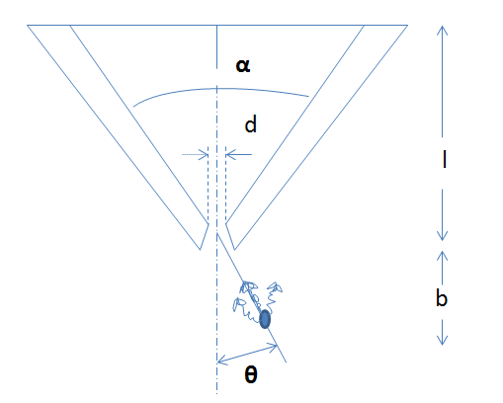
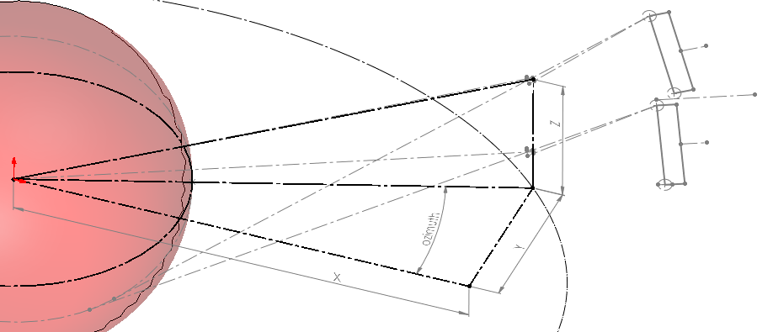
 | b | l | d | Q | cos3Q | Ecoll [%] | Esum [%] | p | leff | deff | Rint | Rcoll | Rsyst | Simulation Spatial R | theta | x | k | Ld | Td | t
Definitions | distance from center of hole to center of heart | length of collimator | length of sides of hole | angle from axis |  | senstivitiy of individual systems | summation of all Ecoll | pixel size | effective length of collimator | effective length of sides of hole | intrinsic resolution of collimator | resolution of collimator | resolution of individual detector systems | average of all Rsyst | acceptance angle of collimator | focal length of collimator minus length of collimator | length of side of guide at exit | length of side of detector crystal | thickness of detector crystal | thickness of collimator wall
1 | 294.25720508 | 89.070206163 | 2.3 | 0 | 1 | 0.00041740314532 | 0.060564198971 | 2 | 88.270206163 | 2.4047224375 | 2 | 10.349095017 | 10.540577198 | 10.915739761 | 14.99022282 | 4.294789815 | 4.0615317934 | 50 | 10 | 2
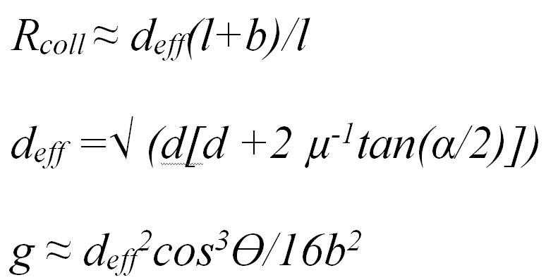
2 | 274.65173436 | 82.70081149 | 2.3 | 0 | 1 | 0.00048226499684 |  | 2 | 81.90081149 | 2.4125993583 | 2 | 10.424910074 | 10.615024731 |  | 16.086976628 | 3.9876701557 | 4.1972002472 | 50 | 10 | 2
3 | 253.46751925 | 75.776075671 | 2.3 | 0 | 1 | 0.00057096425971 |  | 2 | 74.976075671 | 2.4226281964 | 2 | 10.52620909 | 10.714526485 |  | 17.471037824 | 3.6537730407 | 4.3705743681 | 50 | 10 | 2
4 | 232.73109443 | 68.942582316 | 2.3 | 0 | 1 | 0.00068386701604 |  | 2 | 68.142582316 | 2.4344464837 | 2 | 10.652464658 | 10.838588621 |  | 19.082552108 | 3.3242754576 | 4.5758068342 | 50 | 10 | 2
5 | 214.37084251 | 62.832246191 | 2.3 | 0 | 1 | 0.00081444479264 |  | 2 | 62.032246191 | 2.4471271284 | 2 | 10.79622709 | 10.979914361 |  | 20.78586866 | 3.029647091 | 4.7971254334 | 50 | 10 | 2
6 | 199.93874817 | 57.97763045 | 2.3 | 0 | 1 | 0.00094540908808 |  | 2 | 57.17763045 | 2.4590470954 | 2 | 10.939193561 | 11.120519582 |  | 22.36057796 | 2.7955670867 | 5.0062161524 | 50 | 10 | 2
7 | 190.57443933 | 54.79715118 | 2.3 | 0 | 1 | 0.0010481615676 |  | 2 | 53.99715118 | 2.4679636448 | 2 | 11.051088457 | 11.230608001 |  | 23.520679479 | 2.6422106439 | 5.1632875363 | 50 | 10 | 2
8 | 186.98849879 | 53.571762152 | 2.3 | 0 | 1 | 0.001092023371 |  | 2 | 52.771762152 | 2.4716720857 | 2 | 11.098871085 | 11.277630042 |  | 23.998495778 | 2.5831247998 | 5.2287817629 | 50 | 10 | 2
9 | 189.43283011 | 54.407518077 | 2.3 | 0 | 1 | 0.0010618319239 |  | 2 | 53.607518077 | 2.4691252919 | 2 | 11.065977501 | 11.245259359 |  | 23.670652491 | 2.6234233035 | 5.1837926365 | 50 | 10 | 2
10 | 196.9902274 | 56.979059522 | 2.3 | 0 | 1 | 0.0009760588689 |  | 2 | 56.179059522 | 2.461742814 | 2 | 10.972576106 | 11.153359422 |  | 22.712958341 | 2.7474179644 | 5.0536432036 | 50 | 10 | 2
11 | 208.13661912 | 60.741524539 | 2.3 | 0 | 1 | 0.00086743318415 |  | 2 | 59.941524539 | 2.4520340873 | 2 | 10.85416243 | 11.036885523 |  | 21.437323572 | 2.928836613 | 4.8830764241 | 50 | 10 | 2
12 | 220.94817055 | 65.028733114 | 2.3 | 0 | 1 | 0.00076365641974 |  | 2 | 64.228733114 | 2.4423022233 | 2 | 10.740514142 | 10.92513817 |  | 20.141065169 | 3.1355573619 | 4.7127795897 | 50 | 10 | 2
13 | 233.33339322 | 69.141984212 | 2.3 | 0 | 1 | 0.00068013033547 |  | 2 | 68.341984212 | 2.4340694245 | 2 | 10.648321368 | 10.834516507 |  | 19.031483633 | 3.333890224 | 4.5692435253 | 50 | 10 | 2
14 | 243.57250565 | 72.523027324 | 2.3 | 0 | 1 | 0.00062103344257 |  | 2 | 71.723027324 | 2.4279835995 | 2 | 10.582497701 | 10.769830899 |  | 18.20402235 | 3.4969174601 | 4.4634507796 | 50 | 10 | 2
15 | 250.80840921 | 74.903157841 | 2.3 | 0 | 1 | 0.00058380591295 |  | 2 | 74.103157841 | 2.4240207302 | 2 | 10.540698328 | 10.728761403 |  | 17.66205477 | 3.6116826632 | 4.3947047431 | 50 | 10 | 2
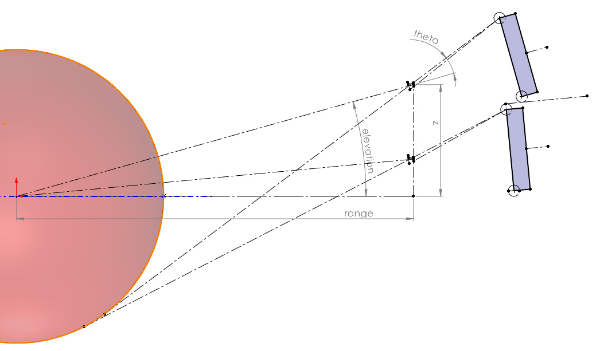
16 | 255.16443254 | 76.332661147 | 2.3 | 0 | 1 | 0.0005629900194 |  | 2 | 75.532661147 | 2.4217565166 | 2 | 10.517191918 | 10.70566793 |  | 17.351318963 | 3.6806104956 | 4.3554766157 | 50 | 10 | 2
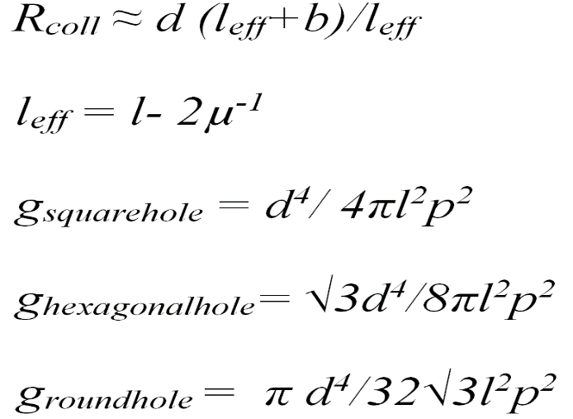
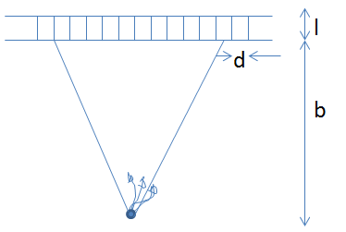
17 | 257.48995074 | 77.094853118 | 2.3 | 0 | 1 | 0.00055233087302 |  | 2 | 76.294853118 | 2.4205827559 | 2 | 10.505113816 | 10.693802704 |  | 17.189932554 | 3.7173618904 | 4.3351553139 | 50 | 10 | 2
18 | 258.94151697 | 77.570276743 | 2.3 | 0 | 1 | 0.00054583055742 |  | 2 | 76.770276743 | 2.419862012 | 2 | 10.497733673 | 10.686552871 |  | 17.090732873 | 3.7402858807 | 4.3226819677 | 50 | 10 | 2
19 | 260.61697099 | 78.118721621 | 2.3 | 0 | 1 | 0.00053846956703 |  | 2 | 77.318721621 | 2.4190412036 | 2 | 10.489362608 | 10.678329829 |  | 16.977668104 | 3.7667308119 | 4.3084814081 | 50 | 10 | 2
20 | 263.344055 | 79.010720546 | 2.3 | 0 | 1 | 0.00052680340691 |  | 2 | 78.210720546 | 2.4177299888 | 2 | 10.476064538 | 10.665267376 |  | 16.796847853 | 3.8097412423 | 4.2858064692 | 50 | 10 | 2
21 | 286.75943485 | 86.638243896 | 2.3 | 0 | 1 | 0.00044056695709 |  | 2 | 85.838243896 | 2.4075963038 | 2 | 10.376374575 | 10.567362458 |  | 15.391302898 | 4.177525387 | 4.1109785349 | 50 | 10 | 2
22 | 266.55164748 | 80.05883208 | 2.3 | 0 | 1 | 0.00051356130418 |  | 2 | 79.25883208 | 2.4162257536 | 2 | 10.460921617 | 10.650393471 |  | 16.589105695 | 3.860279115 | 4.2598087547 | 50 | 10 | 2
23 | 244.59377981 | 72.859398121 | 2.3 | 0 | 1 | 0.0006155663123 |  | 2 | 72.059398121 | 2.4274082408 | 2 | 10.576376968 | 10.763816691 |  | 18.12548706 | 3.513136597 | 4.4534627522 | 50 | 10 | 2
24 | 222.93602778 | 65.690836749 | 2.3 | 0 | 1 | 0.00074924317615 |  | 2 | 64.890836749 | 2.4409093341 | 2 | 10.724661803 | 10.909554106 |  | 19.954154126 | 3.1674826944 | 4.6884609751 | 50 | 10 | 2
25 | 203.55585398 | 59.19930567 | 2.3 | 0 | 1 | 0.00090975240754 |  | 2 | 58.39930567 | 2.4558689863 | 2 | 10.90033473 | 11.082296568 |  | 21.943339571 | 2.8544738583 | 4.9503689228 | 50 | 10 | 2
26 | 188.15016849 | 53.969214754 | 2.3 | 0 | 1 | 0.0010775152646 |  | 2 | 53.169214754 | 2.4704514223 | 2 | 11.083062398 | 11.262072284 |  | 23.841527066 | 2.602289181 | 5.2072129494 | 50 | 10 | 2
27 | 178.04790194 | 50.495913663 | 2.3 | 0 | 1 | 0.0012142853657 |  | 2 | 49.695913663 | 2.4817454385 | 2 | 11.232345961 | 11.409013795 |  | 25.282089515 | 2.434813447 | 5.4071821187 | 50 | 10 | 2
28 | 174.15253773 | 49.145501948 | 2.3 | 0 | 1 | 0.0012741350326 |  | 2 | 48.345501948 | 2.4865518927 | 2 | 11.297924351 | 11.473582468 |  | 25.887004559 | 2.3696992554 | 5.4925607386 | 50 | 10 | 2
29 | 176.80952309 | 50.067327094 | 2.3 | 0 | 1 | 0.0012328420261 |  | 2 | 49.267327094 | 2.4832437972 | 2 | 11.252658443 | 11.429012295 |  | 25.471195066 | 2.4141478473 | 5.4337802337 | 50 | 10 | 2
30 | 184.97943741 | 52.883243871 | 2.3 | 0 | 1 | 0.0011178211688 |  | 2 | 52.083243871 | 2.4738286251 | 2 | 11.126993481 | 11.305307776 |  | 24.275065905 | 2.5499258051 | 5.2669133078 | 50 | 10 | 2
31 | 196.92259709 | 56.956125596 | 2.3 | 0 | 1 | 0.00097677939396 |  | 2 | 56.156125596 | 2.461805801 | 2 | 10.973360735 | 11.154131335 |  | 22.721174977 | 2.7463121357 | 5.0547519842 | 50 | 10 | 2
32 | 210.52314925 | 61.542946762 | 2.3 | 0 | 1 | 0.00084655115071 |  | 2 | 60.742946762 | 2.4501149011 | 2 | 10.831349992 | 11.014451537 |  | 21.183055896 | 2.9674796133 | 4.8494391844 | 50 | 10 | 2
33 | 223.56840359 | 65.901303456 | 2.3 | 0 | 1 | 0.00074474383969 |  | 2 | 65.101303456 | 2.4404722671 | 2 | 10.719708946 | 10.904685227 |  | 19.895434766 | 3.1776309843 | 4.6808330302 | 50 | 10 | 2
34 | 234.28256249 | 69.456101957 | 2.3 | 0 | 1 | 0.00067430370834 |  | 2 | 68.656101957 | 2.4334797178 | 2 | 10.641856635 | 10.828162939 |  | 18.951567308 | 3.3490363627 | 4.558980789 | 50 | 10 | 2
35 | 241.82662938 | 71.947650441 | 2.3 | 0 | 1 | 0.00063055013499 |  | 2 | 71.147650441 | 2.428979925 | 2 | 10.593138511 | 10.780286801 |  | 18.339895251 | 3.4691739206 | 4.4807522419 | 50 | 10 | 2
36 | 246.35822476 | 73.440195299 | 2.3 | 0 | 1 | 0.00060628985926 |  | 2 | 72.640195299 | 2.4264268855 | 2 | 10.565977953 | 10.753598937 |  | 17.991414441 | 3.5411414924 | 4.4364322271 | 50 | 10 | 2
37 | 248.77461429 | 74.23489395 | 2.3 | 0 | 1 | 0.00059392306683 |  | 2 | 73.43489395 | 2.4251083629 | 2 | 10.552087004 | 10.739950658 |  | 17.811042555 | 3.5794602953 | 4.413561314 | 50 | 10 | 2
38 | 250.28192105 | 74.730216836 | 2.3 | 0 | 1 | 0.00058639994024 |  | 2 | 73.930216836 | 2.4243003813 | 2 | 10.543620548 | 10.731632414 |  | 17.700379635 | 3.6033437888 | 4.3995523182 | 50 | 10 | 2
39 | 252.02081094 | 75.301270839 | 2.3 | 0 | 1 | 0.00057789756795 |  | 2 | 74.501270839 | 2.42338173 | 2 | 10.534036729 | 10.722216647 |  | 17.574438129 | 3.6308788874 | 4.3836301732 | 50 | 10 | 2
40 | 254.84911602 | 76.229264803 | 2.3 | 0 | 1 | 0.00056445905976 |  | 2 | 75.429264803 | 2.4219175087 | 2 | 10.518854266 | 10.707301017 |  | 17.373438606 | 3.6756249276 | 4.3582646364 | 50 | 10 | 2
41 | 286.75943485 | 86.638243896 | 2.3 | 0 | 1 | 0.00044056695709 |  | 2 | 85.838243896 | 2.4075963038 | 2 | 10.376374575 | 10.567362458 |  | 15.391302898 | 4.177525387 | 4.1109785349 | 50 | 10 | 2
42 | 266.55164748 | 80.05883208 | 2.3 | 0 | 1 | 0.00051356130418 |  | 2 | 79.25883208 | 2.4162257536 | 2 | 10.460921617 | 10.650393471 |  | 16.589105695 | 3.860279115 | 4.2598087547 | 50 | 10 | 2
43 | 244.59377981 | 72.859398121 | 2.3 | 0 | 1 | 0.0006155663123 |  | 2 | 72.059398121 | 2.4274082408 | 2 | 10.576376968 | 10.763816691 |  | 18.12548706 | 3.513136597 | 4.4534627522 | 50 | 10 | 2
44 | 222.93602778 | 65.690836749 | 2.3 | 0 | 1 | 0.00074924317615 |  | 2 | 64.890836749 | 2.4409093341 | 2 | 10.724661803 | 10.909554106 |  | 19.954154126 | 3.1674826944 | 4.6884609751 | 50 | 10 | 2
45 | 203.55585398 | 59.19930567 | 2.3 | 0 | 1 | 0.00090975240754 |  | 2 | 58.39930567 | 2.4558689863 | 2 | 10.90033473 | 11.082296568 |  | 21.943339571 | 2.8544738583 | 4.9503689228 | 50 | 10 | 2
46 | 188.15016849 | 53.969214754 | 2.3 | 0 | 1 | 0.0010775152646 |  | 2 | 53.169214754 | 2.4704514223 | 2 | 11.083062398 | 11.262072284 |  | 23.841527066 | 2.602289181 | 5.2072129494 | 50 | 10 | 2
47 | 178.04790194 | 50.495913663 | 2.3 | 0 | 1 | 0.0012142853657 |  | 2 | 49.695913663 | 2.4817454385 | 2 | 11.232345961 | 11.409013795 |  | 25.282089515 | 2.434813447 | 5.4071821187 | 50 | 10 | 2
48 | 174.15253773 | 49.145501948 | 2.3 | 0 | 1 | 0.0012741350326 |  | 2 | 48.345501948 | 2.4865518927 | 2 | 11.297924351 | 11.473582468 |  | 25.887004559 | 2.3696992554 | 5.4925607386 | 50 | 10 | 2
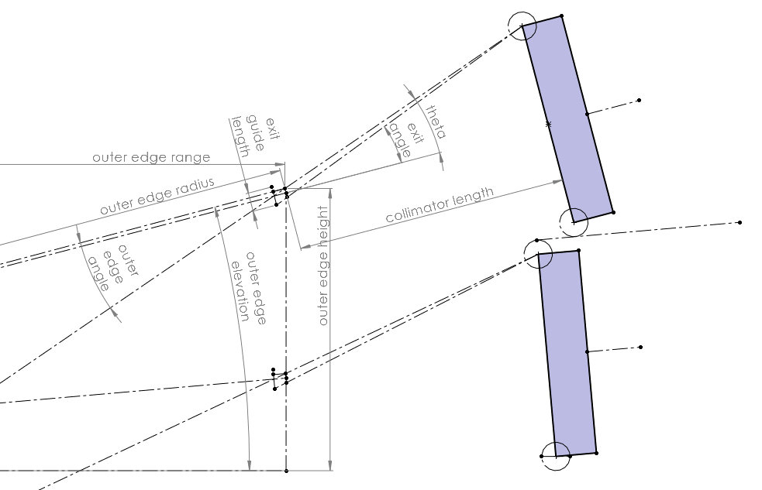
49 | 176.80952309 | 50.067327094 | 2.3 | 0 | 1 | 0.0012328420261 |  | 2 | 49.267327094 | 2.4832437972 | 2 | 11.252658443 | 11.429012295 |  | 25.471195066 | 2.4141478473 | 5.4337802337 | 50 | 10 | 2
50 | 184.97943741 | 52.883243871 | 2.3 | 0 | 1 | 0.0011178211688 |  | 2 | 52.083243871 | 2.4738286251 | 2 | 11.126993481 | 11.305307776 |  | 24.275065905 | 2.5499258051 | 5.2669133078 | 50 | 10 | 2
51 | 196.92259709 | 56.956125596 | 2.3 | 0 | 1 | 0.00097677939396 |  | 2 | 56.156125596 | 2.461805801 | 2 | 10.973360735 | 11.154131335 |  | 22.721174977 | 2.7463121357 | 5.0547519842 | 50 | 10 | 2
52 | 210.52314925 | 61.542946762 | 2.3 | 0 | 1 | 0.00084655115071 |  | 2 | 60.742946762 | 2.4501149011 | 2 | 10.831349992 | 11.014451537 |  | 21.183055896 | 2.9674796133 | 4.8494391844 | 50 | 10 | 2
53 | 223.56840359 | 65.901303456 | 2.3 | 0 | 1 | 0.00074474383969 |  | 2 | 65.101303456 | 2.4404722671 | 2 | 10.719708946 | 10.904685227 |  | 19.895434766 | 3.1776309843 | 4.6808330302 | 50 | 10 | 2
54 | 234.28256249 | 69.456101957 | 2.3 | 0 | 1 | 0.00067430370834 |  | 2 | 68.656101957 | 2.4334797178 | 2 | 10.641856635 | 10.828162939 |  | 18.951567308 | 3.3490363627 | 4.558980789 | 50 | 10 | 2
55 | 241.82662938 | 71.947650441 | 2.3 | 0 | 1 | 0.00063055013499 |  | 2 | 71.147650441 | 2.428979925 | 2 | 10.593138511 | 10.780286801 |  | 18.339895251 | 3.4691739206 | 4.4807522419 | 50 | 10 | 2
56 | 246.35822476 | 73.440195299 | 2.3 | 0 | 1 | 0.00060628985926 |  | 2 | 72.640195299 | 2.4264268855 | 2 | 10.565977953 | 10.753598937 |  | 17.991414441 | 3.5411414924 | 4.4364322271 | 50 | 10 | 2
57 | 248.77461429 | 74.23489395 | 2.3 | 0 | 1 | 0.00059392306683 |  | 2 | 73.43489395 | 2.4251083629 | 2 | 10.552087004 | 10.739950658 |  | 17.811042555 | 3.5794602953 | 4.413561314 | 50 | 10 | 2
58 | 250.28192105 | 74.730216836 | 2.3 | 0 | 1 | 0.00058639994024 |  | 2 | 73.930216836 | 2.4243003813 | 2 | 10.543620548 | 10.731632414 |  | 17.700379635 | 3.6033437888 | 4.3995523182 | 50 | 10 | 2
59 | 252.02081094 | 75.301270839 | 2.3 | 0 | 1 | 0.00057789756795 |  | 2 | 74.501270839 | 2.42338173 | 2 | 10.534036729 | 10.722216647 |  | 17.574438129 | 3.6308788874 | 4.3836301732 | 50 | 10 | 2
60 | 254.84911602 | 76.229264803 | 2.3 | 0 | 1 | 0.00056445905976 |  | 2 | 75.429264803 | 2.4219175087 | 2 | 10.518854266 | 10.707301017 |  | 17.373438606 | 3.6756249276 | 4.3582646364 | 50 | 10 | 2
61 | 294.25720508 | 89.070206163 | 2.3 | 0 | 1 | 0.00041740314532 |  | 2 | 88.270206163 | 2.4047224375 | 2 | 10.349095017 | 10.540577198 |  | 14.99022282 | 4.294789815 | 4.0615317934 | 50 | 10 | 2
62 | 274.65173436 | 82.70081149 | 2.3 | 0 | 1 | 0.00048226499684 |  | 2 | 81.90081149 | 2.4125993583 | 2 | 10.424910074 | 10.615024731 |  | 16.086976628 | 3.9876701557 | 4.1972002472 | 50 | 10 | 2
63 | 253.46751925 | 75.776075671 | 2.3 | 0 | 1 | 0.00057096425971 |  | 2 | 74.976075671 | 2.4226281964 | 2 | 10.52620909 | 10.714526485 |  | 17.471037824 | 3.6537730407 | 4.3705743681 | 50 | 10 | 2
64 | 232.73109443 | 68.942582316 | 2.3 | 0 | 1 | 0.00068386701604 |  | 2 | 68.142582316 | 2.4344464837 | 2 | 10.652464658 | 10.838588621 |  | 19.082552108 | 3.3242754576 | 4.5758068342 | 50 | 10 | 2
65 | 214.37084251 | 62.832246191 | 2.3 | 0 | 1 | 0.00081444479264 |  | 2 | 62.032246191 | 2.4471271284 | 2 | 10.79622709 | 10.979914361 |  | 20.78586866 | 3.029647091 | 4.7971254334 | 50 | 10 | 2
66 | 199.93874817 | 57.97763045 | 2.3 | 0 | 1 | 0.00094540908808 |  | 2 | 57.17763045 | 2.4590470954 | 2 | 10.939193561 | 11.120519582 |  | 22.36057796 | 2.7955670867 | 5.0062161524 | 50 | 10 | 2
67 | 190.57443933 | 54.79715118 | 2.3 | 0 | 1 | 0.0010481615676 |  | 2 | 53.99715118 | 2.4679636448 | 2 | 11.051088457 | 11.230608001 |  | 23.520679479 | 2.6422106439 | 5.1632875363 | 50 | 10 | 2
68 | 186.98849879 | 53.571762152 | 2.3 | 0 | 1 | 0.001092023371 |  | 2 | 52.771762152 | 2.4716720857 | 2 | 11.098871085 | 11.277630042 |  | 23.998495778 | 2.5831247998 | 5.2287817629 | 50 | 10 | 2
69 | 189.43283011 | 54.407518077 | 2.3 | 0 | 1 | 0.0010618319239 |  | 2 | 53.607518077 | 2.4691252919 | 2 | 11.065977501 | 11.245259359 |  | 23.670652491 | 2.6234233035 | 5.1837926365 | 50 | 10 | 2
70 | 196.9902274 | 56.979059522 | 2.3 | 0 | 1 | 0.0009760588689 |  | 2 | 56.179059522 | 2.461742814 | 2 | 10.972576106 | 11.153359422 |  | 22.712958341 | 2.7474179644 | 5.0536432036 | 50 | 10 | 2
71 | 208.13661912 | 60.741524539 | 2.3 | 0 | 1 | 0.00086743318415 |  | 2 | 59.941524539 | 2.4520340873 | 2 | 10.85416243 | 11.036885523 |  | 21.437323572 | 2.928836613 | 4.8830764241 | 50 | 10 | 2
72 | 220.94817055 | 65.028733114 | 2.3 | 0 | 1 | 0.00076365641974 |  | 2 | 64.228733114 | 2.4423022233 | 2 | 10.740514142 | 10.92513817 |  | 20.141065169 | 3.1355573619 | 4.7127795897 | 50 | 10 | 2
73 | 233.33339322 | 69.141984212 | 2.3 | 0 | 1 | 0.00068013033547 |  | 2 | 68.341984212 | 2.4340694245 | 2 | 10.648321368 | 10.834516507 |  | 19.031483633 | 3.333890224 | 4.5692435253 | 50 | 10 | 2
74 | 243.57250565 | 72.523027324 | 2.3 | 0 | 1 | 0.00062103344257 |  | 2 | 71.723027324 | 2.4279835995 | 2 | 10.582497701 | 10.769830899 |  | 18.20402235 | 3.4969174601 | 4.4634507796 | 50 | 10 | 2
75 | 250.80840921 | 74.903157841 | 2.3 | 0 | 1 | 0.00058380591295 |  | 2 | 74.103157841 | 2.4240207302 | 2 | 10.540698328 | 10.728761403 |  | 17.66205477 | 3.6116826632 | 4.3947047431 | 50 | 10 | 2
76 | 255.16443254 | 76.332661147 | 2.3 | 0 | 1 | 0.0005629900194 |  | 2 | 75.532661147 | 2.4217565166 | 2 | 10.517191918 | 10.70566793 |  | 17.351318963 | 3.6806104956 | 4.3554766157 | 50 | 10 | 2
77 | 257.48995074 | 77.094853118 | 2.3 | 0 | 1 | 0.00055233087302 |  | 2 | 76.294853118 | 2.4205827559 | 2 | 10.505113816 | 10.693802704 |  | 17.189932554 | 3.7173618904 | 4.3351553139 | 50 | 10 | 2
78 | 258.94151697 | 77.570276743 | 2.3 | 0 | 1 | 0.00054583055742 |  | 2 | 76.770276743 | 2.419862012 | 2 | 10.497733673 | 10.686552871 |  | 17.090732873 | 3.7402858807 | 4.3226819677 | 50 | 10 | 2
79 | 260.61697099 | 78.118721621 | 2.3 | 0 | 1 | 0.00053846956703 |  | 2 | 77.318721621 | 2.4190412036 | 2 | 10.489362608 | 10.678329829 |  | 16.977668104 | 3.7667308119 | 4.3084814081 | 50 | 10 | 2
80 | 263.344055 | 79.010720546 | 2.3 | 0 | 1 | 0.00052680340691 |  | 2 | 78.210720546 | 2.4177299888 | 2 | 10.476064538 | 10.665267376 |  | 16.796847853 | 3.8097412423 | 4.2858064692 | 50 | 10 | 2

