Grover
Site: | GR/19 |  |  |  |  |  |  | Base Station | Ellipsoid height | Geoid Height | Orthometric height
Date: | 5/11/19 (afternoon) |  |  |  |  |  |  |  | -4.462 | -4.61887 | 0.15687
What: | Leveling GR environmental zones and core

 | 0.16
 | 0.4
 | 0.52
 | 0.71
 | 0.725
 | 0.75
 | 0.77
 | 0.765
 | 0.755
 | 0.74
 | 0.745
 | 0.745
 | 0.71
 | 0.81
 | 0.83
 | 0.87
 | 0.85
 | 0.8
 | 0.195
 | -0.16
 | 0.385
 | 0.565
 | 0.585
 | 0.705
 | 0.755
 | 0.79
 | 0.805
 | 0.835
 | 0.8
 | 0.41
 | 0.32
 | -0.13
Type | Reading (m) | Reduced level | Elevation (m above base station) | Orthometric height (m) | Environment/Notes | Indicative range
BS to St 1 | 2.26 |  |  |  | Halimeda mud/mudflat | peat-forming mangrove
FS to St 2 | 2.1 | 0.16 | -0.545 | -0.38813 | On Rhizo root mat (maybe not peat forming), edge of fringe
FS to St 3 | 1.86 | 0.4 | -0.305 | -0.14813 | "" into fringe, leaves and organics, probably peat-forming edge | -0.14813 | min
FS to St 4 | 1.74 | 0.52 | -0.185 | -0.02813 | peat-forming Rhizo fringe (canopy ~5 m) | 0.32187 | max
FS to St 5 | 1.55 | 0.71 | 0.005 | 0.16187 | ""
FS to St 6 | 1.535 | 0.725 | 0.02 | 0.17687 | ""
FS to St 7 | 1.51 | 0.75 | 0.045 | 0.20187 | "" | -0.14813
FS to St 8 | 1.49 | 0.77 | 0.065 | 0.22187 | "" | -0.02813
FS to St 9 | 1.495 | 0.765 | 0.06 | 0.21687 | "" at boundary with scrub dieback | 0.16187
BS to St 9 | 1.16 |  |  |  |  | 0.17687
FS to St 10 | 1.17 | 0.755 | 0.05 | 0.20687 | fully into scrub/basin dwarf (canopy ~2 m) | 0.20187
BS to St 10 | 1.715 |  |  |  |  | 0.22187
FS to St 11 | 1.73 | 0.74 | 0.035 | 0.19187 | "" | 0.21687
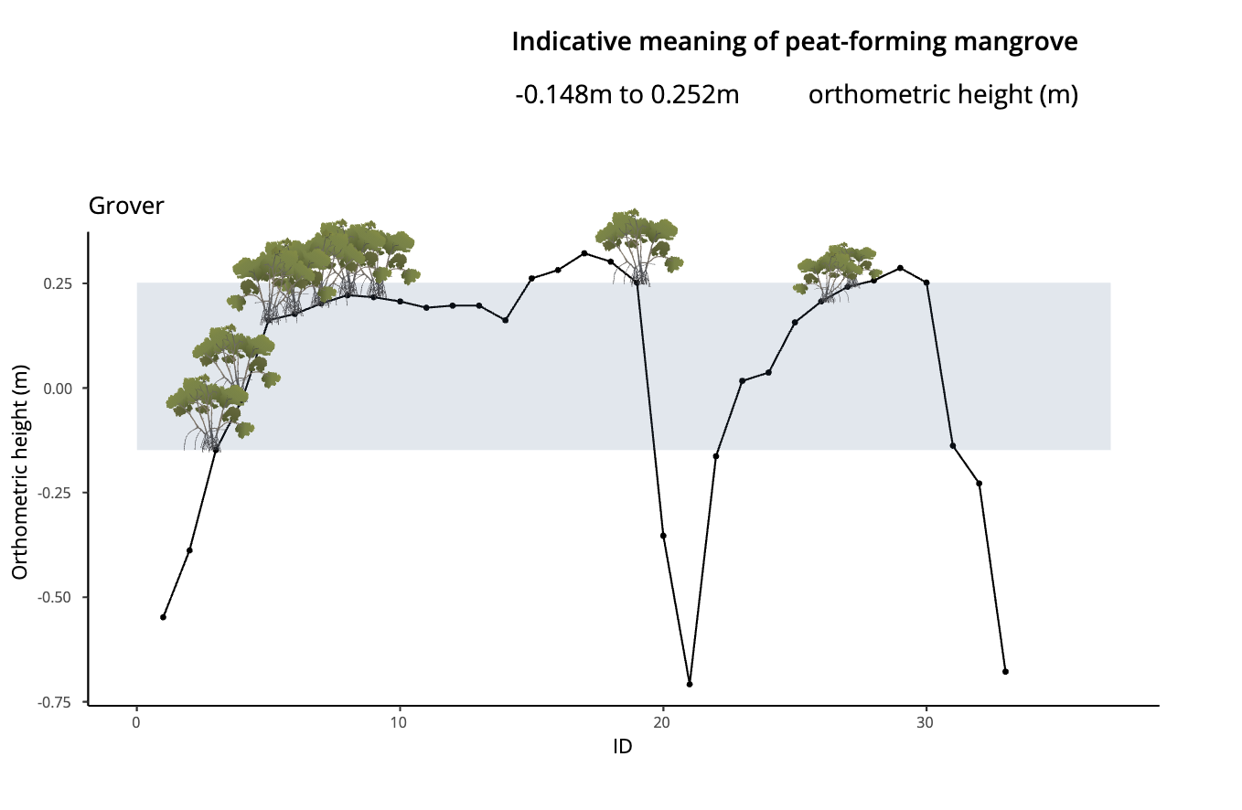
FS to St 12 | 1.725 | 0.745 | 0.04 | 0.19687 | "" | 0.20687
FS to St 13 | 1.725 | 0.745 | 0.04 | 0.19687 | "" | 0.19187
FS to St 14 | 1.76 | 0.71 | 0.005 | 0.16187 | "" | 0.19687
FS to St 15 | 1.66 | 0.81 | 0.105 | 0.26187 | "" | 0.19687
BS to St 15 | 1.7 |  |  |  |  | 0.16187
FS to St 16 | 1.68 | 0.83 | 0.125 | 0.28187 | into transition to area with tall (~3 m) Rhizo | 0.26187
FS to St 17 | 1.64 | 0.87 | 0.165 | 0.32187 | fully into tall Rhizo | 0.28187
FS to St 18 | 1.66 | 0.85 | 0.145 | 0.30187 | "" | 0.32187
FS to St 19 | 1.71 | 0.8 | 0.095 | 0.25187 | on boundary with depression/zone of peat collapse | 0.30187
BS to St 19 | 1.515 |  |  |  |  | 0.25187
FS to edge of flooded dwarf | 2.12 | 0.195 | -0.51 | -0.35313 |  | 0.20687
FS to flooded dwarf 1 | 2.475 | -0.16 | -0.865 | -0.70813 |  | 0.24187
FS to flooded dwarf 2 | 1.93 | 0.385 | -0.32 | -0.16313 |  | 0.25687
FS to flooded dwarf 3 | 1.75 | 0.565 | -0.14 | 0.01687 |  | 0.25187
FS to other edge of flooded dwarf | 1.73 | 0.585 | -0.12 | 0.03687
FS to base station | 1.61 | 0.705 | 0 | 0.15687 | TWIN BASE
FS to St 20 | 1.56 | 0.755 | 0.05 | 0.20687 | into peat-forming dwarf
FS to St 21 | 1.525 | 0.79 | 0.085 | 0.24187 | peat-forming dwarf
FS to t 22 | 1.51 | 0.805 | 0.1 | 0.25687 | in transition to fringe (still dwarf)
BS to St 22 | 1.415
FS to GR/19/C1 | 1.385 | 0.835 | 0.13 | 0.28687
FS to St 23 | 1.42 | 0.8 | 0.095 | 0.25187 | fully into channel-side Rhizo fringe (peat-forming)
FS to top of WL logger | 1.81 | 0.41 | -0.295 | -0.13813
FS to St 24 | 1.9 | 0.32 | -0.385 | -0.22813 | at mangrove platform edge (root mat)
FS to St 25 | 2.35 | -0.13 | -0.835 | -0.67813 | carbonate sand

Checking levels
BS | 9.765
FS | 9.895
Difference | -0.13

Oscar
Site: | OS/19 |  |  |  |  |  |  |  | OS as TBM | Ellipsoid height | Geoid Height | Orthometric height |  |  | OS C2 | Ellipsoid height | Geoid Height | Orthometric height | TWIN Base as TBM | Ellipsoid height | Geoid Height | Orthometric height
Date: | 2019-12-05 |  |  |  |  |  |  |  |  | -4.35345 | -4.61655 | 0.2631 |  |  |  | -4.49206 | -4.61245 | 0.12039 |  | -4.462 | -4.61887 | 0.15687
What: | Leveling OS environmental zones and strat transect

 | 0.71
 | 0.865
 | 0.89
 | 0.88
 | 0.88
 | 0.84
 | 0.82
 | 0.87
 | 0.77
 | 0.72
 | 0.68
 | 0.69
 | 0.85
 | 0.83
 | 0.83
 | 0.82
 | 0.79
 | 0.81
 | 0.61
 | 0.62
 | 0.59
 | 0.925
 | 1.03
 | 1
 | 0.985
 | 0.975
 | 0.965
 | 0.98
 | 0.99
 | 0.98
 | 1
 | 0.99
 | 0.945
 | 0.92
 | 0.875
 | 0.58
 | 0.995
Type | Reading (m) | Reduced level | Elevation (m TBM) | Orthometric elevation (m) | Environment/Notes |  | Indicative range |  |  | Elevation (m C2) | Orthometric elevation (m) | Elevation (m TBM) where TBM is TWINBase | Orthometric elevation (m) | diff OS &C2 | diff TWINBase & C2
BS to St 1 | 2.39 |  |  |  | below mangrove platform edge, organic rich carbonate mud |  | peat-forming mangrove
FS to St 2 | 1.68 | 0.71 | -0.13 | 0.1331 | into red mangrove fringe on platform, peat-forming mangrove |  |  |  |  | -0.08 | 0.0404 | -0.13 | 0.02687 | 0.09271 | -0.01352
FS to St 3 | 1.525 | 0.865 | 0.025 | 0.2881 | same as last, in dense roots at channel fringe (4 m canopy) |  | 0.1331 | min |  | 0.075 | 0.1954 | 0.025 | 0.18187 | 0.09271 | -0.01352
FS to St 4 | 1.5 | 0.89 | 0.05 | 0.3131 | transition to scrub dieback, canopy 2-3 m, peat forming |  | 0.4531 | max |  | 0.1 | 0.2204 | 0.05 | 0.20687 | 0.09271 | -0.01352
FS to St 5 | 1.51 | 0.88 | 0.04 | 0.3031 | same as last, canopy 1-2 m |  |  |  |  | 0.09 | 0.2104 | 0.04 | 0.19687 | 0.09271 | -0.01352
FS to St 6 | 1.51 | 0.88 | 0.04 | 0.3031 | fully into dwarf zone, peat forming |  | 0.1331 |  |  | 0.09 | 0.2104 | 0.04 | 0.19687 | 0.09271 | -0.01352
FS to TBM | 1.55 | 0.84 | 0 | 0.2631 | Tanghua to set up RTK Rover here | TBM refers to OS on RTK sheet | 0.2881 |  |  | 0.05 | 0.1704 | 0 | 0.15687 | 0.09271 | -0.01352
BS to TBM | 1.45 |  |  |  |  |  | 0.3131
FS to C1 | 1.47 | 0.82 | -0.02 | 0.2431 |  |  | 0.3031 |  |  | 0.03 | 0.1504 | -0.02 | 0.13687 | 0.09271 | -0.01352
FS to St 7 | 1.42 | 0.87 | 0.03 | 0.2931 | "" |  | 0.3031 |  |  | 0.08 | 0.2004 | 0.03 | 0.18687 | 0.09271 | -0.01352
FS to St 8 | 1.52 | 0.77 | -0.07 | 0.1931 | getting into flooded dwarf zone with jelly fish |  | 0.2931 |  |  | -0.02 | 0.1004 | -0.07 | 0.08687 | 0.09271 | -0.01352
FS to St 9 | 1.57 | 0.72 | -0.12 | 0.1431 | "" |  | 0.4531 |  |  | -0.07 | 0.0504 | -0.12 | 0.03687 | 0.09271 | -0.01352
FS to St 10 | 1.61 | 0.68 | -0.16 | 0.1031 | "" |  | 0.4231 |  |  | -0.11 | 0.0104 | -0.16 | -0.00313 | 0.09271 | -0.01352
FS to St 11 | 1.6 | 0.69 | -0.15 | 0.1131 | "" |  | 0.4081 |  |  | -0.1 | 0.0204 | -0.15 | 0.00687 | 0.09271 | -0.01352
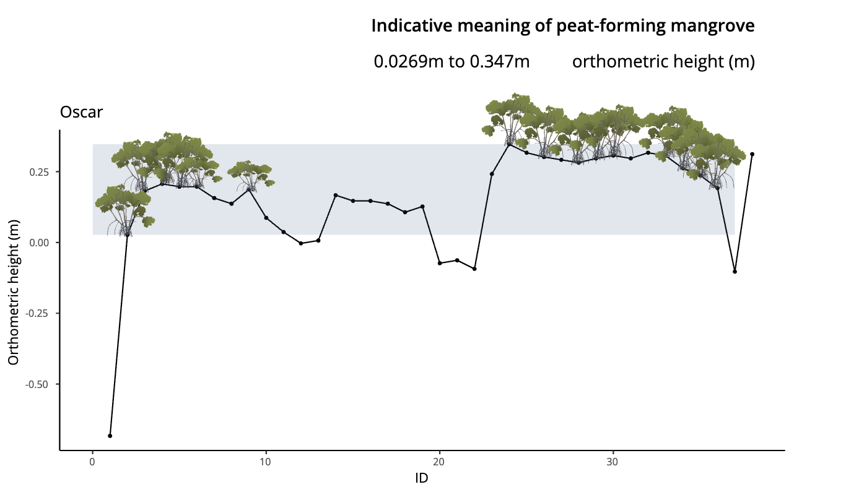
FS to St 12 | 1.44 | 0.85 | 0.01 | 0.2731 | into denser, firmer ground |  | 0.3881 |  |  | 0.06 | 0.1804 | 0.01 | 0.16687 | 0.09271 | -0.01352
FS to St 13 | 1.46 | 0.83 | -0.01 | 0.2531 | "" |  | 0.4031 |  |  | 0.04 | 0.1604 | -0.01 | 0.14687 | 0.09271 | -0.01352
FS to St 14 | 1.46 | 0.83 | -0.01 | 0.2531 | "" |  | 0.4131 |  |  | 0.04 | 0.1604 | -0.01 | 0.14687 | 0.09271 | -0.01352
FS to St 15 | 1.47 | 0.82 | -0.02 | 0.2431 | "" |  | 0.4231 |  |  | 0.03 | 0.1504 | -0.02 | 0.13687 | 0.09271 | -0.01352
FS to C2 | 1.5 | 0.79 | -0.05 | 0.2131 |  |  | 0.4131 |  |  | 0 | 0.1204 | -0.05 | 0.10687 | 0.09271 | -0.01352
FS to St 16 | 1.48 | 0.81 | -0.03 | 0.2331 | "" |  | 0.3681 |  |  | 0.02 | 0.1404 | -0.03 | 0.12687 | 0.09271 | -0.01352
FS | 1.68 | 0.61 | -0.23 | 0.0331 | no sample, into deeper water near pond |  | 0.3431 |  |  | -0.18 | -0.0596 | -0.23 | -0.07313 | 0.09271 | -0.01352
FS to St 17 | 1.67 | 0.62 | -0.22 | 0.0431 |  |  | 0.2981 |  |  | -0.17 | -0.0496 | -0.22 | -0.06313 | 0.09271 | -0.01352
FS | 1.7 | 0.59 | -0.25 | 0.0131 |  |  |  |  |  | -0.2 | -0.0796 | -0.25 | -0.09313 | 0.09271 | -0.01352
BS | 1.96
FS to St 18 | 1.625 | 0.925 | 0.085 | 0.3481 | height of nconsolidated algal/microbial mat surface in open pond (exposed at low tide) |  |  |  |  | 0.135 | 0.2554 | 0.085 | 0.24187 | 0.09271 | -0.01352
FS to St 19 | 1.52 | 1.03 | 0.19 | 0.4531 | into peat forming env again, red, black, and white mangroves in basin zone |  |  |  |  | 0.24 | 0.3604 | 0.19 | 0.34687 | 0.09271 | -0.01352
BS to St 19 | 1.335
FS to St 20 | 1.365 | 1 | 0.16 | 0.4231 | further into basin with big black trees |  |  |  |  | 0.21 | 0.3304 | 0.16 | 0.31687 | 0.09271 | -0.01352
BS to St 20 | 1.6 |  |  |  |  |  |  |  |  | -0.79 | -0.6696 | -0.84 | -0.68313 | 0.66961 | -0.01352
FS to St 21 | 1.615 | 0.985 | 0.145 | 0.4081 | big blacks and ~-m reds, peat forming |  |  |  |  | 0.195 | 0.3154 | 0.145 | 0.30187 | 0.09271 | -0.01352
BS to St 21 | 1.55
FS to C3 | 1.56 | 0.975 | 0.135 | 0.3981 |  |  |  |  |  | 0.185 | 0.3054 | 0.135 | 0.29187 | 0.09271 | -0.01352
FS to St 22 | 1.57 | 0.965 | 0.125 | 0.3881 | same as last, fewer blacks |  |  |  |  | 0.175 | 0.2954 | 0.125 | 0.28187 | 0.09271 | -0.01352
BS to St 22 | 1.66
FS to St 23 | 1.645 | 0.98 | 0.14 | 0.4031 | still in basin, Rhizo canopy ~ 1 m, few blacks |  |  |  |  | 0.19 | 0.3104 | 0.14 | 0.29687 | 0.09271 | -0.01352
FS to St 24 | 1.635 | 0.99 | 0.15 | 0.4131 | same as last |  |  |  |  | 0.2 | 0.3204 | 0.15 | 0.30687 | 0.09271 | -0.01352
BS to St 24 | 1.62
FS | 1.63 | 0.98 | 0.14 | 0.4031 |  |  |  |  |  | 0.19 | 0.3104 | 0.14 | 0.29687 | 0.09271 | -0.01352
BS | 1.43
FS to St 25 | 1.41 | 1 | 0.16 | 0.4231 | in transition from basin to fringe |  |  |  |  | 0.21 | 0.3304 | 0.16 | 0.31687 | 0.09271 | -0.01352
FS to St 26 | 1.42 | 0.99 | 0.15 | 0.4131 | fully into peat-forming fringe Rhizo |  |  |  |  | 0.2 | 0.3204 | 0.15 | 0.30687 | 0.09271 | -0.01352
BS to St 26 | 1.455
FS to St 27 | 1.5 | 0.945 | 0.105 | 0.3681 | "" |  |  |  |  | 0.155 | 0.2754 | 0.105 | 0.26187 | 0.09271 | -0.01352
FS to St 28 | 1.525 | 0.92 | 0.08 | 0.3431 | "" |  |  |  |  | 0.13 | 0.2504 | 0.08 | 0.23687 | 0.09271 | -0.01352
FS to St 29 | 1.57 | 0.875 | 0.035 | 0.2981 | on edge of Rhizo fringe with open water in inlet |  |  |  |  | 0.085 | 0.2054 | 0.035 | 0.19187 | 0.09271 | -0.01352
FS to St 30 | 1.865 | 0.58 | -0.26 | 0.0031 | in open water, channel much/microbial mat substrte (stuff I was in chest deep when tying up boat) |  |  |  |  | -0.21 | -0.0896 | -0.26 | -0.10313 | 0.09271 | -0.01352
FS to C4 | 1.45 | 0.995 | 0.155 | 0.4181 |  |  |  |  |  | 0.205 | 0.3254 | 0.155 | 0.31187 | 0.09271 | -0.01352

Checking levels |  |  |  |  |  |  |  |  |  | double check with Nicole again because of smaller difference in ortho heights of TWINBase and OSC2 vs for OS and OSC2
BS | 16.45 |  |  |  |  |  |  |  |  | If I used TWIN Base as TBM, orthometric elevations would be ~10cm lower |  |  |  | -10.623
FS | 15.455 |  |  |  |  |  |  |  |  | If I used C2 to tie elevations, orthometric elevations would be ~10cm lower |  |  |  | -9.2710
Difference | 0.995

BertErnie
Site: | BE/19 |  |  |  | Note: core 4 was not levelled to in the modern transect, although there was an RTK point |  |  | TWINBase TBM | Ellipsoid height | Geoid Height | Orthometric height | BE Rover | Ellipsoid height | Geoid Height | Orthometric height
Date: | 5/14/19-5/15/19 |  |  |  |  |  |  |  | -4.462 | -4.61887 | 0.15687 |  | -4.42305 | -4.6291 | 0.20605
What: | Leveling BE environmental zones and strat transect |  |  |  | check indicative meanings again with Nicole!

 | 0.24
 | 0.51
 | 0.61
 | 0.63
 | 0.63
 | 0.66
 | 0.79
 | 0.96
 | 0.76
 | 0.75
 | 0.76
 | 0.75
 | 0.74
 | 0.71
 | 0.7
 | 0.695
 | 0.64
 | 0.61
 | 0.58
 | 0.53
 | 0.49
 | 0.45
 | 0.48
 | 0.51
 | 0.68
Type | Reading (m) | Reduced level | Elevation (m above Rover) | Orthometric height (m) | Environment/Notes | Indicative range
BS to St 1 | 2.1 |  |  |  | Just outside of fringe near entrace to channel, substrate fine carbonate sand with detrital organics | peat forming mangrove
FS to St 2 | 1.86 | 0.24 | -0.24 | -0.03395 | Substrate same as last, moved into edge of red fringe
FS to St 3 | 1.59 | 0.51 | 0.03 | 0.23605 | substrate dense root mat withh sand and algae accumulating at surface
FS to St 4 | 1.49 | 0.61 | 0.13 | 0.33605 | substrate same as last (more sandy)
FS to St 5 | 1.47 | 0.63 | 0.15 | 0.35605 | substrate sandy peat with algal mat
FS to St 6 | 1.47 | 0.63 | 0.15 | 0.35605 | same as St 5 with more organic debris (leaves, bark) accummulating at surface | 0.21605 | min
FS to St 7 | 1.44 | 0.66 | 0.18 | 0.38605 | boundary between fringe and basin, substrate - peat accumulating with leaves and organic matter, no mat | 0.51605 | max
FS to St 8 | 1.31 | 0.79 | 0.31 | 0.51605 | mixed species basin, thick accumulations of organic matter, sea grass and algae washed in with leaves, no root mat
FS to TBM | 1.14 | 0.96 | 0.48 | 0.68605 | end of day, set up TBM. Does not refer to TWINBase; temporary benchmark set up to tie one survey to the survey on the next day, but orthometric height not measured at this location | 0.38605
BS to TBM | 1.25 |  |  |  |  | 0.51605
FS to St 9 | 1.45 | 0.76 | 0.28 | 0.48605 | stations up to this point have been spaced ~3 apart, n mixed species basin, sampled collected near white and black pneumatophores, substrate same as st 8 | 0.48605
FS to St 10 | 1.46 | 0.75 | 0.27 | 0.47605 | less thick pile of organic matter, was 10-15 cm at 8 and 9, now ~ 5 cm, Rhizo dominated | 0.47605
FS to St 11 | 1.45 | 0.76 | 0.28 | 0.48605 | same as St 10 with some black and white pneumos | 0.48605
 | 1
FS to St 12 | 1.46 | 0.75 | 0.27 | 0.47605 | same as St 11, transitioning to lower Rhizo canopy and higher blacks (4 m) | 0.47605
FS to St 13 | 1.47 | 0.74 | 0.26 | 0.46605 | denser 4-5 m black mangroves and 2-3 Rhizos, humic accumulation thinner ~0-2 cm | 0.46605
BS to St 13 | 1.47 |  |  |  |  | 0.43605
FS to St 14 | 1.5 | 0.71 | 0.23 | 0.43605 | same depositional env as St 13 with fewer black trees | 0.42605
FS to St 15 | 1.51 | 0.7 | 0.22 | 0.42605 | transitioned from mixed species to all Rhizos - canopy ~ 2 m | 0.42105
BS to St 15 | 1.53 |  |  |  |  | 0.36605
FS to St 16 | 1.535 | 0.695 | 0.215 | 0.42105 | substrate dense root mat with 1-2 mm of humic organic material at surface | 0.33605
FS to St 17 | 1.59 | 0.64 | 0.16 | 0.36605 | less dense dwarf Rhizo basin, thick dense root mat as substrate | 0.30605
FS to St 18 | 1.62 | 0.61 | 0.13 | 0.33605 | same as St 17 | 0.25605
FS to St 19 | 1.65 | 0.58 | 0.1 | 0.30605 | "" | 0.21605
FS to St 20 | 1.7 | 0.53 | 0.05 | 0.25605 | ""
FS to St 21 | 1.74 | 0.49 | 0.01 | 0.21605 | ""
FS to BE/19/C1 | 1.78 | 0.45 | -0.03 | 0.17605
FS to ROVER | 1.75 | 0.48 | 0 | 0.20605 | BE Rover (RTK point)
BS to ROVER | 1.68 |  | -0.48
FS to BE/19/C2 | 1.65 | 0.51 | 0.03 | 0.23605
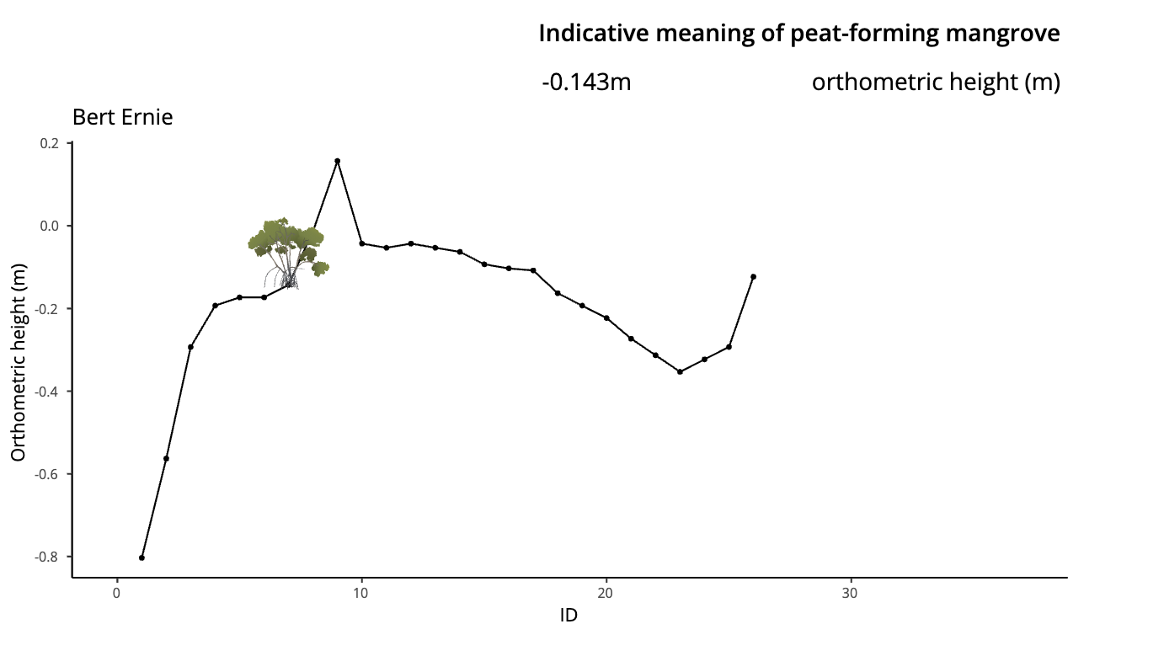
FS to BE/19/C3 | 1.48 | 0.68 | 0.2 | 0.40605

Checking levels
BS | 8.03
FS | 7.35
Difference | 0.68

BigBird (Fangyi)
Site: | BB/19 |  |  |  |  |  |  | BB Rover | Ellipsoid height | Geoid Height | Orthometric height
Date: | 2019-05-18 |  |  |  |  |  |  |  | -4.42867 | -4.59775 | 0.16908
What: | Leveling and sampling modern transect

 | 0.32
 | 0.49
 | 0.56
 | 0.58
 | 0.63
 | 0.67
 | 0.67
 | 0.655
 | 0.65
 | 0.655
 | 0.635
 | 0.605
 | 0.595
 | 0.425
 | 0.385
 | 0.375
 | 0.335
 | 0.385
 | 0.375
 | 0.435
 | 0.565
 | 0.595
 | 0.595
 | 0.605
 | 0.625
 | 0.655
 | 0.675
 | 0.705
 | 0.615
 | 0.605
 | 0.595
 | 0.555
 | 0.505
 | 0.425
 | 0.385
 | 0.125
Type | Reading (m) | Reduced level | Elevation (m above Rover) | Orthometric height (m) | Environment/Notes | Indicative range
BS to St 1 | 2.16 |  |  |  | Dense algal layer over rooted surface, sea grass and organics just beyond fringe in channel
FS to St 2 | 1.84 | 0.32 | -0.055 | 0.11408 | same as st. 1
FS to St 3 | 1.67 | 0.49 | 0.115 | 0.28408 | into peat-forming boundary (bottom edge) in red fringe | 0.21908 | min
FS to St 4 | 1.6 | 0.56 | 0.185 | 0.35408 |  | 0.49908 | max
FS to St 5 | 1.58 | 0.58 | 0.205 | 0.37408
FS to St 6 | 1.53 | 0.63 | 0.255 | 0.42408 | accumulation of leaf litter and sea grass at surface; black and white pneumos | 0.28408
FS to St 7 | 1.49 | 0.67 | 0.295 | 0.46408 |  | 0.35408
FS to St 8 | 1.49 | 0.67 | 0.295 | 0.46408 | at back end of fringe; black and white pneumos present | 0.37408
FS to St 9 | 1.505 | 0.655 | 0.28 | 0.44908 | transition into dwarf basin; less dense root mat than in fringe | 0.42408
BS to St 9 | 1.4 |  |  |  |  | 0.46408
FS to St 10 | 1.405 | 0.65 | 0.275 | 0.44408 | same as st 9 | 0.46408
FS to St 11 | 1.4 | 0.655 | 0.28 | 0.44908 | transition entering dwarf basin; substrate same as st 9; black pneumos but all Rhizo trees at ~2 m | 0.44408
FS to St 12 | 1.42 | 0.635 | 0.26 | 0.42908 |  | 0.44908
BS to St 12 | 1.66 |  |  |  |  | 0.42908
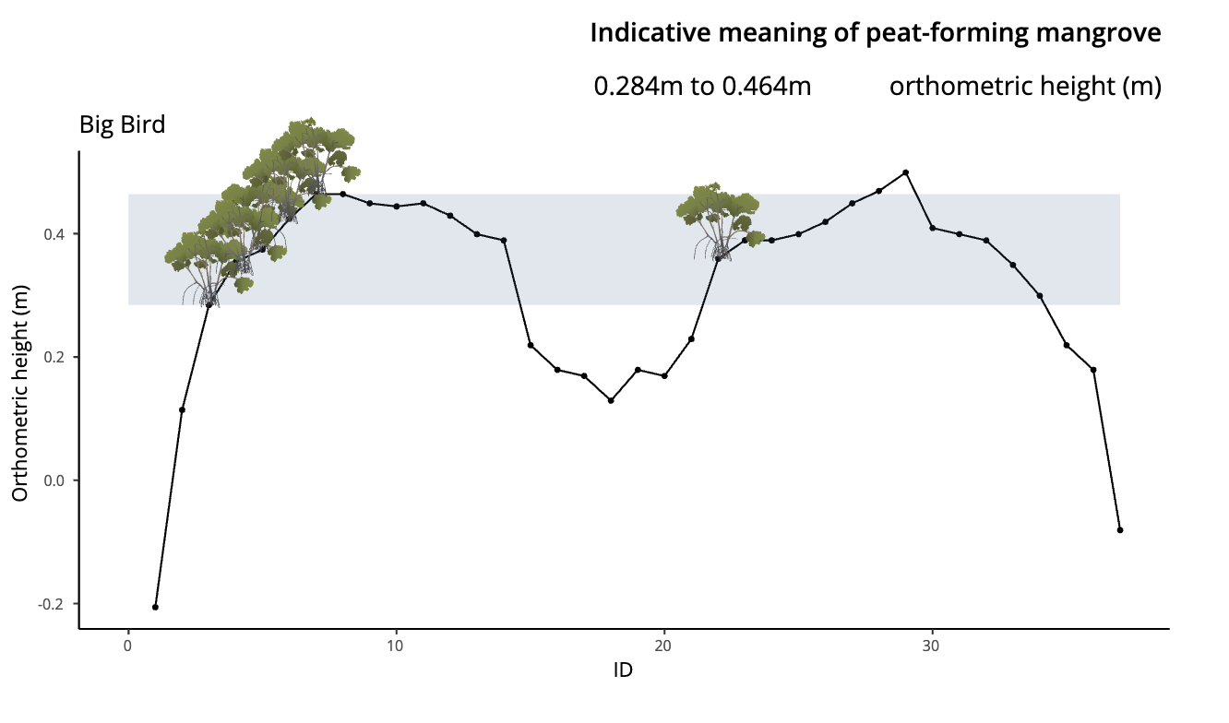
FS to St 13 | 1.69 | 0.605 | 0.23 | 0.39908 |  | 0.39908
FS to St 14 | 1.7 | 0.595 | 0.22 | 0.38908 | into dwarf basin; denser root mat than st 13 | 0.38908
FS to St 15 | 1.87 | 0.425 | 0.05 | 0.21908 | into sparse dwarf pond | 0.35908
FS to St 16 | 1.91 | 0.385 | 0.01 | 0.17908 | "" | 0.44908
BS to St 16 | 1.58 |  |  |  |  | 0.46908
FS to Rover | 1.59 | 0.375 | 0 | 0.16908 | "" | 0.49908
FS to St 17 | 1.63 | 0.335 | -0.04 | 0.12908 | "" | 0.40908
FS to St 18 | 1.58 | 0.385 | 0.01 | 0.17908 | all in dwarf pond zone | 0.39908
FS to open pond | 1.59 | 0.375 | 0 | 0.16908 |  | 0.38908
FS to St 19 | 1.53 | 0.435 | 0.06 | 0.22908 | open pond | 0.34908
BS to St 19 | 1.45 |  |  |  |  | 0.29908
FS to St 20 | 1.32 | 0.565 | 0.19 | 0.35908 | 100% Rhizo basin ~2m; rooted peat and thin layer of mangrove detritis | 0.21908
FS to St 21 | 1.29 | 0.595 | 0.22 | 0.38908
FS to Rhizo basin | 1.29 | 0.595 | 0.22 | 0.38908
BS to Rhizo basin | 1.4
FS to St 22 | 1.39 | 0.605 | 0.23 | 0.39908
FS to St 23 | 1.37 | 0.625 | 0.25 | 0.41908
BS to St 23 | 1.43
FS to St 24 | 1.4 | 0.655 | 0.28 | 0.44908 | mixed species basin, black ~4 m Rhizo, Rhizo ~3m and turtle grass
FS to mixed basin | 1.38 | 0.675 | 0.3 | 0.46908
BS to mixed basin | 1.43
FS to St 25 | 1.4 | 0.705 | 0.33 | 0.49908 | same as station 24 but no turtle grass
FS to St 26 | 1.49 | 0.615 | 0.24 | 0.40908 | back of fringe, transition from mixed species basin
FS to St 27 | 1.5 | 0.605 | 0.23 | 0.39908 | fully into fringe, little leaf litter but thick algal layer over root mat
BS to St 27 | 1.37
FS to St 28 | 1.38 | 0.595 | 0.22 | 0.38908
FS to St 29 | 1.42 | 0.555 | 0.18 | 0.34908 | gnats are the WORST
FS to St 30 | 1.47 | 0.505 | 0.13 | 0.29908
FS to St 31 | 1.55 | 0.425 | 0.05 | 0.21908
FS to St 32 | 1.59 | 0.385 | 0.01 | 0.17908 | root mat that's been undercut above mat is carbonate sand layer
FS to St 33 | 1.85 | 0.125 | -0.25 | -0.08092 | fully out of fringe; rooted fine carbonate sand with organic debris

Checking levels
BS | 13.88
FS | 13.755
Difference | 0.125

BigBird (Nicole)
 | 0.32
 | 0.49
 | 0.56
 | 0.58
 | 0.63
 | 0.67
 | 0.67
 | 0.655
 | 0.76
 | 0.755
 | 0.76
 | 0.74
 | 0.73
 | 0.56
 | 0.52
 | 0.85
 | 0.84
 | 0.8
 | 0.85
 | 0.84
 | 0.9
 | 1.03
 | 1.06
 | 1.06
 | 1.07
 | 1.09
 | 1.12
 | 1.14
 | 1.17
 | 1.08
 | 1.07
 | 1.06
 | 1.02
 | 0.97
 | 0.89
 | 0.85
 | 0.59
Site: | BB/19
Date: | 2019-05-18
What: | Leveling and sampling modern transect |  |  | NK calculated

Type | Reading (m) | Reduced level | Environment/Notes
BS to St 1 | 2.16 | 0.32 | Dense algal layer over rooted surface, sea grass and organics just beyond fringe in channel
FS to St 2 | 1.84 | 0.49 | same as st. 1
FS to St 3 | 1.67 | 0.56 | into peat-forming boundary (bottom edge) in red fringe
FS to St 4 | 1.6 | 0.58
FS to St 5 | 1.58 | 0.63
FS to St 6 | 1.53 | 0.67 | accumulation of leaf litter and sea grass at surface; black and white pneumos
FS to St 7 | 1.49 | 0.67
FS to St 8 | 1.49 | 0.655 | at back end of fringe; black and white pneumos present
FS to St 9 | 1.505 | 0.76 | transition into dwarf basin; less dense root mat than in fringe
BS to St 9 | 1.4
FS to St 10 | 1.405 | 0.755 | same as st 9
FS to St 11 | 1.4 | 0.76 | transition entering dwarf basin; substrate same as st 9; black pneumos but all Rhizo trees at ~2 m
FS to St 12 | 1.42 | 0.74
BS to St 12 | 1.66
FS to St 13 | 1.69 | 0.73
FS to St 14 | 1.7 | 0.56 | into dwarf basin; denser root mat than st 13
FS to St 15 | 1.87 | 0.52 | into sparse dwarf pond
FS to St 16 | 1.91 | 0.85 | ""
BS to St 16 | 1.58
FS to Rover | 1.59 | 0.84 | ""
FS to St 17 | 1.63 | 0.8 | ""
FS to St 18 | 1.58 | 0.85 | all in dwarf pond zone
FS to open pond | 1.59 | 0.84
FS to St 19 | 1.53 | 0.9 | open pond
BS to St 19 | 1.45
FS to St 20 | 1.32 | 1.03 | 100% Rhizo basin ~2m; rooted peat and thin layer of mangrove detritis
FS to St 21 | 1.29 | 1.06
FS to Rhizo basin | 1.29 | 1.06
BS to Rhizo basin | 1.4
FS to St 22 | 1.39 | 1.07
FS to St 23 | 1.37 | 1.09
BS to St 23 | 1.43
FS to St 24 | 1.4 | 1.12 | mixed species basin, black ~4 m Rhizo, Rhizo ~3m and turtle grass
FS to mixed basin | 1.38 | 1.14
BS to mixed basin | 1.43
FS to St 25 | 1.4 | 1.17 | same as station 24 but no turtle grass
FS to St 26 | 1.49 | 1.08 | back of fringe, transition from mixed species basin
FS to St 27 | 1.5 | 1.07 | fully into fringe, little leaf litter but thick algal layer over root mat
BS to St 27 | 1.37
FS to St 28 | 1.38 | 1.06
FS to St 29 | 1.42 | 1.02 | gnats are the WORST
FS to St 30 | 1.47 | 0.97
FS to St 31 | 1.55 | 0.89
FS to St 32 | 1.59 | 0.85 | root mat that's been undercut above mat is carbonate sand layer
FS to St 33 | 1.85 | 0.59 | fully out of fringe; rooted fine carbonate sand with organic debris

Checking levels
BS | 13.88
FS | 13.755
Difference | 0.125

CookieMonster
Site: | CM/19 |  |  |  |  | TFY Calculated |  | CM Rover | Ellipsoid height | Geoid Height | Orthometric height
Date: | 2019-05-19 |  |  |  |  |  |  |  | -4.57181 | -4.63752 | 0.06571
What: | Leveling modern transect and environmental zones
 | 0.005
 | 0.12
 | 0.235
 | 0.33
 | 0.375
 | 0.38
 | 0.38
 | 0.375
 | 0.395
 | 0.44
 | 0.4
 | 0.325
 | 0.275
 | 0.085
 | -0.165
 | -0.265
Type | Reading | Reduced level | Elevation (m above Rover) | Orthometric height (m) | Notes |  | Indicative meaning
BS to Rover | 1.83 | 0 |  |  |  |  | peat-forming mangrove
FS to St 1 | 1.825 | 0.005 | 0.005 | 0.07071 | In open pond
FS to St 2 | 1.71 | 0.12 | 0.12 | 0.18571 | In dwarf fringing pond, red algal mat on top of leaf layer, root mat (not so dense) below
FS to St 3 | 1.595 | 0.235 | 0.235 | 0.30071 | In the middle of inundated dwarf zone, still thick algal mat and leaf litter, starting to see balck pneumos
FS to St 4 | 1.5 | 0.33 | 0.33 | 0.39571
BS to St 4 | 1.68 |  |  |  |  |  | 0.39071 | min
FS to St 5 | 1.635 | 0.375 | 0.375 | 0.44071 | Into back of monospecific black zone, think layer of green algae on peat surface (first peat-forming station) |  | 0.50571 | max
FS to St 6 | 1.63 | 0.38 | 0.38 | 0.44571 | Into black zone, some Batis present nearby
FS to St 7 | 1.63 | 0.38 | 0.38 | 0.44571 | "" but no Batis |  | 0.44071
BS to St 7 | 1.475 |  |  |  |  |  | 0.44571
FS to St 8 | 1.48 | 0.375 | 0.375 | 0.44071 | "" |  | 0.44571
FS to St 9 | 1.46 | 0.395 | 0.395 | 0.46071 | In transition from black basin to Rhizo fringe |  | 0.44071
FS to St 10 | 1.415 | 0.44 | 0.44 | 0.50571 | In transition (on Rhizo side), still black pneumos, lots of trash accumulation here |  | 0.46071
FS to St 11 | 1.455 | 0.4 | 0.4 | 0.46571 | In fringe, in area of high tide accumulation |  | 0.50571
FS to St 12 | 1.53 | 0.325 | 0.325 | 0.39071 | In dense root mat |  | 0.46571
FS to St 13 | 1.58 | 0.275 | 0.275 | 0.34071 | "" green algae on mat |  | 0.39071
FS to St 14 | 1.77 | 0.085 | 0.085 | 0.15071 | root mat with carbonate sand on surface (seagrass groawing nearby)
FS to St 15 | 2.02 | -0.165 | -0.165 | -0.09929 | Just in Rhizo platform undercut near root, where wave-cut/under carbonate sand mat
FS to St 16 | 2.12 | -0.265 | -0.265 | -0.19929
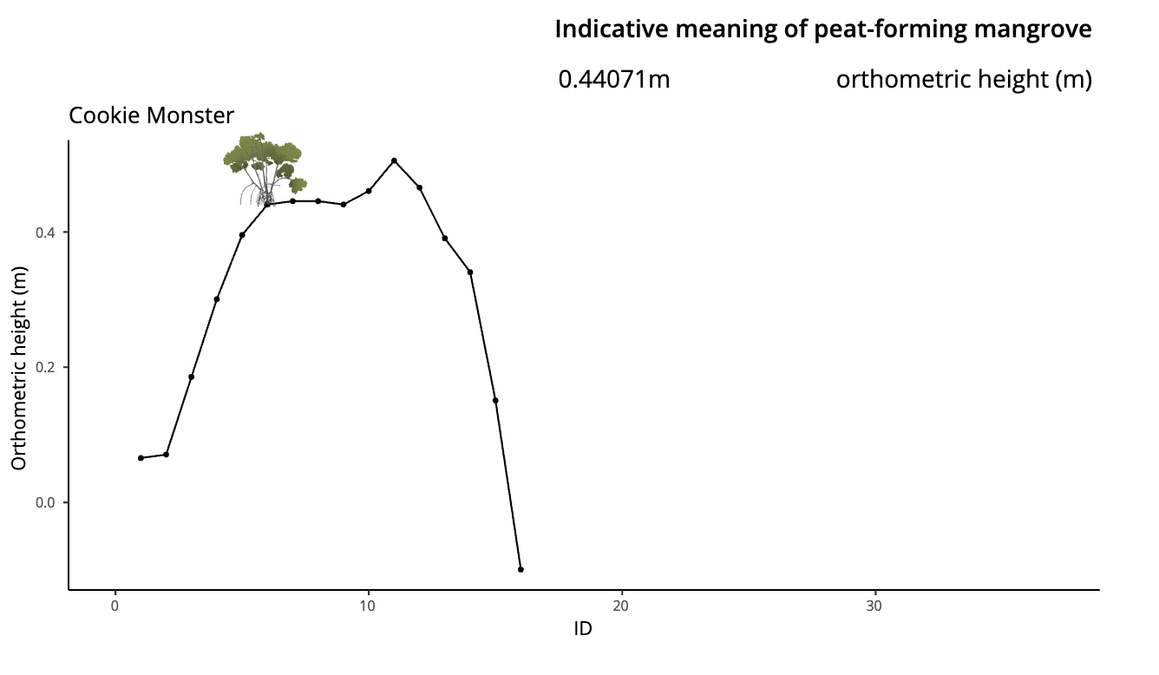
 | Checking levels
 | BS | 4.985
 | FS | 5.25
 | Difference | -0.265

Stratigraphy
Oscar transect
TS, JM, TL
5/13/19
 |  |  | 0 | 0
Core 1 | 16.83099 | -88.10534 | 12 | 0
Depth (cm) | Description
0-972 | Red mangrove peat
972-990 | transition to intertidal mud
990-1000 | intertidal mud

Core 2 | 16.83033 | -88.1059
Depth (cm) | Description
0-725 | Red mangrove peat
725-767 | Muddy mangrove peat
767-844 | intertidal mud
844 | bedrock

Core 3 | 16.8296 | -88.10652
Depth (cm) | Description
0-972 | Mangrove peat
972-1003 | transition to intertidal mud
1003-1100 | intertidal mud
1100 | bedrock

Core 4 | 16.8292 | -88.10688
Depth (cm) | Description
0-430 | Mangrove peat
430-510 | Shelly sandy mud with fine roots
510-970 | mangrove peat with 1-2 cm layers of shelly sandy mud at 515, 530, and 550 | *impenetrable object (wood?) at 670, started new core
970-1133 | muddy brown peat
1133-1300 | grey mud
1300- | couldn't penetrate further, mud very stiff

Bert and Ernie transect
TS, JM, TL
5/14/19

Core 1 | 16.83366 | -88.10463
Depth (cm) | Description
0-1117 | Mangrove peat
1117-1127 | transition to intertidal mud
1127-1137 | weathered bedrock (limestone)

Core 2 | 16.83419 | -88.1049
Depth (cm) | Description
0-1113 | Mangrove peat
1113-1130 | transition to intertidal mud
1130-1150 intertidal mud
1150 | bedrock

Core 3 | 16.83478 | -88.10503
0-1120 | Mangrove peat
1170 | Bedrock (intertidal mud not recovered

Core 4 | 16.83509 | 88.10499
0-750 | Mangrove peat
750-810 | Transition to grey mud
810-833 | unrecoverable
833 | bedrock

