Sheet1
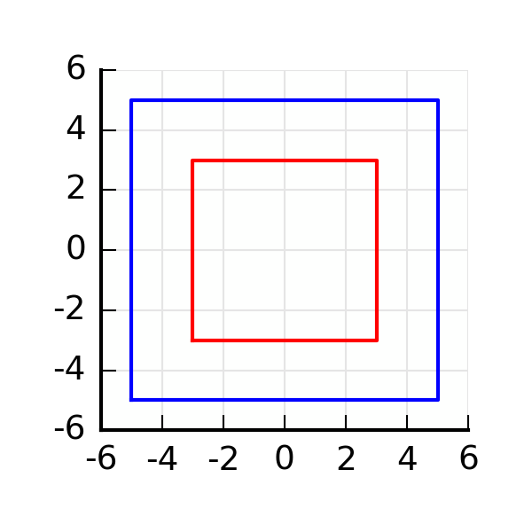
ID: | 20160425144344
Area: | 64
Sx | 0
Sy | 0
Ix | 725.33333333
Iy | 725.33333333
Ixy | 0
centroid | [0.0, 0.0]
tan_alfa | pi/4
ix | 3.3665016461
iy | 3.3665016461

