Sheet1
TR |  | Test Path
A | [1,2] | [1,2,3,4,5,4,5,6,4,7,8,9,10,11,12,13,15,16,17,18,19,20,16,17,19,21,16,39,8,9,10,12,14,15,16,39,8,22,23,24,25,26,27,25,26,27,28,29,30,31,32,33,31,32,33,34,35,23,24,25,29,30,31,35,23,24,25,29,35,36,23,37,2,38]
B | [2,3]
C | [2,38]
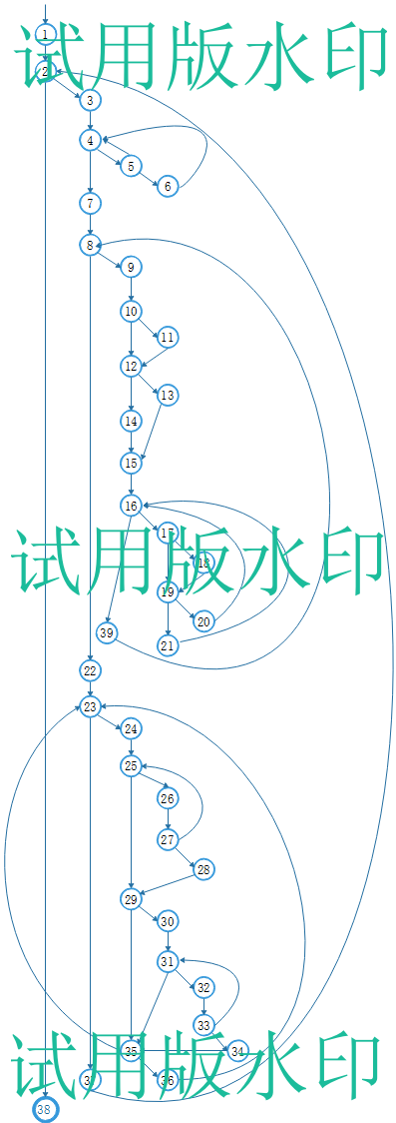
D | [3,4]
E | [4,5]
F | [4,7]
G | [5,6]
H | [5,4]
I | [6,4]
J | [7,8]
K | [8,9]
L | [8,22]
M | [9,10]
N | [10,11]
O | [10,12]
P | [11,12]
Q | [12,13]
R | [12,14]
S | [14,15]
T | [13,15]
U | [15,16]
V | [16,17]
W | [16,39]
X | [17,18]
Y | [17,19]
Z | [18,19]
AA | [19,20]
AB | [19,21]
AC | [21,16]
AD | [20,16]
AE | [39,8]
AF | [22,23]
AG | [23,24]
AH | [23,37]
AI | [24,25]
AJ | [25,26]
AK | [25,29]
AL | [26,27]
AM | [27,28]
AN | [27,25]
AO | [28,29]
AP | [29,30]
AQ | [29,35]
AR | [30,31]
AS | [31,32]
AT | [31,35]
AU | [32,33]
AV | [33,34]
AW | [33,31]
AX | [34,35]
AY | [35,36]
AZ | [35,23]
 | [36,23]

