Graph Example
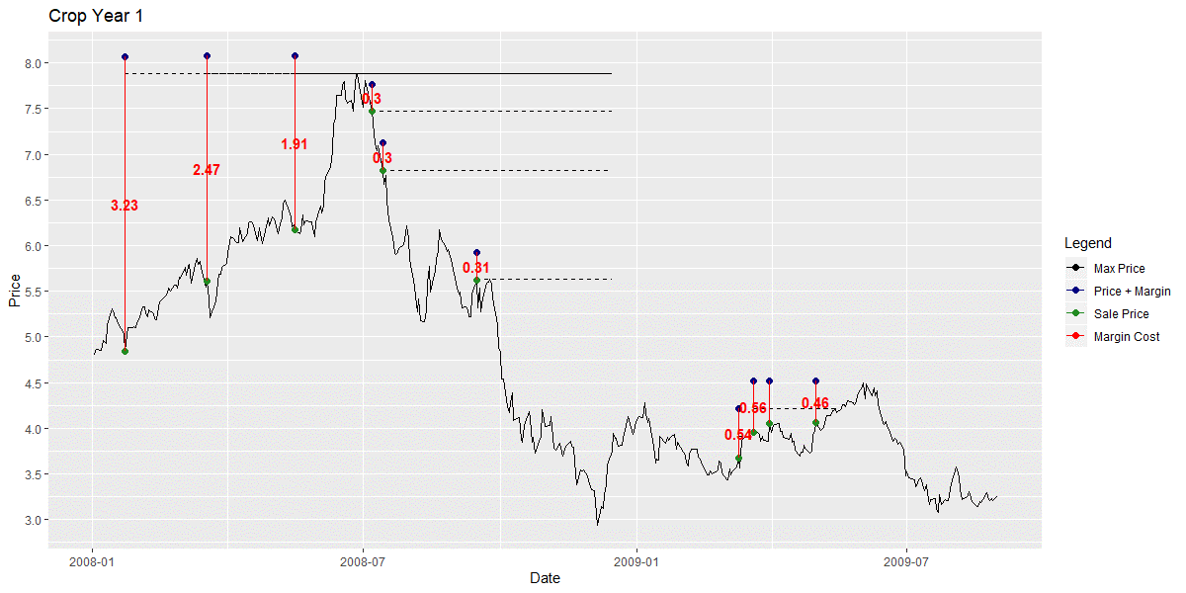
EXAMPLE: 2008-09 PO
Margin Requirement
Price With Margin
High Price for Interval

