Visualizations
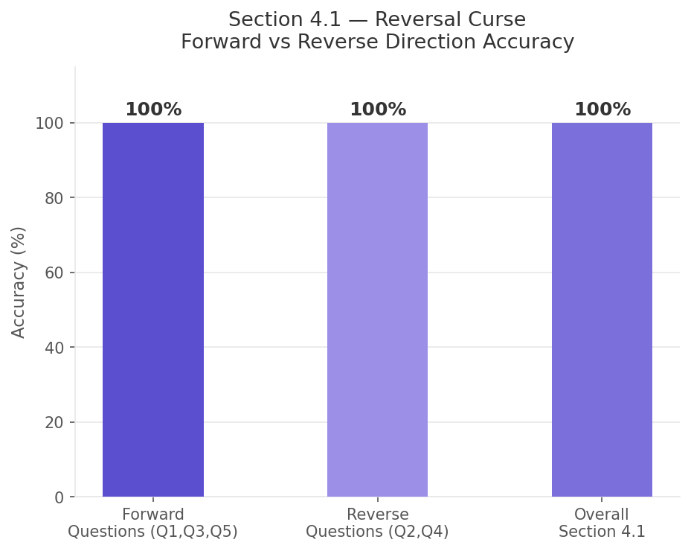
Farah Darweesh — Sections 4.1 (Reversal Curse) & 4.2 (Compositional Reasoning)

Figure 1: Correct vs Incorrect Responses
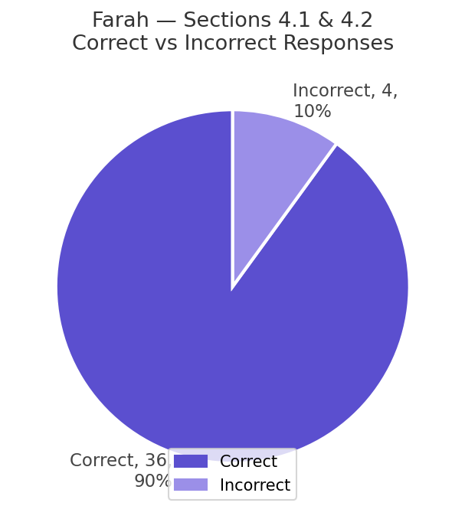

Figure 2: Accuracy per Topic per Model (Sections 4.1 & 4.2)
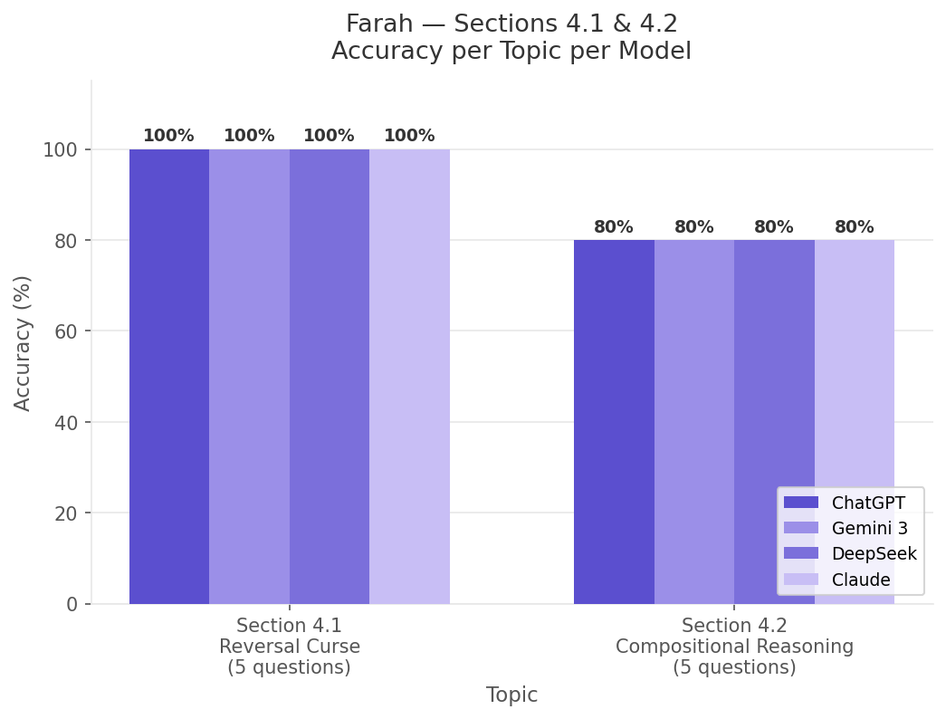

Figure 3: Q9 Hallucination Effect on Section 4.2 Accuracy
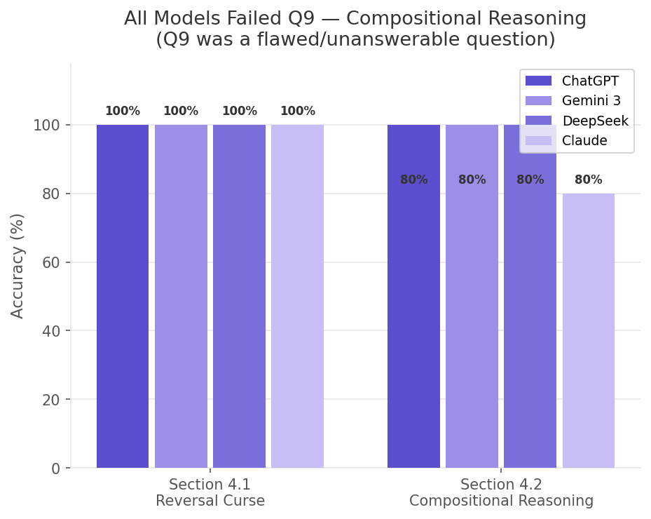

Figure 4: Section 4.1 — Forward vs Reverse Direction Accuracy

