liquid_phase_film_transfer_dif
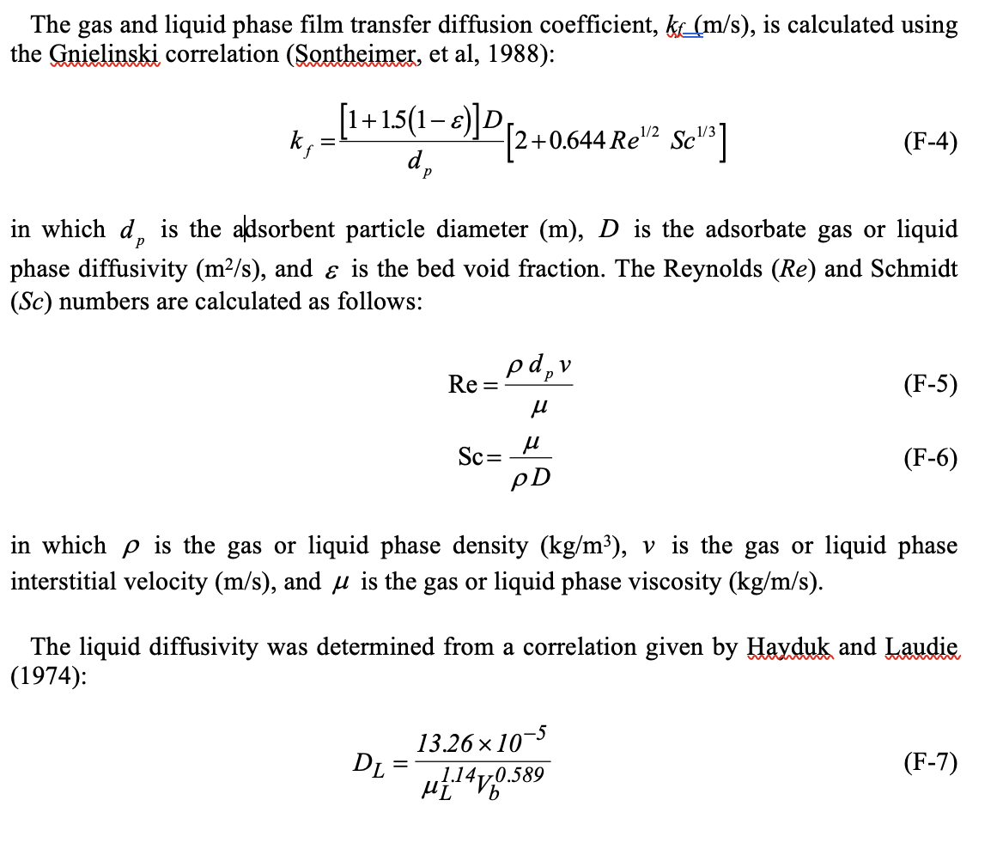
Type | kL (m/s) | DL (m2/L) | DL (cm^2/s) | Vb | Ds | constants |  | unit
CHLORIDE | 7.10E-02 | 2.7044785729E-07 | 2.7044785729E-05 | 18.63 |  | dp | 7.00E-05 | m
SULFATE | 7.92E-02 | 3.013932671E-07 | 3.013932671E-05 | 15.5 |  | Re | 0.93 | unitless
BICARBONATE | 5.05E-02 | 1.9209641635E-07 | 1.9209641635E-05 | 33.3 |  | Sc | 1785 | unitless
NITRATE | 5.17E-02 | 1.966552655E-07 | 1.966552655E-05 | 32 |  | u | 0.89 | cP
PFPeA | 2.04E-02 | 7.764858506E-08 | 7.764858506E-06 | 155 |  | vf | 0.01212920864 | m/s
PFHxA | 1.86E-02 | 7.0641004953E-08 | 7.0641004953E-06 | 182 |  | porosity € | 0.381 | non
GenX | 1.82E-02 | 6.9174314172E-08 | 6.9174314172E-06 | 188.6 |  | temp | 25 | C deg
PFBA | 2.28E-02 | 8.6914501653E-08 | 8.6914501653E-06 | 128 |  | n = | 1
PFMOAA | 2.55E-02 | 9.7125610545E-08 | 9.7125610545E-06 | 106 |  | shape factor = | 1.5
PMPA | 2.22E-02 | 8.460074554E-08 | 8.460074554E-06 | 134 |  | bed porosity | 0.381
4:2 FTS | 1.78E-02 | 6.7827924863E-08 | 6.7827924863E-06 | 195 |  | density | 1.05
 |  |  |  |  |  | apparent density | 1.69628433

Compound | MolarMass (g/mol) | MolarVolume (cm3/mol)
PFBA | 214.039 | 128
PFPeA | 264.047 | 155
PFHxA | 313.047 | 182
PFHpA | 364.062 | 210
PFOA | 414.07 | 237
PFNA | 463.07 | 265
PFDA | 513.078 | 292
PFMOAA | 180.03 | 106
PMPA | 230.038 | 134
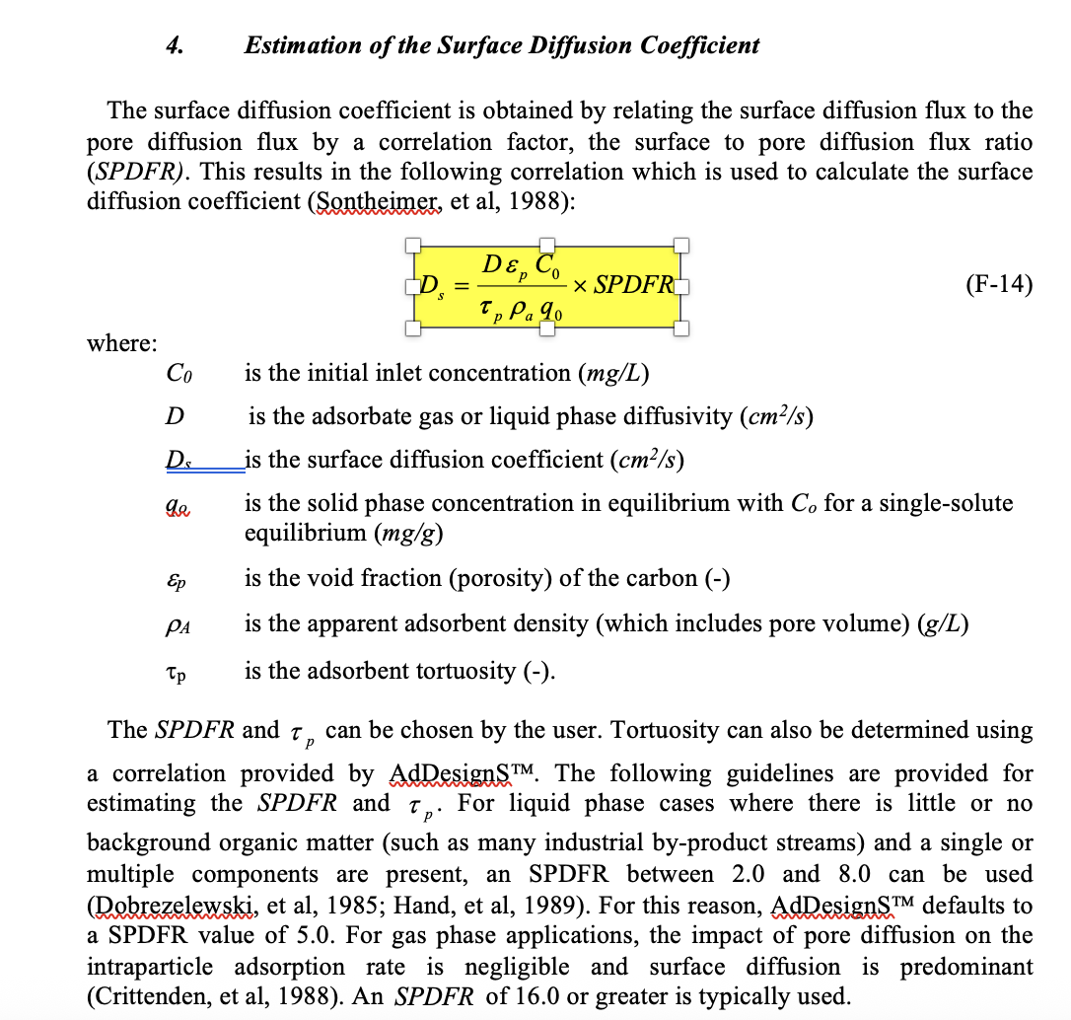
HFPO-DA | 330.053 | 189
PFBS | 300.09 | 162
PFHxS | 400.11 | 217
PFOS | 500.13 | 272
4:2FTS | 327.14 | 195
6:2FTS | 428.16 | 250
8:2FTS | 528.18 | 305
NFB1 | 444.12 | 240
NFB2 | 464.13 | 252
CHLORIDE | 35.45 | 18.63
SULFATE | 96.06 | 15.5
BICARBONATE | 61.02 | 33.3
NITRATE | 62.01 | 32

