liquid_phase_film_transfer_dif
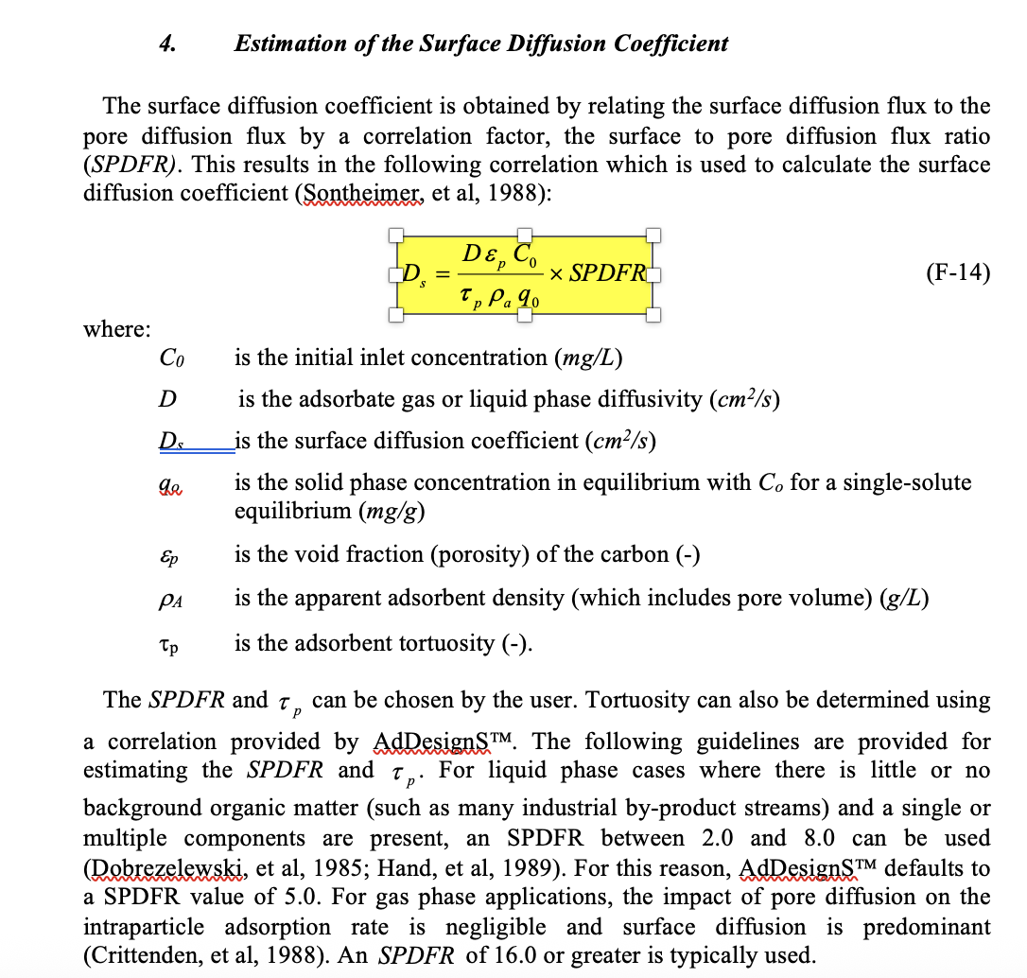
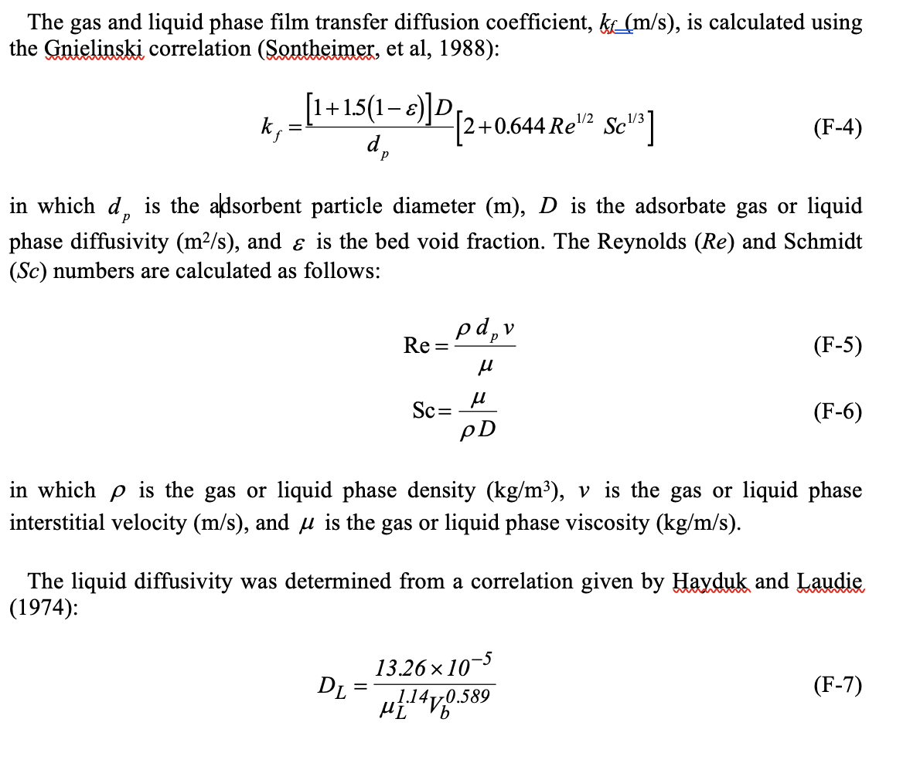
Type | kL (m/s) | DL (m2/L) | DL (cm^2/s) | Vb | Ds | constants |  | unit
CHLORIDE | 7.10E-02 | 2.7044785729E-07 | 2.7044785729E-05 | 18.63 |  | dp | 7.00E-05 | m
SULFATE | 7.92E-02 | 3.013932671E-07 | 3.013932671E-05 | 15.5 |  | Re | 0.93 | unitless
BICARBONATE | 5.05E-02 | 1.9209641635E-07 | 1.9209641635E-05 | 33.3 |  | Sc | 1785 | unitless
NITRATE | 5.17E-02 | 1.966552655E-07 | 1.966552655E-05 | 32 |  | u | 0.89 | cP
PFBA | 2.28E-02 | 8.6914501653E-08 | 8.6914501653E-06 | 128 |  | vf | 0.01212920864 | m/s
PFPeA | 2.04E-02 | 7.764858506E-08 | 7.764858506E-06 | 155 |  | porosity € | 0.381 | non
PFHxA | 1.86E-02 | 7.0641004953E-08 | 7.0641004953E-06 | 182 |  | temp | 25 | C deg
PFHpA | 1.71E-02 | 6.4930949229E-08 | 6.4930949229E-06 | 210 |  | n = | 1
PFOA | 1.59E-02 | 6.046612544E-08 | 6.046612544E-06 | 237 |  | shape factor = | 1.5
PFNA | 1.49E-02 | 5.6617031723E-08 | 5.6617031723E-06 | 265 |  | bed porosity | 0.381
PFDA | 1.40E-02 | 5.3472244866E-08 | 5.3472244866E-06 | 292 |  | density | 1.05
PFMOAA | 2.55E-02 | 9.7125610545E-08 | 9.7125610545E-06 | 106 |  | apparent density | 1.69628433
PMPA | 2.22E-02 | 8.460074554E-08 | 8.460074554E-06 | 134
GenX | 1.81E-02 | 6.908804664E-08 | 6.908804664E-06 | 189
PFBS | 1.99E-02 | 7.5654466477E-08 | 7.5654466477E-06 | 162
PFHxS | 1.67E-02 | 6.368895649E-08 | 6.368895649E-06 | 217
PFOS | 1.46E-02 | 5.5754231245E-08 | 5.5754231245E-06 | 272
4:2FTS | 1.78E-02 | 6.7827924863E-08 | 6.7827924863E-06 | 195
6:2FTS | 1.54E-02 | 5.8593879202E-08 | 5.8593879202E-06 | 250
8:2FTS | 1.37E-02 | 5.211782834E-08 | 5.211782834E-06 | 305
NFB1 | 1.58E-02 | 6.0019793256E-08 | 6.0019793256E-06 | 240
NFB2 | 1.53E-02 | 5.831952767E-08 | 5.831952767E-06 | 252

