Ujicoba
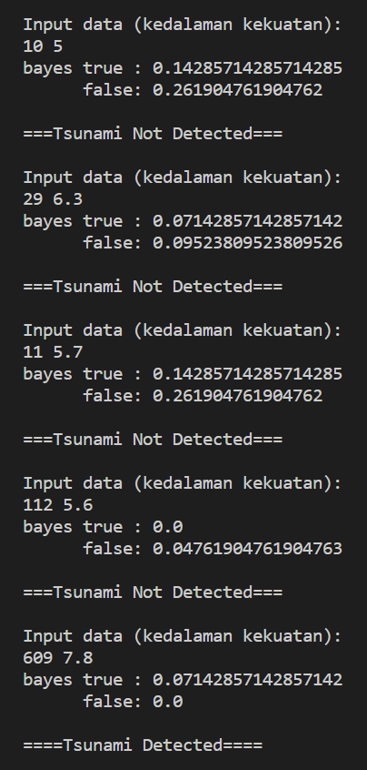
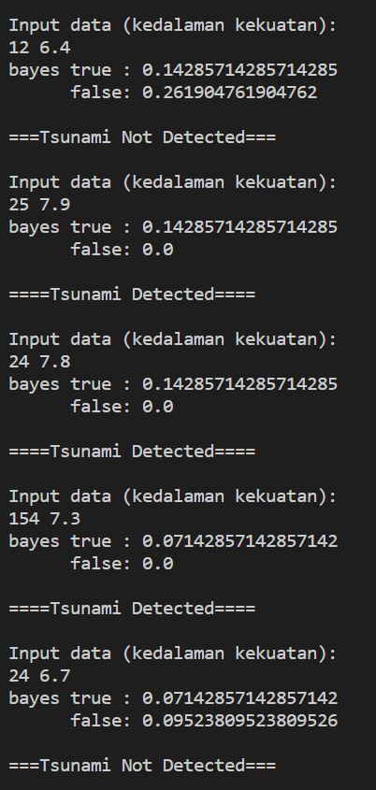
Negara | Tahun | Kedalaman | Kekuatan | Flag Tsunami | Bayes yes | Bayes no | Output
JAPAN | 2019 | 12 | 6.4 | Yes | 0.14285 | 0.2619 | Tsunami Not Detected
USA | 2018 | 25 | 7.9 | Yes | 0.14285 | 0 | Tsunami Detected
INDONESIA | 2016 | 24 | 7.8 | Yes | 0.14285 | 0 | Tsunami Detected
VENEZUELA | 2018 | 154 | 7.3 | Yes | 0.07142 | 0 | Tsunami Detected
NEW CALEDONIA | 2017 | 24 | 6.7 | Yes | 0.07142 | 0.0952 | Tsunami Not Detected
IRAN | 2017 | 10 | 5 | No | 0.14285 | 0.2619 | Tsunami Not Detected
PAKISTAN | 2017 | 29 | 6.3 | No | 0.07142 | 0.0952 | Tsunami Not Detected
PHILIPINES | 2017 | 11 | 5.7 | No | 0.14285 | 0.2619 | Tsunami Not Detected
INDONESIA | 2017 | 112 | 5.6 | No | 0 | 0.0476 | Tsunami Not Detected
FIJI | 2018 | 609 | 7.8 | No | 0.71428 | 0 | Tsunami Detected

