Sheet2
BALANCED RANDOM FOREST CLASSIFIER

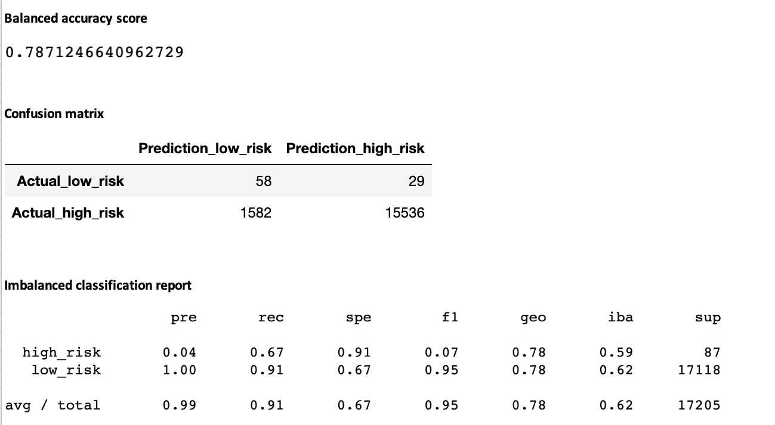
Balanced accuracy score

Confusion matrix

Imbalanced classification report

