Tabelle1
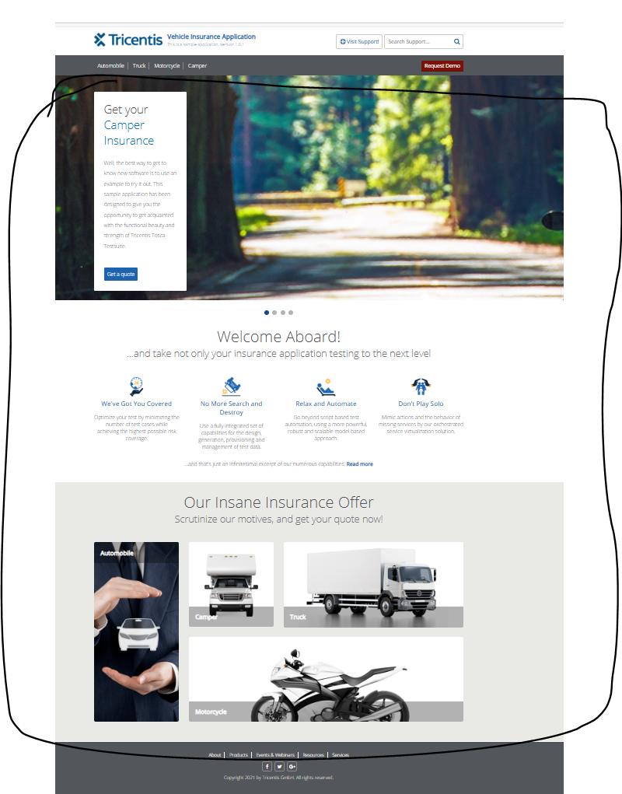
VIA_Chromium | Web | id="get_camper" | id="get_motorcycle" | id="get_truck" | id="get_automobile" | //ol[@class="flex-control-nav flex-control-paging"] | id="read_more" | id="offer_automobile" | id="offer_camper" | id="offer_truck" | id="offer_motorcycle" | Action
VIA_Pixel9Pro_API35 | Mobile |  |  |  |  |  |  |  |  |  |  | Action
Record / Control | Modus | butCamperGetQuote | butMotorcycleGetQuote | butTruckGetQuote | butAutomobileGetQuote | npaInsurances | lnkReadMore | picAutomobile | picCamper | picTruck | picMotorcycle | Action
Check defaults | <CHK> |  |  |  |  |  |  | <ENABLED> | <ENABLED> | <ENABLED> | <ENABLED> | <NOP>

