Tabelle1
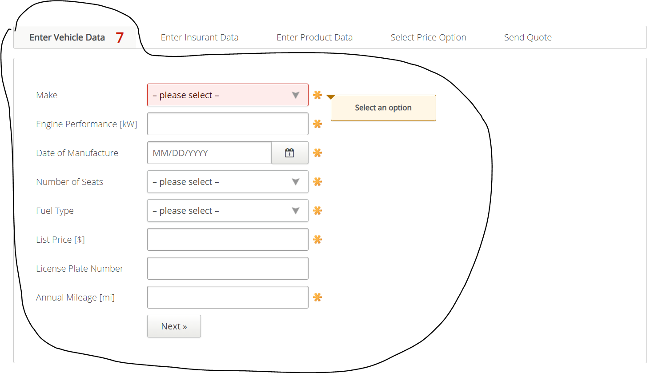
VIA_Chromium
VIA_Pixel9Pro_API35
Record / Control | comMake | txtEnginePerformance | calDateOfManufactoring | comNumberOfSeats | comFuelType | txtListPrice | txtLicensePlateNumber | txtAnnualMileage | butNext
Check defaults
102_VehicleInsuranceAutomobile_001_SmokeTest_FillPage | Audi |  |  |  |  |  |  |  | X

