Tabelle1
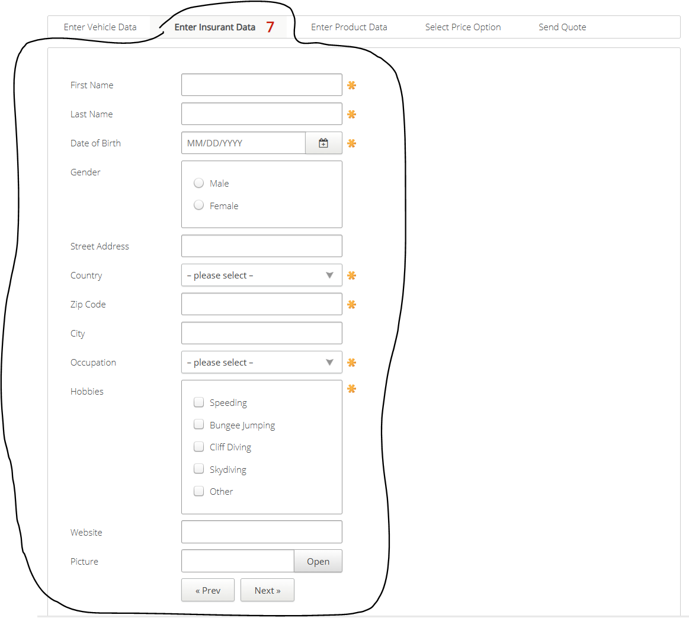
VIA_Chromium | //*[@id='firstname'] | //*[@id='lastname'] | //*[@id='birthdate'] | //label[text()="Gender"]/parent::*/*[@class="group"] | text="Male" | text="Female" | //*[@id='streetaddress'] | //*[@id='country'] | //*[@id='zipcode'] | //*[@id='city'] | //*[@id='occupation'] | //label[text()="Hobbies"]/parent::*/*[@class="group"] | text="Speeding" | text="Bungee Jumping" | text="Cliff Diving" | text="Skydiving" | xpath=//*[@name='Hobbies' and @value='Other']/parent::* | //*[@id='website'] | //*[@id='picture'] | //*[@id='open'] | //*[@id='preventervehicledata'] | //*[@id='nextenterproductdata']
VIA_Pixel9Pro_API35
Record / Control | txtFirstName | txtLastName | calDateOfBirth | grpGender | radMale | radFemale | txtStreetAddress | selCountry | txtZipCode | txtCity | selOccupation | grpHobbies | chkHobbySpeeding | chkHobbyBungeeJumping | chkHobbyCliffDiving | chkHobbySkydiving | chkHobbyOther | txtWebsite | txtPicture | butOpen | butPrevious | butNext
Check defaults | <EMPTY> | <EMPTY>
old_102_AutomobileInsurance_001_SmokeTest_FillPage | Matthias | Schmotz | 05/20/1968 |  | <CHECK> |  | Unter der Muschel 33 | Germany | 64569 | Nauheim | Selfemployed |  |  |  |  |  | <CHECK> | www.matthias-schmotz.eu |  |  |  | X
Insurant Page check for open mandatory fields | <MissingMandatoryField> | <MissingMandatoryField> | <MissingMandatoryField> | <NoMandatoryField> |  |  | <NoMandatoryField> | <MissingMandatoryField> | <MissingMandatoryField> | <NoMandatoryField> | <MissingMandatoryField> | <MissingMandatoryField> |  |  |  |  |  | <NoMandatoryField> | <NoMandatoryField>

