Tabelle1
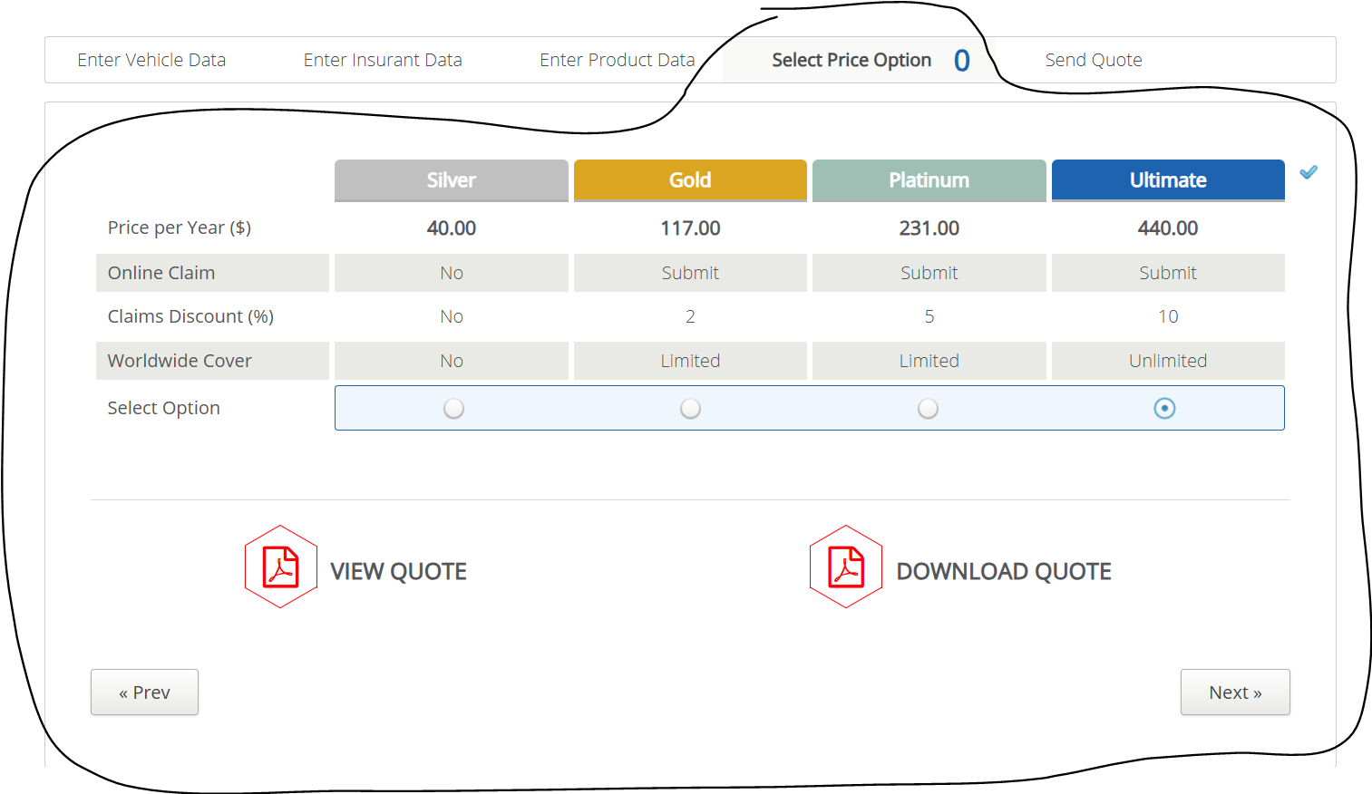
VIA_Chromium | //*[@id='priceTable'] | *css=label >> css=[value=Silver] | *css=label >> css=[value=Gold] | *css=label >> css=[value=Platinum] | *css=label >> css=[value=Ultimate] | id=viewquote | id=downloadquote | id=preventerproductdata | id=nextsendquote
VIA_Pixel9Pro_API35
Record / Control | tabPriceOptions | radOptionSilver | radOptionGold | radOptionPlatinum | radOptionUltimate | butViewQuote | butDownloadQuote | butPrevious | butNext
Check defaults
Choose Silver |  | <CHECK> |  |  |  |  |  |  | X
Choose Gold |  |  | <CHECK> |  |  |  |  |  | X
Choose Platinum |  |  |  | <CHECK> |  |  |  |  | X
Choose Ultimate |  |  |  |  | <CHECK> |  |  |  | X
Price option page check for open mandatory field | <MissingMandatoryField>
Price option page check for filled mandatory field | <FilledMandatoryField>
Price Option Page check for hints regarding mandatory fields | <HINT Select at least 1 options>

