Tabelle1
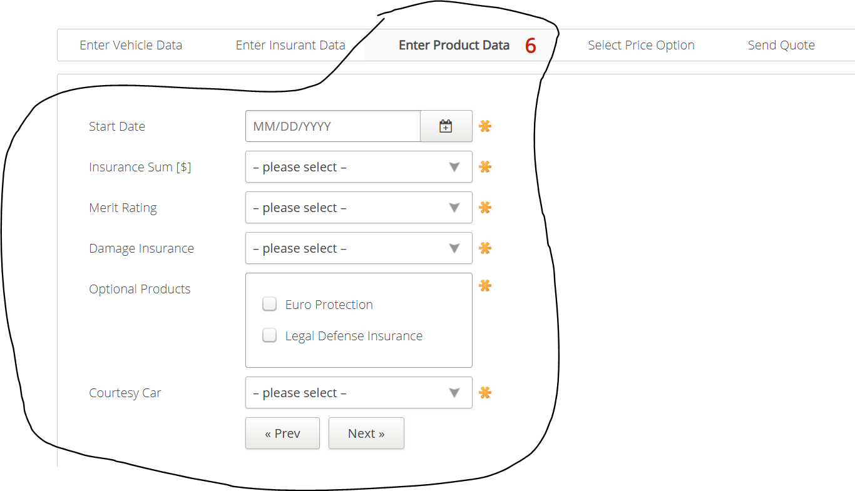
VIA_Chromium | //*[@id='startdate'] | //*[@id='insurancesum'] | //*[@id='meritrating'] | //*[@id='damageinsurance'] | //label[text()="Optional Products"]/parent::*/*[@class="group"] | text="Euro Protection" | text="Legal Defense Insurance" | //*[@id='courtesycar'] | id=preventerinsurancedata | id=nextselectpriceoption
VIA_Pixel9Pro_API35
Record / Control | calStartDate | selInsuranceSum | selMeritRating | selDamageInsurance | grpOptionalProducts | chkOptionalProductEuroProtection | chkOptionalProductLegalDefenseInsurance | selCourtesyCar | butPrevious | butNext
Check defaults |  |  |  |  |  | <UNCHECKED> | <UNCHECKED>
old_102_AutomobileInsurance_001_SmokeTest_FillPage | 06/01/2025 | 10.000.000,00 | Bonus 5 | Partial Coverage |  | <CHECK> | <CHECK> | Yes
102_AutomobileInsurance_001_SmokeTest_FillPage | <TODAY +32,+0,+0,'%m/%d/%Y'> | 10.000.000,00 | Bonus 5 | Partial Coverage |  | <CHECK> | <CHECK> | Yes
Product Page check for open mandatory fields | <MissingMandatoryField> | <MissingMandatoryField> | <MissingMandatoryField> | <MissingMandatoryField> | <MissingMandatoryField> |  |  | <MissingMandatoryField>
Product Page check for filled mandatory fields | <FilledMandatoryField> | <FilledMandatoryField> | <FilledMandatoryField> | <FilledMandatoryField> | <FilledMandatoryField> |  |  | <FilledMandatoryField>
Product Page check for hints regarding mandatory fields | <HINT This field is mandatory> | <HINT Select an option> | <HINT Select an option> | <HINT Select an option> | <HINT Select at least 1 options> |  |  | <HINT Select an option>
Product Page enter date with invalid format | 0815
Product Page check for hint date with invalid format | <HINT Must be a valid date>
Product Page enter date with invalid value in past | 01/01/2000
Product Page check for hint date with invalid value in past | <HINT Must be more than one month in the future>

