Tabelle1
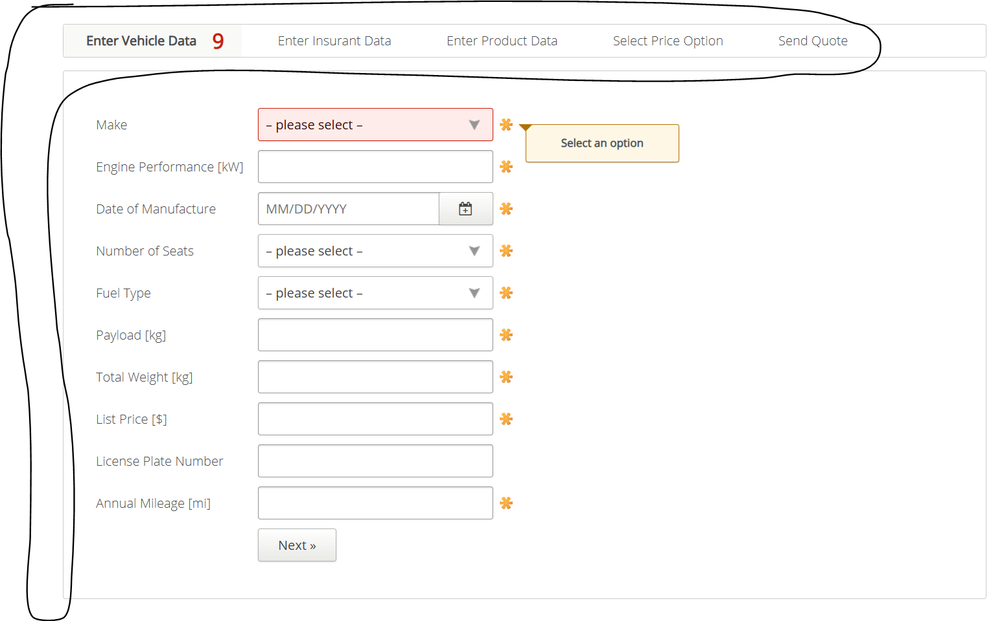
VIA_Chromium | Web | //*[@id="insurance-form"]/div/section[1] | //*[@id="insurance-form"]/div/section[2] | //*[@id="insurance-form"]/div/section[3] | //*[@id="insurance-form"]/div/section[4] | //*[@id="insurance-form"]/div/section[5] | Action
VIA_Pixel9Pro_API35 | Mobile |  |  |  |  |  | Action
Record / Control | Modus | pagVehicleData | pagInsurantData | pagProductData | pagPriceOption | pagSendQuote | Action
Check defaults | <CHK> |  |  |  |  |  | <NOP>
Auswahl Page Vehicle Data | <SET> | <SELECT> |  |  |  |  | <NOP>
Auswahl Page Insurant Data | <SET> |  | <SELECT> |  |  |  | <NOP>
Auswahl Page Product Data | <SET> |  |  | <SELECT> |  |  | <NOP>
Auswahl Page Price Option | <SET> |  |  |  | <SELECT> |  | <NOP>
Auswahl Page Send Quote | <SET> |  |  |  |  | <SELECT> | <NOP>
Check defaults Page Vehicle Data | <CHK> | Check defaults |  |  |  |  | <NOP>
Check defaults Page Insurant Data | <CHK> |  | Check defaults |  |  |  | <NOP>
Check defaults Page Product Data | <CHK> |  |  | Check defaults |  |  | <NOP>
Check defaults Page Price Option | <CHK> |  |  |  | Check defaults |  | <NOP>
Check defaults Page Send Quote | <CHK> |  |  |  |  | Check defaults | <NOP>
103_TruckInsurance_001_SmokeTest_FillPageVehicleData | <SET> | 103_TruckInsurance_001_SmokeTest_FillPage |  |  |  |  | <NOP>
103_TruckInsurance_001_SmokeTest_FillPageInsurantData | <SET> |  | 103_TruckInsurance_001_SmokeTest_FillPage |  |  |  | <NOP>
103_TruckInsurance_001_SmokeTest_FillPageProductData | <SET> |  |  | 103_TruckInsurance_001_SmokeTest_FillPage |  |  | <NOP>
103_TruckInsurance_001_SmokeTest_FillPageSendQuote | <SET> |  |  |  |  | 103_TruckInsurance_001_SmokeTest_FillPage | <NOP>
Button Next from Page VehicleData | <SET> | Button Next |  |  |  |  | <NOP>
Choose Silver | <SET> |  |  |  | Choose Silver |  | <NOP>
Choose Gold | <SET> |  |  |  | Choose Gold |  | <NOP>
Choose Platinum | <SET> |  |  |  | Choose Platinum |  | <NOP>
Choose Ultimate | <SET> |  |  |  | Choose Ultimate |  | <NOP>
Send Quote - Button Main Page | <SET> |  |  |  |  | Button Main Page | <NOP>

