Tabelle1
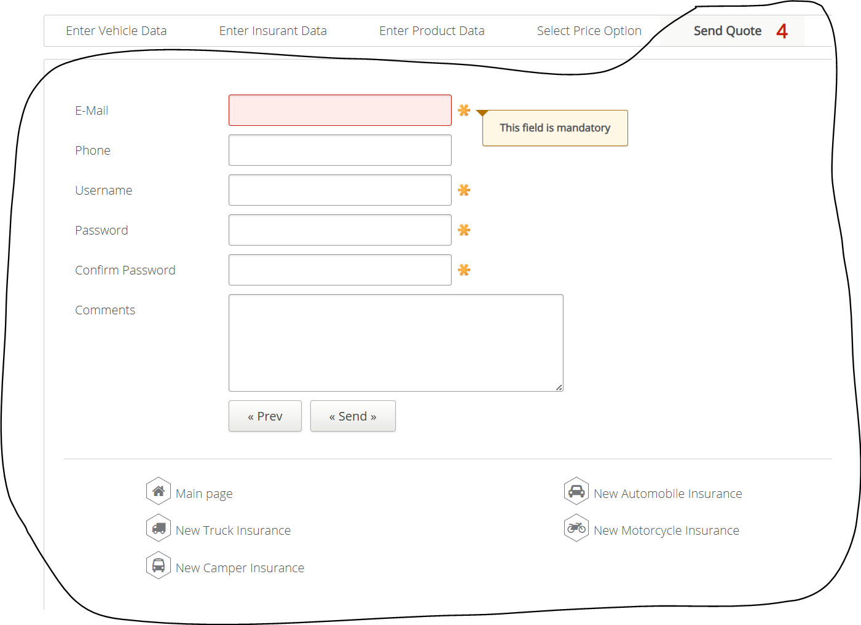
VIA_Chromium | id=email | id=phone | id=username | id=password | id=confirmpassword | id=Comments | id=prevselectpriceoption | id=sendemail | id=backmain | id=newautomobileinsurance | id=newtruckinsurance | id=newmotorcycleinsurance | id=newcamperinsurance
VIA_Pixel9Pro_API35
Record / Control | txtEmail | txtPhone | txtUsername | pwdPassword | pwdConfirmPassword | mltComments | butPrevious | butSend | butMainPage | butNewAutomobileInsurance | butNewTruckInsurance | butNewMototrcycleInsurance | butNewCamperInsurance
Check defaults
103_TruckInsurance_001_SmokeTest_FillPage | info@matthias-schmotz.de | 01773787507 | Matthias1968 | EinPasswort123 | EinPasswort123 | Zeile 1<||>Zeile 2 |  | X
Button Main Page |  |  |  |  |  |  |  |  | X

