Tabelle1
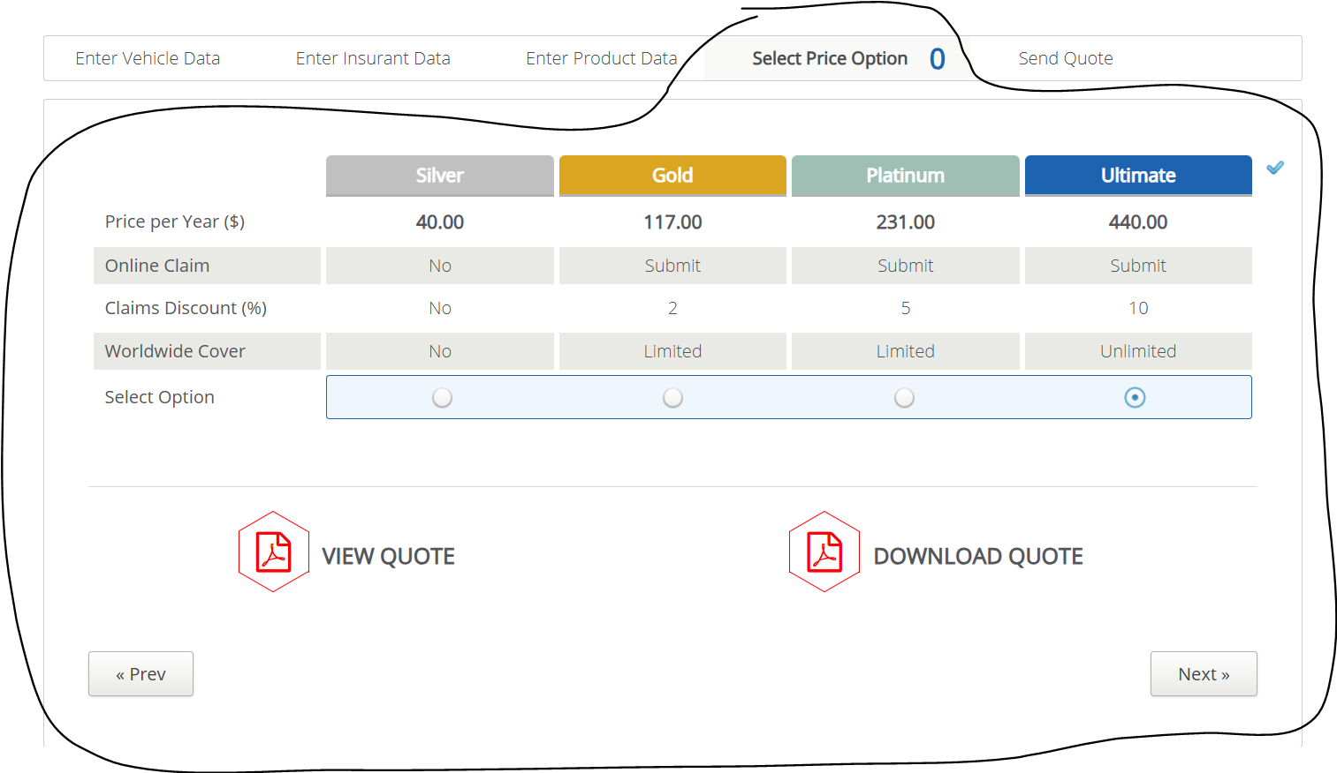
VIA_Chromium | id=priceTable | *css=label >> css=[value=Silver] | *css=label >> css=[value=Gold] | *css=label >> css=[value=Platinum] | *css=label >> css=[value=Ultimate] | id=viewquote | id=downloadquote | id=preventerproductdata | id=nextsendquote
VIA_Pixel9Pro_API35
Record / Control | tabPriceOptions | radOptionSilver | radOptionGold | radOptionPlatinum | radOptionUltimate | butViewQuote | butDownloadQuote | butPrevious | butNext
Check defaults
Select Silver |  | <CHECK>
Select Gold |  |  | <CHECK>
Select Platinum |  |  |  | <CHECK>
Select Ultimate |  |  |  |  | <CHECK>
Choose Silver |  | <CHECK> |  |  |  |  |  |  | X
Choose Gold |  |  | <CHECK> |  |  |  |  |  | X
Choose Platinum |  |  |  | <CHECK> |  |  |  |  | X
Choose Ultimate |  |  |  |  | <CHECK> |  |  |  | X

