Tabelle1
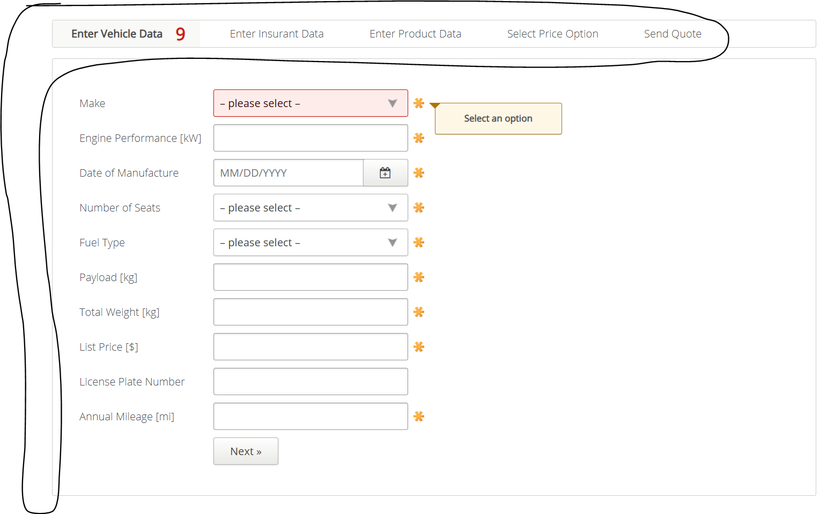
VIA_Chromium | Web | //*[@id='insurance-form']/div/section[1] | //*[@id='insurance-form']/div/section[2] | //*[@id='insurance-form']/div/section[3] | //*[@id='insurance-form']/div/section[4] | //*[@id='insurance-form']/div/section[5] | Action
VIA_Pixel9Pro_API35 | Mobile |  |  |  |  |  | Action
Record / Control | Modus | pagVehicleData | pagInsurantData | pagProductData | pagPriceOption | pagSendQuote | Action
103_TruckInsurance_001_SmokeTest_FillPageVehicleData | <SET> | 103_TruckInsurance_001_SmokeTest_FillPage |  |  |  |  | <NOP>
103_TruckInsurance_001_SmokeTest_FillPageInsurantData | <SET> |  | 103_TruckInsurance_001_SmokeTest_FillPage |  |  |  | <NOP>
103_TruckInsurance_001_SmokeTest_FillPageProductData | <SET> |  |  | 103_TruckInsurance_001_SmokeTest_FillPage |  |  | <NOP>
103_TruckInsurance_001_SmokeTest_FillPageSendQuote | <SET> |  |  |  |  | 103_TruckInsurance_001_SmokeTest_FillPage | <NOP>
Vehicle Page check for open mandatory fields | <CHK> | Vehicle Page check for open mandatory fields |  |  |  |  | <NOP>
103_TruckInsurance_002_VehicleData_001_MandatoryFields_FillMake | <SET> | 103_TruckInsurance_002_VehicleData_001_MandatoryFields_FillMake |  |  |  |  | <NOP>
103_TruckInsurance_002_VehicleData_001_MandatoryFields_CheckFilledMake | <CHK> | 103_TruckInsurance_002_VehicleData_001_MandatoryFields_CheckFilledMake |  |  |  |  | <NOP>
Vehicle Page check for hints regarding mandatory fields | <CHK> | Vehicle Page check for hints regarding mandatory fields |  |  |  |  | <NOP>
Vehicle Page check error hint list value ranges | <CHK> | Vehicle Page check error hint list value ranges |  |  |  |  | <NOP>
103_TruckInsurance_002_VehicleData_002_EnterNumericValuesBelowRange | <SET> | 103_TruckInsurance_002_VehicleData_002_EnterNumericValuesBelowRange |  |  |  |  | <NOP>
103_TruckInsurance_002_VehicleData_002_EnterNumericValuesAboveRange | <SET> | 103_TruckInsurance_002_VehicleData_002_EnterNumericValuesAboveRange |  |  |  |  | <NOP>
103_TruckInsurance_002_VehicleData_002_ManufacturingDateInTheFuture | <SET> | 103_TruckInsurance_002_VehicleData_002_ManufacturingDateInTheFuture |  |  |  |  | <NOP>
Vehicle Page check error hint manufacturing date in the future | <CHK> | Vehicle Page check error hint manufacturing date in the future |  |  |  |  | <NOP>
Insurant Data Page check for open mandatory fields | <CHK> |  | Check for open mandatory fields |  |  |  | <NOP>
103_TruckInsurance_003_InsurantData_001_MandatoryFields_FillFirstName | <SET> |  | MandatoryFields_FillFirstName |  |  |  | <NOP>
103_TruckInsurance_003_InsurantData_001_MandatoryFields_CheckFilledFirstName | <CHK> |  | MandatoryFields_CheckFilledFirstName |  |  |  | <NOP>
Insurant Data Page check for hints regarding mandatory fields | <CHK> |  | Check for hints regarding mandatory fields |  |  |  | <NOP>
103_TruckInsurance_003_InsurantData_002_EnterValuesInWrongFormat | <SET> |  | Enter values in wrong format |  |  |  | <NOP>
Insurant Data Page check error hint formatting | <CHK> |  | Check error hint formatting |  |  |  | <NOP>
103_TruckInsurance_003_InsurantData_002_EnterValuesInWrongFormat Part 2 | <SET> |  | Enter values in wrong format part 2 |  |  |  | <NOP>
Insurant Data Page check error hint formatting Part 2 | <CHK> |  | Check error hint formatting Part 2 |  |  |  | <NOP>
103_TruckInsurance_003_InsurantData_003_ListContents | <CHK> |  | List content |  |  |  | <NOP>

