Tabelle1
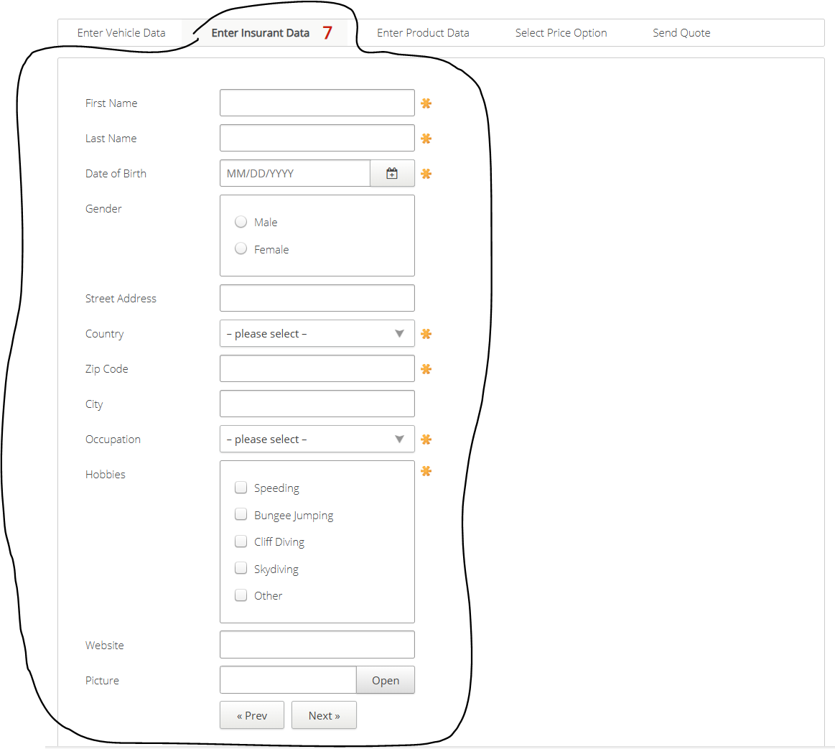
VIA_Chromium | //*[@id="enterinsurantdata"]/span[@class="counter"] | //*[@id='firstname'] | //*[@id='lastname'] | //*[@id='birthdate'] | //label[text()="Gender"]/parent::*/*[@class="group"] | text="Male" | text="Female" | //*[@id='streetaddress'] | //*[@id='country'] | //*[@id='zipcode'] | //*[@id='city'] | //*[@id='occupation'] | //label[text()="Hobbies"]/parent::*/*[@class="group"] | text="Speeding" | text="Bungee Jumping" | text="Cliff Diving" | text="Skydiving" | xpath=//*[@name='Hobbies' and @value='Other']/parent::* | //*[@id='website'] | //*[@id='picture'] | //*[@id='open'] | //*[@id='preventervehicledata'] | //*[@id='nextenterproductdata']
VIA_Pixel9Pro_API35
Record / Control | labMissingMandatoryCounter | txtFirstName | txtLastName | calDateOfBirth | grpGender | radMale | radFemale | txtStreetAddress | selCountry | txtZipCode | txtCity | selOccupation | grpHobbies | chkHobbySpeeding | chkHobbyBungeeJumping | chkHobbyCliffDiving | chkHobbySkydiving | chkHobbyOther | txtWebsite | txtPicture | butOpen | butPrevious | butNext
Check defaults |  | <EMPTY> | <EMPTY>
102_AutomobileInsurance_001_SmokeTest_FillPage |  | Matthias | Schmotz | 05/20/1968 |  | <CHECK> |  | Unter der Muschel 33 | Germany | 64569 | Nauheim | Selfemployed |  |  |  |  |  | <CHECK> | www.matthias-schmotz.eu |  |  |  | X
DefaultInsurance_SmokeTest_FillPage |  | Matthias | Schmotz | 05/20/1968 |  | <CHECK> |  | Unter der Muschel 33 | Germany | 64569 | Nauheim | Selfemployed |  |  |  |  |  | <CHECK> | www.matthias-schmotz.eu |  |  |  | X
Check for open mandatory fields | 7 | <MissingMandatoryField> | <MissingMandatoryField> | <MissingMandatoryField> | <NoMandatoryField> |  |  | <NoMandatoryField> | <MissingMandatoryField> | <MissingMandatoryField> | <NoMandatoryField> | <MissingMandatoryField> | <MissingMandatoryField> |  |  |  |  |  | <NoMandatoryField>
MandatoryFields_FillFirstName |  | Matthias
MandatoryFields_CheckFilledFirstName | 6 | <FilledMandatoryField>
Check for hints regarding mandatory fields |  | <HINT This field is mandatory> | <HINT This field is mandatory> | <HINT This field is mandatory> | <NOHINT> |  |  | <NOHINT> | <HINT Select an option> | <HINT This field is mandatory> | <NOHINT> | <HINT Select an option> | <HINT Select at least 1 options> |  |  |  |  |  | <NOHINT>
Enter values in wrong format |  | R2D2 | 0 | 01/01/1800 |  |  |  | A1 |  | A |  |  |  |  |  |  |  |  | 1
Check error hint formatting |  | <HINT Must be at least 2 characters long and must only contain letters> | <HINT Must be at least 2 characters long and must only contain letters> | <HINT You must be between 18 and 70 years of age> |  |  |  | <HINT Must be at least 3 characters long> |  | <HINT Must be only digits> |  |  |  |  |  |  |  |  | <HINT Must be a valid URL>
Enter values in wrong format part 2 |  |  |  |  |  |  |  |  |  | 123
Check error hint formatting Part 2 |  |  |  |  |  |  |  |  |  | <HINT Must be a number between 4 and 8 digits>
List content |  |  |  |  |  |  |  |  | <FIRSTELEMENT – please select –> |  |  | <CONTENT "– please select –","Employee","Public Official","Farmer","Unemployed","Selfemployed">

