Tabelle1
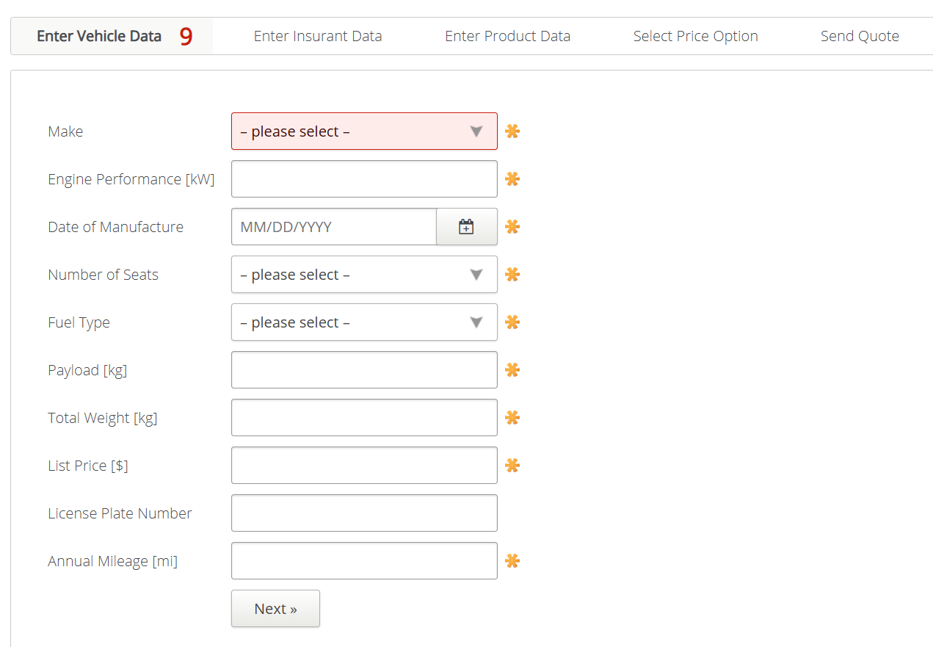
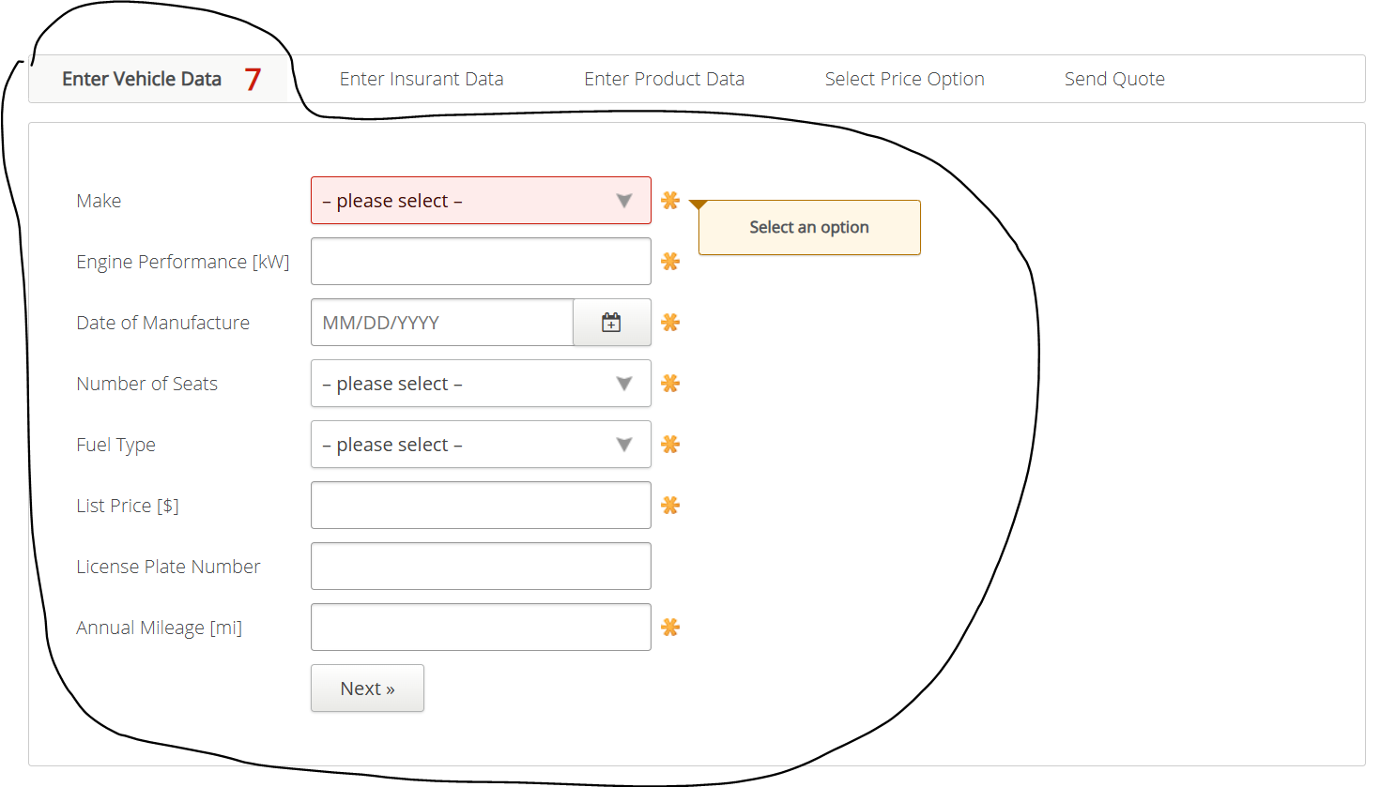
VIA_Chromium | id=make | id=engineperformance | id=dateofmanufacture | id=numberofseats | id=fuel | id=payload | id=totalweight | id=listprice | id=licenseplatenumber | id=annualmileage | id=nextenterinsurantdata
VIA_Pixel9Pro_API35
Record / Control | selMake | txtEnginePerformance | calDateOfManufactoring | selNumberOfSeats | selFuelType | txtPayload | txtTotalWeight | txtListPrice | txtLicensePlateNumber | txtAnnualMileage | butNext
Check defaults
102_VehicleInsuranceAutomobile_001_SmokeTest_FillPage | Audi | 100 | 11/29/2011 | 5 | Petrol | 1000 | 1000 | 25000 | 12345ABCDE | 12500 | X

