Tabelle1
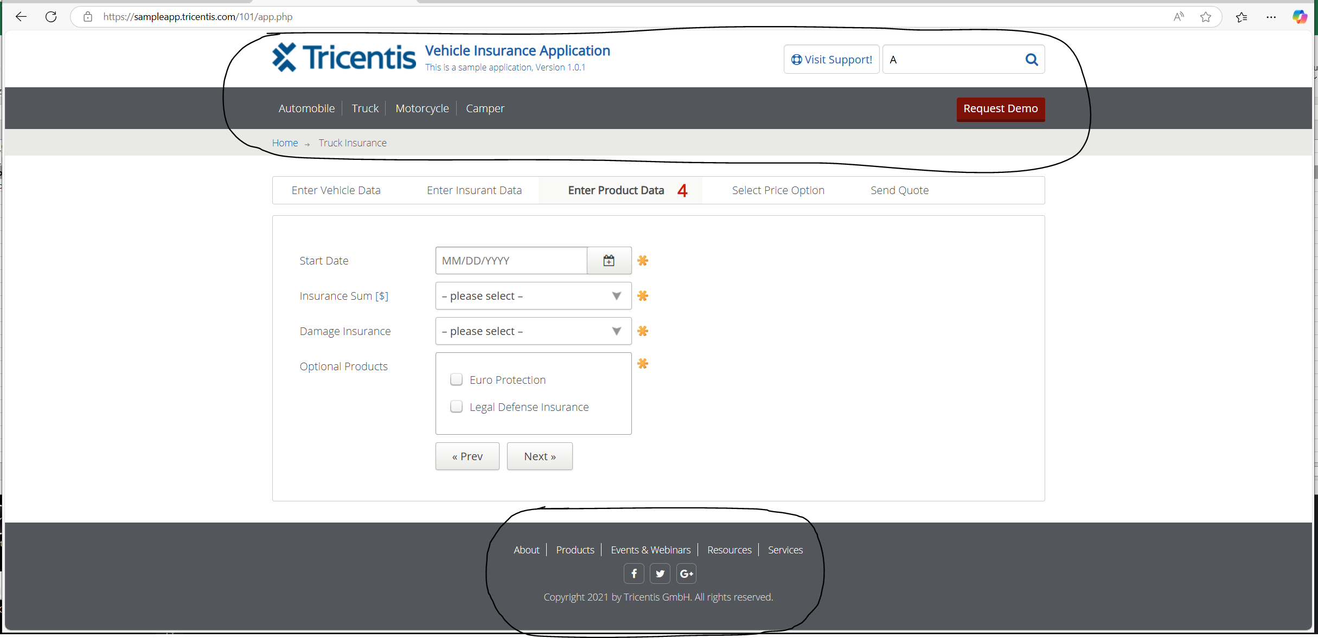
VIA_Chromium | Web | id=tricentis_logo | id=visitsupport | id=search_form | id=search_button | //*[@class="main-navigation"]//*[@id="nav_automobile"] | //*[@class="main-navigation"]//*[@id="nav_truck"] | //*[@class="main-navigation"]//*[@id="nav_motorcycle"] | //*[@class="main-navigation"]//*[@id="nav_camper"] | id=downloadtrial | id=" | id=tricentis_about | id=tricentis_products | id=tricentis_events | id=tricentis_resources | id=tricentis_services | id=nav_facebook | id=nav_twitter | id=tricentis_services | Action
VIA_Pixel9Pro_API35 | Mobile |  |  |  |  | //*[@class="mobile-navigation"]//*[@id="nav_automobile"] |  |  |  |  |  |  |  |  |  |  |  |  |  | Action
Record / Control | Modus | picHome | butVisit | txtSearchSupport | butSearchSupport | lnkAutomobile | lnkTruck | lnkMotorcycle | lnkCamper | butRequestDemo | pthAppPath | lnkAbout | lnkProducts | lnkEventsWebinars | lnkResources | lnkServices | butFacebook | butTwitter | butServices | Action
Check defaults main dialog | <CHK> | <ENABLED> |  | <EMPTY> | <ENABLED> |  |  |  |  |  | <NOTEXISTS> |  |  |  |  |  | <ENABLED> | <ENABLED> | <ENABLED> | <NOP>
Click Automobile link | <SET> |  |  |  |  | X |  |  |  |  |  |  |  |  |  |  |  |  |  | <NOP>
Click Truck link | <SET> |  |  |  |  |  | X |  |  |  |  |  |  |  |  |  |  |  |  | <NOP>
Click Motorcycle link | <SET> |  |  |  |  |  |  | X |  |  |  |  |  |  |  |  |  |  |  | <NOP>
Click Camper link | <SET> |  |  |  |  |  |  |  | X |  |  |  |  |  |  |  |  |  |  | <NOP>

