Tabelle1
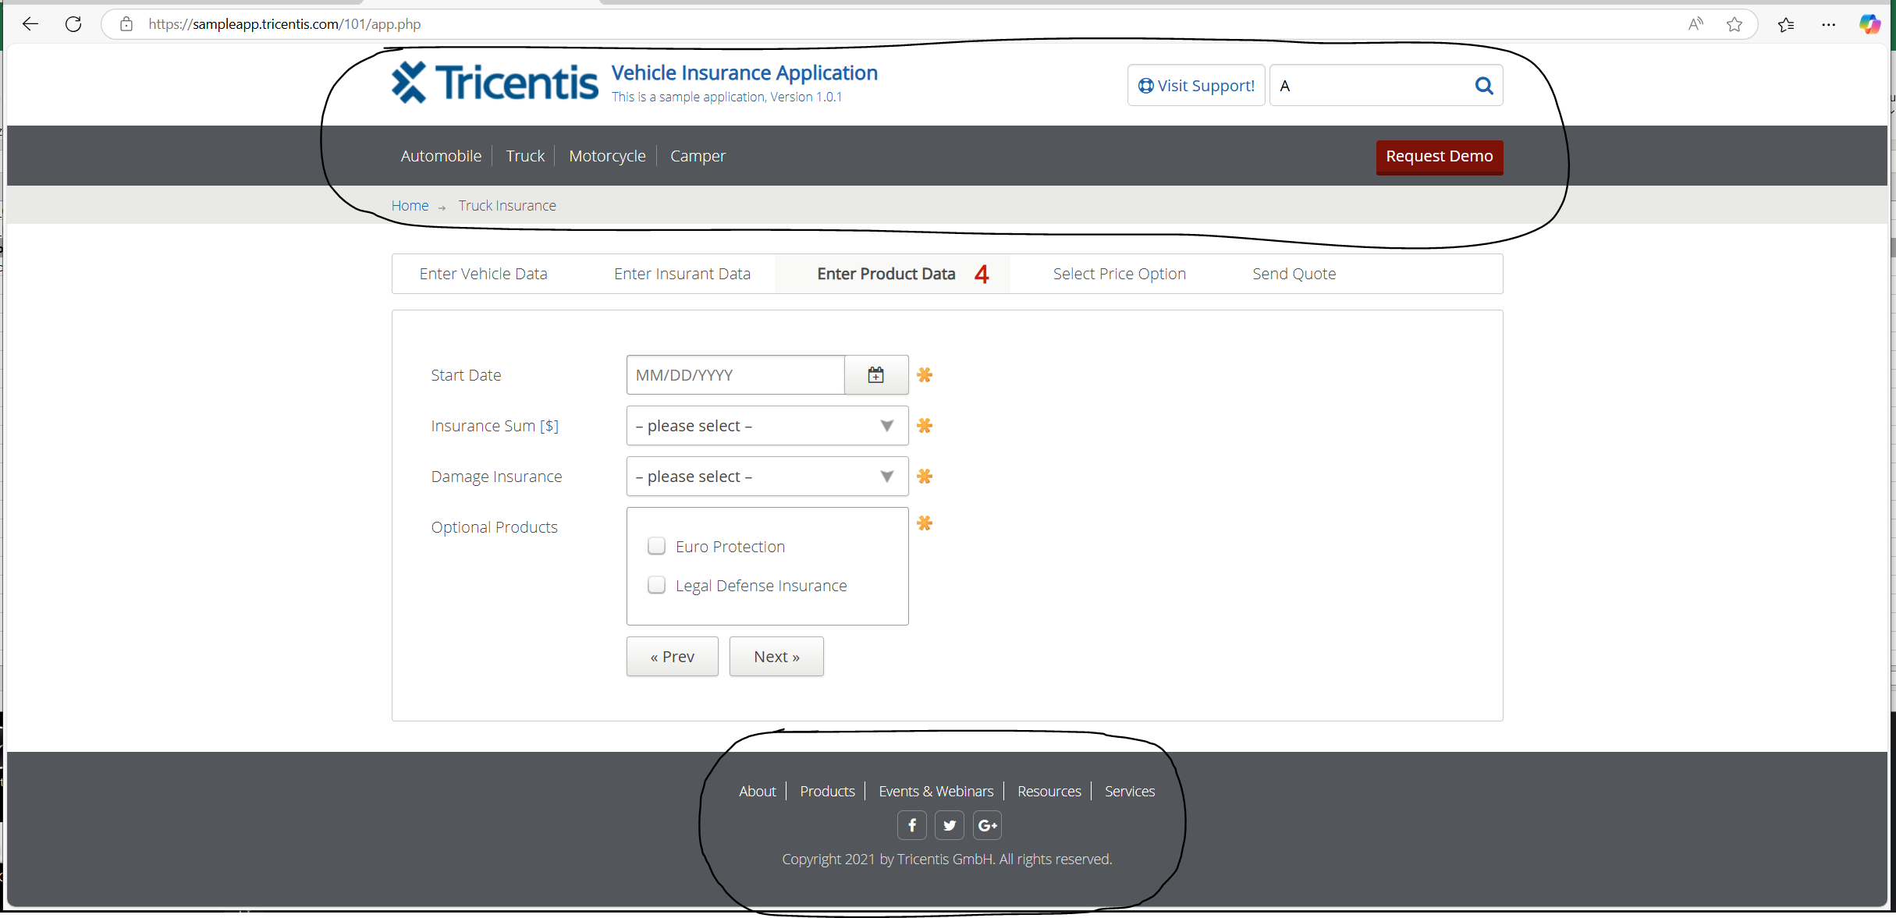
VIA_Chromium | Web |  |  |  |  |  |  |  |  |  |  |  |  |  |  |  |  |  |  | Action
VIA_Pixel9Pro_API35 | Mobile |  |  |  |  |  |  |  |  |  |  |  |  |  |  |  |  |  |  | Action
Record / Control | Modus | picHome | butVisit | txtSearchSupport | butSearchSupport | lnkAutomobile | lnkTruck | lnkMotorcycle | lnkCamper | butRequestDemo | pthAppPath | lnkAbout | lnkProducts | lnkEventsWebinars | lnkResources | lnkServices | butFacebook | butTwitter | butServices | Action
Check defaults main dialog | <CHK> |  |  |  |  |  |  |  |  |  |  |  |  |  |  |  |  |  |  | <NOP>
Click Automobile link | <SET> |  |  |  |  | X |  |  |  |  |  |  |  |  |  |  |  |  |  | <NOP>

