Tabelle1
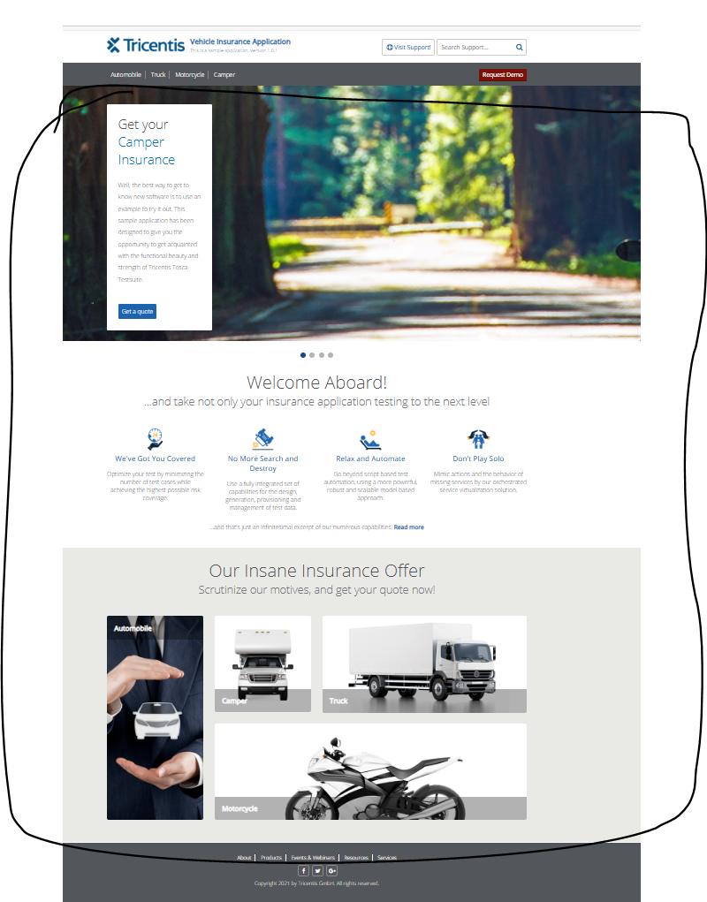
VIA_Chromium | Web |  |  |  |  |  |  |  |  |  |  |  |  |  | Action
VIA_Pixel9Pro_API35 | Mobile |  |  |  |  |  |  |  |  |  |  |  |  |  | Action
Record / Control | Modus | rotCamper | butCamperGetQuote | rotMotorcycle | butMotorcycleGetQuote | rotTruck | butTruckGetQuote | rotAutomobile | butAutomobileGetQuote | lnkReadMore | picAutomobile | picCamper | picTruck | picMotorcycle | Action
Check defaults | <CHK> |  |  |  |  |  |  |  |  |  |  |  |  |  | <NOP>

