Tabelle1
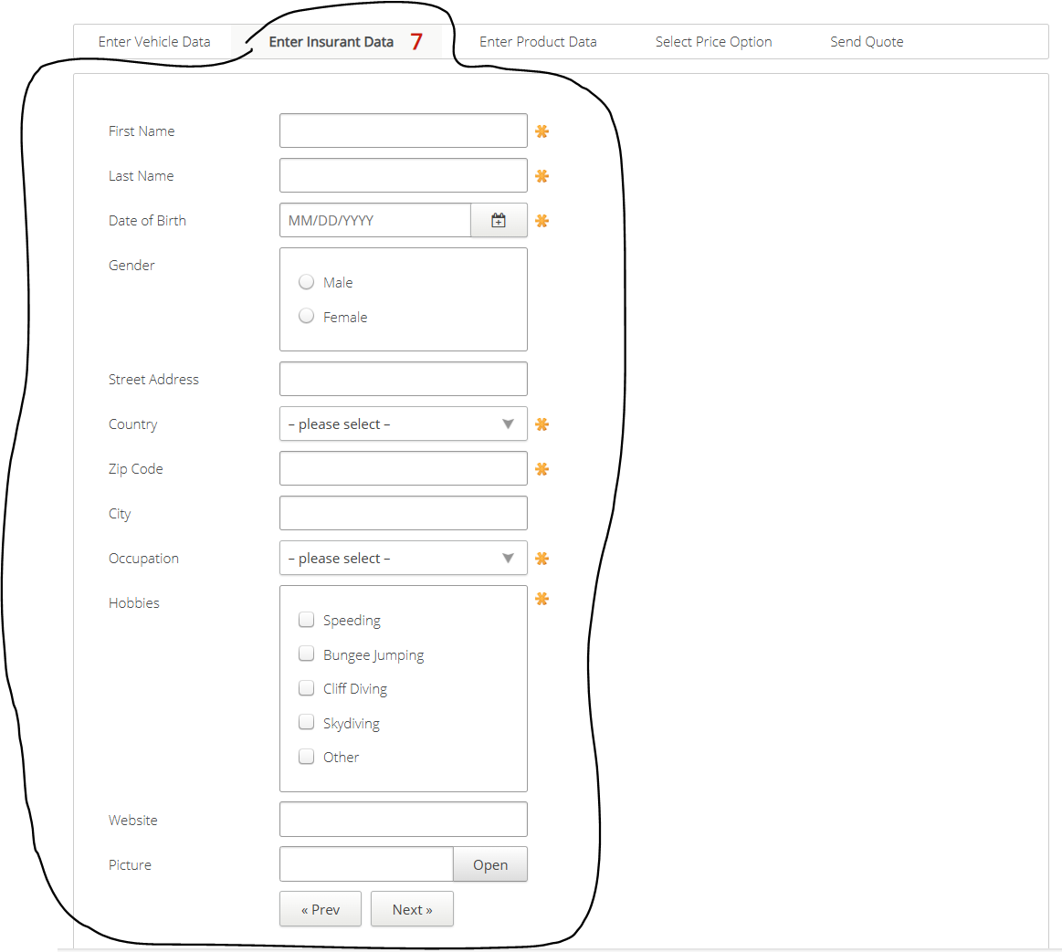
VIA_Chromium
VIA_Pixel9Pro_API35
Record / Control | txtFirstName | txtLastName | calDateOfBirth | radMale | radFemale | txtStreetAddress | comCountry | txtZipCode | txtCity | comOccupation | chkHobbySpeeding | chkHobbyBungeeJumping | chkHobbyCliffDiving | chkHobbySkydiving | chkHobbyOther | txtWebsite | txtPicture | butOpen | butPrevious | butNext
Check defaults | <EMPTY> | <EMPTY>

