Tabelle1
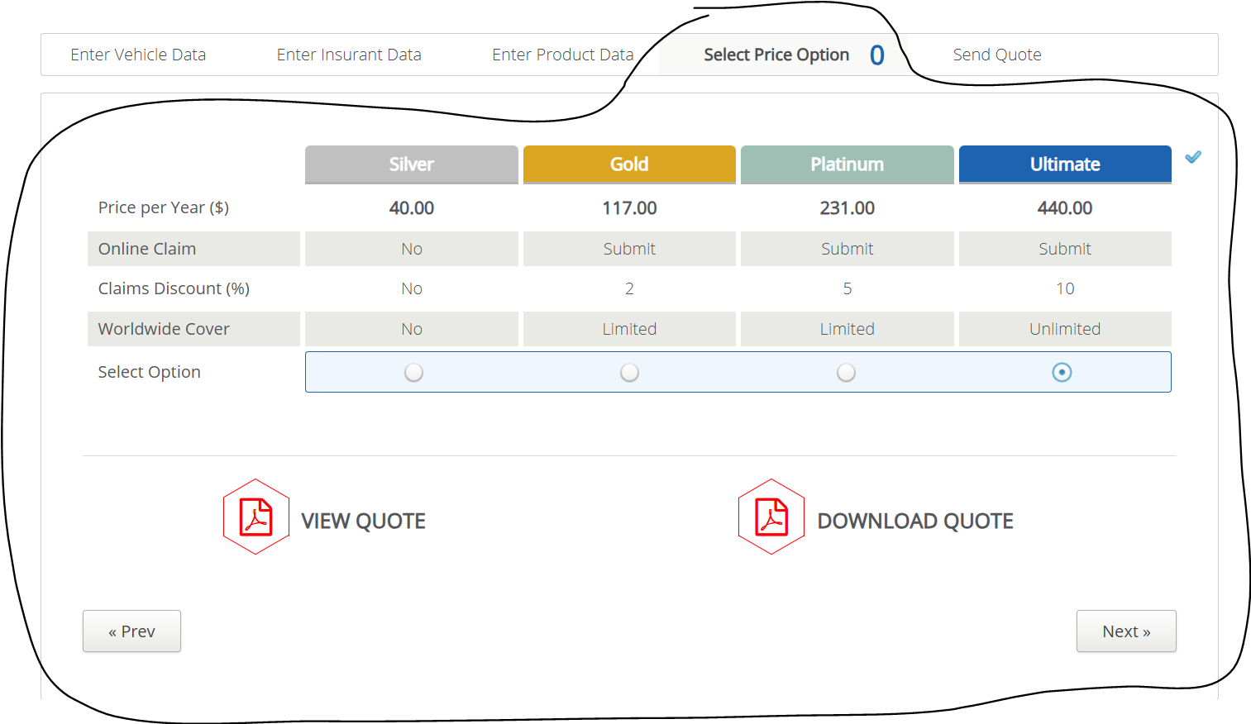
VIA_Chromium
VIA_Pixel9Pro_API35
Record / Control | tabPriceOptions | radOptionSilver | radOptionGold | radOptionPlatinum | radOptionUltimate | butViewQuote | butDownloadQuote | butPrevious | butNext
Check defaults

