Tabelle1
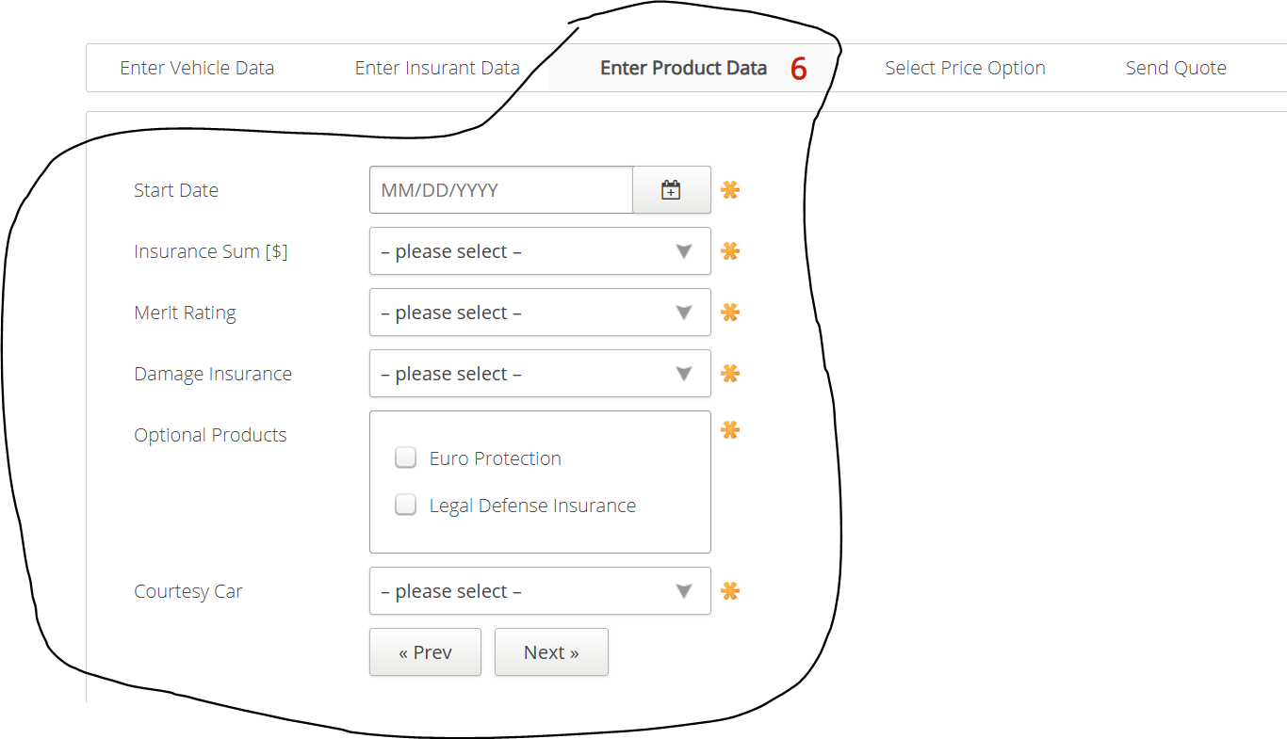
VIA_Chromium
VIA_Pixel9Pro_API35
Record / Control | calStartDate | comInsuranceSum | comMeritRating | comDamageInsurance | chkOptionalProductEuroProtection | chkOptionalProductLegalDefenseInsurance | comCourtesyCar | butPrevious | butNext
Check defaults

