Tabelle1
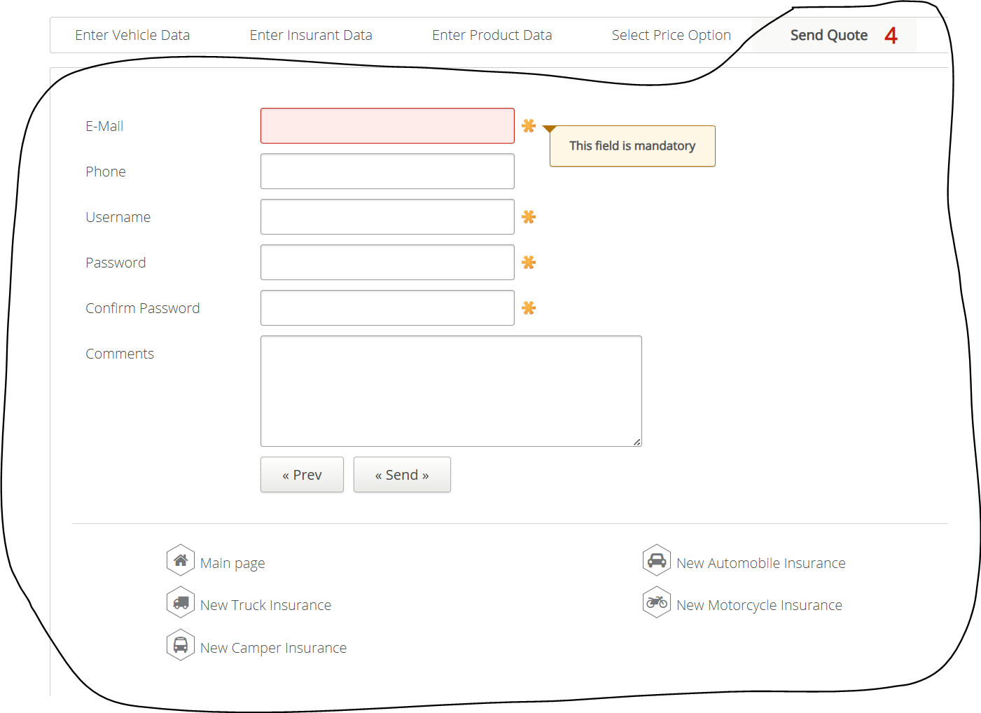
VIA_Chromium
VIA_Pixel9Pro_API35
Record / Control | txtEmail | txtPhone | txtUsername | txtPassword | txtConfirmPassword | tarComments | butPrevious | butSend | butMainPage | butNewAutomobileInsurance | butNewTruckInsurance | butNewMototrcycleInsurance | butNewCamperInsurance
Check defaults

