Tabelle1
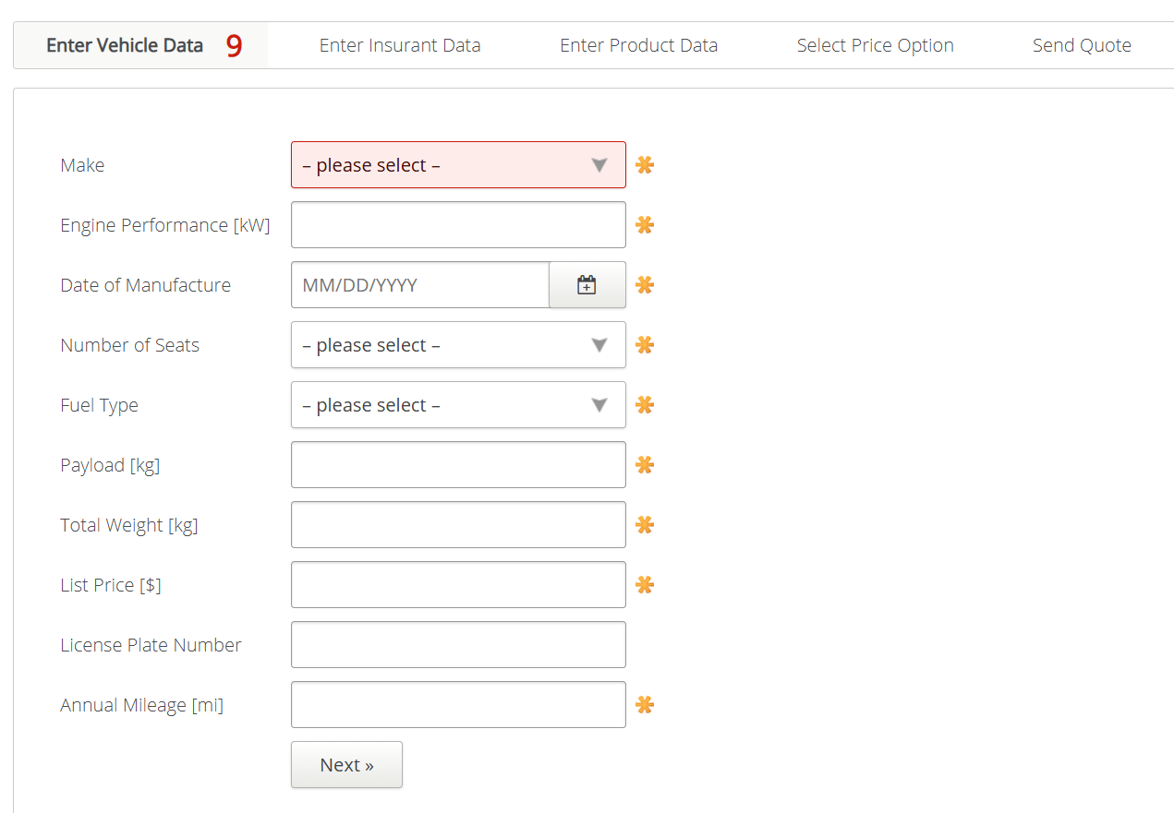
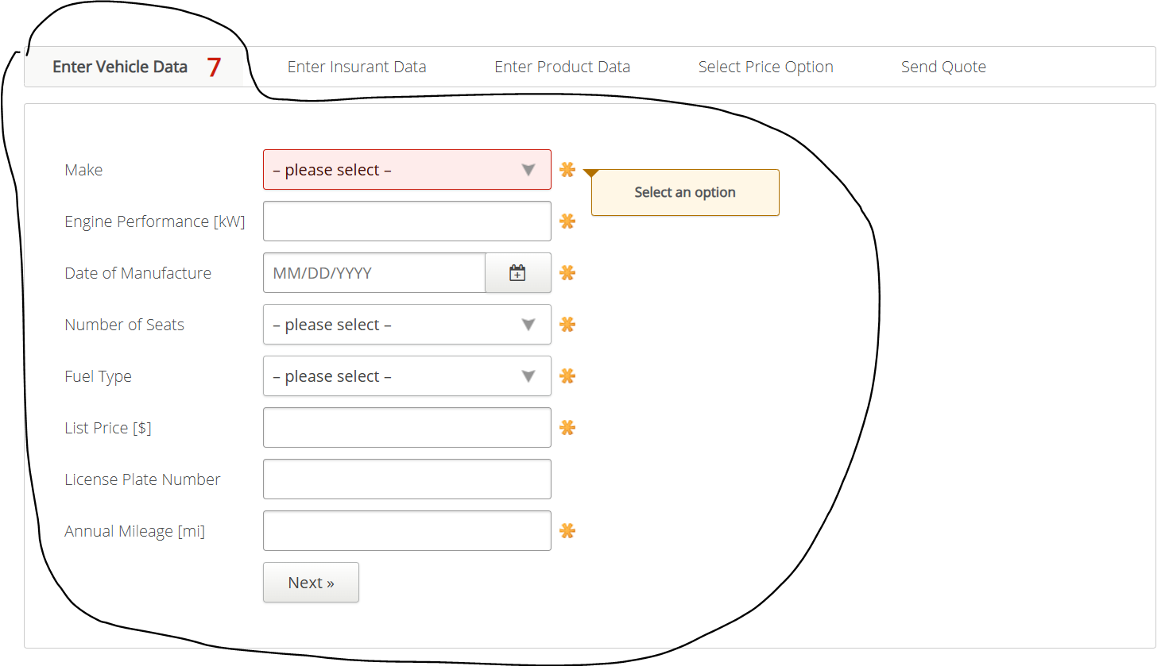
VIA_Chromium
VIA_Pixel9Pro_API35
Record / Control | comMake | txtEnginePerformance | calDateOfManufactoring | comNumberOfSeats | comFuelType | txtPayload | txtTotalWeight | txtListPrice | txtLicensePlateNumber | txtAnnualMileage | butNext
Check defaults

