Tabelle1
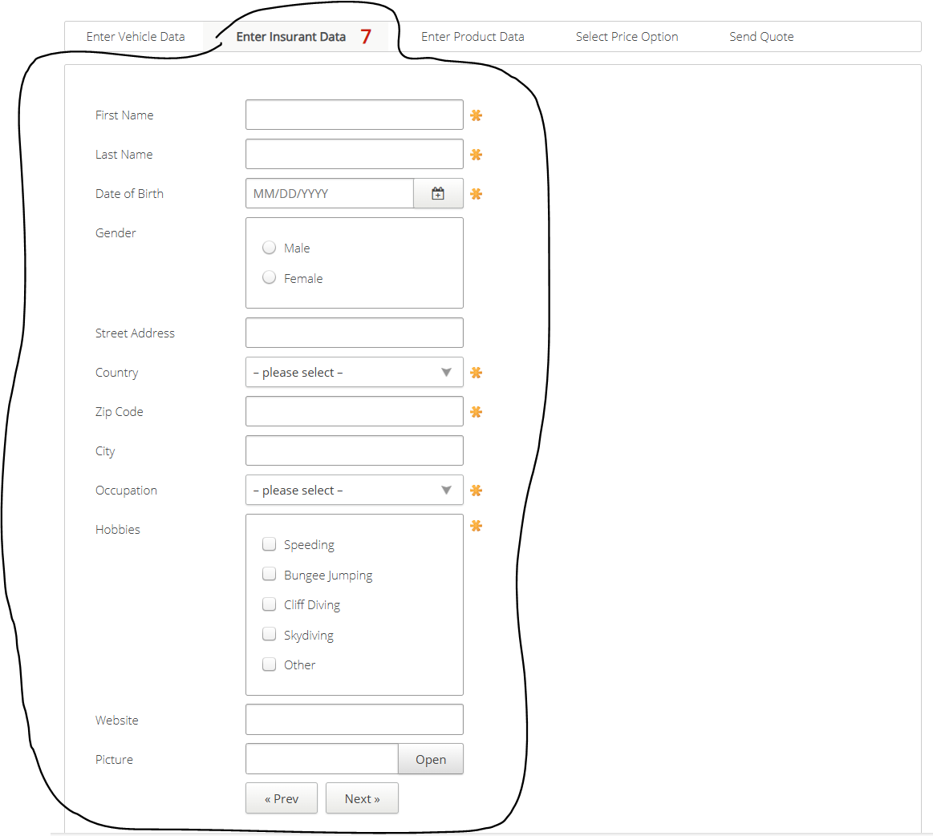
VIA_Chromium | id=firstname | id=lastname | id=birthdate | text="Male" | text="Female" | id=streetaddress | id=country | id=zipcode | id=city | id=occupation | text="Speeding" | text="Bungee Jumping" | text="Cliff Diving" | text="Skydiving" | xpath=//*[@name='Hobbies' and @value='Other']/parent::* | id=website | id=picture | id=open | id=preventervehicledata | id=nextenterproductdata
VIA_Pixel9Pro_API35
Record / Control | txtFirstName | txtLastName | calDateOfBirth | radMale | radFemale | txtStreetAddress | selCountry | txtZipCode | txtCity | selOccupation | chkHobbySpeeding | chkHobbyBungeeJumping | chkHobbyCliffDiving | chkHobbySkydiving | chkHobbyOther | txtWebsite | txtPicture | butOpen | butPrevious | butNext
Check defaults | <EMPTY> | <EMPTY>
102_AutomobileInsurance_001_SmokeTest_FillPage | Matthias | Schmotz | 05/20/1968 | <CHECK> |  | Unter der Muschel 33 | Germany | 64569 | Nauheim | Selfemployed |  |  |  |  | <CHECK> | www.matthias-schmotz.eu |  |  |  | X
DefaultInsurance_SmokeTest_FillPage | Matthias | Schmotz | 05/20/1968 | <CHECK> |  | Unter der Muschel 33 | Germany | 64569 | Nauheim | Selfemployed |  |  |  |  | <CHECK> | www.matthias-schmotz.eu |  |  |  | X

