Tabelle1
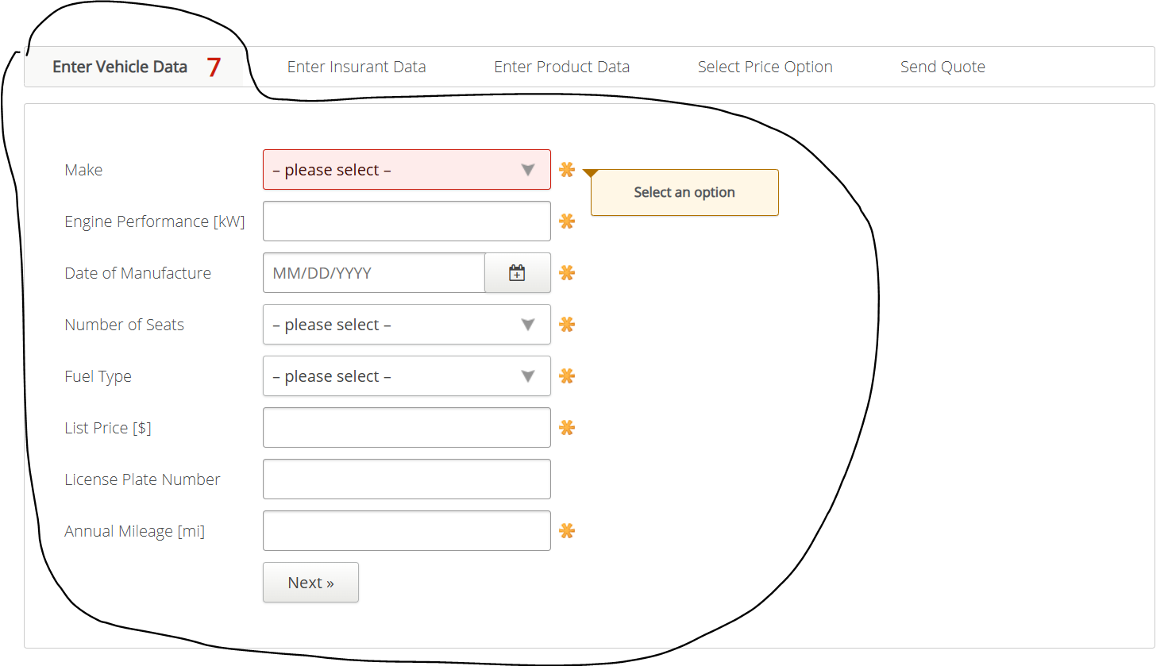
VIA_Chromium | id=make | id=engineperformance | id=dateofmanufacture | id=numberofseats | text="Yes" | text="No" | id=fuel | id=payload | id=totalweight | id=listprice | id=licenseplatenumber | id=annualmileage | id=nextenterinsurantdata
VIA_Pixel9Pro_API35
Record / Control | selMake | txtEnginePerformance | calDateOfManufactoring | selNumberOfSeats | radRightHandDriveYes | radRightHandDriveNo | selFuelType | txtPayload | txtTotalWeight | txtListPrice | txtLicensePlateNumber | txtAnnualMileage | butNext
Button Next |  |  |  |  |  |  |  |  |  |  |  |  | X
Check defaults
105_CamperInsurance_001_SmokeTest_FillPage | Audi | 100 | 11/29/2011 | 8 | <CHECK> |  | Petrol | 1000 | 1000 | 25000 | 12345ABCDE | 17500 | X

