Tabelle1
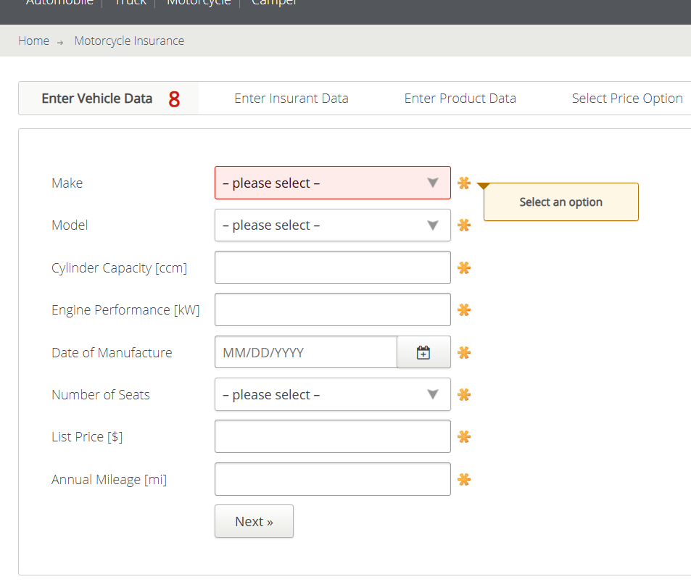
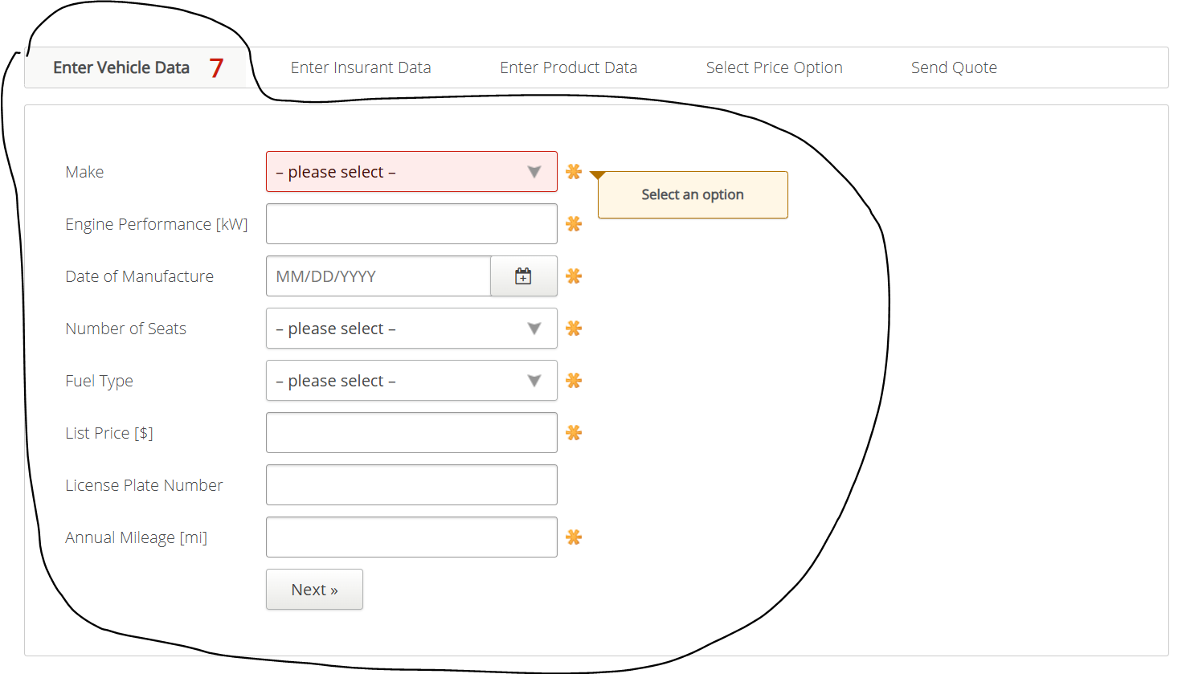
VIA_Chromium | id=make | id=model | id=cylindercapacity | id=engineperformance | id=dateofmanufacture | id=numberofseatsmotorcycle | id=listprice | id=annualmileage | id=nextenterinsurantdata
VIA_Pixel9Pro_API35
Record / Control | selMake | selModel | txtCylinderCapacity | txtEnginePerformance | calDateOfManufactoring | selNumberOfSeats | txtListPrice | txtAnnualMileage | butNext
Button Next |  |  |  |  |  |  |  |  | X
Check defaults
104_MotorcycleInsurance_001_SmokeTest_FillPage | Audi | Scooter | 125 | 12 | 11/29/2011 | 2 | 25000 | 12500 | X

