Tabelle1
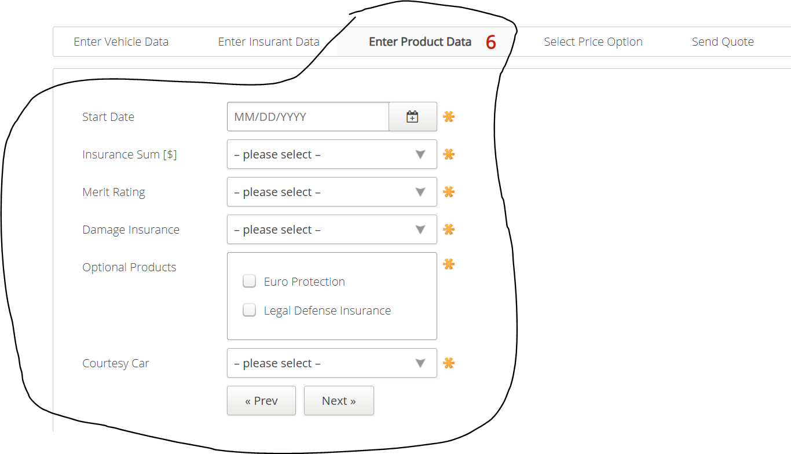
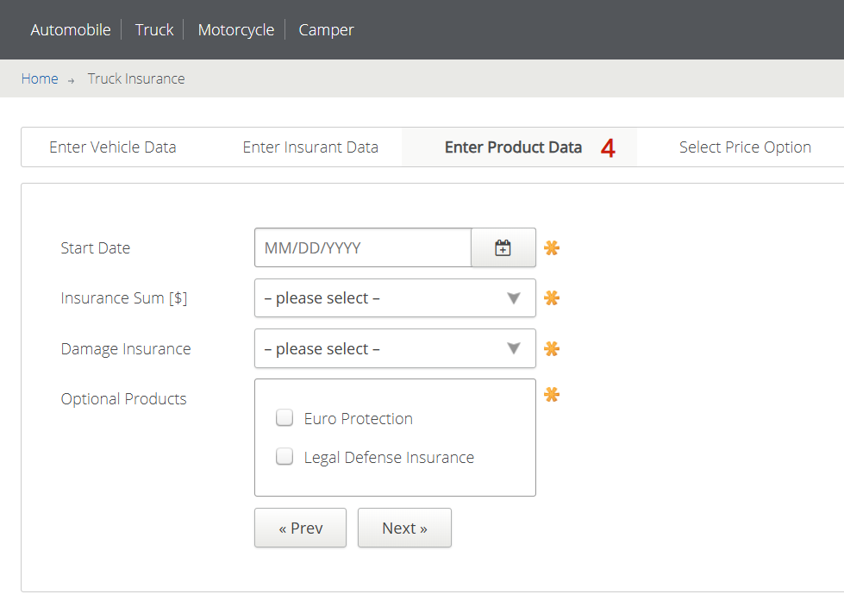
VIA_Chromium | id=startdate | id=insurancesum | id=damageinsurance | text="Euro Protection" | text="Legal Defense Insurance" | id=preventerinsurancedata | id=nextselectpriceoption
VIA_Pixel9Pro_API35
Record / Control | calStartDate | selInsuranceSum | selDamageInsurance | chkOptionalProductEuroProtection | chkOptionalProductLegalDefenseInsurance | butPrevious | butNext
Check defaults |  |  |  | <UNCHECKED> | <UNCHECKED>
103_TruckInsurance_001_SmokeTest_FillPage | <TODAY +32,+0,+0,'%m/%d/%Y'> | 15.000.000,00 | No Coverage | <CHECK> | <CHECK> |  | X

