Tabelle1
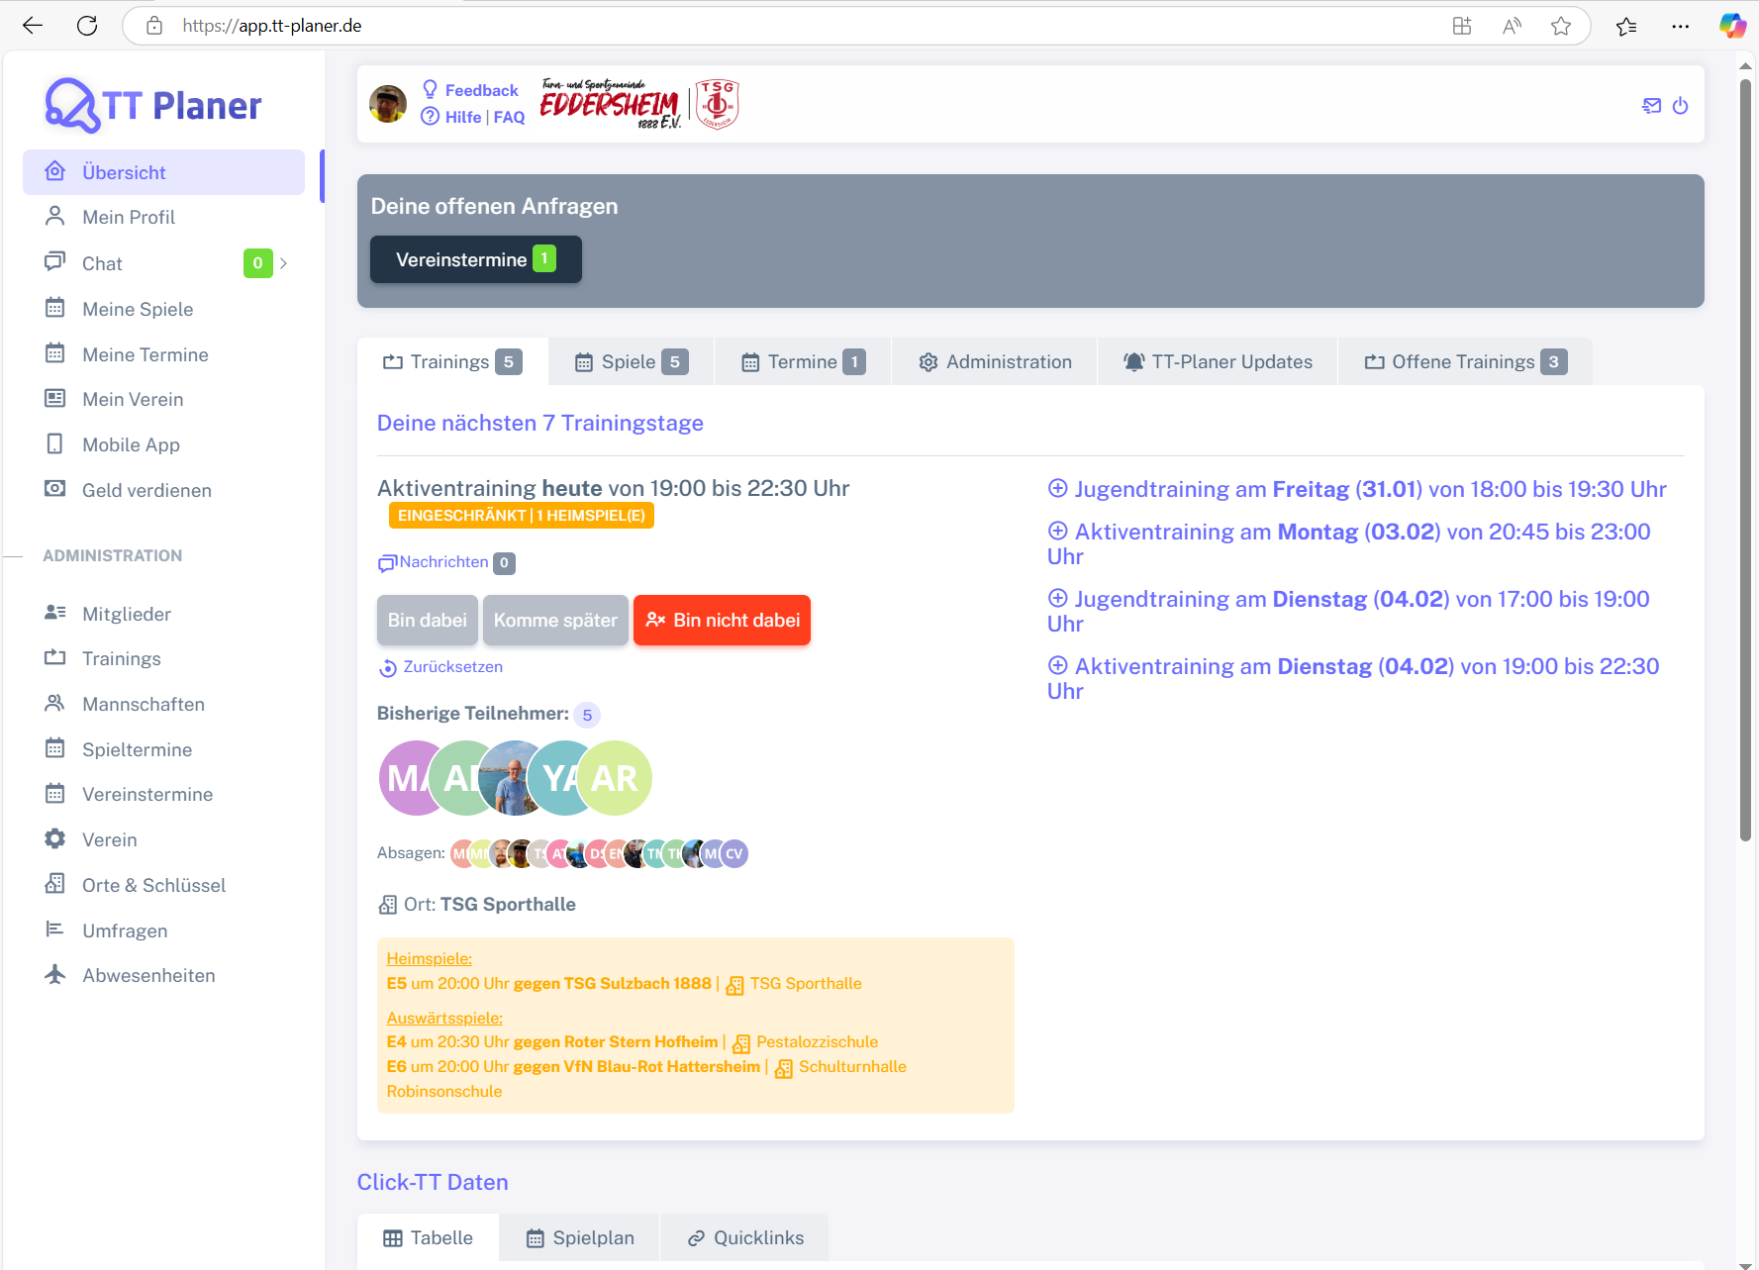
Control | Modus | lnkTTPlaner | menMain | lnkFeedback | lnkHilfe | lnkFaq | icoKontakt | icoAbmelden | Action
Record/Selector | Modus | xpath=//*[@class='app-brand-link gap-2'] |  |  |  |  |  | xpath=//*[@class='bx bx-power-off mr-5'] | Action
Check defaults | <CHK> | <ENABLED> | <ENABLED> | <ENABLED> | <ENABLED> | <ENABLED> | <ENABLED> | <ENABLED> | <NOP>
Logoff | <SET> |  |  |  |  |  |  | X | <NOP>

