Tabelle1
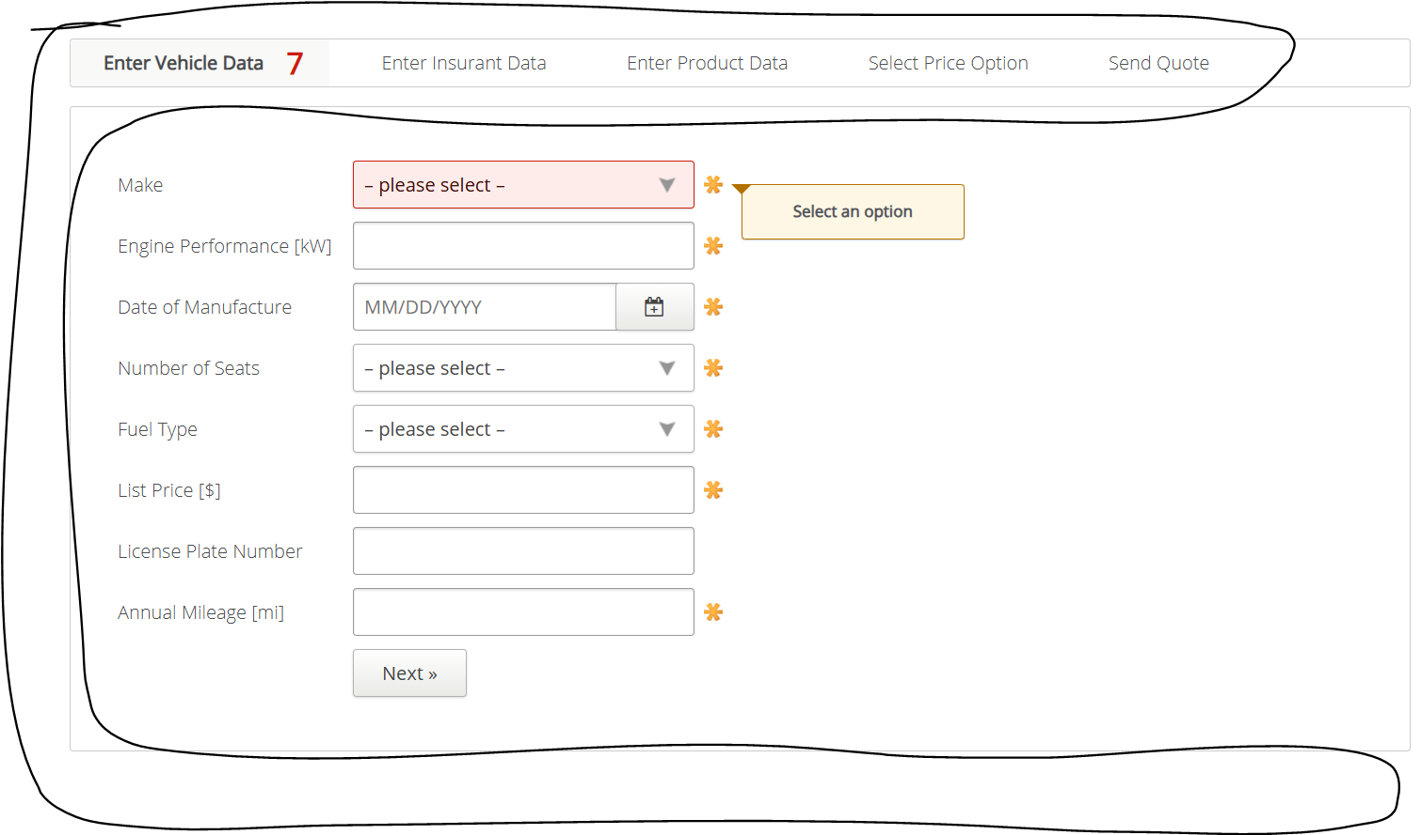
VIA_Chromium | Web | //*[@id='insurance-form']/div/section[1] | //*[@id='insurance-form']/div/section[2] | //*[@id='insurance-form']/div/section[3] | //*[@id='insurance-form']/div/section[4] | //*[@id='insurance-form']/div/section[5] | Action
VIA_Pixel9Pro_API35 | Mobile |  | //*[@id="insurance-form"]/div/section[2] |  |  |  | Action
Record / Control | Modus | pagVehicleData | pagInsurantData | pagProductData | pagPriceOption | pagSendQuote | Action
Check defaults | <CHK> | <SELECTED> | <NOTSELECTED> | <NOTSELECTED> | <NOTSELECTED> | <NOTSELECTED> | <NOP>
Goto insurant page | <SET> |  | <SELECT> |  |  |  | <NOP>
Goto product page | <SET> |  |  | <SELECT>
old_102_VehicleInsuranceAutomobile_001_SmokeTest_FillPageVehicleData | <SET> | 102_VehicleInsuranceAutomobile_001_SmokeTest_FillPage |  |  |  |  | <NOP>
old_102_VehicleInsuranceAutomobile_001_SmokeTest_FillPageInsurantData | <SET> |  | 102_VehicleInsuranceAutomobile_001_SmokeTest_FillPage |  |  |  | <NOP>
old_102_VehicleInsuranceAutomobile_001_SmokeTest_FillPageProductData | <SET> |  |  | 102_VehicleInsuranceAutomobile_001_SmokeTest_FillPage |  |  | <NOP>
old_102_VehicleInsuranceAutomobile_001_SmokeTest_FillPageSendQuote | <SET> |  |  |  |  | 102_VehicleInsuranceAutomobile_001_SmokeTest_FillPage | <NOP>
Button Next from Page VehicleData | <SET> | Button Next |  |  |  |  | <NOP>
old_Choose Silver | <SET> |  |  |  | Choose Silver |  | <NOP>
old_Choose Gold | <SET> |  |  |  | Choose Gold |  | <NOP>
old_Choose Platinum | <SET> |  |  |  | Choose Platinum |  | <NOP>
old_Choose Ultimate | <SET> |  |  |  | Choose Ultimate |  | <NOP>
Send Quote - Button Main Page | <SET> |  |  |  |  | Button Main Page | <NOP>
Vehicle Page check for open mandatory fields | <CHK> | Vehicle Page check for open mandatory fields |  |  |  |  | <NOP>
102_AutomobileInsurance_002_VehicleData_001_MandatoryFields_FillMake | <SET> | 102_AutomobileInsurance_002_VehicleData_001_MandatoryFields_FillMake |  |  |  |  | <NOP>
102_AutomobileInsurance_002_VehicleData_001_MandatoryFields_CheckFilledMake | <CHK> | 102_AutomobileInsurance_002_VehicleData_001_MandatoryFields_CheckFilledMake |  |  |  |  | <NOP>
Vehicle Page check for hints regarding mandatory fields | <CHK> | Vehicle Page check for hints regarding mandatory fields |  |  |  |  | <NOP>
Vehicle Page check error hint list value ranges | <CHK> | Vehicle Page check error hint list value ranges |  |  |  |  | <NOP>
102_AutomobileInsurance_002_VehicleData_002_EnterNumericValuesBelowRange | <SET> | 102_AutomobileInsurance_002_VehicleData_002_EnterNumericValuesBelowRange |  |  |  |  | <NOP>
102_AutomobileInsurance_002_VehicleData_002_EnterNumericValuesAboveRange | <SET> | 102_AutomobileInsurance_002_VehicleData_002_EnterNumericValuesAboveRange |  |  |  |  | <NOP>
102_AutomobileInsurance_002_VehicleData_002_ManufacturingDateInTheFuture | <SET> | 102_AutomobileInsurance_002_VehicleData_002_ManufacturingDateInTheFuture |  |  |  |  | <NOP>
Vehicle Page check error hint manufacturing date in the future | <CHK> | Vehicle Page check error hint manufacturing date in the future |  |  |  |  | <NOP>
Insurant Page check for open mandatory fields | <CHK> |  | Insurant Page check for open mandatory fields |  |  |  | <NOP>
102_AutomobileInsurance_003_InsurantData_001_MandatoryFields_FillFirstName | <SET> |  | 102_AutomobileInsurance_003_InsurantData_001_MandatoryFields_FillFirstName |  |  |  | <NOP>
102_AutomobileInsurance_003_InsurantData_001_MandatoryFields_CheckFilledFirstName | <CHK> |  | 102_AutomobileInsurance_003_InsurantData_001_MandatoryFields_CheckFilledFirstName |  |  |  | <NOP>
Insurant Page check for hints regarding mandatory fields | <CHK> |  | Insurant Page check for hints regarding mandatory fields |  |  |  | <NOP>
102_AutomobileInsurance_003_InsurantData_002_EnterValuesInWrongFormat | <SET> |  | 102_AutomobileInsurance_003_InsurantData_002_EnterValuesInWrongFormat |  |  |  | <NOP>
Insurant Page check error hint formatting | <CHK> |  | Insurant Page check error hint formatting |  |  |  | <NOP>
102_AutomobileInsurance_003_InsurantData_002_EnterValuesInWrongFormat Part 2 | <SET> |  | 102_AutomobileInsurance_003_InsurantData_002_EnterValuesInWrongFormat Part 2 |  |  |  | <NOP>
Insurant Page check error hint formatting Part 2 | <CHK> |  | Insurant Page check error hint formatting Part 2 |  |  |  | <NOP>
Product Page check for open mandatory fields | <CHK> |  |  | Product Page check for open mandatory fields |  |  | <NOP>
Product Page check for filled mandatory fields | <CHK> |  |  | Product Page check for filled mandatory fields |  |  | <NOP>
Product Page check for hints regarding mandatory fields | <CHK> |  |  | Product Page check for hints regarding mandatory fields |  |  | <NOP>
Product Page enter date with invalid format | <SET> |  |  | Product Page enter date with invalid format |  |  | <NOP>
Product Page check for hint date with invalid format | <CHK> |  |  | Product Page check for hint date with invalid format |  |  | <NOP>
Product Page enter date with invalid value in past | <SET> |  |  | Product Page enter date with invalid value in past |  |  | <NOP>
Product Page check for hint date with invalid value in past | <CHK> |  |  | Product Page check for hint date with invalid value in past |  |  | <NOP>
Price option page check for open mandatory field | <CHK> |  |  |  | Price option page check for open mandatory field |  | <NOP>
Price option page check for filled mandatory field | <CHK> |  |  |  | Price option page check for filled mandatory field |  | <NOP>
Price Option Page check for hints regarding mandatory fields | <CHK> |  |  |  | Price Option Page check for hints regarding mandatory fields |  | <NOP>
Send Quote page check for open mandatory field | <CHK> |  |  |  |  | Send Quote page check for open mandatory field | <NOP>
Send Quote Page check for hints regarding mandatory fields | <CHK> |  |  |  |  | Send Quote Page check for hints regarding mandatory fields | <NOP>
102_AutomobileInsurance_006_SendQuote_002_EnterValuesInWrongFormat | <SET> |  |  |  |  | 102_AutomobileInsurance_006_SendQuote_002_EnterValuesInWrongFormat | <NOP>
Send Quote Page check error hint formatting | <CHK> |  |  |  |  | Send Quote Page check error hint formatting | <NOP>
102_AutomobileInsurance_006_SendQuote_002_EnterValuesInWrongFormat Part 2 | <SET> |  |  |  |  | 102_AutomobileInsurance_006_SendQuote_002_EnterValuesInWrongFormat Part 2 | <NOP>
Send Quote Page check error hint formatting Part 2 | <CHK> |  |  |  |  | Send Quote Page check error hint formatting Part 2 | <NOP>

