Tabelle1
VIA_Chromium | //*[@id='email'] | //*[@id='phone'] | //*[@id='username'] | //*[@id='password'] | //*[@id='confirmpassword'] | //*[@id='Comments'] | //*[@id='prevselectpriceoption'] | //*[@id='sendemail'] | //*[@id='backmain'] | //*[@id='newautomobileinsurance'] | //*[@id='newtruckinsurance'] | //*[@id='newmotorcycleinsurance'] | //*[@id='newcamperinsurance']
VIA_Pixel9Pro_API35
Record / Control | txtEmail | txtPhone | txtUsername | pwdPassword | pwdConfirmPassword | mltComments | butPrevious | butSend | butMainPage | butNewAutomobileInsurance | butNewTruckInsurance | butNewMototrcycleInsurance | butNewCamperInsurance
Check defaults
102_AutomobileInsurance_001_SmokeTest_FillPage | info@matthias-schmotz.de | 01773787507 | Matthias1968 | EinPasswort123 | EinPasswort123 | Zeile 1<||>Zeile 2 |  | X
Button Main Page |  |  |  |  |  |  |  |  | X
Send Quote page check for open mandatory field | <MissingMandatoryField> |  | <MissingMandatoryField> | <MissingMandatoryField> | <MissingMandatoryField>
Send Quote Page check for hints regarding mandatory fields | <HINT This field is mandatory> |  | <HINT This field is mandatory> | <HINT This field is mandatory> | <HINT This field is mandatory>
102_AutomobileInsurance_006_SendQuote_002_EnterValuesInWrongFormat | ö | a | 1 | 1 | 1
Send Quote Page check error hint formatting | <HINT Must be at least a valid email format> | <HINT Must be only digits> | <HINT Must be between 4 and 32 characters long and start with a letter. You may use letters, numbers, underscores, and one dot> | <HINT Must be at least 6 characters long, and contain at least one number, one uppercase and one lowercase letter> | <HINT Must have the same value as the Password field>
102_AutomobileInsurance_006_SendQuote_002_EnterValuesInWrongFormat Part 2 |  | 123
Send Quote Page check error hint formatting Part 2 |  | <HINT Must be a number between 8 and 15 digits>

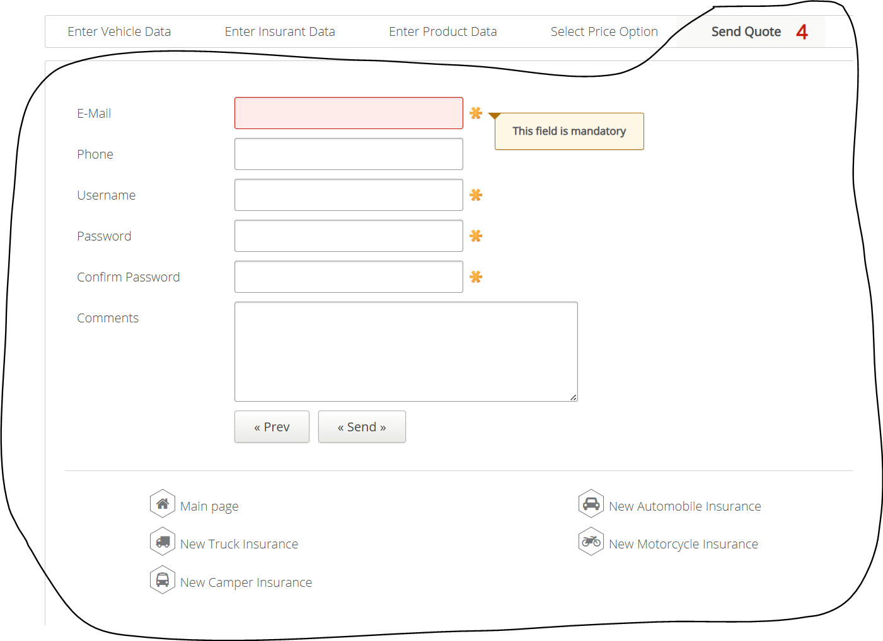
Select Quote Page check error hint formatting Part 2

